Defect report
Summary: | Possibility to input price with more than 2 decimals
Steps to reproduce: | 1. Go to https://www.calkoo.com/en/vat-calculator 2. Select VAT rate 3. Select price to input 4. Input price with more than 2 decimals
Expected result: | Has to be defined (did not met acceptance criteria)
Date and time: | 01.12.2024; 13:43:12 CET
Web browser: | Geogle Chrome Version 131.0.6778.86

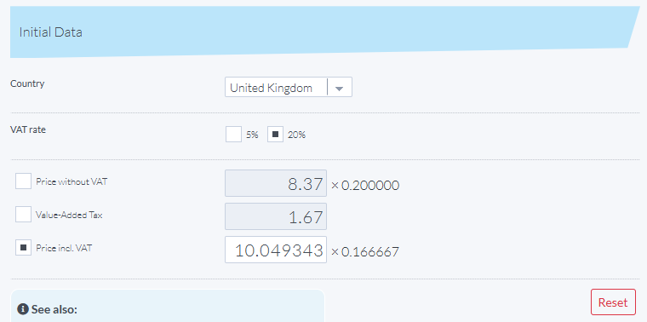
Screenshot:

