Sheet1
Hệ thống báo cháy và báo khói V1
1.Smoke and Fire Detection
 | 1.1. Capable of detecting fire and smoke, installed in small rooms.
 | 1.2. Must be capable of detecting smoke and fire with high sensitivity, within a radius of at least 5 meters.

2.Environmental Adaptability
 | 2.1. Must operate effectively in various environmental conditions, including humidity, temperature variations, and dusty environments.
 | 2.2. Must include a mechanism to adjust sensitivity based on environmental factors to reduce false alarms.

3.Automatic Alerts
 | 3.1. Must emit an audible alarm when smoke or fire is detected.
 | 3.2. Must emit a visual alarm through flashing lights.

4.Automatic Power Shutoff
 | 4.1. Must be capable of shutting off power in the area when smoke or fire is detected.

5.Response Time
 | 5.1. Must detect and respond to smoke and fire within 10 seconds.
 | 5.2. Must trigger an alarm within 5 seconds of detecting smoke or fire.

6.User Interface
 | 6.1.Must have a user-friendly interface on mobile phones
 | 6.2.Must have a display screen (LCD) showing system status information.

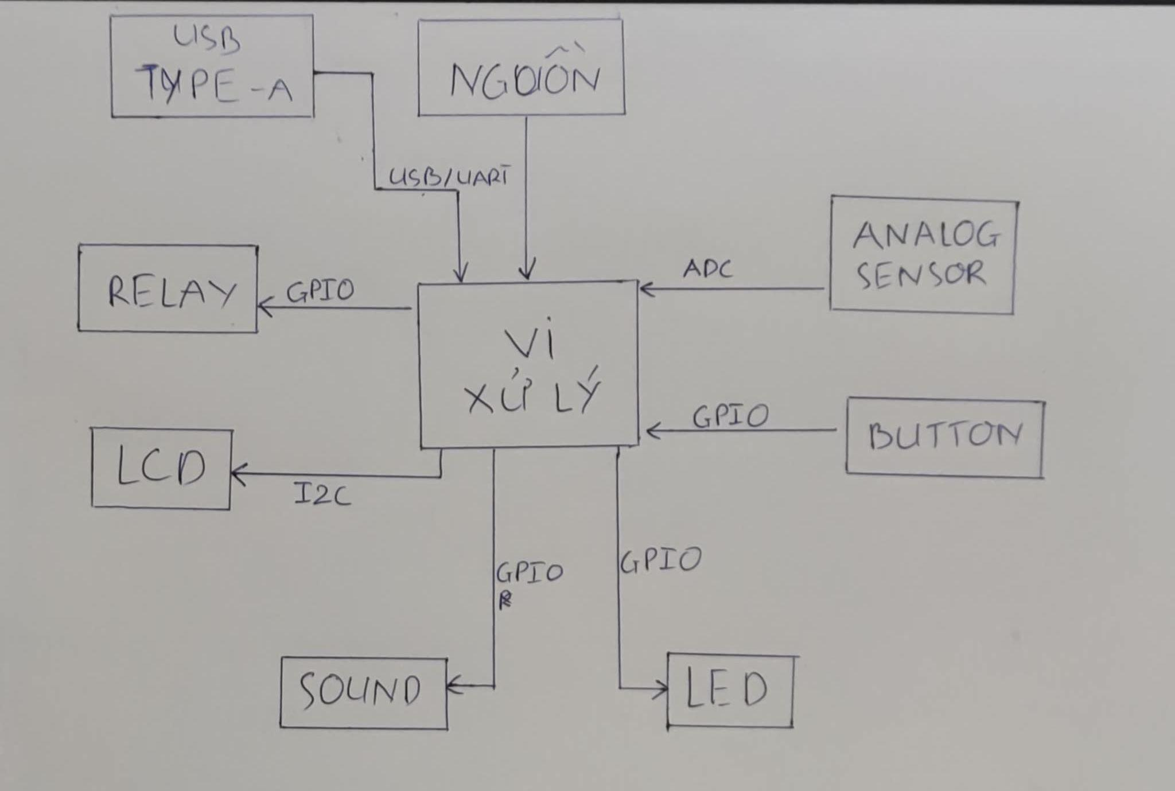
7.Event Logging and Recording
 | 7.1. Must log all smoke and fire detection events.
 | 7.2. Must store event history for at least 1 month.

8.Production Cost
 | 8.1. The production cost must be kept as low as possible.

9.Maintenance
 | 9.1. Must have easy-to-replace components for regular maintenance.

10.Components
 | Arduino nano

 | LCD 1602 screen

 | SIM 800L module + SIM card

 | Flame sensor

 | Smoke sensor

 | 0.3 spray BEC

 | 3x5 silicone wire

 | Test board (Not needed if soldering directly)

 | Test leads male-to-female, female-to-female (Not needed if soldering directly)

 | Formex sheet

 | 18650 batteries x 2

 | 2P 18650 battery holder

 | 5.5 female jack, switch

 | 2S 8.4V battery charger

