Part I
a. Write a SQL query to find the best category in each channel (in GMV)
select t1.channel as "Channel",t1.category as "Category", t1.gmv as "GMV"
from
(select channel,category, gmv, row_number() over(partition by channel order by gmv desc) as row_number
from X) t1
where t1.row_number = 1
order by t1.gmv DESC;
b. Write a SQL query to find how many percentages each category is higher or lower between Horeca and MT channel
with horeca as (
select * from X where channel like 'Horeca'
),
MT as (
select * from X where channel like 'MT'
)
select h.channel as "Channel_1", MT.channel as "Channel_2", h.Category as "Category",
h.gmv as "GMV_1", MT.gmv as "GMV_2", to_char((h.gmv/MT.gmv)-1,'fm99D00') as "Comparision"
from horeca h join MT on h.category = mt.category
order by h.category asc;

Part II A
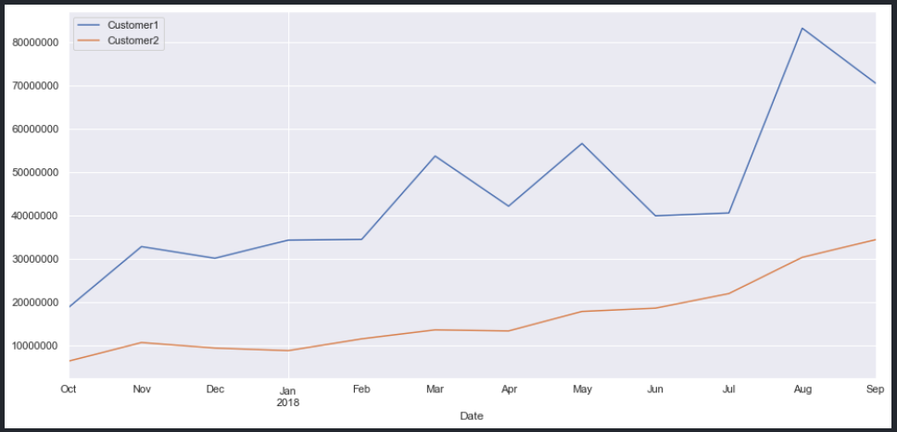
A) Evaluate the performance of Category A (Using descriptive analysis, time-series analysis)

In Qty Sold table, Customer 2 was much higher than Customer 1, it also have a highest Average, but the minimum and maximum were lower than Customer 1
Despite the lower quantity sold, Customer 1's revenue was significantly greater than Customer 2's, and it was 73% of All. Customer 1's maximum Revenue was approximately 17 times that of Customer 2, and it also had the highest average Revenue.

Qty Sold |  |  |  | Revenue
 | Customer 1 | Customer 2 | All |  | Customer 1 | Customer 2 | All
Sum | 27,620 | 30,277 | 57,897 | Sum | 16,401,460,707 | 6,030,817,784 | 22,432,278,491
Count | 365 | 365 | 730 | Count | 365 | 365 | 730
Avg | 75.67 | 82.95 | 79.31 | Avg | 44,935,508.79 | 16,522,788.45 | 30,729,148.62
Std | 40.43 | 50.04 | 45.6 | Std | 44,422,702.83 | 9,190,579.21 | 35,065,763.02
Min | 20 | 18 | 18 | Min | 7,103,400.00 | 3,995,750.00 | 3,995,750.00
Max | 396 | 359 | 396 | Max | 710,999,930.00 | 42,712,802.00 | 710,999,930.00
Median | 69 | 73 | 70 | Median | 38,806,660.00 | 14,496,390.00 | 23,075,200.00
IQR | 46 | 59 | 51 | IQR | 28,293,936 | 12,012,365 | 25,592,937.50

We continue analysis Qty Sold and Revenue with year 2017. To begin, as seen in the previous two tables, Customer 1 was lower than Customer 2 in Qty Sold, but 2017 was different when Customer 1 was higher than Customer 2 in both Qty Sold and Revenue.
In Qty Sold, Customer 1 was higher than Customer 2, it had higher average than Customer 2 and All
In Revenue, Customer 1 was 75% of All, its average was 3 times higher than Customer 2.

Qty Sold 2017 |  |  |  | Revenue 2017
 | Customer 1 | Customer 2 | All |  | Customer 1 | Customer 2 | All
Sum | 5,028 | 4,134 | 9,162 | Sum | 2,507,286,007 | 817,882,691 | 3,325,168,698
Count | 92 | 92 | 184 | Count | 92 | 92 | 184
Avg | 54.65 | 44.93 | 49.79 | Avg | 27,253,108.77 | 8,890,029.25 | 18,071,569.01
Std | 38.41 | 28.28 | 33.99 | Std | 27,253,108.77 | 4,502,242.43 | 18,506,678.90
Min | 21 | 18 | 18 | Min | 7,103,400.00 | 4,058,699.00 | 4,058,699.00
Max | 238 | 169 | 238 | Max | 136,283,200.00 | 31,705,343.00 | 136,283,200.00
Median | 43 | 37 | 40 | Median | 38,806,660.00 | 7,729,392.50 | 12,831,943.00
IQR | 19.25 | 19.25 | 18.5 | IQR | 20,040,550.00 | 3,882,704.50 | 13,524,594.50

In 2018, Qty Sold of Customer 2 was pretty higher than Customer 1, with the same minimum as Customer 1 but a lower maximum.
Customer 1's revenue was 73% of All, and its average was 2,7 times larger than Customer 2. Customer 1's maximum was significantly greater than Customer 2

Qty Sold 2018 |  |  |  | Revenue 2018
 | Customer 1 | Customer 2 | All |  | Customer 1 | Customer 2 | All
Sum | 22,592 | 26,143 | 48,735 | Sum | 13,894,174,700 | 5,212,935,093 | 19,107,109,793
Count | 273 | 273 | 546 | Count | 273 | 273 | 546
Avg | 82.75 | 95.76 | 89.26 | Avg | 50,894,412.82 | 19,095,000.34 | 34,994,706.58
Std | 38.65 | 49.29 | 44.73 | Std | 48,299,341.04 | 8,939,181.07 | 38,176,152.84
Min | 20 | 20 | 20 | Min | 10,488,500.00 | 3,995,750.00 | 3,995,750.00
Max | 396 | 359 | 396 | Max | 710,999,930.00 | 42,712,802.00 | 710,999,930.00
Median | 76 | 81 | 79 | Median | 43,238,000.00 | 16,833,109.00 | 29,570,260.00
IQR | 36 | 61 | 45.75 | IQR | 20,260,500.00 | 12,109,710.00 | 26,700,585.25

After all, we could see that offering category A to Customer 1 resulted in more revenue despite a lower quantity sold than Customer 2

In general, the Revenue of Category A climbed and declined month to month but continued on an upward trend, with a high increase from July to August 2018.
From October 2017 to August 2018, the company increased by 400% (25,235,003 -> 113,784,543) in less than a year.

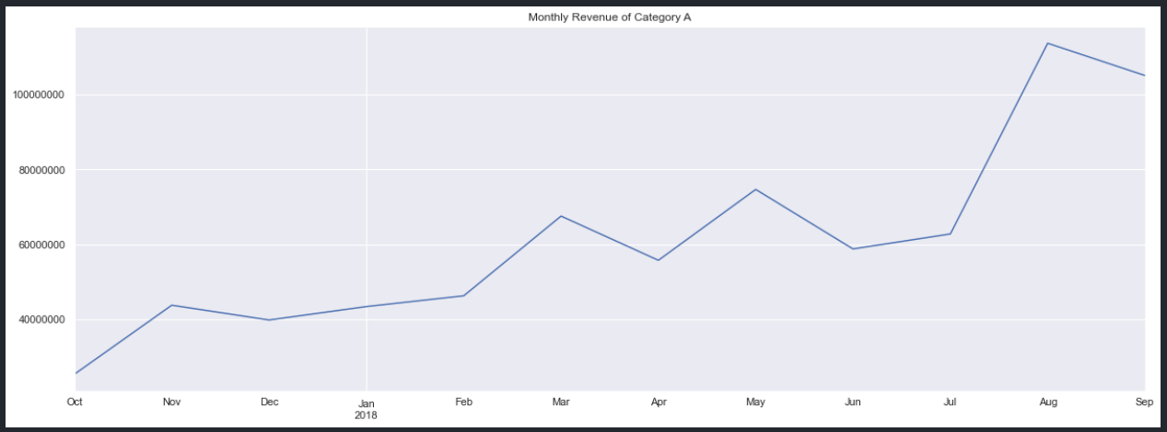

Both customers generate money from selling category A, despite the fact that both tend to increase month to month, revenue from customer 1 is significantly more than revenue from customer 2 .
In less than a year, from October 2017 to August 2018, income from client 1 grew 444% (18,784,550 -> 83,328,968). Meanwhile, revenue from customer 2 jumped by 535% in September 2018 compared to October 2017 (6,450,452 -> 34,521,353).

Part II B
B) Forecast the daily performance of Category A in Oct and November

Forecasting Result of 2 months:

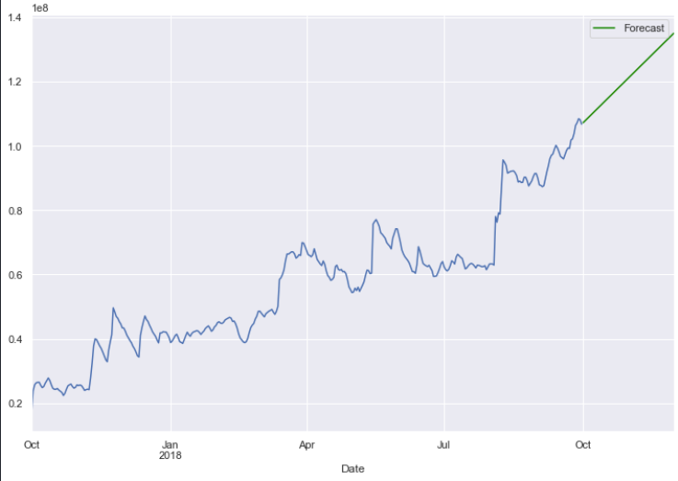

The outlier here was the max value of Revenue, it could get bad perform of my model because outliers influence the forecast model. So i decided to assign the second max value of Revenue to it.

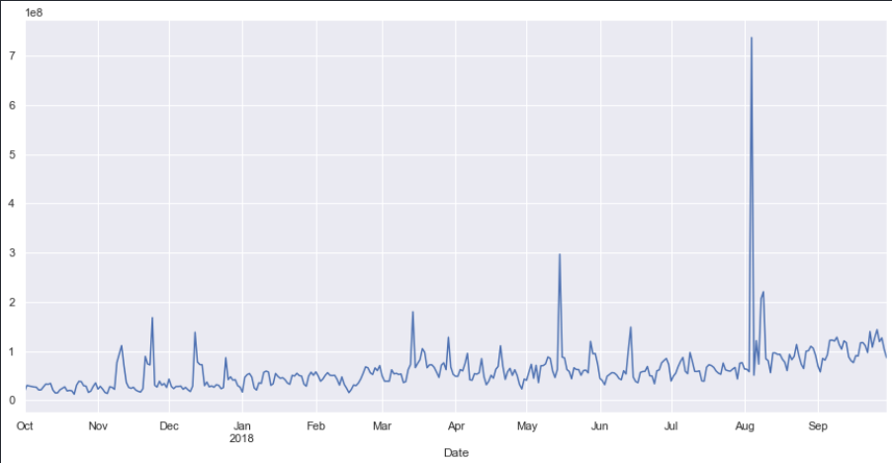

It still not look ready for the forecasting so I move to next step is make the graph smoothier by using Exponential Moving Average

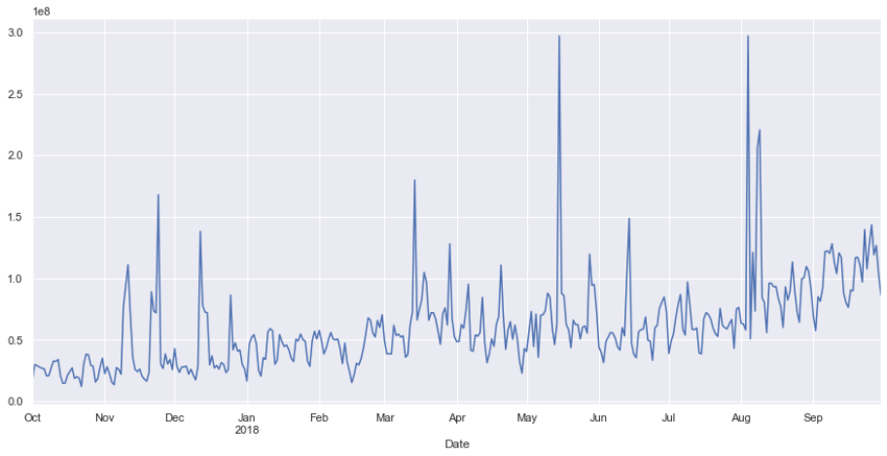

i used moving averages of 30 days for more smoothier of my graph for the better forecast model

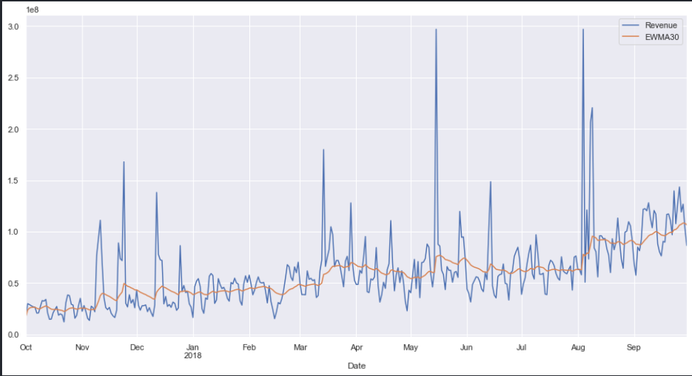

Here is my results during model testing for forecast about 1 month

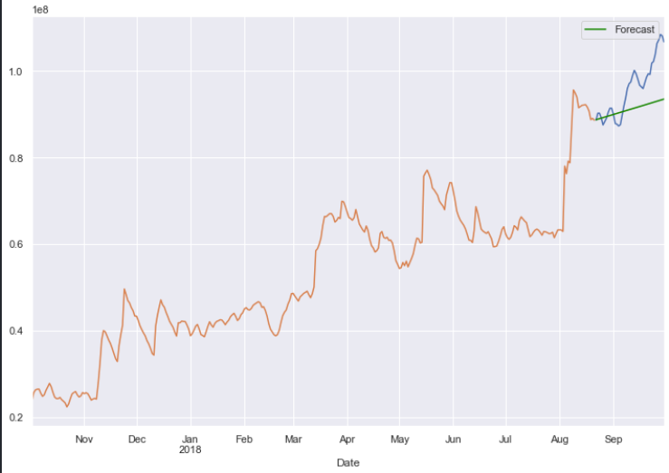

My code in Python: https://github.com/tiendat07/Test_assignment

