Rpt
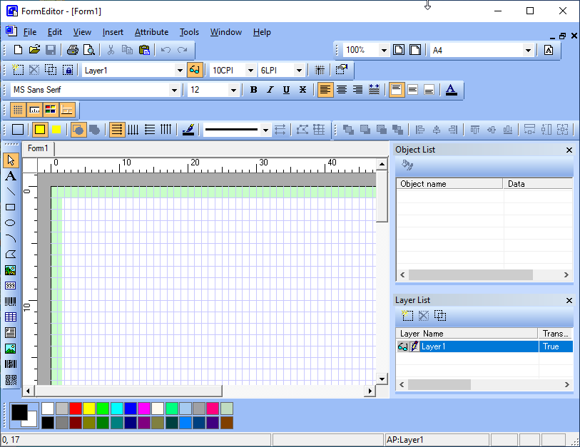
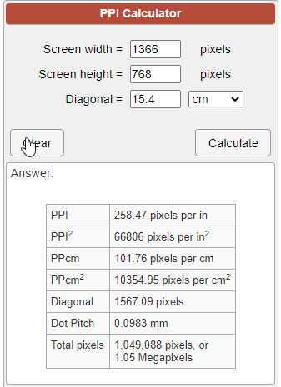
Zoom: 25% ~ 400% |  |  | PPI | 258.47

Get DPI |  |  | in | cm | mm
using (Graphics graphics = Graphics.FromHwnd(IntPtr.Zero)) |  |  | 1 | 2.54 | 25.4
{ |  |  | 8.2677165354 | 21 | 210
float dpiX = graphics.DpiX;
float dpiY = graphics.DpiY;
}

Pager size |  |  | 96.036190476
A4 := 210 mm × 297 mm | 794 | 1128
A5 := 148 mm × 210 mm |  |  | 793.7007874
Executive := 7.25 inches × 10.5 inches
Letter := 8.5 inches x 11 inches
Legal := 8.5 inches x 14 inches

so at 200 dpi:

A4 = 1654 pixels x 2339 pixels
A5 = 1165 pixels x 1654 pixels
Executive = 1450 pixels x 2100 px
Letter = 1700 pixels x 2200 pixels
Legal = 1700 pixels x 2800 pixels

fyi: you can get paper sizes on wikipedia
fyi: you can use Google to do unit conversions for you for weird things like "dots" by substituting "units" like this: 297 mm * 200 units per inch

DPI is similar with PPI

Get DPI in javascript
<div id='testdiv' style='height: 1in; left: -100%; position: absolute; top: -100%; width: 1in;'></div>

dpi_x = document.getElementById('testdiv').offsetWidth;
dpi_y = document.getElementById('testdiv').offsetHeight;

alert("dpi_x: "+dpi_x+", dpi_y:"+dpi_y);

