Title
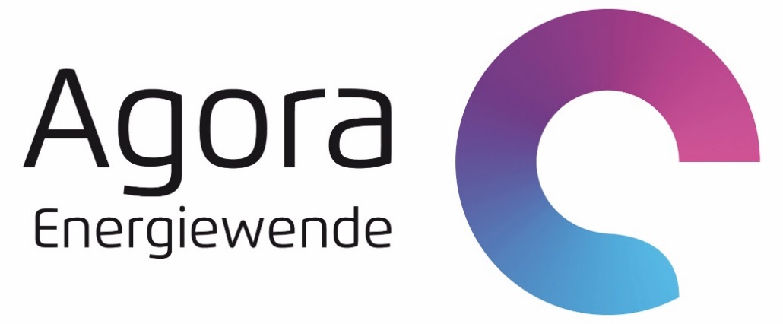

Data attachment Future Agorameter

Author: | Fabian Hein
Last updated: | 2021-09-24

Remarks
Data attachment Future Agorameter

Remarks:
This Excel Sheet provides annual capacity developments of renewable energies as well as the parameter used for different categries of flexible consumers.
These numbers are used for scaling and for the Flex-Module developed by Prognos AG.
The time frame is limited from 2030 to 2040. This correlates with the time frame used for the Future Agorameter.

