Q1
YEAR | Y (Defense Budget) | X (GNP)
1962 | 51.1 | 560.30
1963 | 52.3 | 590.50
1964 | 53.6 | 632.40
1965 | 49.6 | 684.90
1966 | 56.8 | 749.90
1967 | 70.1 | 793.90
U.S Defense Budget
1968 | 80.5 | 865.00
1969 | 81.2 | 931.40
1970 | 80.3 | 992.70
1971 | 77.7 | 1,077.60
1972 | 78.3 | 1,185.90
1973 | 74.5 | 1,326.40
1974 | 77.8 | 1,434.20
1975 | 85.6 | 1,549.20
1976 | 89.4 | 1,718.00
1977 | 97.5 | 1,918.30
1978 | 105.2 | 2,163.90
1979 | 117.7 | 2,417.80
1980 | 135.9 | 2,633.10
1981 | 162.1 | 2,937.70

SAS Code
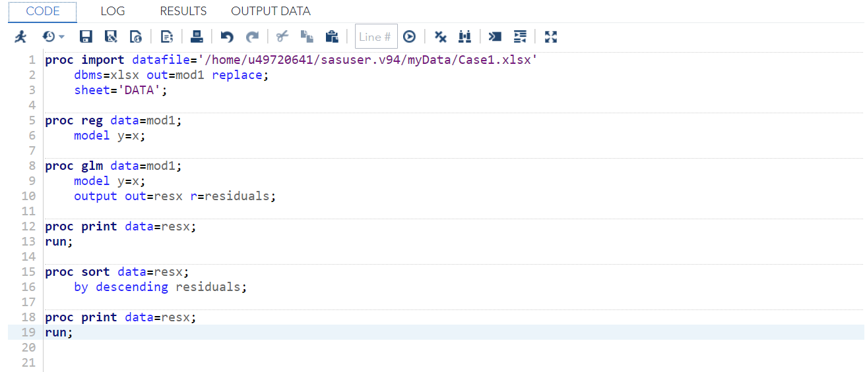

Q5
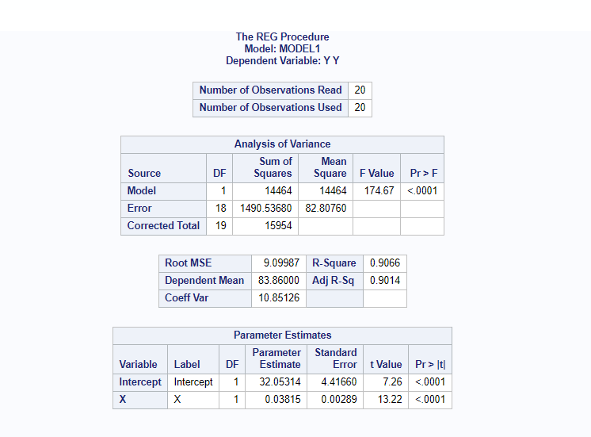
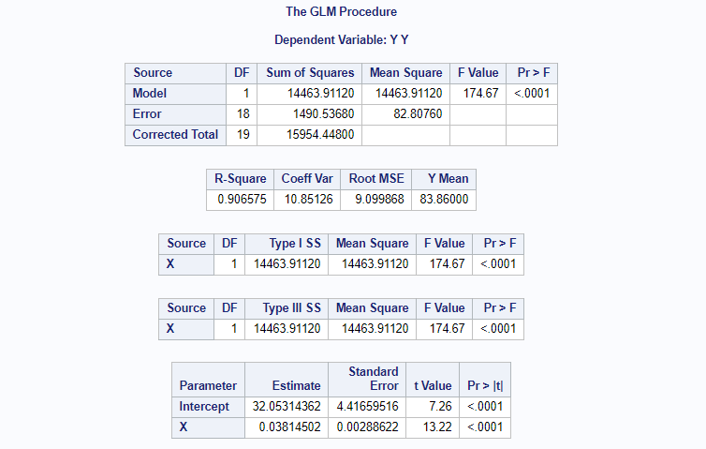
Proc GLM OUTPUT | Proc REG OUTPUT

Q8
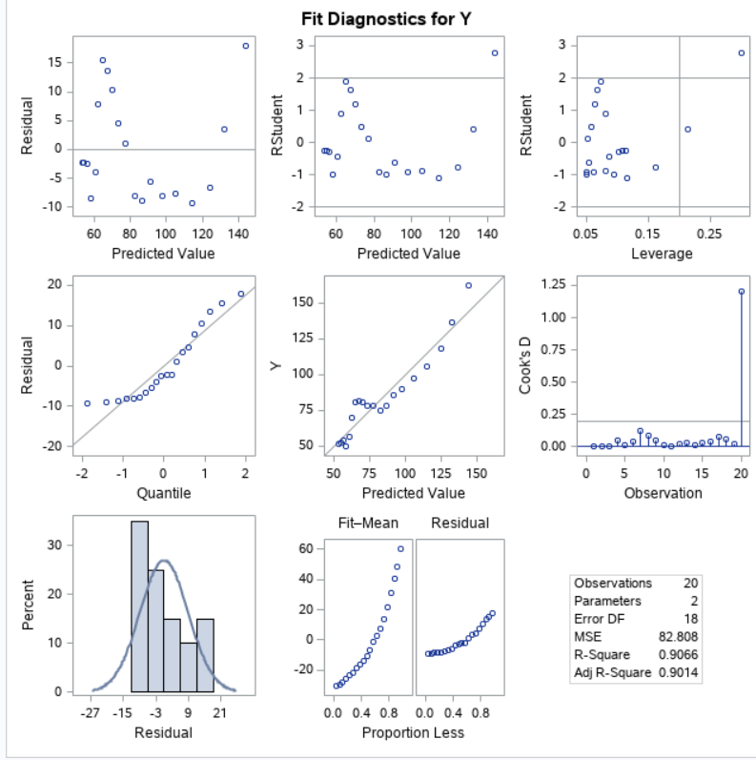

Q9
Residual Each X | Sort By Descending
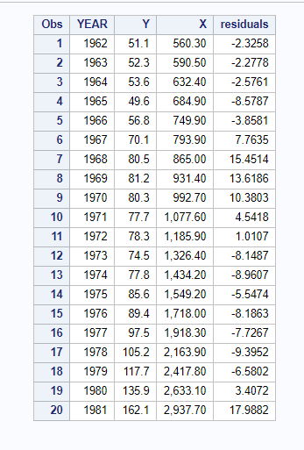 | 