Cover Page


#Number 4&5 CB 1Jump
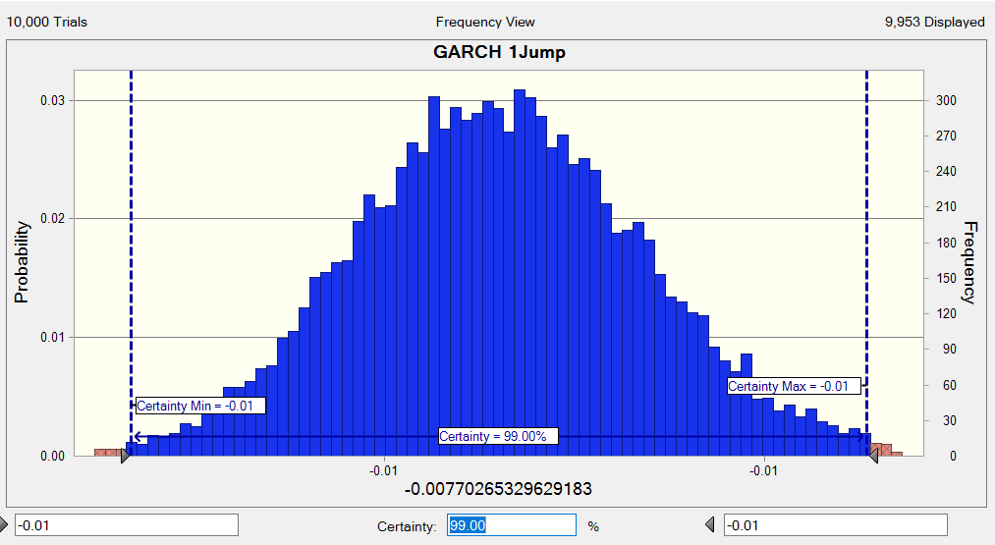
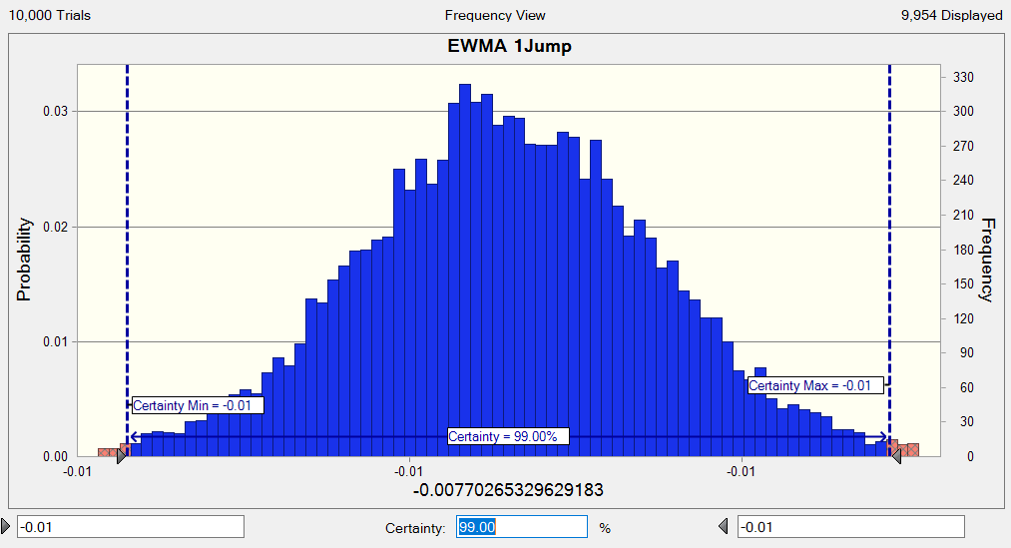
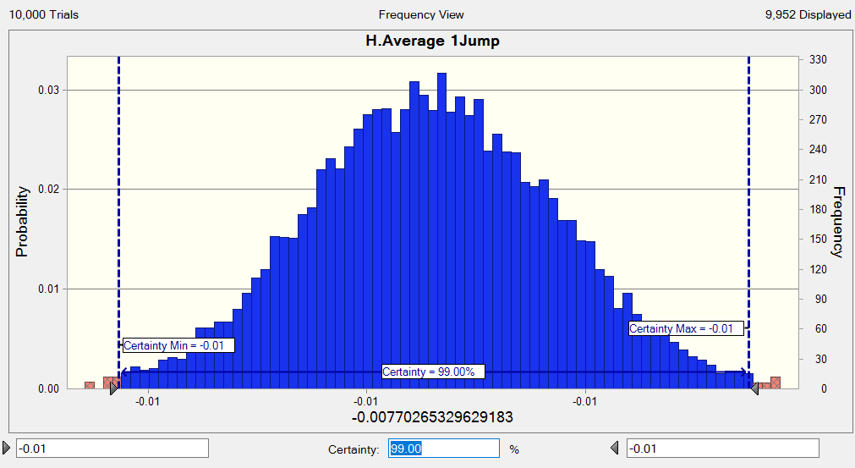
Time | APPL H. Average | APPL EWMA | APPL GARCH | RetHAvg | RetEWMA | RetGARCH |  | Volatility Average | Volatility EWMA | Volatility GARCH
0 | -0.0077026532963 | -0.0077026532963 | -0.0077026532963 |  |  |  |  | 0.023562385138 | 0.017886238684 | 0.016301976503
1 |  |  |  |  |  |  |  | 0.023562385138 | 0.017886238684 | 0.016139824403
2 |  |  |  |  |  |  |  | 0.023562385138 | 0.017886238684 | 0.015980793366
3 |  |  |  |  |  |  |  | 0.023562385138 | 0.017886238684 | 0.015824838112
4 |  |  |  |  |  |  |  | 0.023562385138 | 0.017886238684 | 0.015671913809
5 |  |  |  |  |  |  |  | 0.023562385138 | 0.017886238684 | 0.015521976057
6 |  |  |  |  |  |  |  | 0.023562385138 | 0.017886238684 | 0.015374980884
7 |  |  |  |  |  |  |  | 0.023562385138 | 0.017886238684 | 0.015230884739
8 |  |  |  |  |  |  |  | 0.023562385138 | 0.017886238684 | 0.015089644481
9 |  |  |  |  |  |  |  | 0.023562385138 | 0.017886238684 | 0.014951217374
10 | -0.0077026532963 | -0.0077026532963 | -0.0077026532963 | 0 | 0 | 0 |  | 0.023562385138 | 0.017886238684 | 0.014815561082

 |  |  |  |  |  |  | Volatility over 10 days | 0.074510804142 | 0.056561253013 | 0.049131333682 | 1 jump

#Number 4&5 CB 10Jumps
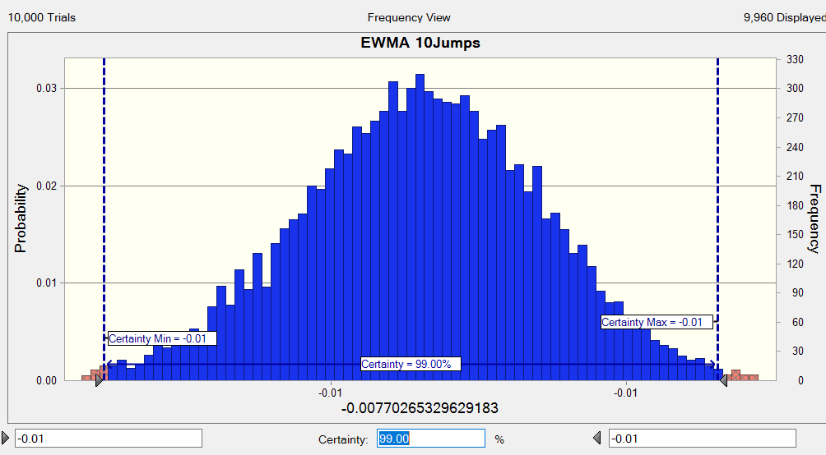
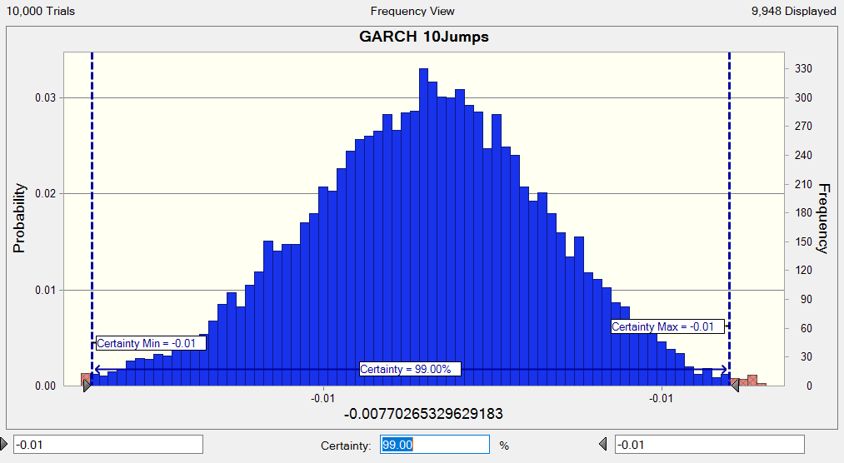
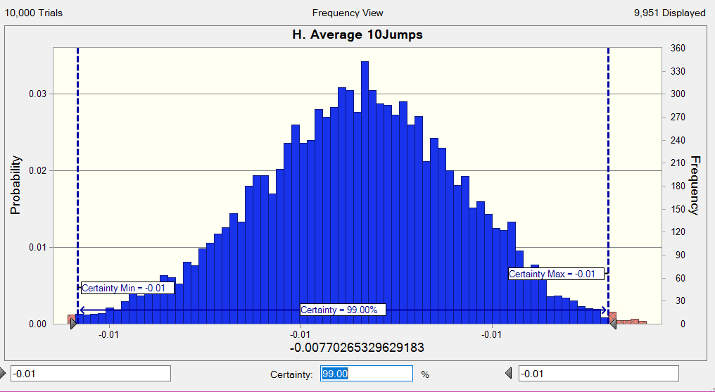
Time | APPL H. Average | APPL EWMA | APPL GARCH |  | RetHAvg | RetEWMA | RetGARCH | Volatility Average | Volatility EWMA | Volatility GARCH
0 | -0.0077026532963 | -0.0077026532963 | -0.0077026532963
1 | -0.0077026532963 | -0.0077026532963 | -0.0077026532963 |  | 0 | 0 | 0 | 0.023562385138 | 0.017886238684 | 0.016301976503
2 | -0.0077026532963 | -0.0077026532963 | -0.0077026532963 |  | 0 | 0 | 0 | 0.023562385138 | 0.017886238684 | 0.016139824403
3 | -0.0077026532963 | -0.0077026532963 | -0.0077026532963 |  | 0 | 0 | 0 | 0.023562385138 | 0.017886238684 | 0.015980793366
4 | -0.0077026532963 | -0.0077026532963 | -0.0077026532963 |  | 0 | 0 | 0 | 0.023562385138 | 0.017886238684 | 0.015824838112
5 | -0.0077026532963 | -0.0077026532963 | -0.0077026532963 |  | 0 | 0 | 0 | 0.023562385138 | 0.017886238684 | 0.015671913809
6 | -0.0077026532963 | -0.0077026532963 | -0.0077026532963 |  | 0 | 0 | 0 | 0.023562385138 | 0.017886238684 | 0.015521976057
7 | -0.0077026532963 | -0.0077026532963 | -0.0077026532963 |  | 0 | 0 | 0 | 0.023562385138 | 0.017886238684 | 0.015374980884
8 | -0.0077026532963 | -0.0077026532963 | -0.0077026532963 |  | 0 | 0 | 0 | 0.023562385138 | 0.017886238684 | 0.015230884739
9 | -0.0077026532963 | -0.0077026532963 | -0.0077026532963 |  | 0 | 0 | 0 | 0.023562385138 | 0.017886238684 | 0.015089644481
10 | -0.0077026532963 | -0.0077026532963 | -0.0077026532963 | 10 jumps | 0 | 0 | 0 | 0.023562385138 | 0.017886238684 | 0.014951217374
 |  |  |  |  |  |  |  | 0.023562385138 | 0.017886238684 | 0.014815561082

