Style Catalog
Range ID | Fabric Content | Style Description | Type | Neck / Closure | Proposed Colourway | Pattern / Texture | Design Details | Full Garment Reference | Original J Value (unit unspecified) | Thread Allocation | Source Photo | Photo Match | Review / Corrections | Model Board
ST-01-1 | Bamboo Cotton | Asymmetric cable zip polo | Polo | Quarter zip | Olive / off white | Fine knit with vertical cable accents | One off-white vertical panel and sleeve on wearer left, a narrow burgundy cable stripe within the panel; dark olive body, collar and other sleeve. Preserve asymmetry. | 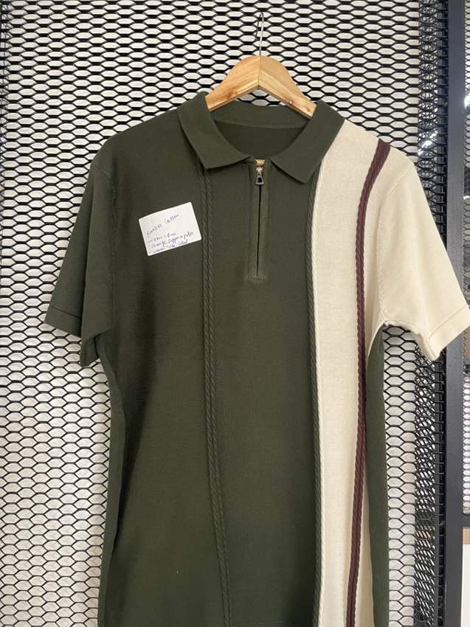 | 400 | Body: TC06 Dark olive Panel: TC01 Off white Stripe: TC07 Burgundy | IMG_8757.jpg | High | Matched to full garment photograph. | Open model board
ST-01-2 | Bamboo Cotton | Asymmetric cable zip polo | Polo | Quarter zip | Navy / off white | Fine knit with vertical cable accents | One off-white vertical panel and sleeve on wearer left, a narrow burgundy cable stripe within the panel; dark olive body, collar and other sleeve. Preserve asymmetry. |  | 400 | Body: TC03 Navy Panel: TC01 Off white Stripe: TC09 Taupe | IMG_8757.jpg | High | Matched to full garment photograph. | Open model board
ST-02-1 | Bamboo Cotton | Diamond textured open-neck polo | Polo | Open V placket; no buttons | Taupe | Large elongated diamond knit | Self-colour collar, rib cuffs and hem; small tonal chest emblem. | 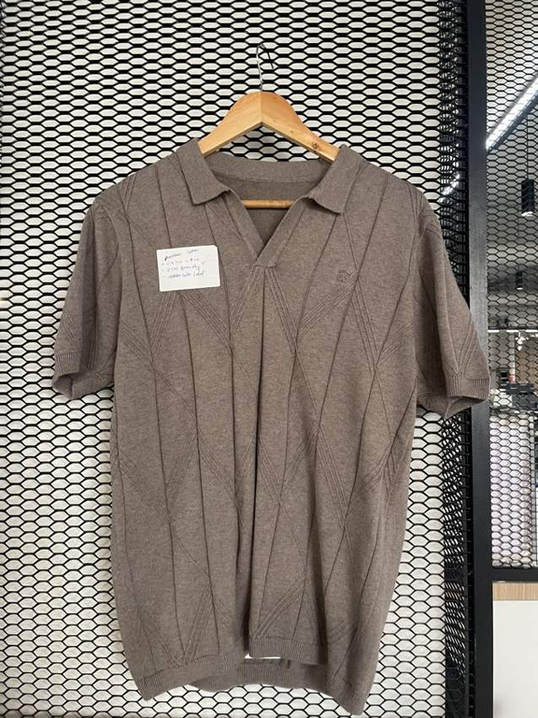 | 400 | Body: TC09 Taupe | IMG_8759.jpg | High | Full photo confirms open neck rather than button placket. | Open model board
ST-02-2 | Bamboo Cotton | Diamond textured open-neck polo | Polo | Open V placket; no buttons | Denim blue | Large elongated diamond knit | Self-colour collar, rib cuffs and hem; small tonal chest emblem. |  | 400 | Body: TC05 Denim blue | IMG_8759.jpg | High | Full photo confirms open neck rather than button placket. | Open model board
ST-03-1 | Bamboo Cotton | Floral pointelle crew tee | T-shirt | Crew neck | Off white | Tonal floral pointelle / openwork | Short sleeves, self-colour rib crew neck, cuffs and hem. Retain subtle floral openwork, not printed flowers. | 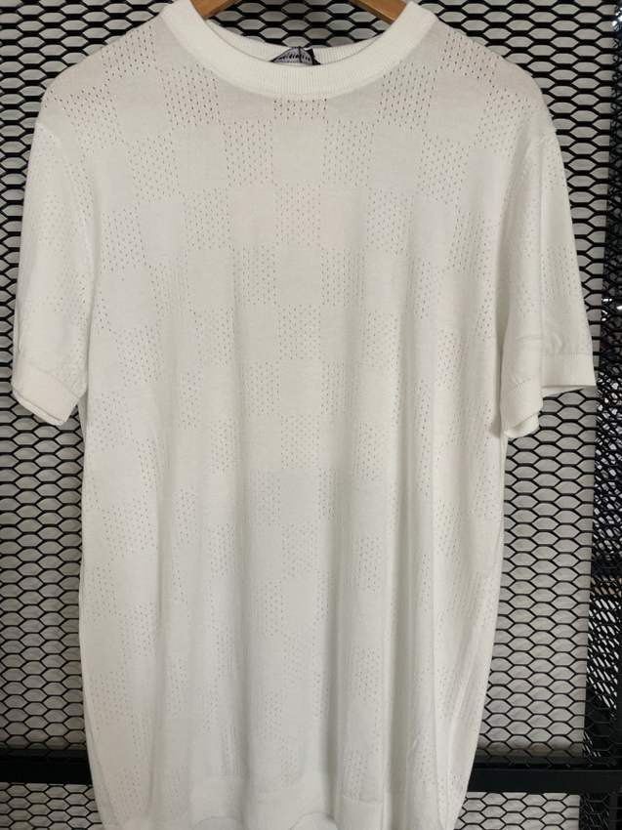 | 400 | Body: TC01 Off white | IMG_8735.jpg | Medium-high | Full ivory pointelle tee is closest match to original ST-03 floral reference; subtle tonal motif is difficult to read in original. | Open model board
ST-03-2 | Bamboo Cotton | Floral pointelle crew tee | T-shirt | Crew neck | Dusty pink | Tonal floral pointelle / openwork | Short sleeves, self-colour rib crew neck, cuffs and hem. Retain subtle floral openwork, not printed flowers. |  | 400 | Body: TC11 Dusty pink | IMG_8735.jpg | Medium-high | Full ivory pointelle tee is closest match to original ST-03 floral reference; subtle tonal motif is difficult to read in original. | Open model board
ST-04-1 | Lyocel Cotton | Contrast piping knit polo | Polo | Button placket | Rust / off white | Fine textured knit | Fine off-white piping on collar, both edges of placket and sleeve edges. Body and collar same base colour. | 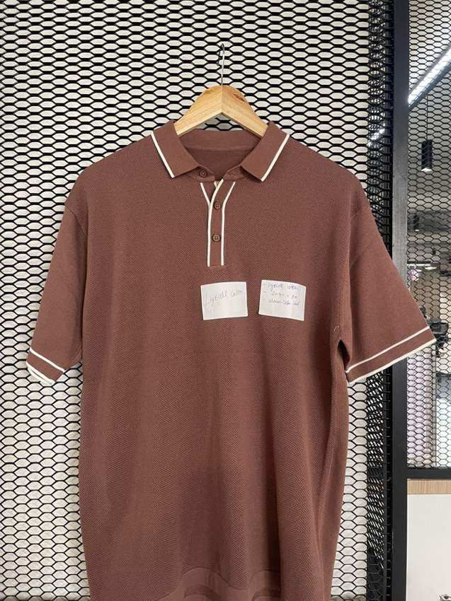 | 400 | Body: TC12 Rust Piping: TC01 Off white | IMG_8754.jpg | High | Matched to full garment photograph. | Open model board
ST-04-2 | Lyocel Cotton | Contrast piping knit polo | Polo | Button placket | Navy / off white | Fine textured knit | Fine off-white piping on collar, both edges of placket and sleeve edges. Body and collar same base colour. |  | 400 | Body: TC03 Navy Piping: TC01 Off white | IMG_8754.jpg | High | Matched to full garment photograph. | Open model board
ST-05-1 | Lyocel Cotton | Open-knit striped-placket polo | Polo | Button placket | Off white / chocolate | Vertical herringbone / pointelle channels | Off-white open knit body; dark chocolate and off-white striped collar and placket; rib cuffs and hem. | 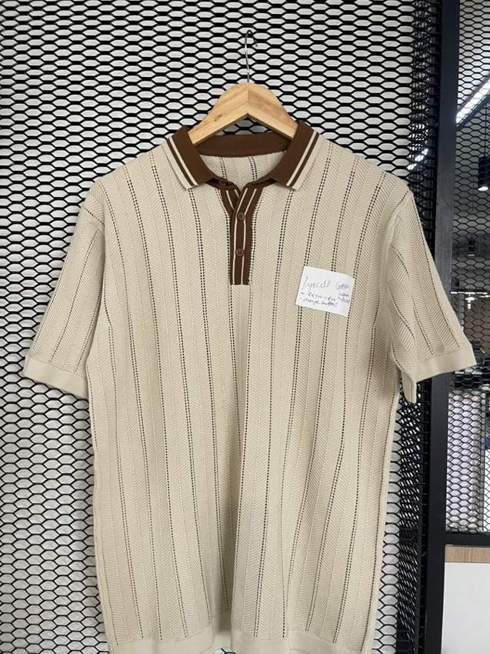 | 400 | Body: TC01 Off white Trim: TC08 Chocolate | IMG_8753.jpg | High | Matched to full garment photograph. | Open model board
ST-05-2 | Lyocel Cotton | Open-knit striped-placket polo | Polo | Button placket | Taupe / navy | Vertical herringbone / pointelle channels | Off-white open knit body; dark chocolate and off-white striped collar and placket; rib cuffs and hem. |  | 400 | Body: TC09 Taupe Trim: TC03 Navy | IMG_8753.jpg | High | Matched to full garment photograph. | Open model board
ST-06-1 | Cotton Linen | Five-button knit henley | Henley | Five-button henley | Mustard | Plain fine knit | Self-colour buttons and placket, round rib neck, short sleeves, rib hem. | 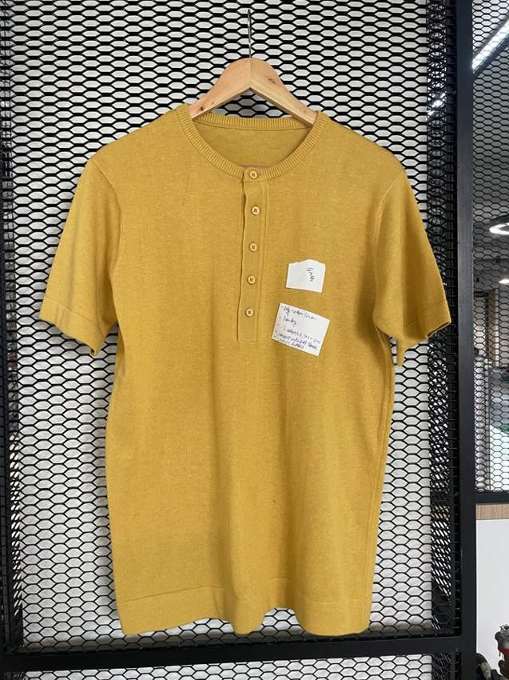 | 400 | Body: TC10 Mustard | IMG_8740.jpg | High | Matched to full garment photograph. | Open model board
ST-06-2 | Cotton Linen | Five-button knit henley | Henley | Five-button henley | Dark olive | Plain fine knit | Self-colour buttons and placket, round rib neck, short sleeves, rib hem. |  | 400 | Body: TC06 Dark olive | IMG_8740.jpg | High | Matched to full garment photograph. | Open model board
ST-07-1 | Cotton Linen | Chest-block open-neck polo | Polo | Open V placket | Off white / denim / navy | Textured chest block on fine knit | Off-white body; broad denim-blue chest panel extends across sleeve; navy narrow piping along top and bottom of panel; blue collar and sleeve edges. | 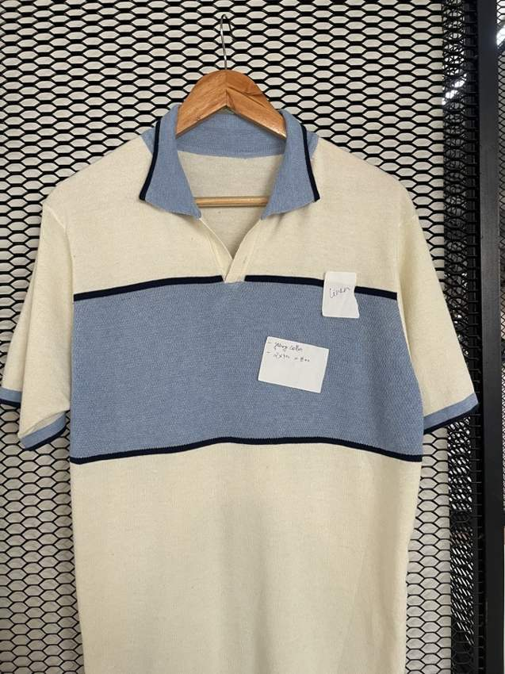 | 400 | Body: TC01 Off white Panel: TC05 Denim blue Piping: TC03 Navy | IMG_8741.jpg | High | Matched to full garment photograph. | Open model board
ST-07-2 | Cotton Linen | Chest-block open-neck polo | Polo | Open V placket | Off white / taupe / chocolate | Textured chest block on fine knit | Off-white body; broad denim-blue chest panel extends across sleeve; navy narrow piping along top and bottom of panel; blue collar and sleeve edges. |  | 400 | Body: TC01 Off white Panel: TC09 Taupe Piping: TC08 Chocolate | IMG_8741.jpg | High | Matched to full garment photograph. | Open model board
ST-08-1 | Cotton Linen | Essential fine-knit crew tee | T-shirt | Crew neck | Off white | Plain fine knit | Off-white short-sleeve crew tee; subtle tonal small chest emblem. Rib neck, cuffs and hem. | 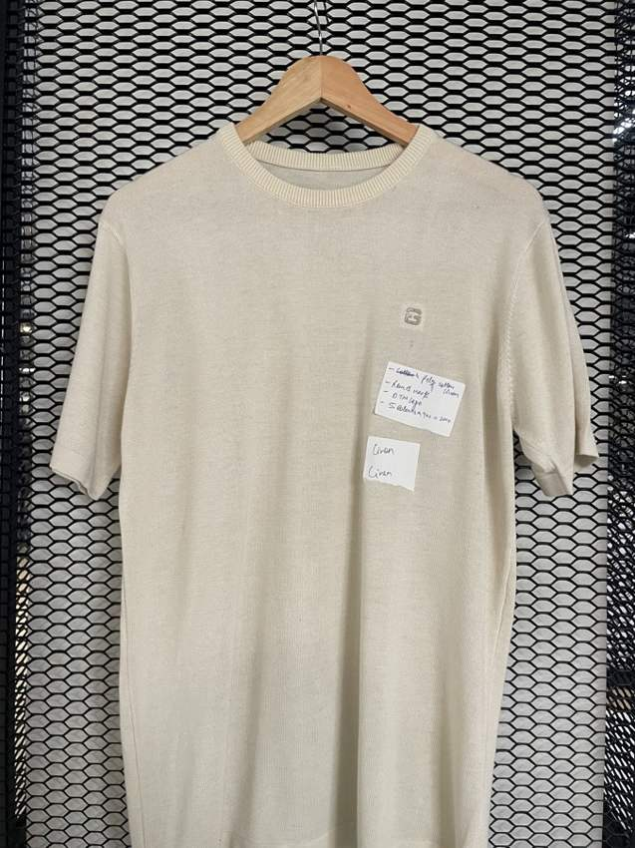 | 400 | Body: TC01 Off white | IMG_8739.jpg | High | Small tonal emblem appears on chest in full photograph; original description said sleeve. Original duplicate ST-08 rows identified as CW1 and CW2. | Open model board
ST-08-2 | Cotton Linen | Essential fine-knit crew tee | T-shirt | Crew neck | Denim blue | Plain fine knit | Off-white short-sleeve crew tee; subtle tonal small chest emblem. Rib neck, cuffs and hem. |  | 400 | Body: TC05 Denim blue | IMG_8739.jpg | High | Small tonal emblem appears on chest in full photograph; original description said sleeve. Original duplicate ST-08 rows identified as CW1 and CW2. | Open model board
ST-09-1 | Cotton Viscose Nylon (40/40/20) | Tipped fine-knit polo | Polo | Button placket | Chocolate / off white | Plain textured fine knit | Chocolate body with fine off-white tipping around collar and sleeve cuff; self-colour placket and buttons. | 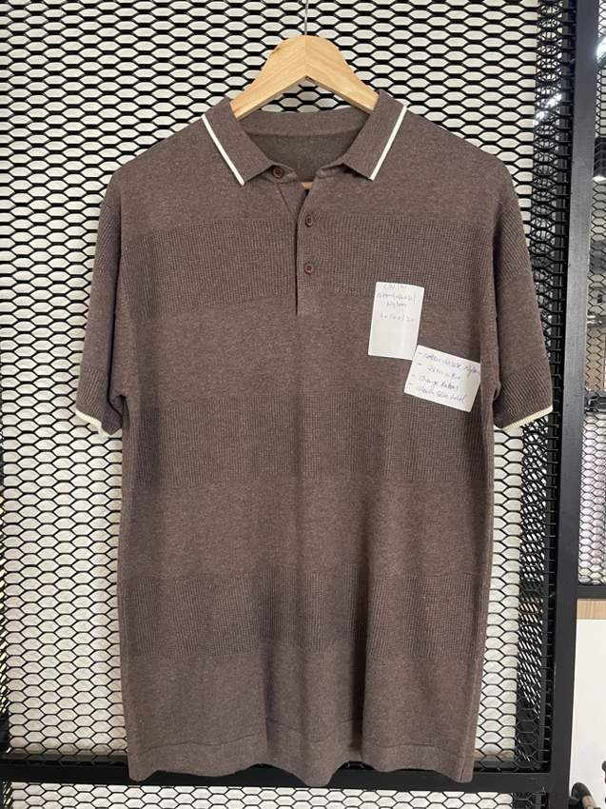 | 400 | Body: TC08 Chocolate Tipping: TC01 Off white | IMG_8743.jpg | High | Matched to full garment photograph. | Open model board
ST-09-2 | Cotton Viscose Nylon (40/40/20) | Tipped fine-knit polo | Polo | Button placket | Dark olive / off white | Plain textured fine knit | Chocolate body with fine off-white tipping around collar and sleeve cuff; self-colour placket and buttons. |  | 400 | Body: TC06 Dark olive Tipping: TC01 Off white | IMG_8743.jpg | High | Matched to full garment photograph. | Open model board
ST-10-1 | Cotton Viscose Nylon (40/40/20) | Breton stripe long-sleeve crew | T-shirt | Crew neck | Royal blue / off white | Even narrow horizontal stripe | Royal blue and off-white alternating horizontal stripes across body and long sleeves; solid royal blue crew rib neck, long-sleeve cuffs and hem. | 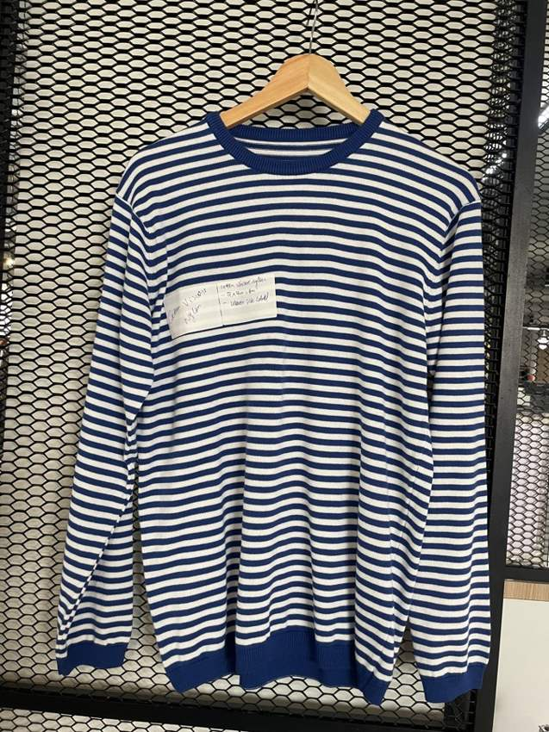 | 400 | Body: TC04 Royal blue Stripe: TC01 Off white | IMG_8750.jpg | High | Full IMG_8750 photograph confirms long sleeves; original cropped workbook reference did not show sleeve length clearly. | Open model board
ST-10-2 | Cotton Viscose Nylon (40/40/20) | Breton stripe long-sleeve crew | T-shirt | Crew neck | Chocolate / off white | Even narrow horizontal stripe | Royal blue and off-white alternating horizontal stripes across body and long sleeves; solid royal blue crew rib neck, long-sleeve cuffs and hem. |  | 400 | Body: TC08 Chocolate Stripe: TC01 Off white | IMG_8750.jpg | High | Full IMG_8750 photograph confirms long sleeves; original cropped workbook reference did not show sleeve length clearly. | Open model board
ST-11-1 | Cotton | Athletic mesh graphic tee | T-shirt | Crew neck | Off white / burgundy | Open mesh with distressed chest graphic | Off-white mesh tee, burgundy crew neck and cuff tipping. Preserve original workbook Athletic Club distressed lettering and number layout; do not invent a different graphic. | 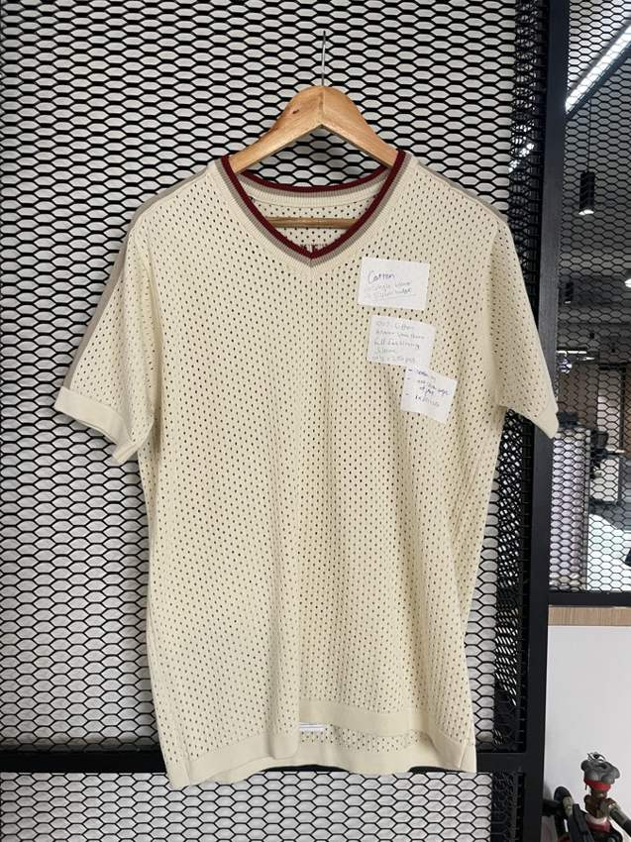 | 400 | Body: TC01 Off white Graphic: TC07 Burgundy | IMG_8749.jpg | Provisional | New full photo is a mesh tee without visible Athletic Club graphic and may show reverse or a related sample. Render follows original workbook graphic; match is provisional. | Open model board
ST-12-1 | Cotton | Vertical pinstripe zip polo | Polo | Quarter zip | White / navy | Fine spaced vertical pinstripes | White ground with slender navy vertical pinstripes down body and sleeves; white collar, cuffs and hem. Small silver zipper. | 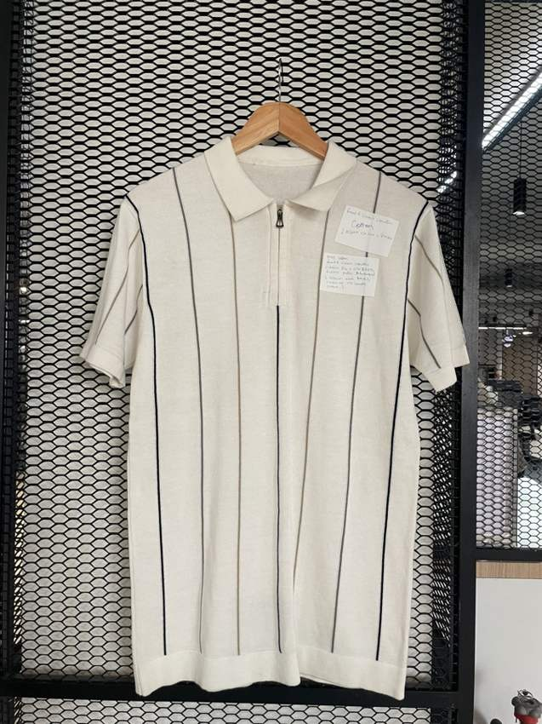 | 400 | Body: TC02 White Stripe: TC03 Navy | IMG_8760.jpg | High | Matched to full garment photograph. | Open model board
ST-12-2 | Cotton | Vertical pinstripe zip polo | Polo | Quarter zip | Off white / chocolate | Fine spaced vertical pinstripes | White ground with slender navy vertical pinstripes down body and sleeves; white collar, cuffs and hem. Small silver zipper. |  | 400 | Body: TC01 Off white Stripe: TC08 Chocolate | IMG_8760.jpg | High | Matched to full garment photograph. | Open model board
ST-13-1 | Cotton | Contrast zip stag polo | Polo | Quarter zip | Off white / chocolate | Plain fine knit | Off-white body with chocolate contrast zipper placket and narrow chocolate tipped collar and cuffs; small geometric stag-head outline embroidery on wearer-left chest in chocolate. | 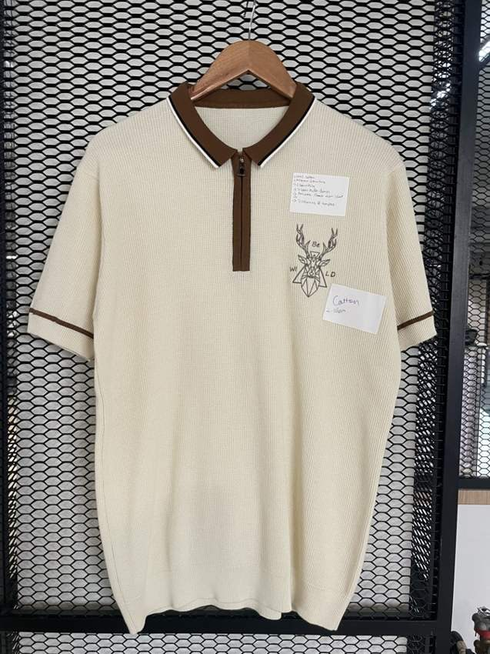 | 400 | Body: TC01 Off white Trim: TC08 Chocolate | IMG_8745.jpg | High | Full photo confirms geometric stag-head chest embroidery. | Open model board
ST-13-2 | Cotton | Contrast zip stag polo | Polo | Quarter zip | Taupe / navy | Plain fine knit | Off-white body with chocolate contrast zipper placket and narrow chocolate tipped collar and cuffs; small geometric stag-head outline embroidery on wearer-left chest in chocolate. |  | 400 | Body: TC09 Taupe Trim: TC03 Navy | IMG_8745.jpg | High | Full photo confirms geometric stag-head chest embroidery. | Open model board
ST-14-1 | Cotton | Mesh chest-stripe zip polo | Polo | Quarter zip | Off white / navy / denim | Open mesh with horizontal band | Off-white mesh body and collar; broad navy chest stripe with thin denim blue stripes above and below; stripe extends onto sleeves; self-colour hem and cuffs. | 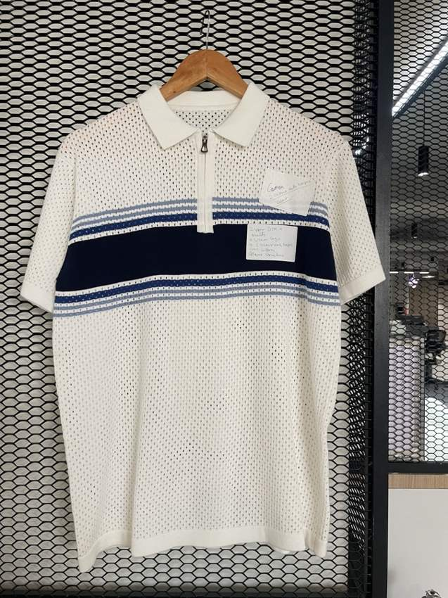 | 400 | Body: TC01 Off white Band: TC03 Navy Stripe: TC05 Denim blue | IMG_8755.jpg | High | Matched to full garment photograph. | Open model board
ST-14-2 | Cotton | Mesh chest-stripe zip polo | Polo | Quarter zip | Off white / olive / taupe | Open mesh with horizontal band | Off-white mesh body and collar; broad navy chest stripe with thin denim blue stripes above and below; stripe extends onto sleeves; self-colour hem and cuffs. |  | 400 | Body: TC01 Off white Band: TC06 Dark olive Stripe: TC09 Taupe | IMG_8755.jpg | High | Matched to full garment photograph. | Open model board
ST-15-1 | Cotton | Three-band waffle polo | Polo | Button placket | Off white / navy / chocolate | Waffle knit, broad colour blocks | Off-white collar, shoulders, waist and hem; broad navy chest band across sleeves and chest; separate chocolate broad lower torso band. Preserve three colours. | 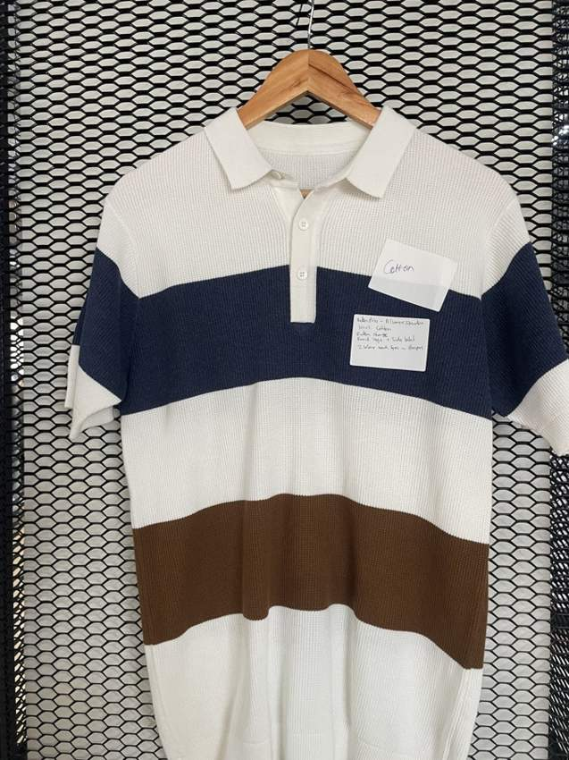 | 400 | Body: TC01 Off white Chest: TC03 Navy Lower Band: TC08 Chocolate | IMG_8747.jpg | High | Full photo reveals additional chocolate lower band missing from workbook description. | Open model board
ST-15-2 | Cotton | Three-band waffle polo | Polo | Button placket | Off white / olive / taupe | Waffle knit, broad colour blocks | Off-white collar, shoulders, waist and hem; broad navy chest band across sleeves and chest; separate chocolate broad lower torso band. Preserve three colours. |  | 400 | Body: TC01 Off white Chest: TC06 Dark olive Lower Band: TC09 Taupe | IMG_8747.jpg | High | Full photo reveals additional chocolate lower band missing from workbook description. | Open model board
ST-16-1 | Cotton Viscose | Fine stripe open-neck polo | Polo | Open V placket | Navy / off white | Fine horizontal stripe | Navy / off-white thin horizontal stripes, striped collar; solid off-white cuffs and hem, small tonal chest emblem. | 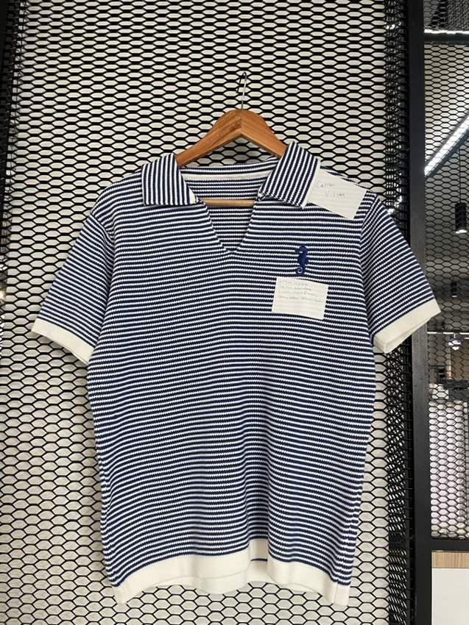 | 400 | Body: TC03 Navy Stripe: TC01 Off white | IMG_8756.jpg | High | ST-16 second row uses taupe/off white, matching workbook beige/white intent. | Open model board
ST-16-2 | Cotton Viscose | Fine stripe open-neck polo | Polo | Open V placket | Taupe / off white | Fine horizontal stripe | Navy / off-white thin horizontal stripes, striped collar; solid off-white cuffs and hem, small tonal chest emblem. |  | 400 | Body: TC09 Taupe Stripe: TC01 Off white | IMG_8756.jpg | High | ST-16 second row uses taupe/off white, matching workbook beige/white intent. | Open model board
ST-17-1 | Cotton Viscose | Botanical rib resort polo | Polo | Open V placket | Off white botanical | Textured vertical rib knit | Off-white rib body, self-colour collar, short sleeves; small flower and leaf embroidery at wearer-left chest; chocolate stems and outline, mustard flower centres, olive leaves. | 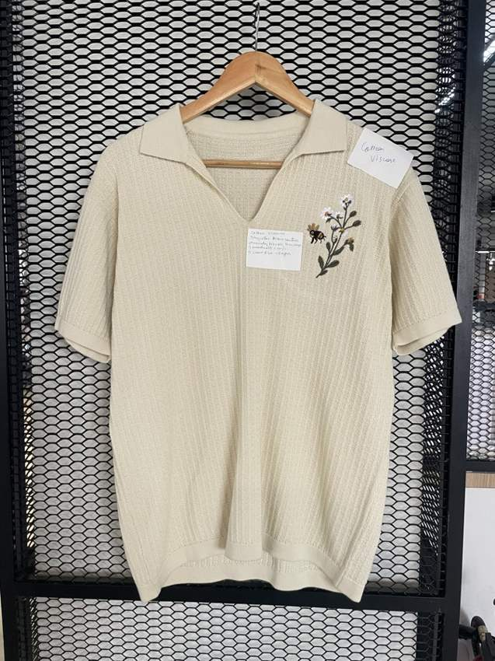 | 400 | Body: TC01 Off white Stems: TC08 Chocolate Flowers: TC10 Mustard Leaves: TC06 Dark olive | IMG_8746.jpg | High | Matched to full garment photograph. | Open model board
ST-17-2 | Cotton Viscose | Botanical rib resort polo | Polo | Open V placket | Dark olive botanical | Textured vertical rib knit | Off-white rib body, self-colour collar, short sleeves; small flower and leaf embroidery at wearer-left chest; chocolate stems and outline, mustard flower centres, olive leaves. |  | 400 | Body: TC06 Dark olive Stems: TC01 Off white Flowers: TC10 Mustard Leaves: TC01 Off white | IMG_8746.jpg | High | Matched to full garment photograph. | Open model board
ST-18-1 | Cotton Viscose | Pointelle tipped knit polo | Polo | Button placket | Off white / navy / rust | Vertical pointelle / eyelet channels | Off-white body and collar and self-colour button placket; narrow navy and rust stripes on collar, sleeve cuffs and hem; keep openwork knit structure. | 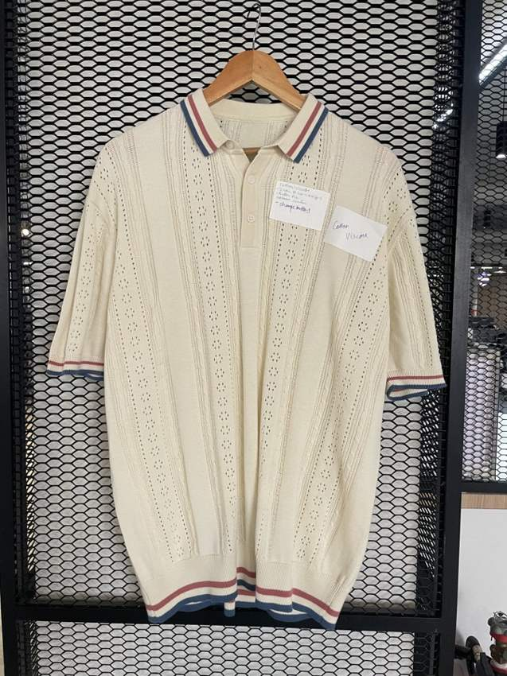 | 400 | Body: TC01 Off white Stripe 1: TC03 Navy Stripe 2: TC12 Rust | IMG_8744.jpg | High | Matched to full garment photograph. | Open model board
ST-18-2 | Cotton Viscose | Pointelle tipped knit polo | Polo | Button placket | Taupe / chocolate / off white | Vertical pointelle / eyelet channels | Off-white body and collar and self-colour button placket; narrow navy and rust stripes on collar, sleeve cuffs and hem; keep openwork knit structure. |  | 400 | Body: TC09 Taupe Stripe 1: TC08 Chocolate Stripe 2: TC01 Off white | IMG_8744.jpg | High | Matched to full garment photograph. | Open model board
ST-19-1 | Cotton Viscose | Raglan micro-stripe crew tee | T-shirt | Crew neck | Burgundy / off white / dusty pink | Fine broken horizontal stripes, chevron raglan shoulders | Burgundy ground with off-white and dusty-pink micro-stripes. Raglan seam changes stripes into chevrons near shoulders. Solid burgundy crew neck, cuffs and hem; no collar or placket. | 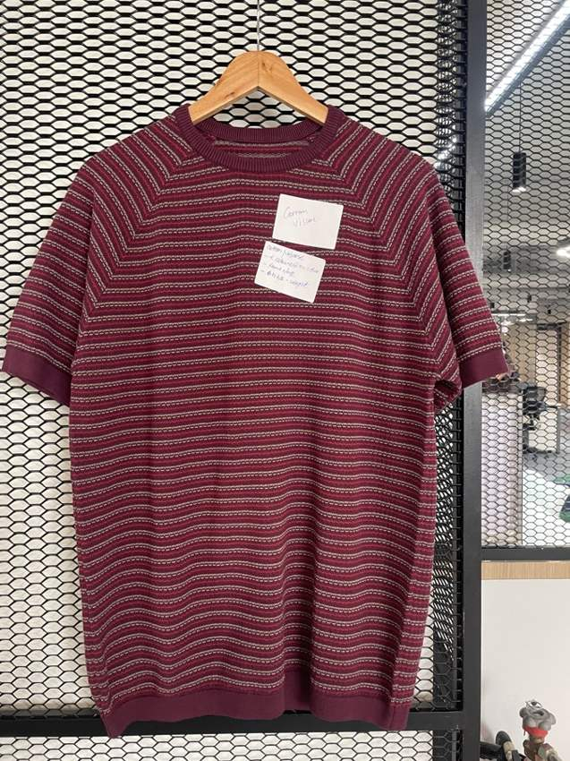 | 400 | Body: TC07 Burgundy Stripe 1: TC01 Off white Stripe 2: TC11 Dusty pink | IMG_8752.jpg | High | Corrected from polo/pinstripe in original workbook to crew-neck raglan striped tee, based on full photo. | Open model board
ST-19-2 | Cotton Viscose | Raglan micro-stripe crew tee | T-shirt | Crew neck | Navy / off white / denim | Fine broken horizontal stripes, chevron raglan shoulders | Burgundy ground with off-white and dusty-pink micro-stripes. Raglan seam changes stripes into chevrons near shoulders. Solid burgundy crew neck, cuffs and hem; no collar or placket. |  | 400 | Body: TC03 Navy Stripe 1: TC01 Off white Stripe 2: TC05 Denim blue | IMG_8752.jpg | High | Corrected from polo/pinstripe in original workbook to crew-neck raglan striped tee, based on full photo. | Open model board

Model Range
MODEL RANGE | 19 styles / 37 colourways / 74 views
Left to right: CW1 front, CW1 back, CW2 front, CW2 back. ST-11 has one front/back pair. All backs are inferred proposals.
Style | Fabric | Colourway 1 | Colourway 2 | Front / Back Torso Model Board
ST-01 | Bamboo Cotton | Olive / off white TC06 / TC01 / TC07 | Navy / off white TC03 / TC01 / TC09 | 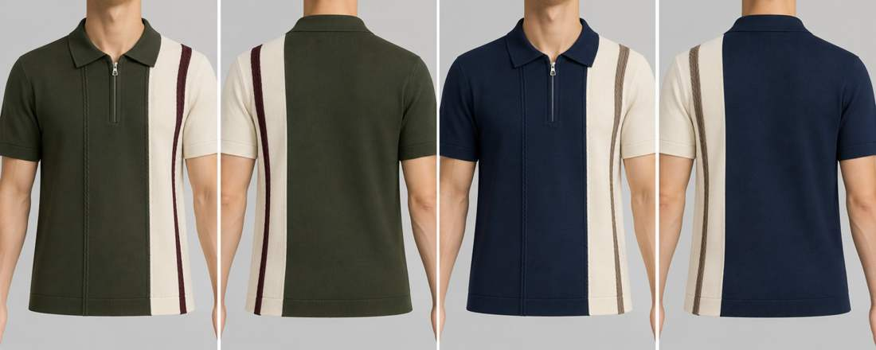
ST-02 | Bamboo Cotton | Taupe TC09 | Denim blue TC05 | 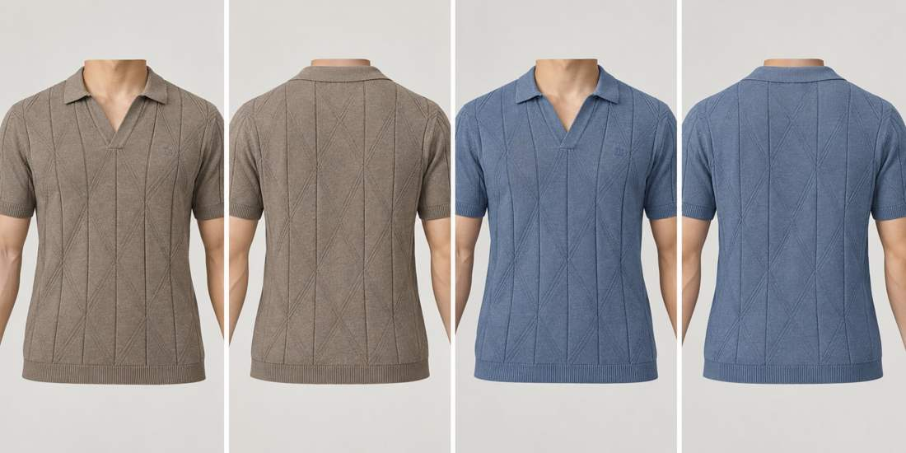
ST-03 | Bamboo Cotton | Off white TC01 | Dusty pink TC11 | 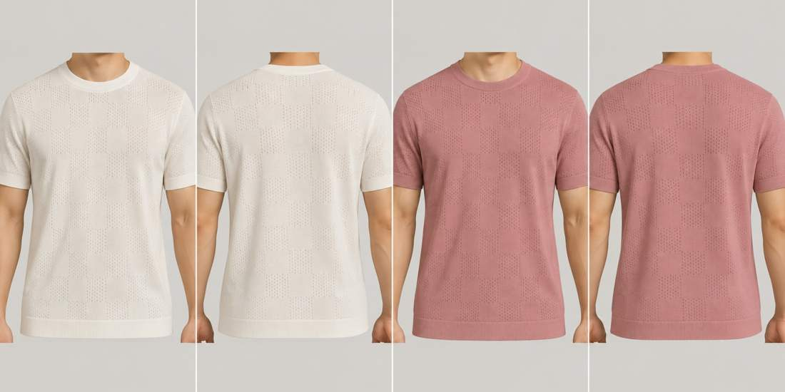
ST-04 | Lyocel Cotton | Rust / off white TC12 / TC01 | Navy / off white TC03 / TC01 | 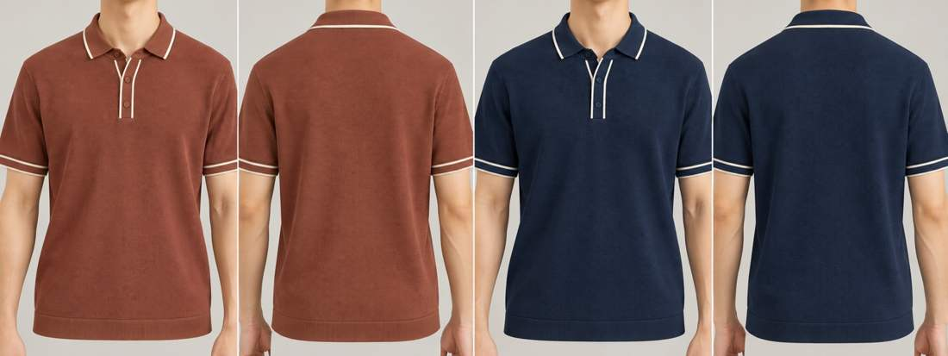
ST-05 | Lyocel Cotton | Off white / chocolate TC01 / TC08 | Taupe / navy TC09 / TC03 | 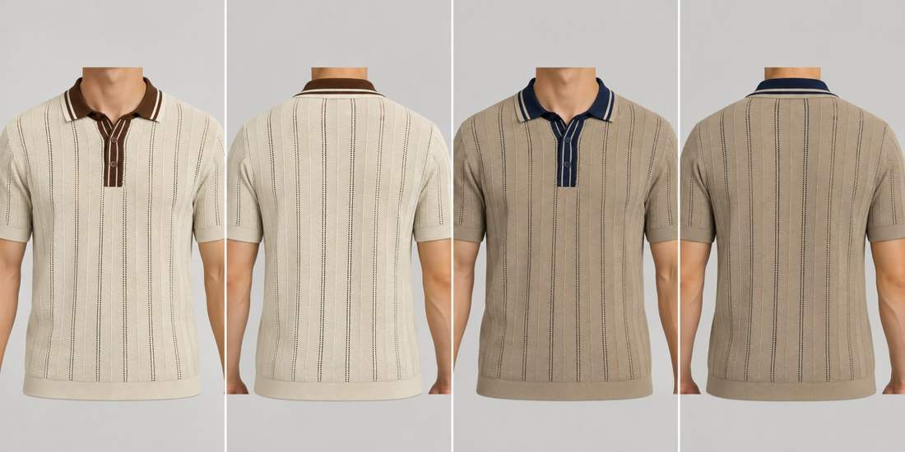
ST-06 | Cotton Linen | Mustard TC10 | Dark olive TC06 | 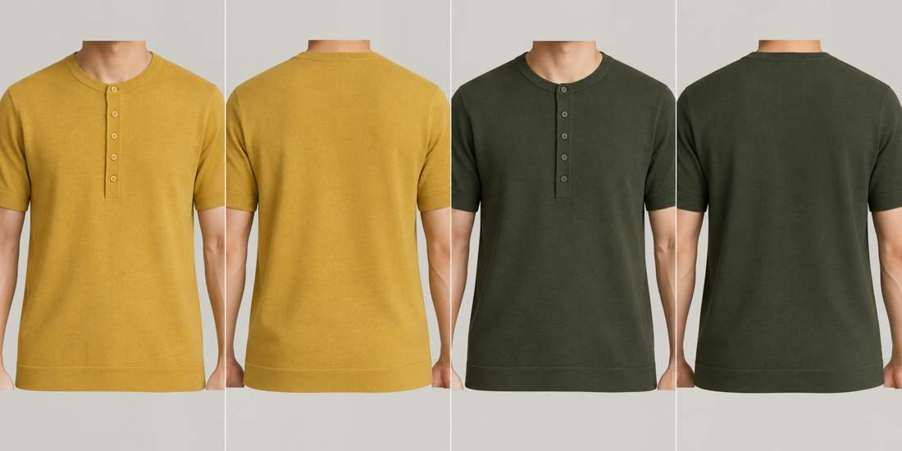
ST-07 | Cotton Linen | Off white / denim / navy TC01 / TC05 / TC03 | Off white / taupe / chocolate TC01 / TC09 / TC08 | 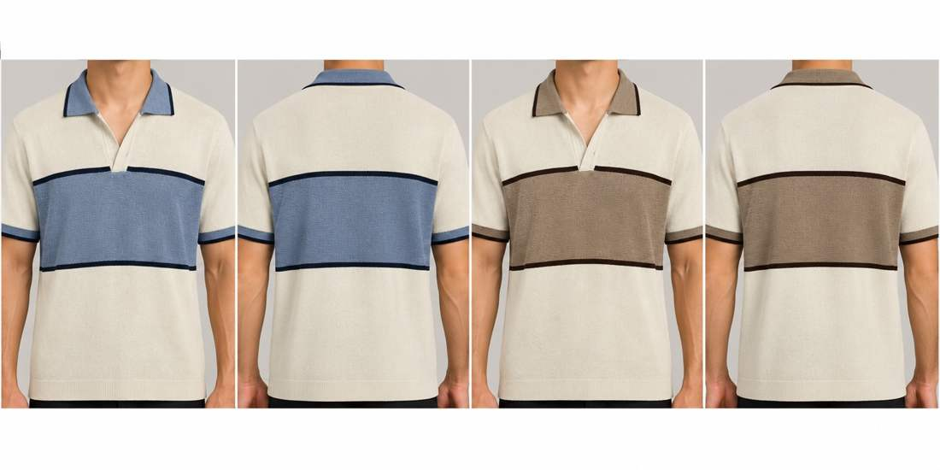
ST-08 | Cotton Linen | Off white TC01 | Denim blue TC05 | 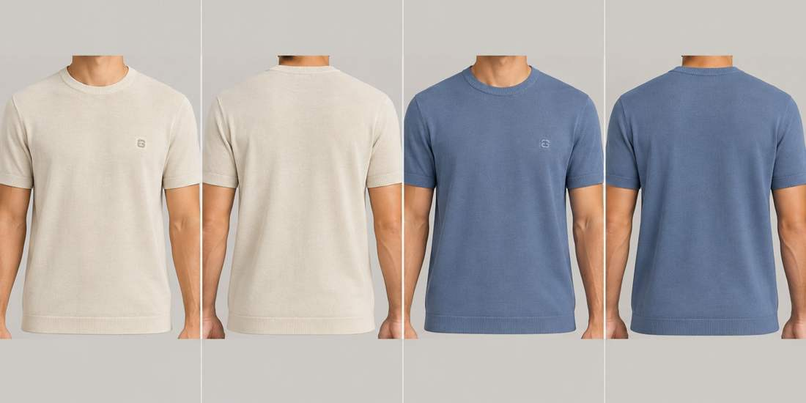
ST-09 | Cotton Viscose Nylon (40/40/20) | Chocolate / off white TC08 / TC01 | Dark olive / off white TC06 / TC01 | 
ST-10 | Cotton Viscose Nylon (40/40/20) | Royal blue / off white TC04 / TC01 | Chocolate / off white TC08 / TC01 | 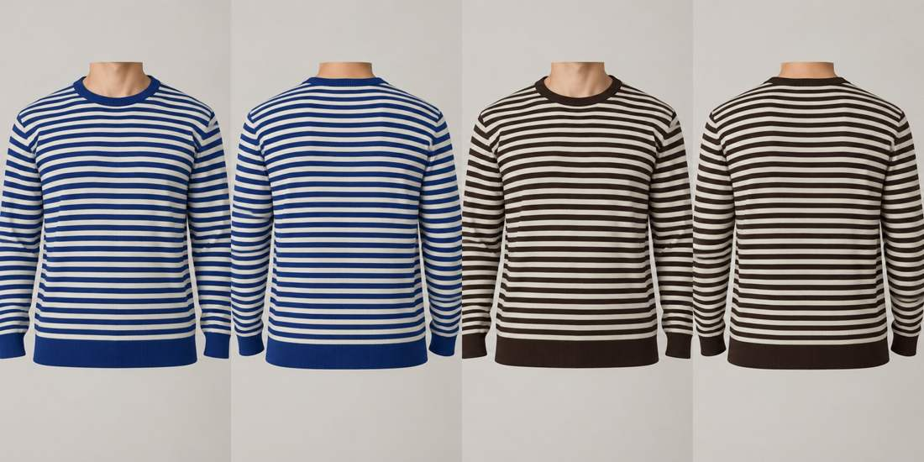
ST-11 | Cotton | Off white / burgundy TC01 / TC07 |  | 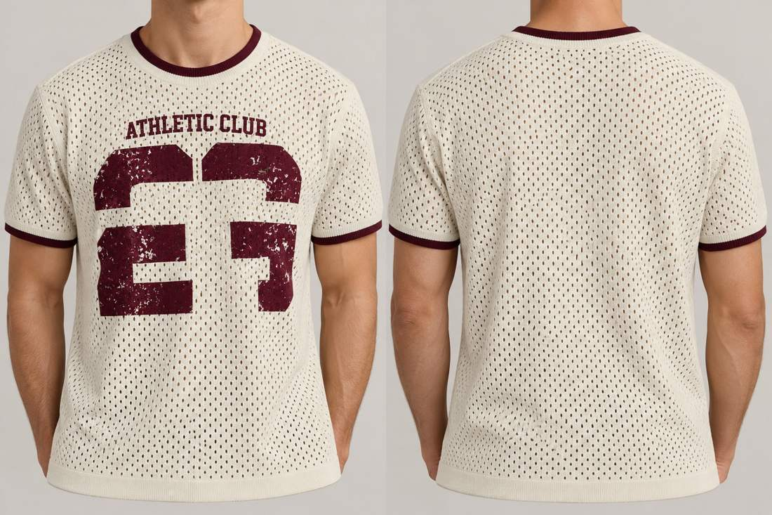
ST-12 | Cotton | White / navy TC02 / TC03 | Off white / chocolate TC01 / TC08 | 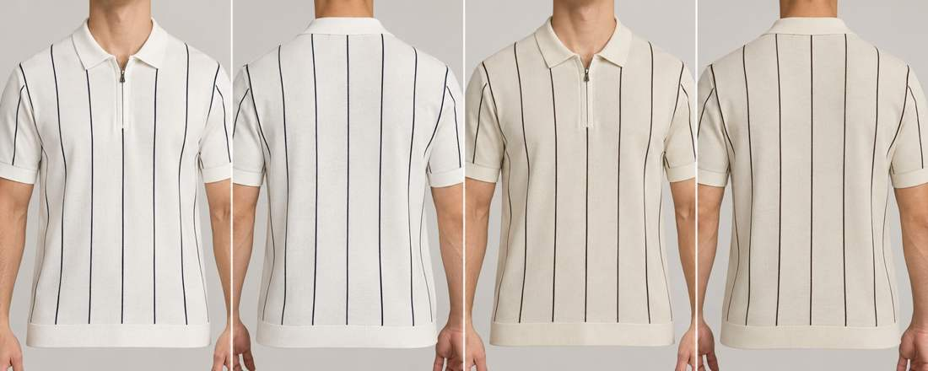
ST-13 | Cotton | Off white / chocolate TC01 / TC08 | Taupe / navy TC09 / TC03 | 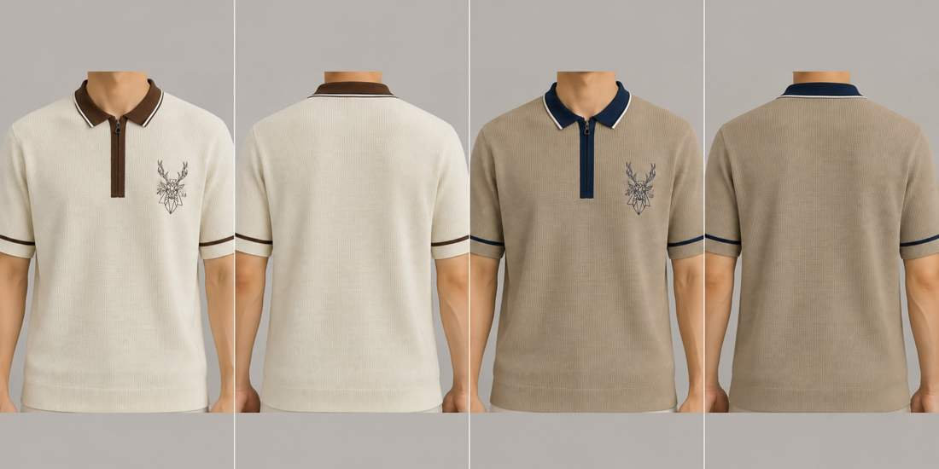
ST-14 | Cotton | Off white / navy / denim TC01 / TC03 / TC05 | Off white / olive / taupe TC01 / TC06 / TC09 | 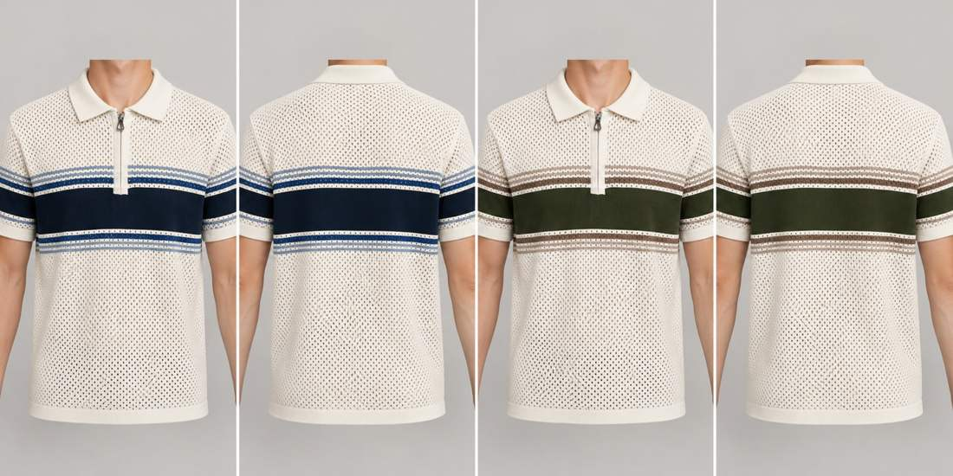
ST-15 | Cotton | Off white / navy / chocolate TC01 / TC03 / TC08 | Off white / olive / taupe TC01 / TC06 / TC09 | 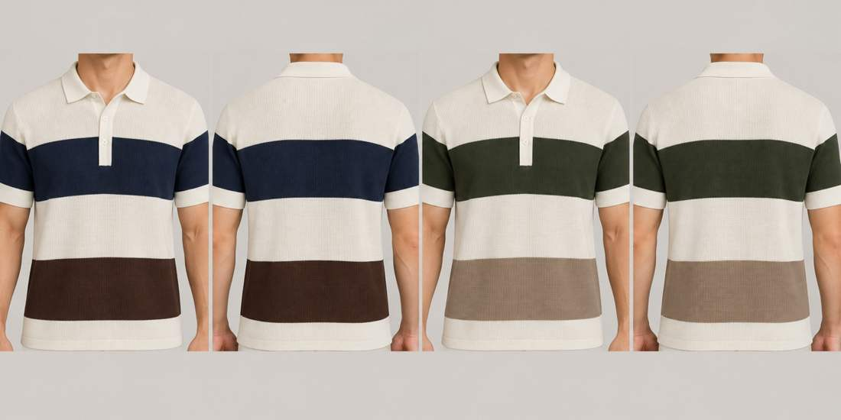
ST-16 | Cotton Viscose | Navy / off white TC03 / TC01 | Taupe / off white TC09 / TC01 | 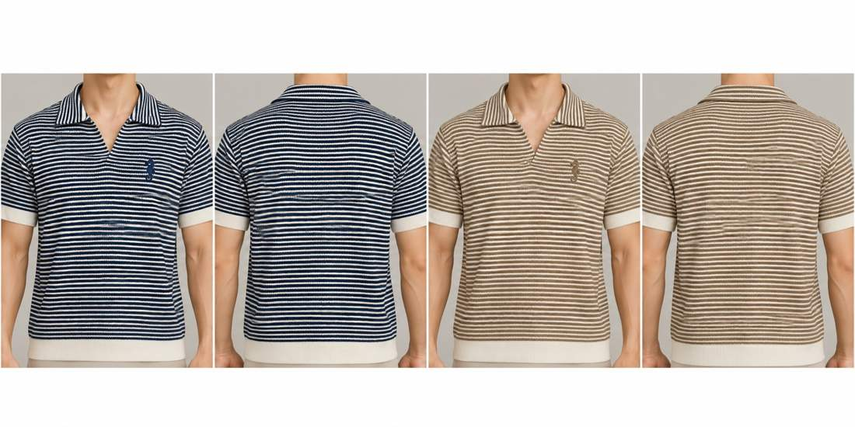
ST-17 | Cotton Viscose | Off white botanical TC01 / TC08 / TC10 / TC06 | Dark olive botanical TC06 / TC01 / TC10 / TC01 | 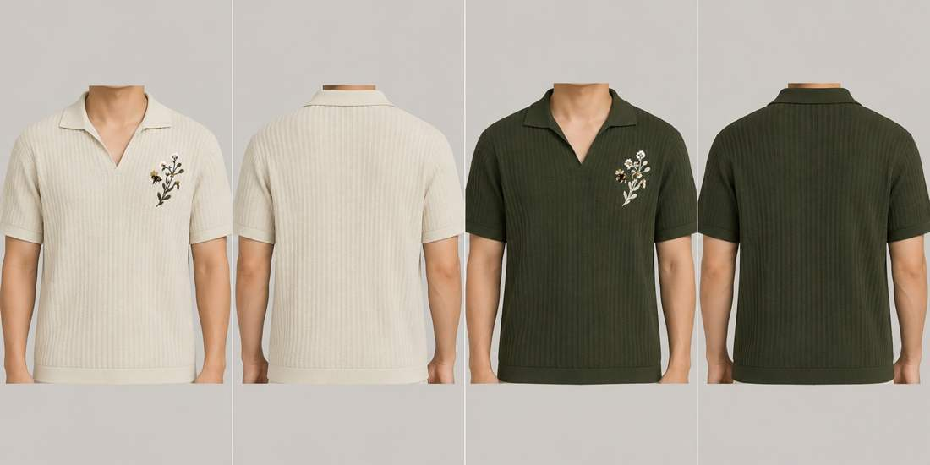
ST-18 | Cotton Viscose | Off white / navy / rust TC01 / TC03 / TC12 | Taupe / chocolate / off white TC09 / TC08 / TC01 | 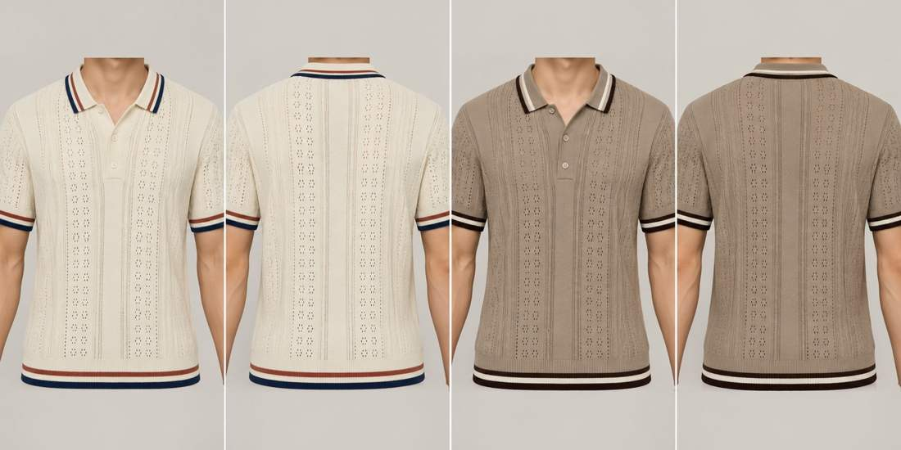
ST-19 | Cotton Viscose | Burgundy / off white / dusty pink TC07 / TC01 / TC11 | Navy / off white / denim TC03 / TC01 / TC05 | 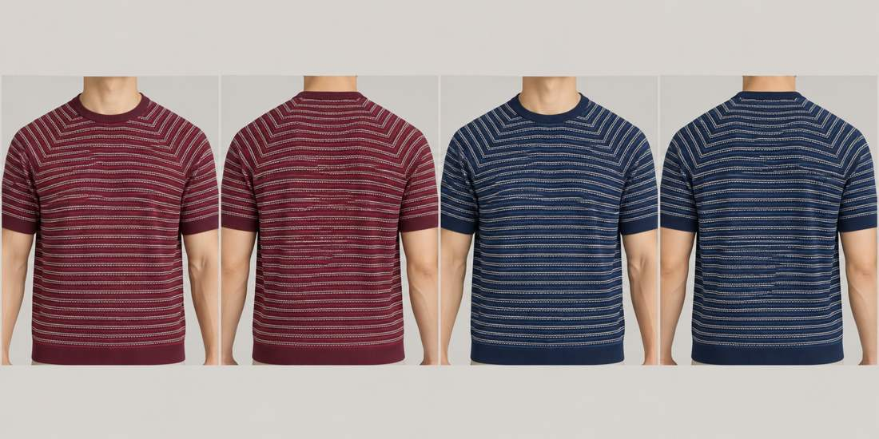

Thread Palette
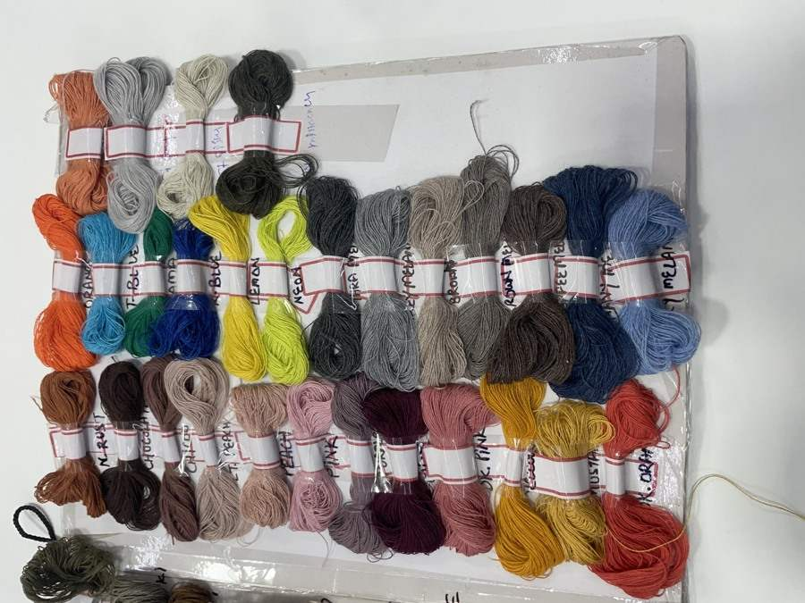
Internal Ref | Descriptive Shade | Screen Approximation | Thread Photo | Physical Skein Location | Important Notes | Available threads — supplied photos
TC01 | Off white | #E5E3D4 | IMG_8684.HEIC | Lower middle row, off-white skein immediately left of white | Internal visual reference only; not a supplier shade number. Match physical yarn before production.
TC02 | White | #F2F2EE | IMG_8684.HEIC | Lower middle row, white skein | Internal visual reference only; not a supplier shade number. Match physical yarn before production.
TC03 | Navy | #192B43 | IMG_8685.HEIC | Main upper row, second skein from right | Internal visual reference only; not a supplier shade number. Match physical yarn before production.
TC04 | Royal blue | #1C3480 | IMG_8685.HEIC | Main upper row, fourth skein from left | Internal visual reference only; not a supplier shade number. Match physical yarn before production.
TC05 | Denim blue | #687F9F | IMG_8685.HEIC | Main upper row, far-right skein | Internal visual reference only; not a supplier shade number. Match physical yarn before production.
TC06 | Dark olive | #343D2B | IMG_8684.HEIC | Lower middle row, far-left skein | Internal visual reference only; not a supplier shade number. Match physical yarn before production.
TC07 | Burgundy | #421025 | IMG_8685.HEIC | Main lower row, deep wine skein between grey-purple and dusty pink | Internal visual reference only; not a supplier shade number. Match physical yarn before production.
TC08 | Chocolate | #302522 | IMG_8685.HEIC | Main lower row, second skein from left | Internal visual reference only; not a supplier shade number. Match physical yarn before production.
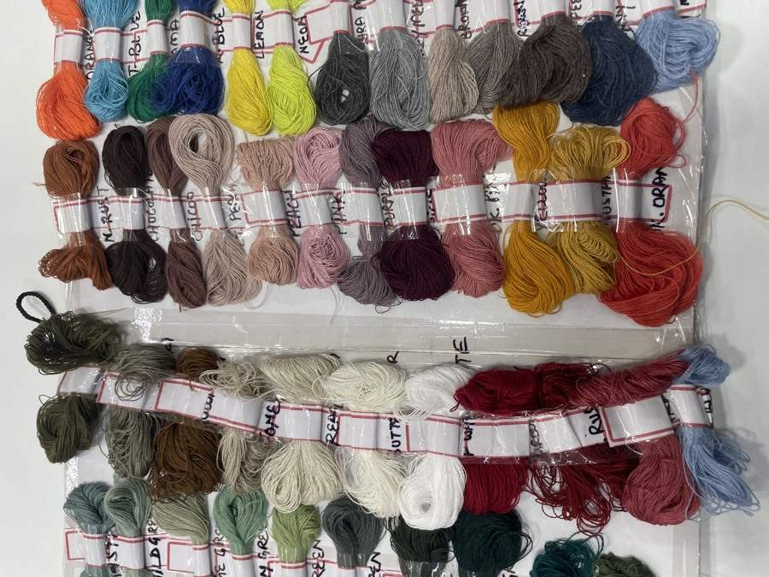
TC09 | Taupe | #A59783 | IMG_8685.HEIC | Main upper row, fourth skein from right | Internal visual reference only; not a supplier shade number. Match physical yarn before production.
TC10 | Mustard | #B18B25 | IMG_8685.HEIC | Main lower row, second skein from right | Internal visual reference only; not a supplier shade number. Match physical yarn before production.
TC11 | Dusty pink | #AA7475 | IMG_8685.HEIC | Main lower row, pink skein immediately right of burgundy | Internal visual reference only; not a supplier shade number. Match physical yarn before production.
TC12 | Rust | #A84636 | IMG_8685.HEIC | Main lower row, far-right skein | Internal visual reference only; not a supplier shade number. Match physical yarn before production.
TC13 | Medium grey | #858985 | IMG_8685.HEIC | Main upper row, grey skein between charcoal and taupe | Internal visual reference only; not a supplier shade number. Match physical yarn before production.

Photo Register
Photo | Assigned Style | Status / Identification | Full Photograph
IMG_8684.jpg | THREAD CARD | Palette source
IMG_8685.jpg | THREAD CARD | Palette source
IMG_8735.jpg | ST-03 | Medium-high — Floral pointelle crew tee
IMG_8736.jpg | UNASSIGNED | Additional reference — Plain white knit crew tee; not assigned to a second style without evidence | 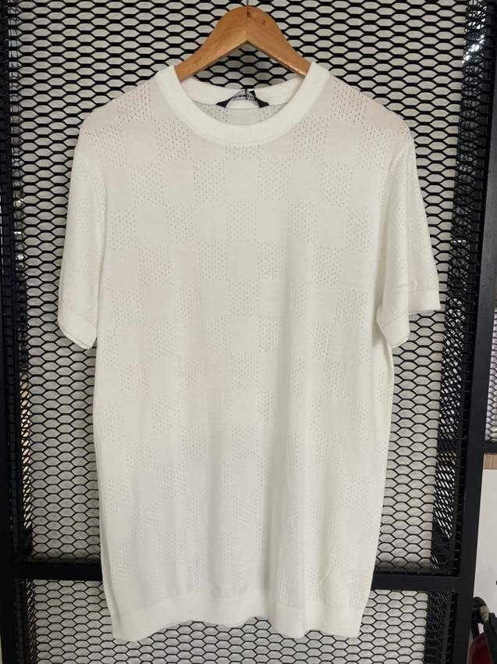
IMG_8737.jpg | UNASSIGNED | Additional reference — Taupe waffle polo; additional silhouette, not ST-09 tipped polo | 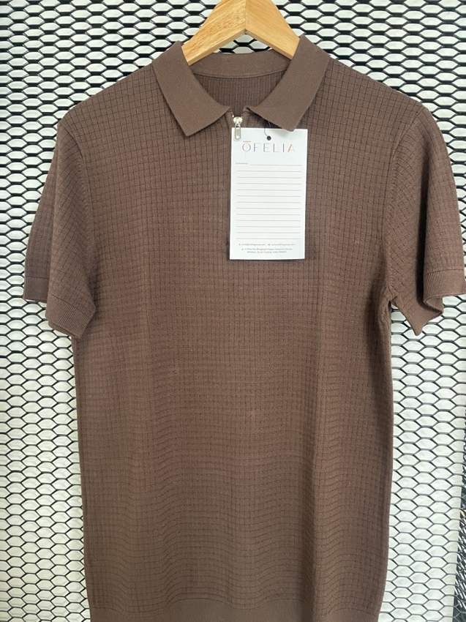
IMG_8738.jpg | UNASSIGNED | Additional reference — Red quarter-zip waffle polo; additional silhouette | 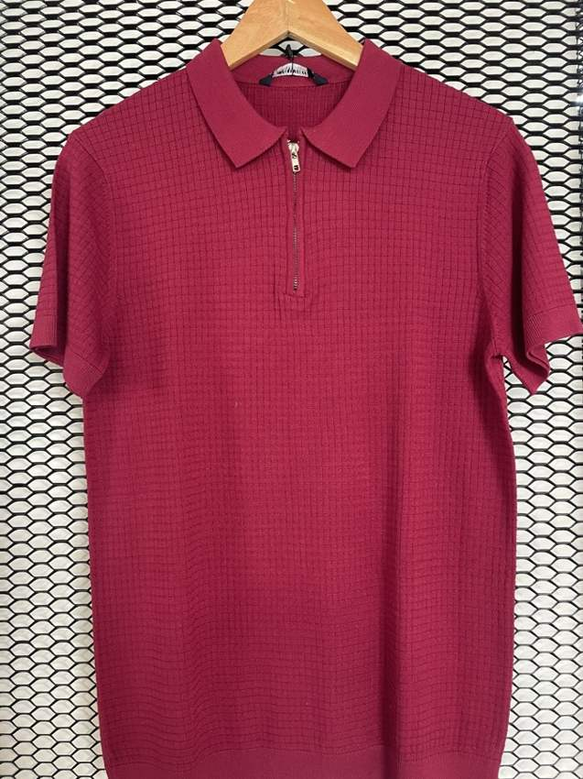
IMG_8739.jpg | ST-08 | High — Essential fine-knit crew tee
IMG_8740.jpg | ST-06 | High — Five-button knit henley
IMG_8741.jpg | ST-07 | High — Chest-block open-neck polo
IMG_8742.jpg | UNASSIGNED | Additional reference — Denim-blue polo with off-white collar and placket; additional silhouette | 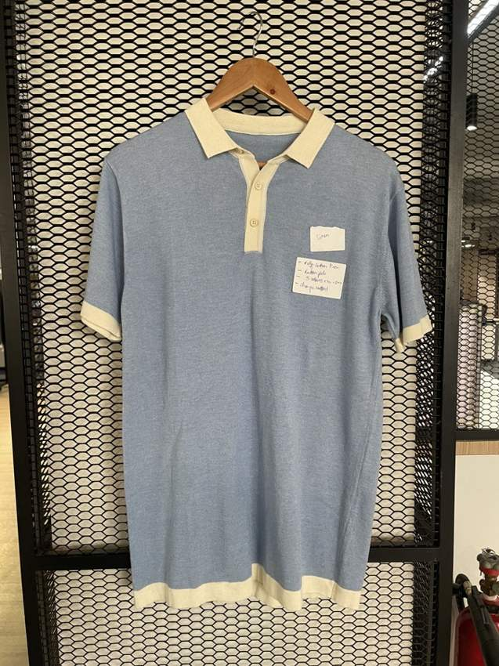
IMG_8743.jpg | ST-09 | High — Tipped fine-knit polo
IMG_8744.jpg | ST-18 | High — Pointelle tipped knit polo
IMG_8745.jpg | ST-13 | High — Contrast zip stag polo
IMG_8746.jpg | ST-17 | High — Botanical rib resort polo
IMG_8747.jpg | ST-15 | High — Three-band waffle polo
IMG_8748.jpg | UNASSIGNED | Additional reference — Grey large-diamond crew tee; additional silhouette | 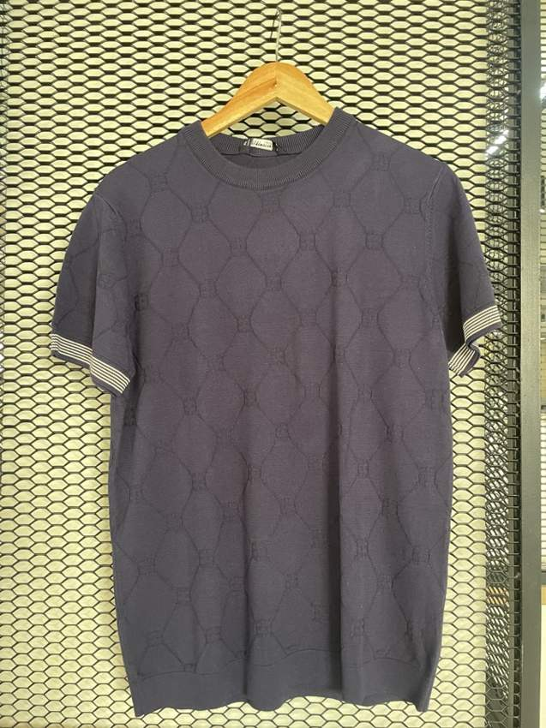
IMG_8749.jpg | ST-11 | Provisional — Athletic mesh graphic tee
IMG_8750.jpg | ST-10 | High — Breton stripe long-sleeve crew
IMG_8751.jpg | UNASSIGNED | Additional reference — Plain beige crew tee; possible essential tee alternative, not a unique catalogue style | 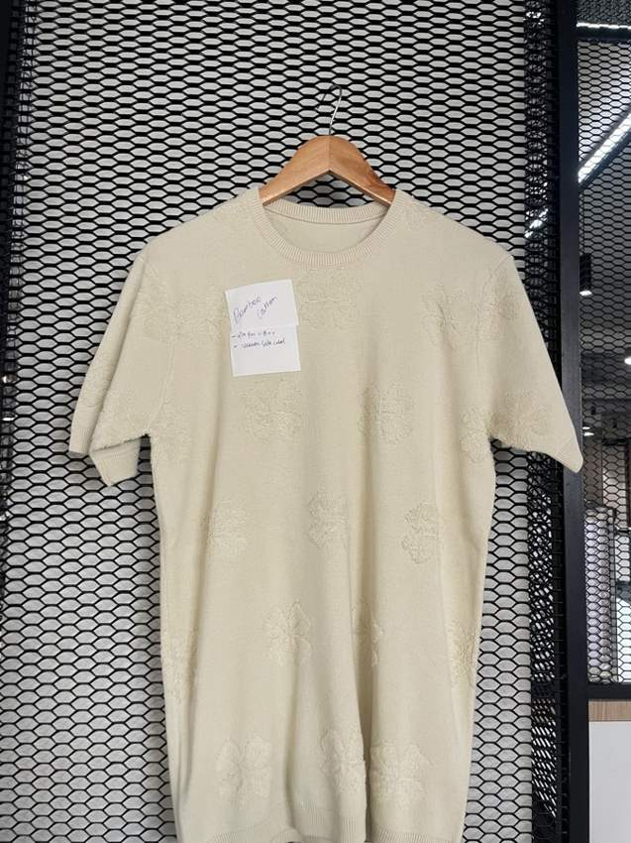
IMG_8752.jpg | ST-19 | High — Raglan micro-stripe crew tee
IMG_8753.jpg | ST-05 | High — Open-knit striped-placket polo
IMG_8754.jpg | ST-04 | High — Contrast piping knit polo
IMG_8755.jpg | ST-14 | High — Mesh chest-stripe zip polo
IMG_8756.jpg | ST-16 | High — Fine stripe open-neck polo
IMG_8757.jpg | ST-01 | High — Asymmetric cable zip polo
IMG_8758.jpg | UNASSIGNED | Additional reference — Black/off-white multi-stripe crew tee; differs from ST-10 even Breton stripe | 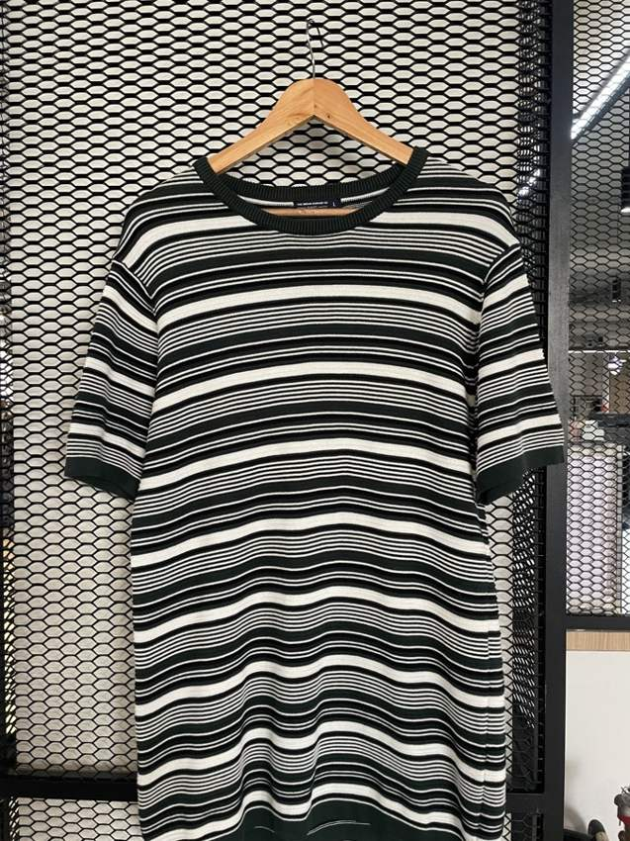
IMG_8759.jpg | ST-02 | High — Diamond textured open-neck polo
IMG_8760.jpg | ST-12 | High — Vertical pinstripe zip polo

Original Catalog
Style ID | Fabric Content | Style Description | Type | Neck / Closure | Main Colour | Pattern / Texture | Details | Photo
ST-01-1 | Bamboo Cotton | Dark green zip polo with contrast sleeve panel | Polo | Quarter zip | Dark green / cream | Plain knit with cable detail | Cream side & sleeve panel, maroon stripe, cable trim on placket | 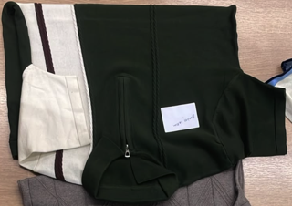 | 400
ST-01-2 | Bamboo Cotton | Dark green zip polo with contrast sleeve panel | Polo | Quarter zip | Dark green / cream | Plain knit with cable detail | Cream side & sleeve panel, maroon stripe, cable trim on placket |  | 400
ST-02-1 | Bamboo Cotton | Taupe diamond-textured knit polo | Polo | Collar, button/placket | Taupe brown | Diamond / argyle jacquard | Ribbed cuffs and hem, small logo |  | 400
ST-02-2 | Bamboo Cotton | Taupe diamond-textured knit polo | Polo | Collar, button/placket | Taupe brown | Diamond / argyle jacquard | Ribbed cuffs and hem, small logo |  | 400
ST-03-1 | Bamboo Cotton | Ivory floral jacquard tee | T-shirt | Crew neck | Ivory / cream | Tonal floral jacquard | Ribbed neck and cuffs |  | 400
ST-03-2 | Bamboo Cotton | Ivory floral jacquard tee | T-shirt | Crew neck | Ivory / cream | Tonal floral jacquard | Ribbed neck and cuffs |  | 400
ST-04-1 | Lyocel Cotton | Rust brown piqué polo with white piping | Polo | Collar, 2-button placket | Rust brown | Piqué | White piping on collar, placket and sleeve | 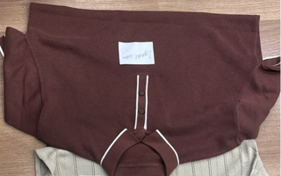 | 400
ST-04-2 | Lyocel Cotton | Rust brown piqué polo with white piping | Polo | Collar, 2-button placket | Rust brown | Piqué | White piping on collar, placket and sleeve |  | 400
ST-05-1 | Lyocel Cotton | Beige herringbone open-knit polo | Polo | Collar, button placket | Beige | Herringbone pointelle / open knit | Brown & white striped placket and collar |  | 400
ST-05-2 | Lyocel Cotton | Beige herringbone open-knit polo | Polo | Collar, button placket | Beige | Herringbone pointelle / open knit | Brown & white striped placket and collar |  | 400
ST-06-1 | Cotton Linen | Mustard henley | Henley | Crew neck, 5-button placket | Mustard yellow | Plain knit | Self-colour buttons, rib neck | 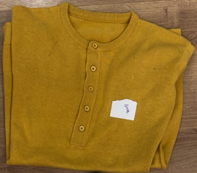 | 400
ST-06-2 | Cotton Linen | Mustard henley | Henley | Crew neck, 5-button placket | Mustard yellow | Plain knit | Self-colour buttons, rib neck |  | 400
ST-07-1 | Cotton Linen | Blue & cream colour-block polo | Polo | Collar, half placket | Cream / blue | Colour-block, textured blue panel | Navy piping, blue collar and sleeve edge |  | 400
ST-07-2 | Cotton Linen | Blue & cream colour-block polo | Polo | Collar, half placket | Cream / blue | Colour-block, textured blue panel | Navy piping, blue collar and sleeve edge |  | 400
ST-08 | Cotton Linen | Ecru crew-neck tee | T-shirt | Crew neck | Ecru / cream | Plain fine knit | Small logo embroidery on sleeve |  | 400
ST-08 | Cotton Linen | Ecru crew-neck tee | T-shirt | Crew neck | Ecru / cream | Plain fine knit | Small logo embroidery on sleeve |  | 400
ST-09-1 | Cotton Viscose Nylon (40/40/20) | Dark brown polo with white tipping | Polo | Collar, button placket | Dark brown | Plain textured knit | White tipped collar and sleeve cuff |  | 400
ST-09-2 | Cotton Viscose Nylon (40/40/20) | Dark brown polo with white tipping | Polo | Collar, button placket | Dark brown | Plain textured knit | White tipped collar and sleeve cuff |  | 400
ST-10-1 | Cotton Viscose Nylon (40/40/20) | Blue & white striped tee | T-shirt | Crew neck | Royal blue / white | Horizontal stripe | Contrast royal blue rib neck | 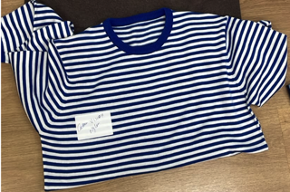 | 400
ST-10-2 | Cotton Viscose Nylon (40/40/20) | Blue & white striped tee | T-shirt | Crew neck | Royal blue / white | Horizontal stripe | Contrast royal blue rib neck |  | 400
ST-11 | Cotton | Athletic Club mesh tee with distressed graphic | T-shirt | Crew neck | Cream / maroon | Mesh with large distressed print | 'Athletic Club' graphic, contrast trim |  | 400
ST-12-1 | Cotton | White pinstripe quarter-zip polo | Polo | Quarter zip | White / navy | Pinstripe | Navy and grey stripes |  | 400
ST-12-2 | Cotton | White pinstripe quarter-zip polo | Polo | Quarter zip | White / navy | Pinstripe | Navy and grey stripes |  | 400
ST-13-1 | Cotton | Ecru polo with brown zip placket | Polo | Quarter zip | Ecru / brown | Plain knit | Brown zip placket, tipped collar, logo embroidery |  | 400
ST-13-2 | Cotton | Ecru polo with brown zip placket | Polo | Quarter zip | Ecru / brown | Plain knit | Brown zip placket, tipped collar, logo embroidery |  | 400
ST-14-1 | Cotton | White mesh quarter-zip with navy stripes | Polo | Quarter zip | White / navy / blue | Mesh with bold stripes | Navy and blue stripe band |  | 400
ST-14-2 | Cotton | White mesh quarter-zip with navy stripes | Polo | Quarter zip | White / navy / blue | Mesh with bold stripes | Navy and blue stripe band |  | 400
ST-15-1 | Cotton | Navy & white colour-block waffle polo | Polo | Collar, button placket | Navy / white | Waffle texture, colour-block | Contrast navy panel |  | 400
ST-15-2 | Cotton | Navy & white colour-block waffle polo | Polo | Collar, button placket | Navy / white | Waffle texture, colour-block | Contrast navy panel |  | 400
ST-16-1 | Cotton Viscose | Navy & white | Polo | Collar, button placket | Navy / white | Fine horizontal stripe | White rib trim, embroidered logo |  | 400
ST-16-2 | Cotton Viscose | BEIGE & white | Polo | Collar, button placket | BEIGE & white | Fine horizontal stripe | White rib trim, embroidered logo |  | 400
ST-17-1 | Cotton Viscose | Cream rib knit with floral embroidery | Polo | Collar, placket | Cream | Textured rib knit | Botanical flower & bee embroidery |  | 400
ST-17-2 | Cotton Viscose | Cream rib knit with floral embroidery | Polo | Collar, placket | Cream | Textured rib knit | Botanical flower & bee embroidery |  | 400
ST-18-1 | Cotton Viscose | Cream pointelle polo with striped collar | Polo | Collar, button placket | Cream | Pointelle / eyelet knit | Navy, red & white striped collar |  | 400
ST-18-2 | Cotton Viscose | Cream pointelle polo with striped collar | Polo | Collar, button placket | Cream | Pointelle / eyelet knit | Navy, red & white striped collar |  | 400
ST-19-1 | Cotton Viscose | Burgundy pinstripe knit polo | Polo | Collar | Burgundy | Fine pinstripe knit | Ribbed trim |  | 400
ST-19-2 | Cotton Viscose | Burgundy pinstripe knit polo | Polo | Collar | Burgundy | Fine pinstripe knit | Ribbed trim |  | 400

