Style Catalog
Style ID / Colourway | Fabric Content | Type | Neck / Closure | Colour Names | Pattern / Texture | Final Details | Final Render | Original J Value (unit unspecified) | Fit
ST-01-1 | Bamboo Cotton | Polo | Quarter zip | Dark Olive / Off White / Burgundy | Fine knit with cable accents | Contrast side panel and sleeve; narrow cable stripe; zip closure. | 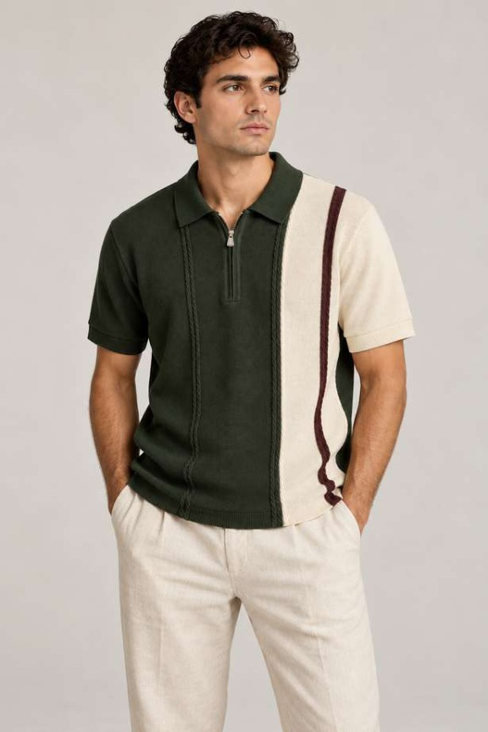 | 400 | Slim Fit
ST-01-2 | Bamboo Cotton | Polo | Quarter zip | Denim Blue / Off White / Navy | Fine knit with cable accents | Contrast side panel and sleeve; narrow cable stripe; zip closure. | 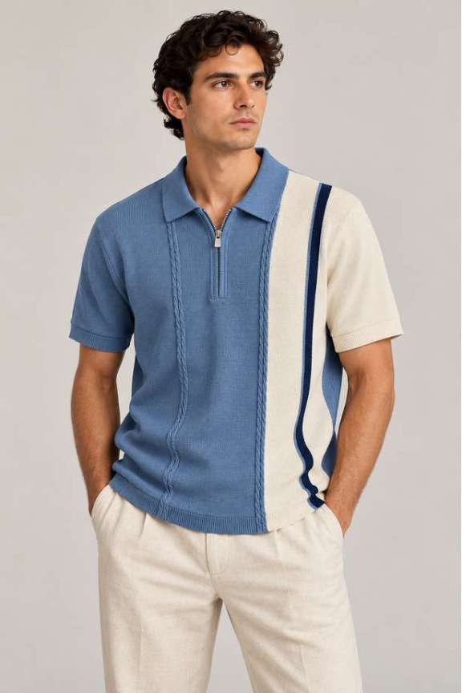 | 400 | Slim Fit
ST-02-1 | Bamboo Cotton | Polo | Open V placket | Classic Beige | Large diamond knit | Self-colour collar, ribbed cuffs and hem; tonal chest emblem. | 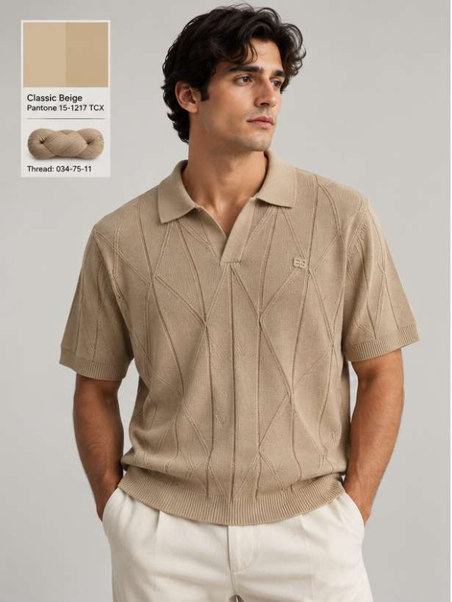 | 400 | Slim Fit
ST-02-2 | Bamboo Cotton | Polo | Open V placket | Grounded Green | Large diamond knit | Self-colour collar, ribbed cuffs and hem; tonal chest emblem. | 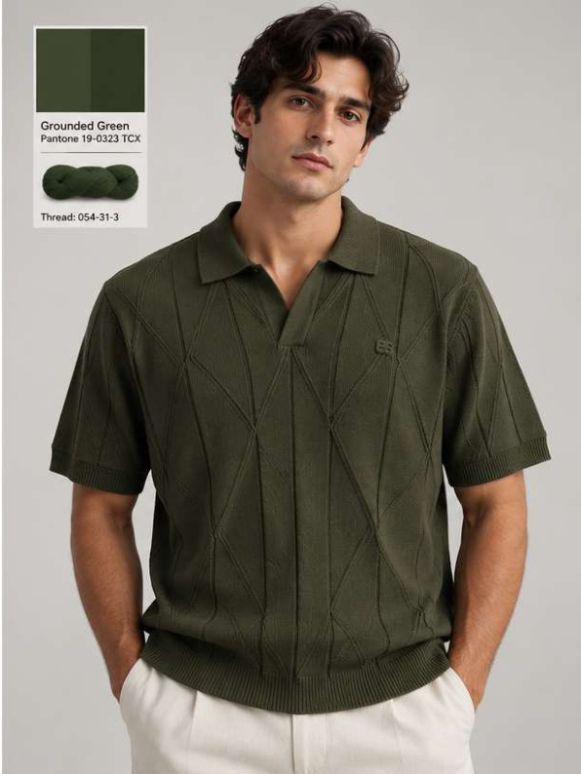 | 400 | Slim Fit
ST-03-1 | Bamboo Cotton | T-shirt | Crew neck | Classic Beige / Bright White | Floral jacquard | Large tonal floral motifs, rib neck, cuffs and hem. | 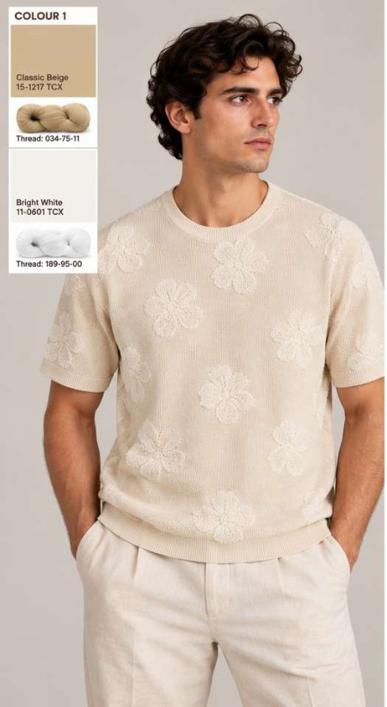 | 400 | Relaxed Fit
ST-03-2 | Bamboo Cotton | T-shirt | Crew neck | Eucalyptus / Natural Cotton | Floral jacquard | Large tonal floral motifs, rib neck, cuffs and hem. | 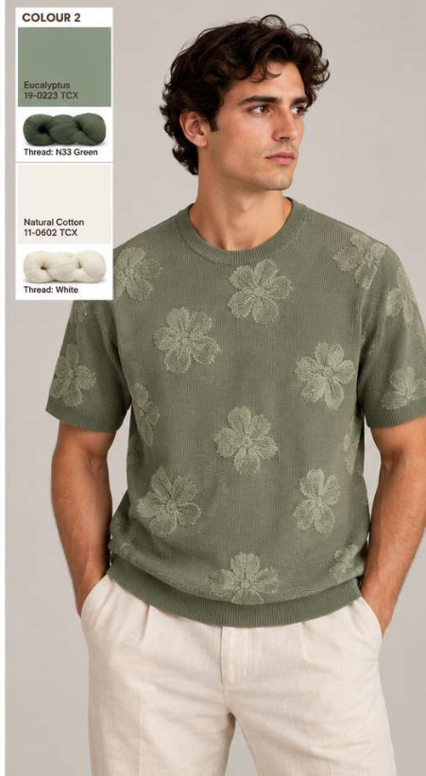 | 400 | Relaxed Fit
ST-04-1 | Lyocel Cotton | Polo | Button placket | Earthy Brown / Natural Cotton | Fine textured knit | Natural-cotton piping around collar, placket and sleeve edges. | 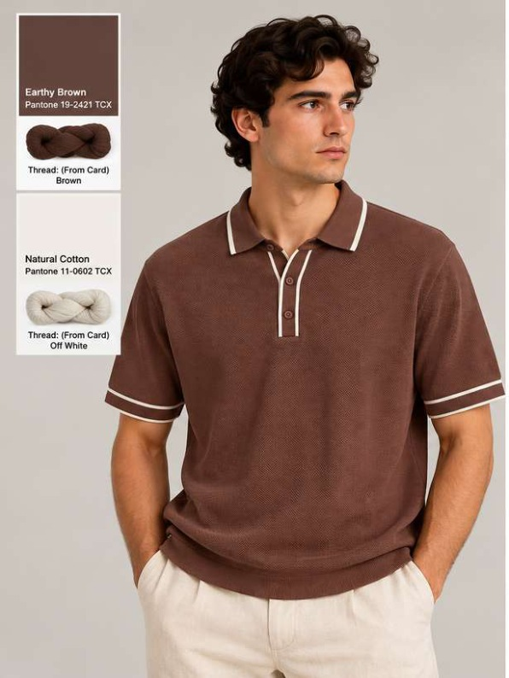 | 400 | Slim Fit
ST-04-2 | Lyocel Cotton | Polo | Button placket | Classic Navy / Natural Cotton | Fine textured knit | Natural-cotton piping around collar, placket and sleeve edges. | 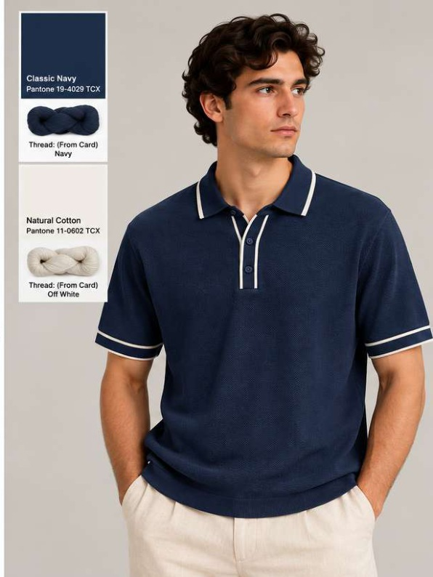 | 400 | Slim Fit
ST-05-1 | Lyocel Cotton | Polo | Button placket | Natural Cotton / Chocolate Brown | Vertical textured / open knit | Contrast striped collar and placket; ribbed cuffs and hem. | 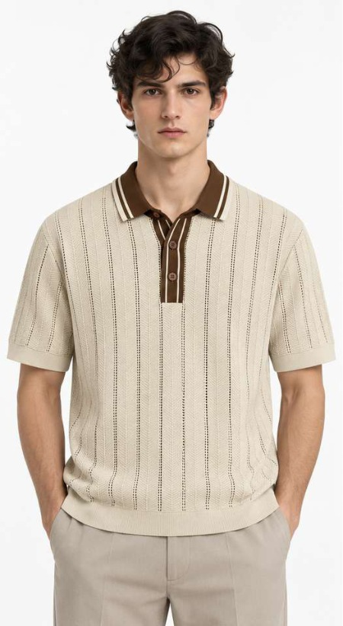 | 400 | Slim Fit
ST-05-2 | Lyocel Cotton | Polo | Button placket | Burgundy / Natural Cotton | Vertical textured / open knit | Contrast striped collar and placket; ribbed cuffs and hem. | 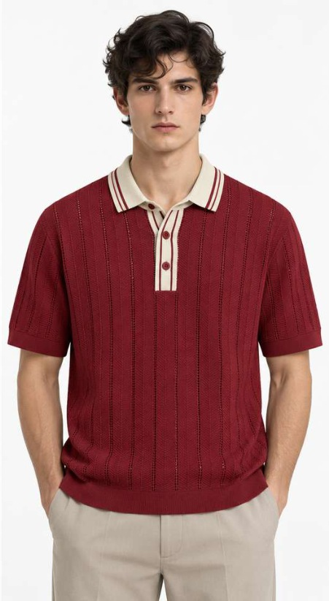 | 400 | Slim Fit
ST-08-1 | Cotton Linen | T-shirt | Crew neck | Natural Cotton | Plain fine knit | Small tonal chest emblem; self-colour rib neck, cuffs and hem. | 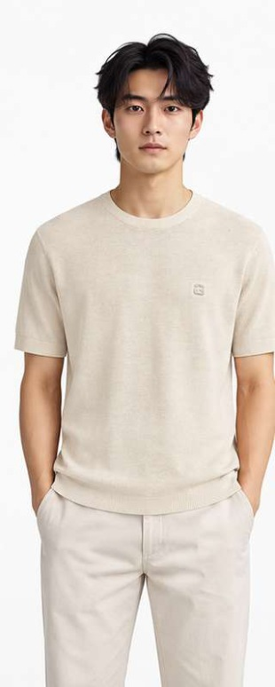 | 400 | Slim Fit
ST-08-2 | Cotton Linen | T-shirt | Crew neck | Black | Plain fine knit | Small tonal chest emblem; self-colour rib neck, cuffs and hem. | 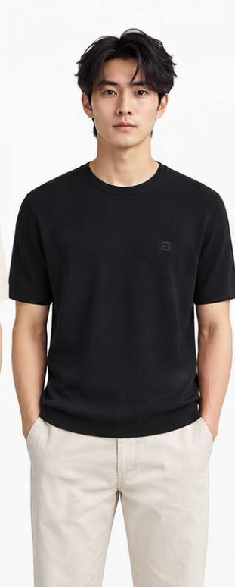 | 400 | Slim Fit
ST-08-3 | Cotton Linen | T-shirt | Crew neck | Navy | Plain fine knit | Small tonal chest emblem; self-colour rib neck, cuffs and hem. | 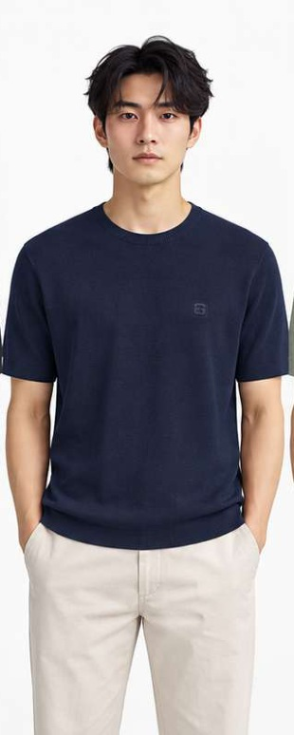 |  | Slim Fit
ST-08-4 | Cotton Linen | T-shirt | Crew neck | Sage Green | Plain fine knit | Small tonal chest emblem; self-colour rib neck, cuffs and hem. | 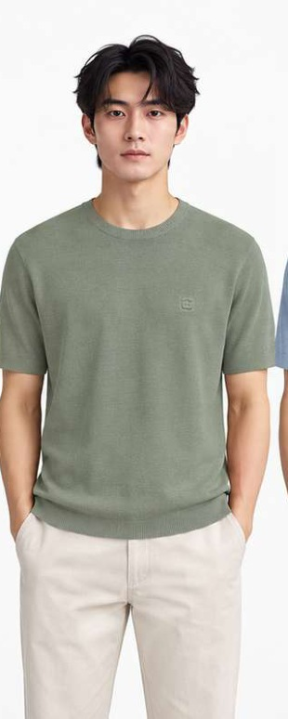 |  | Slim Fit
ST-08-5 | Cotton Linen | T-shirt | Crew neck | Powder Blue | Plain fine knit | Small tonal chest emblem; self-colour rib neck, cuffs and hem. | 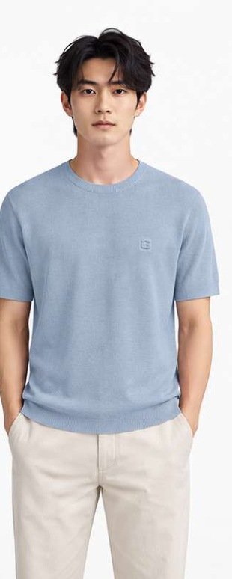 |  | Slim Fit
ST-20-1 | Cotton Linen | Polo | Button placket | Powder Blue / Off White | Plain fine knit | Off-white collar, placket, cuffs and hem against coloured body. | 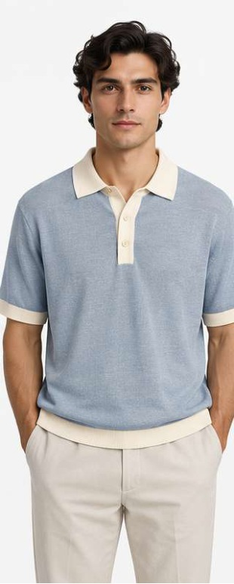 |  | Slim Fit
ST-20-2 | Cotton Linen | Polo | Button placket | Dusty Rose / Off White | Plain fine knit | Off-white collar, placket, cuffs and hem against coloured body. | 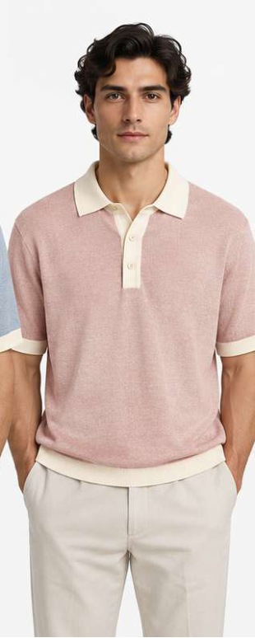 |  | Slim Fit
ST-20-3 | Cotton Linen | Polo | Button placket | Sage Green / Off White | Plain fine knit | Off-white collar, placket, cuffs and hem against coloured body. | 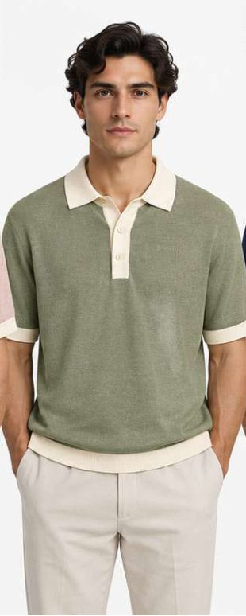 |  | Slim Fit
ST-20-4 | Cotton Linen | Polo | Button placket | Navy / Off White | Plain fine knit | Off-white collar, placket, cuffs and hem against coloured body. | 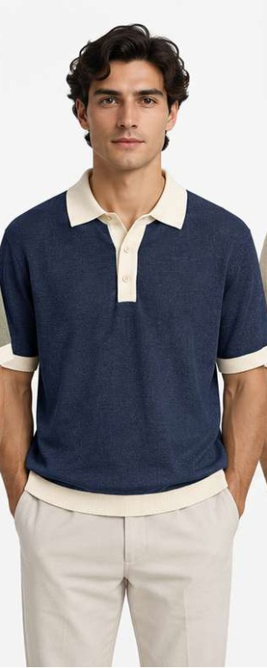 |  | Slim Fit
ST-20-5 | Cotton Linen | Polo | Button placket | Oatmeal / Off White | Plain fine knit | Off-white collar, placket, cuffs and hem against coloured body. | 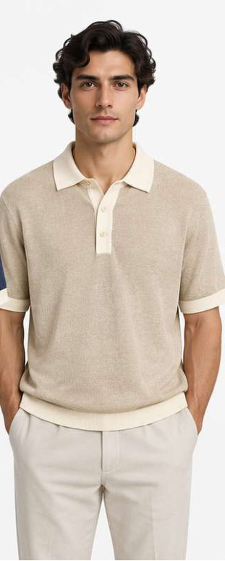 |  | Slim Fit
ST-07-1 | Cotton Linen | Polo | Open V placket | Natural Cotton / Denim Blue / Navy | Textured horizontal chest block | Contrast chest panel and collar with narrow piping above and below panel. | 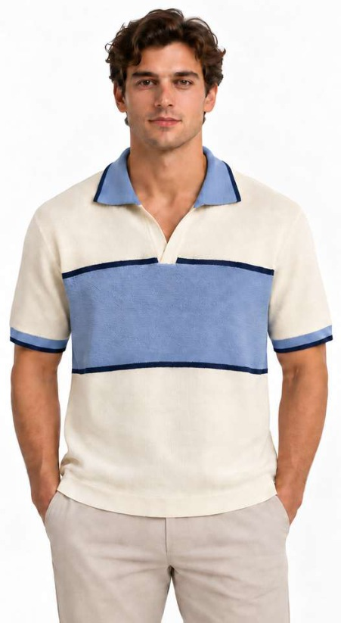 | 400 | Slim Fit
ST-07-2 | Cotton Linen | Polo | Open V placket | Butter Yellow / Natural Cotton / Burgundy | Textured horizontal chest block | Contrast chest panel and collar with narrow piping above and below panel. | 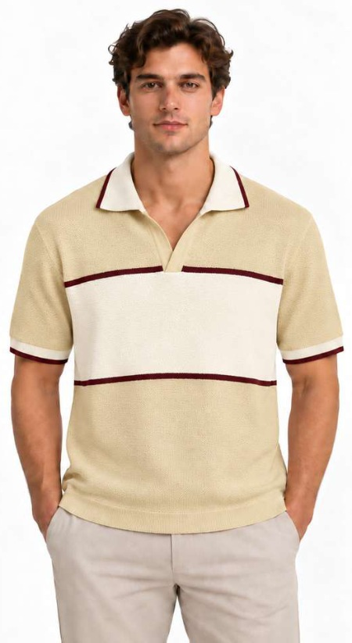 | 400 | Slim Fit
ST-09-1 | Cotton Viscose Nylon | Polo | Button placket | Navy / Off White | Tonal textured knit | Fine off-white collar and cuff tipping. | 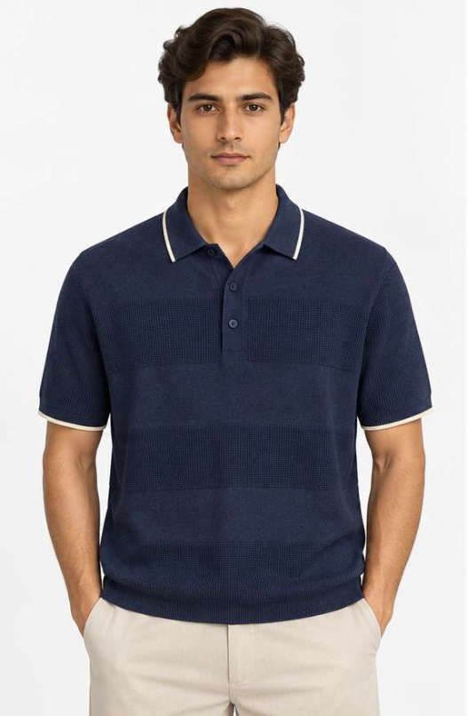 | 400 | Slim Fit
ST-09-2 | Cotton Viscose Nylon | Polo | Button placket | Rust / Off White | Tonal textured knit | Fine off-white collar and cuff tipping. | 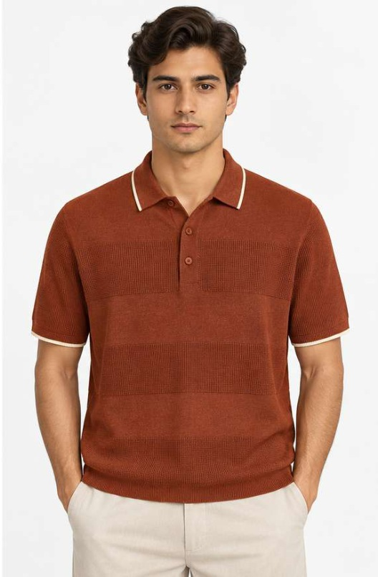 | 400 | Slim Fit
ST-10-1 | Cotton Viscose Nylon | T-shirt | Crew neck | Off White / Denim Blue | Horizontal stripe | Long sleeves; alternating coloured and off-white stripes with ribbed neck, cuffs and hem. | 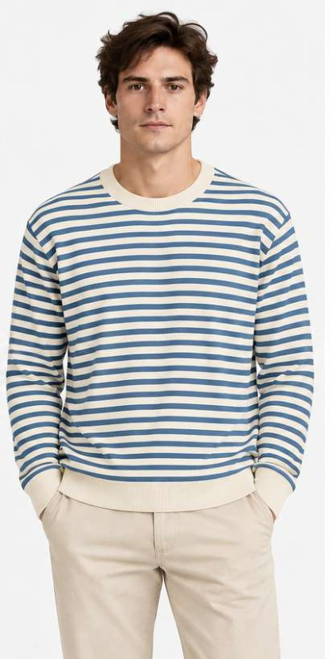 | 400 | Slim Fit
ST-10-2 | Cotton Viscose Nylon | T-shirt | Crew neck | Off White / Rust | Horizontal stripe | Long sleeves; alternating coloured and off-white stripes with ribbed neck, cuffs and hem. | 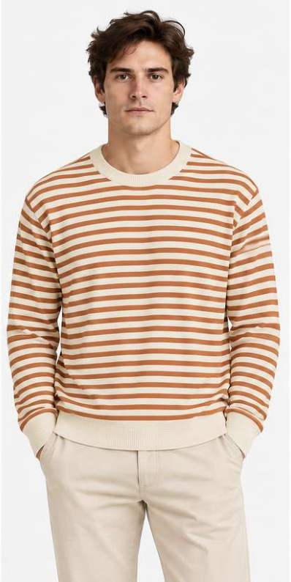 | 400 | Slim Fit
ST-10-3 | Cotton Viscose Nylon | T-shirt | Crew neck | Off White / Olive Green | Horizontal stripe | Long sleeves; alternating coloured and off-white stripes with ribbed neck, cuffs and hem. | 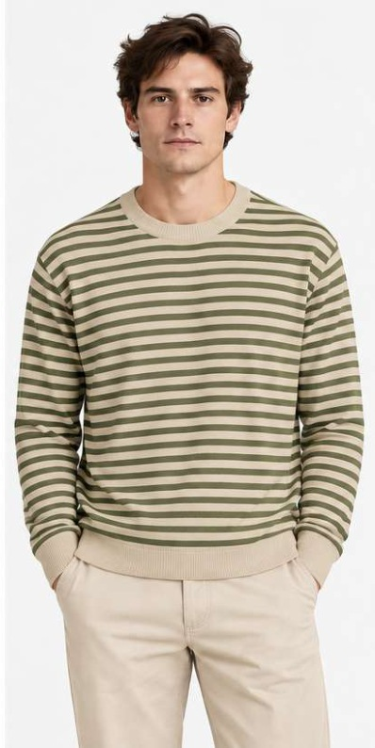 |  | Slim Fit
ST-11-1 | 100% Cotton | T-shirt | V neck | Natural Cotton / Burgundy | Open mesh with graphic and badge | Burgundy V-neck trim and sleeve/shoulder stripes; small front chest badge; large Athletic Club graphic on back. | 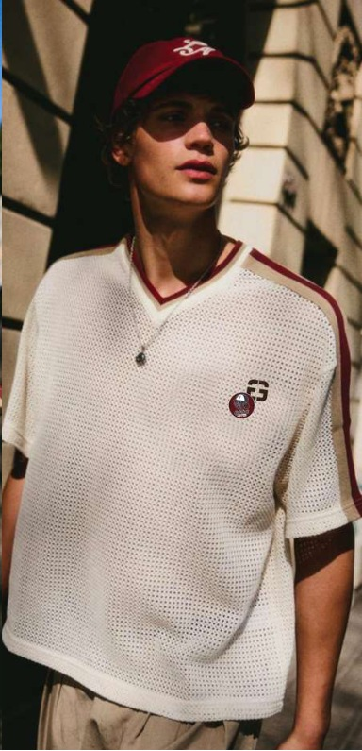 | 400 | Relaxed Fit
ST-12-1 | 100% Cotton | Polo | Quarter zip | Powder Blue / Navy | Vertical pinstripe | Self-colour collar, short sleeves and narrow contrasting vertical stripes. | 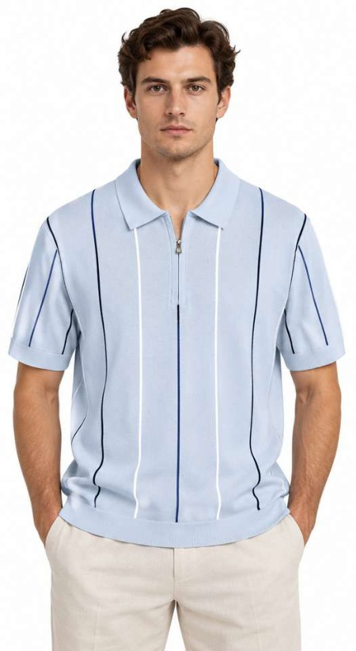 | 400 | Slim Fit
ST-12-2 | 100% Cotton | Polo | Quarter zip | White / Navy / Burgundy | Vertical pinstripe | Self-colour collar, short sleeves and narrow contrasting vertical stripes. | 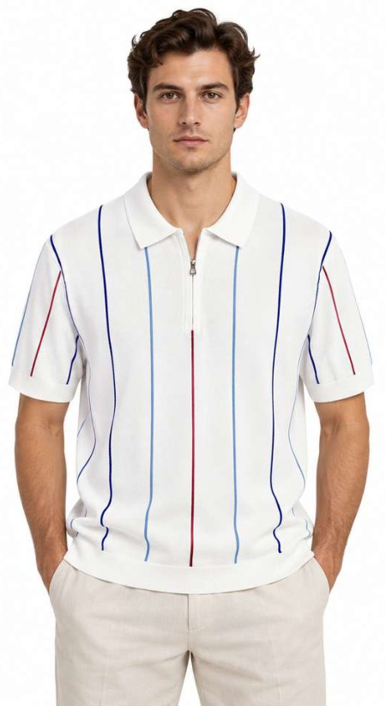 | 400 | Slim Fit
ST-13-1 | 100% Cotton | Polo | Quarter zip | Deep Teal / Navy | Plain fine knit | Navy contrast zip placket, collar and cuff tipping; outline stag-head chest embroidery. | 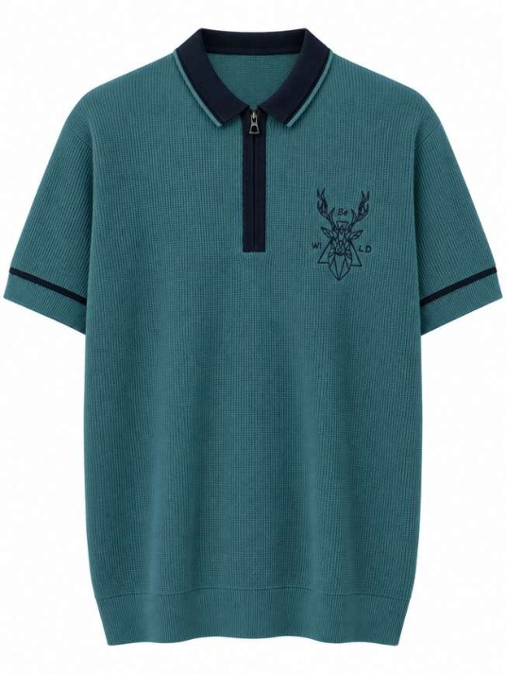 | 400 | Slim Fit
ST-13-2 | 100% Cotton | Polo | Quarter zip | Sage Green / Navy | Plain fine knit | Navy contrast zip placket, collar and cuff tipping; outline stag-head chest embroidery. | 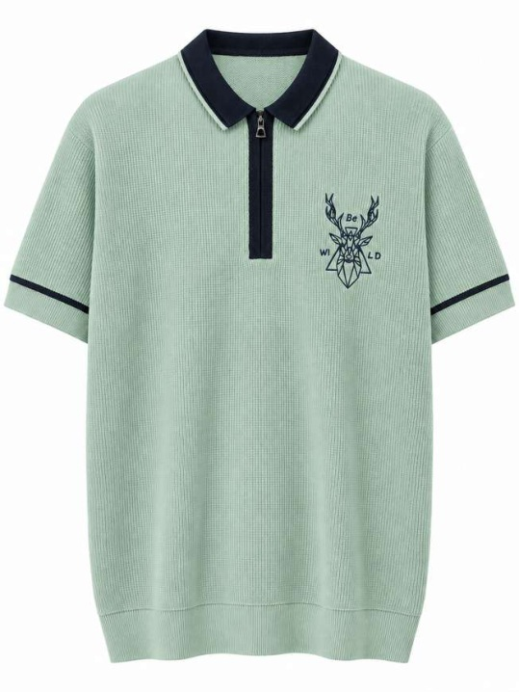 | 400 | Slim Fit
ST-14-1 | 100% Cotton | Polo | Quarter zip | White / Navy / Powder Blue | Open mesh with horizontal band | Contrast broad chest stripe, finer stripe borders and red chest/zip badges. | 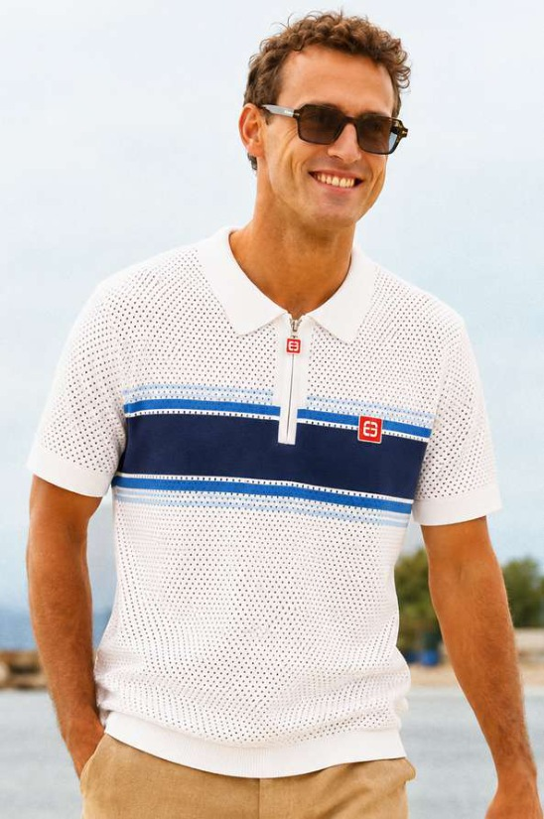 | 400 | Slim Fit
ST-14-2 | 100% Cotton | Polo | Quarter zip | Navy / Butter Yellow / Dusty Pink | Open mesh with horizontal band | Contrast broad chest stripe, finer stripe borders and red chest/zip badges. | 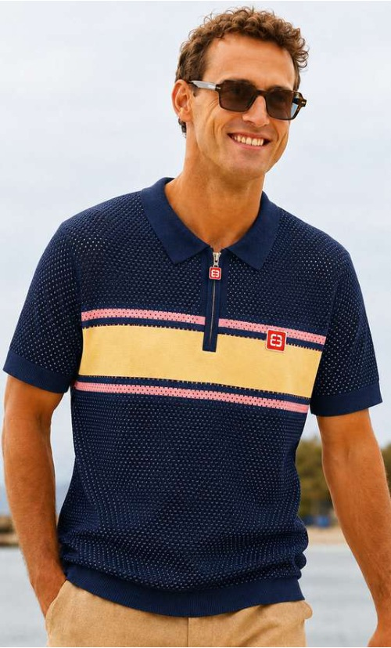 | 400 | Slim Fit
ST-15-1 | 100% Cotton | Polo | Button placket | Mustard Yellow / Royal Blue | Broad horizontal colour bands | Coloured collar, short sleeves and wide alternating body/sleeve bands. | 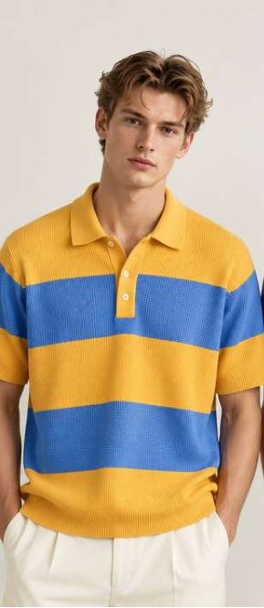 | 400 | Slim Fit
ST-15-2 | 100% Cotton | Polo | Button placket | Emerald Green / Purple | Broad horizontal colour bands | Coloured collar, short sleeves and wide alternating body/sleeve bands. | 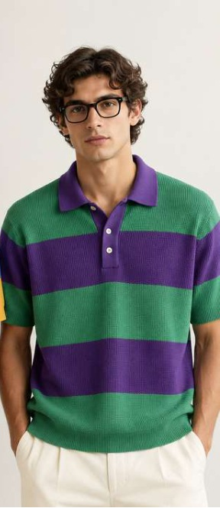 | 400 | Slim Fit
ST-16-1 | Cotton Viscose | Polo | Open V placket | Natural Cotton / Taupe | Fine horizontal stripe | Fine narrow stripes, open collar, short sleeves and small chest emblem. | 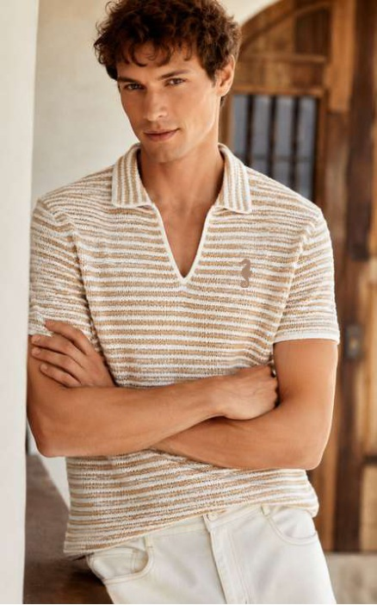 | 400 | Slim Fit
ST-16-2 | Cotton Viscose | Polo | Open V placket | Royal Blue / White | Fine horizontal stripe | Fine narrow stripes, open collar, short sleeves and small chest emblem. | 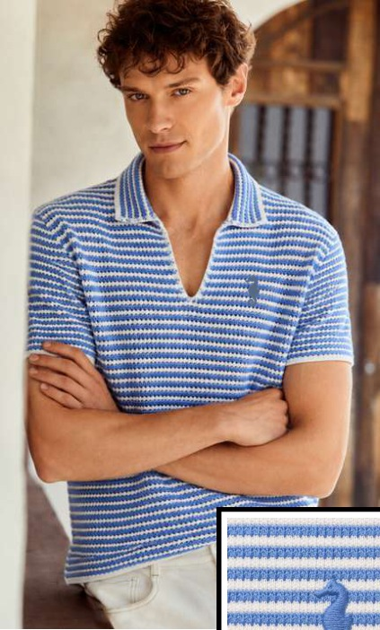 | 400 | Slim Fit
ST-17-1 | Cotton Viscose | Polo | Open V placket | Natural Cotton Botanical | Textured vertical rib knit | Botanical flower and bee embroidery on wearer-left chest. | 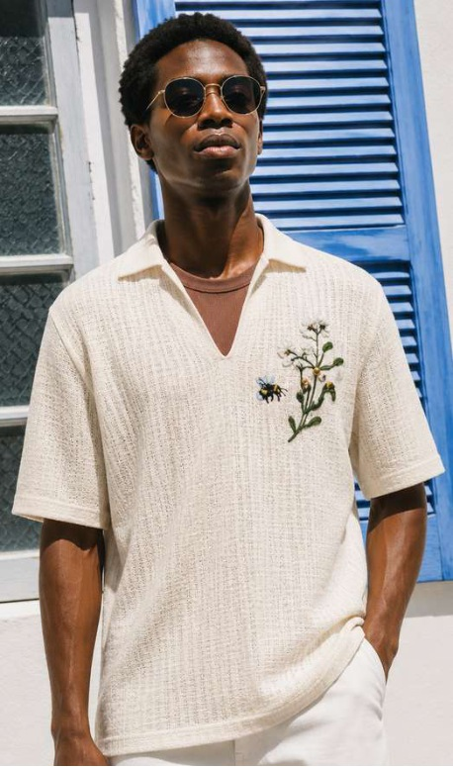 | 400 | Slim Fit
ST-17-2 | Cotton Viscose | Polo | Open V placket | Dark Olive Botanical | Textured vertical rib knit | Botanical flower and bee embroidery on wearer-left chest. | 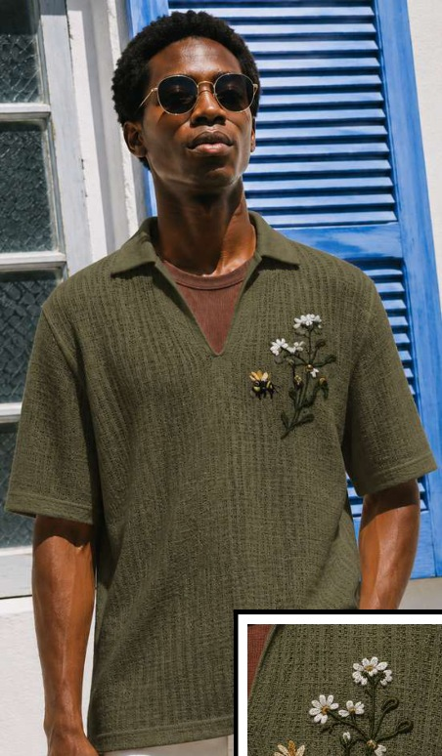 | 400 | Slim Fit
ST-18-1 | 100% Cotton | Polo | Button placket | Chocolate Brown / Natural Cotton | Vertical pointelle / eyelet channels | Contrast tipped collar, cuffs and hem. | 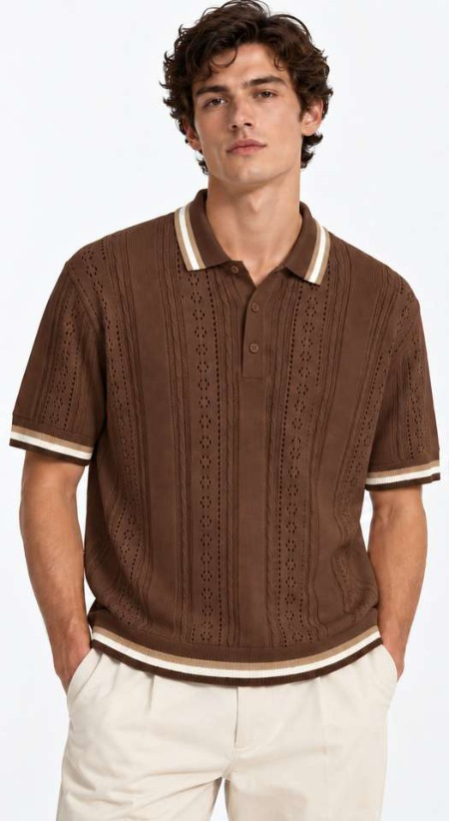 | 400 | Slim Fit
ST-18-2 | 100% Cotton | Polo | Button placket | Natural Cotton / Chocolate Brown | Vertical pointelle / eyelet channels | Contrast tipped collar, cuffs and hem. | 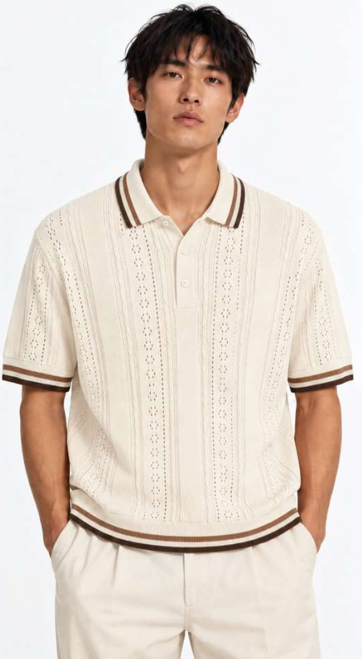 | 400 | Slim Fit
ST-19-1 | 100% Cotton | T-shirt | Crew neck | Natural Cotton / Taupe / Grey | Micro horizontal stripe with chevron shoulders | Raglan-shaped stripe alignment at shoulders; self-colour rib neck, cuffs and hem. | 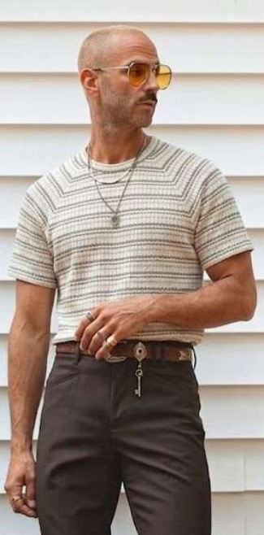 | 400 | Slim Fit
ST-19-2 | 100% Cotton | T-shirt | Crew neck | Burgundy / Taupe / Grey | Micro horizontal stripe with chevron shoulders | Raglan-shaped stripe alignment at shoulders; self-colour rib neck, cuffs and hem. | 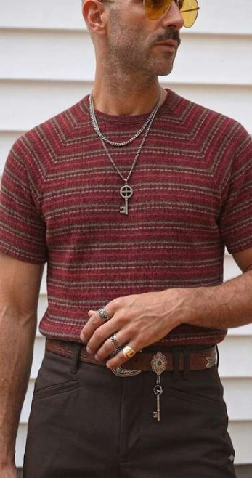 | 400 | Slim Fit

