Attendence_pivot
Employee Attendance
 | Absent | Present | Sick
Aarav Sharma |  | 1
Ananya Verma |  | 1
Arvind Patel |  | 1
Deepak Yadav | 1
Karan Chawla | 1
Manish Gupta |  | 1
Meenal Joshi |  | 1
Neha Desai |  |  | 1
Pooja Mehta |  | 1
Pranav Joshi |  | 1
Priya Gupta | 1
Rajesh Reddy | 1
Ritu Sharma |  | 1
Rohit Kumar |  | 1
Sandeep Nair |  | 1
Sanjay Agarwal | 1
Seema Bhatt |  |  | 1
Shalini Kapoor |  | 1
Sunita Singh |  | 1
Vikram Iyer |  | 1
Count of Status | Column Labels
Row Labels | Absent | Present | Sick | Grand Total
Aarav Sharma |  | 1 |  | 1
Ananya Verma |  | 1 |  | 1
Arvind Patel |  | 1 |  | 1
Deepak Yadav | 1 |  |  | 1
Karan Chawla | 1 |  |  | 1
Manish Gupta |  | 1 |  | 1
Meenal Joshi |  | 1 |  | 1
Neha Desai |  |  | 1 | 1
Pooja Mehta |  | 1 |  | 1
Pranav Joshi |  | 1 |  | 1
Priya Gupta | 1 |  |  | 1
Rajesh Reddy | 1 |  |  | 1
Ritu Sharma |  | 1 |  | 1
Rohit Kumar |  | 1 |  | 1
Sandeep Nair |  | 1 |  | 1
Sanjay Agarwal | 1 |  |  | 1
Seema Bhatt |  |  | 1 | 1
Shalini Kapoor |  | 1 |  | 1
Sunita Singh |  | 1 |  | 1
Vikram Iyer |  | 1 |  | 1
Grand Total | 5 | 13 | 2 | 20

Dashboards
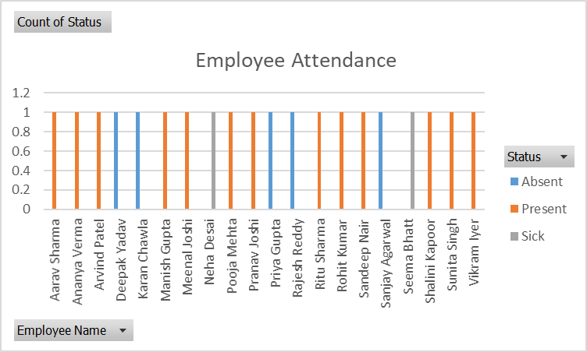
Employee Attendance
 | Absent | Present | Sick
Aarav Sharma |  | 1
Ananya Verma |  | 1
Arvind Patel |  | 1
Deepak Yadav | 1
Karan Chawla | 1
Manish Gupta |  | 1
Meenal Joshi |  | 1
Neha Desai |  |  | 1
Pooja Mehta |  | 1
Pranav Joshi |  | 1
Priya Gupta | 1
Rajesh Reddy | 1
Ritu Sharma |  | 1
Rohit Kumar |  | 1
Sandeep Nair |  | 1
Sanjay Agarwal | 1
Seema Bhatt |  |  | 1
Shalini Kapoor |  | 1
Sunita Singh |  | 1
Vikram Iyer |  | 1
Employee Performance Average Score
 | Total
Aarav Sharma | 4
Ananya Verma | 4
Arvind Patel | 5
Deepak Yadav | 4
Karan Chawla | 2
Manish Gupta | 4
Meenal Joshi | 3
Neha Desai | 4
Pooja Mehta | 5
Pranav Joshi | 4
Priya Gupta | 3
Rajesh Reddy | 2
Ritu Sharma | 3
Rohit Kumar | 5
Sandeep Nair | 4
Sanjay Agarwal | 5
Seema Bhatt | 3
Shalini Kapoor | 3
Sunita Singh | 3
Vikram Iyer | 3

Project Completion Status
 | Total
App Development | 0.525
Client Presentation | 0.125
Customer Survey | 0.375
HR System Upgrade | 0.7
Internal Portal | 0.375
Marketing Campaign | 0.2
Product Launch | 0.55
Website Redesign | 0.4

Performance_Pivot
Row Labels | Average of Score
Aarav Sharma | 4
Ananya Verma | 4
Employee Performance Average Score
Arvind Patel | 5
Deepak Yadav | 4
Karan Chawla | 2
Manish Gupta | 4
Meenal Joshi | 3
Neha Desai | 4
Pooja Mehta | 5
Pranav Joshi | 4
Priya Gupta | 3
Rajesh Reddy | 2
Ritu Sharma | 3
Rohit Kumar | 5
Sandeep Nair | 4
Sanjay Agarwal | 5
Seema Bhatt | 3
Shalini Kapoor | 3
Sunita Singh | 3
Vikram Iyer | 3
Grand Total | 3.65

Project_pivot
Project Completion Status
Row Labels | Average of Completion (%)
App Development | 0.525
Client Presentation | 0.125
Customer Survey | 0.375
HR System Upgrade | 0.7
Internal Portal | 0.375
Marketing Campaign | 0.2
Product Launch | 0.55
Website Redesign | 0.4
Grand Total | 0.38846153846

