Taul2
A | B | C | D | E | F | G | H | I | J | K | L | M
1 |  | 1 | 2 | 3 | 4 | 5 | 6 | 7 | 8 | 9 | 10 | 11 | 12
2 | 1. Problem Solving | – | 0.70*** | 0.58*** | 0.65*** | 0.71*** | 0.57*** | 0.53*** | -0.24*** | -0.19*** | 0.10* | 0.10* | -0.03
3 | 2. Distraction | 0.63*** | – | 0.50*** | 0.65*** | 0.83*** | 0.43*** | 0.49*** | -0.33*** | -0.29*** | -0.04 | 0 | -0.05
4 | 3. Forgetting | 0.59*** | 0.50*** | – | 0.53*** | 0.54*** | 0.42*** | 0.62*** | -0.02 | 0 | 0.18*** | 0.18*** | 0
5 | 4. Acceptance | 0.62*** | 0.56*** | 0.50*** | – | 0.61*** | 0.40*** | 0.53*** | -0.26*** | -0.19*** | -0.02 | 0.11** | -0.01
6 | 5. Humor Enhancement | 0.66*** | 0.80*** | 0.50*** | 0.49*** | – | 0.46*** | 0.52*** | -0.24*** | -0.22*** | 0.05 | 0.05 | -0.08
7 | 6. Cognitive Problem Solving | 0.60*** | 0.47*** | 0.40*** | 0.43*** | 0.53*** | – | 0.48*** | -0.06 | 0.01 | 0.42*** | 0.29*** | 0.04
8 | 7. Revaluation | 0.48*** | 0.43*** | 0.59*** | 0.39*** | 0.46*** | 0.48*** | – | -0.07 | -0.06 | 0.17*** | 0.23*** | 0.06
9 | 8. Giving Up | -0.22*** | -0.32*** | -0.13** | -0.29*** | -0.26*** | -0.07 | -0.07 | – | 0.60*** | 0.44*** | 0.35*** | 0.34***
10 | 9. Withdrawal | -0.13** | -0.26*** | 0 | -0.21*** | -0.20*** | -0.02 | -0.02 | 0.57*** | – | 0.37*** | 0.38*** | 0.33***
11 | 10. Rumination | 0.13** | 0.05 | 0.10* | 0.03 | 0.09* | 0.40*** | 0.17*** | 0.36*** | 0.32*** | – | 0.48*** | 0.32***
12 | 11. Self-Devaluation | 0.17*** | 0.08 | 0.19*** | 0.10* | 0.08 | 0.29*** | 0.26*** | 0.35*** | 0.40*** | 0.47*** | – | 0.23***
13 | 12. Aggressive Actions | 0 | -0.05 | -0.07 | -0.08* | -0.08 | 0.08 | 0.02 | 0.35*** | 0.26*** | 0.35*** | 0.22*** | –

 | Public Library of Science research repository - Search (figshare.com)

ETM Index Table
Agency diemension |  |  |  | Positive Affect Emotions |  |  |  |  | Negative Affect Emotions
 |  |  |  | Joy | Serenity |  |  |  | Anger | Fear
Vitality/Mood |  |  |  | Emthusiasm | Tranquility |  |  |  | Frustration | Anxiety
Energy/Arousal |  |  |  | Energy | Meditativeness |  |  |  | Irritability | Exhaustion
Self/Confidence |  |  |  | Self-confidence | Stoicism |  |  |  | Egocentrism | Depression
Charity/Others |  |  |  | Generosity | Gratefulness |  |  |  | Envy | Beleagueredness
Recreation/Romance |  |  |  | Playfulness | Observance |  |  |  | Callousness | Guilt
Wit/Discursivity |  |  |  | Verbal Dexterity | Didacticism |  |  |  | Testiness | Insincerity
Polity/Society |  |  |  | Civic-Mindedness | Righteousness |  |  |  | Strictness | Alienation
Community/Civility |  |  |  | Civility | Moralism |  |  |  | Intolerance | Isolation
Sared/Infernal |  |  |  | Charisma | Dauntlessness |  |  |  | Deviousness | Accursedness
Power/Status |  |  |  | Empowerment | Public Esteem |  |  |  | Authoritarianism | Subordination

 | ETM Chart (unlv.edu)
 | https://cdclv.unlv.edu/programs/etm_chart.html

 | Robert-Plutchik-Psychoevolutionary-Theory-of-Basic-Emotions.jpg (3717×4722) (mastermindmatrix.com)

 | Microsoft Word - Psychometric data of MSES-R.docx (macquariepsychology.net.au)

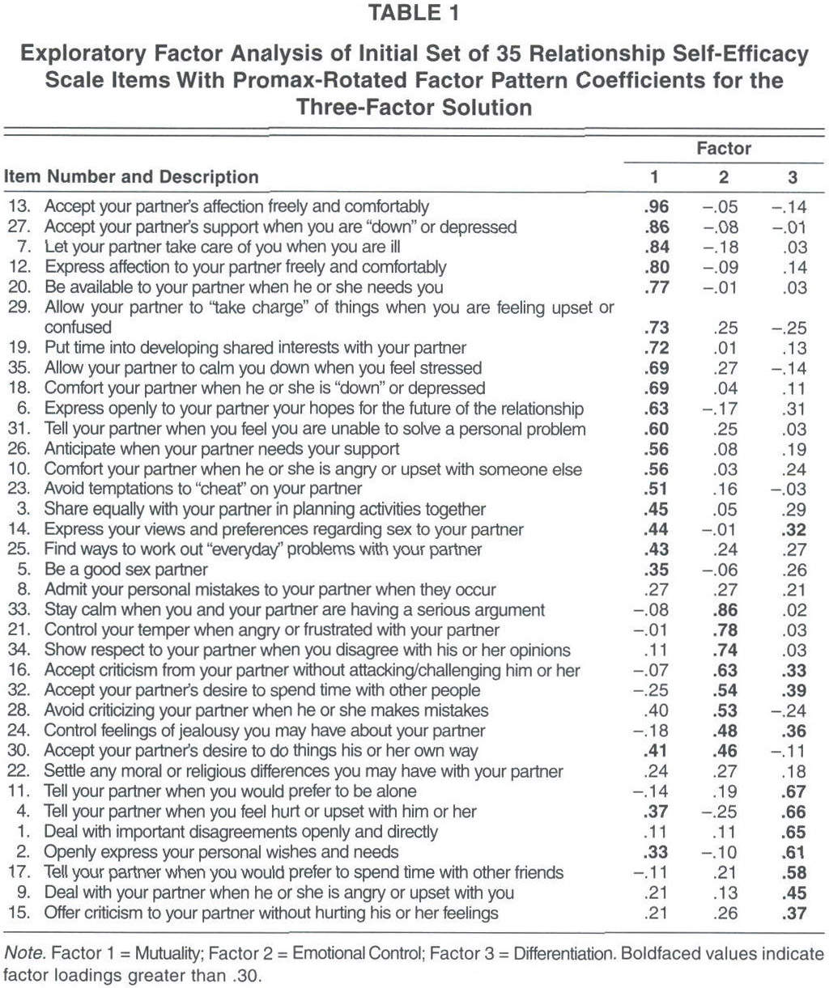

Matrix.pdf
How Does IQ Relate to Personality? - Scientific American Blog Network

