Catch
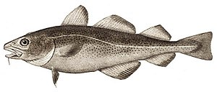
Oceanography
Cruise with RV Havfisken, 02/06/2023 |  |  |  | COD

Catch statistics
Total catch (kg): | 570.00
Subsample weight (kg): | 38.62
Raising factor: | 14.76

SPECIES | Catch, subsample weight | Raising factor | CPUE (kg/15 Min)
WHITING | 0.64 | 14.76 | 9.45
PLAICE | 8.63 | 14.76 | 127.37
SPRAT | 8.70 | 14.76 | 128.40 | WHITING
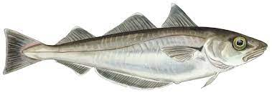
DAB | 20.00 | 14.76 | 295.18
HERRING | 0.01 | 14.76 | 0.15
GURNARD | 1.30 | 14.76 | 19.19

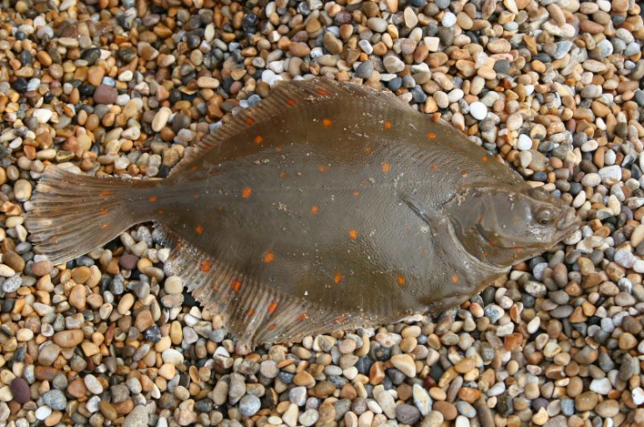
 |  |  |  | PLAICE

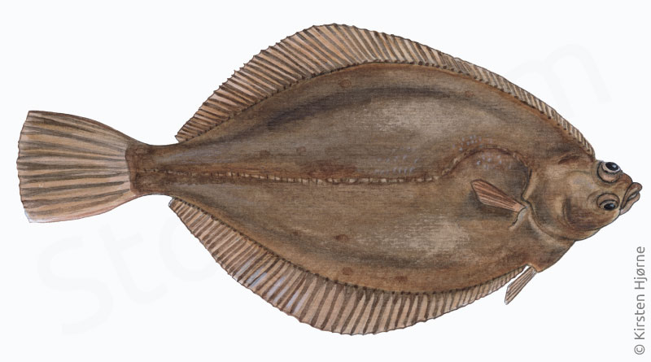
 |  |  |  | DAB

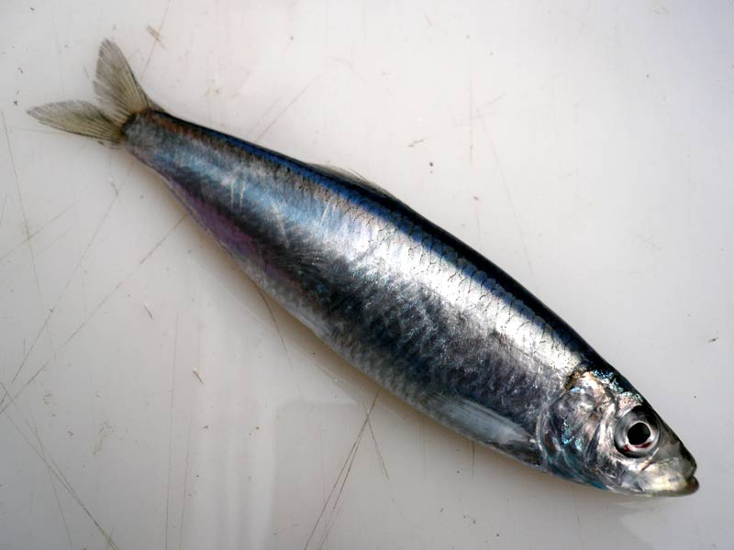
 |  |  |  | SPRAT

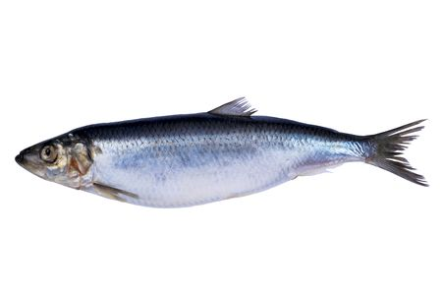
 |  |  |  | HERRING

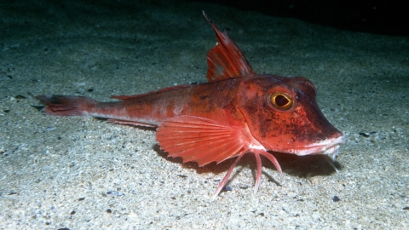
 |  |  |  | GURNARD

