Catch
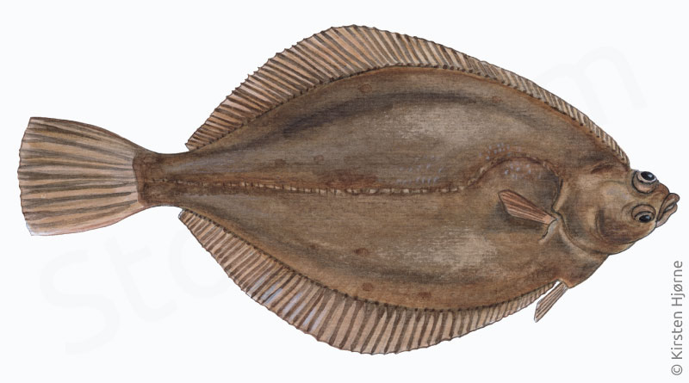
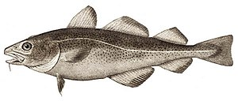
Oceanography
Cruise with RV Havfisken, 10/06/2025 |  |  |  | DAB | COD

Catch statistics
Total catch (kg): | 144.40
Subsample weight (kg): | 144.40
Raising factor: | 1.00

SPECIES | Catch, subsample weight | Raising factor | CPUE (kg/15 Min)
DAB | 98.10 | 1.00 | 98.10
PLAICE | 63.48 | 1.00 | 63.48
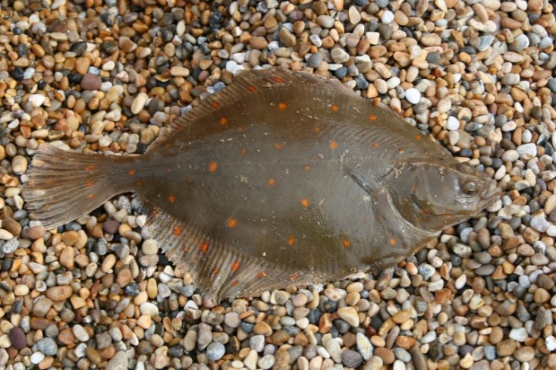
FLOUNDER | 3.7 | 1.00 | 3.70
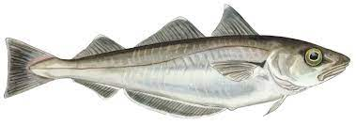
GURNARD | 2.30 | 1.00 | 2.30 | PLAICE | WHITING
WHITING | 0.60 | 1.00 | 0.60
COD | 0.40 | 1.00 | 0.40
SOLE | 0.15 | 1.00 | 0.15

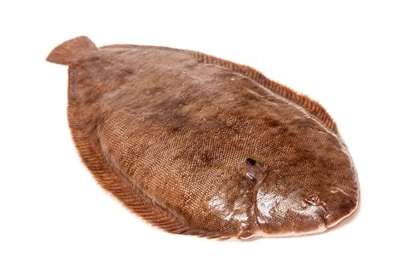
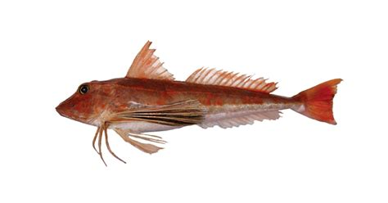
 |  |  |  | GURNARD | SOLE

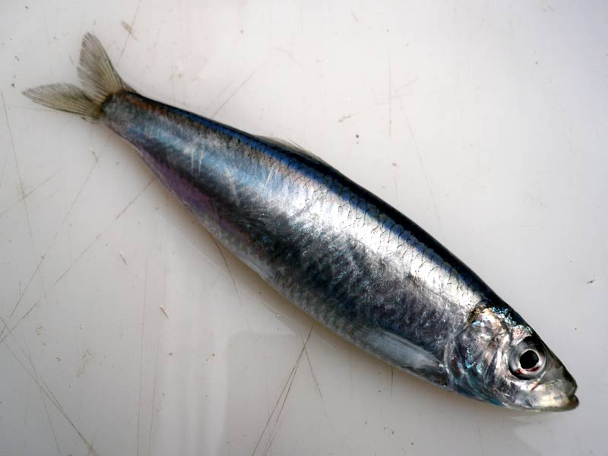
 |  |  |  | SPRAT

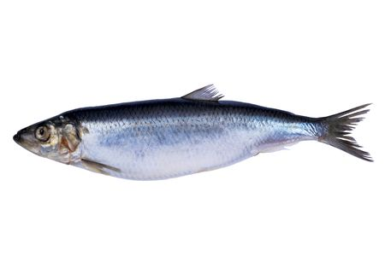
 |  |  |  | HERRING

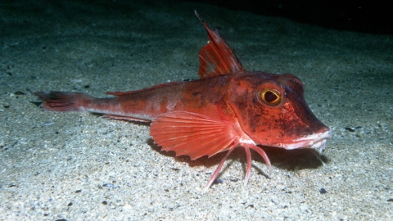
 |  |  |  | GURNARD

