Day1
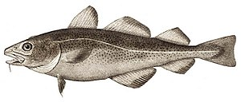
Oceanography
Cruise with RV Havfisken, 09/06/2026 |  |  |  | COD

Catch statistics
Total catch (kg): | 197.00
Subsample weight (kg): | 38.62
Raising factor: | 5.10

SPECIES | Catch, subsample weight | Raising factor | CPUE (kg/15 Min)
DAB | 37.70 | 5.10 | 192.31 |  | ising
PLAICE | 116.00 | 5.10 | 591.71 |  | rodspetto
WHITING | 3.80 | 5.10 | 19.38 | WHITING | hvilling
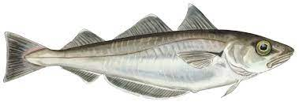
SPRAT/HERRING | 20.00 | 5.10 | 102.02 |  | brisling
FLOUNDER | 2.20 | 5.10 | 11.22 |  | skrubbe
GURNARD | 4.00 | 5.10 | 20.40 |  | knurhare
SOLE | 0.50 |  |  |  | sotunge
COD | 0.10 |  |  |  | torsk
DRAGONET | 0.01 |  |  |  | floyfisk

TOTAAL | 184.31
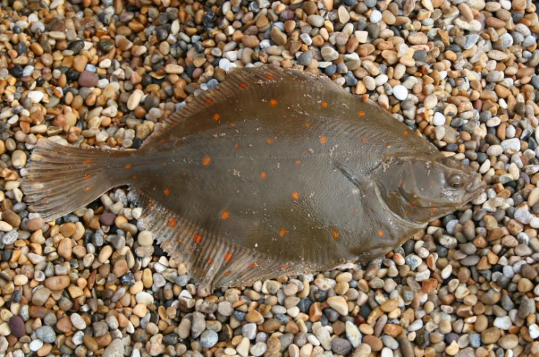
 |  |  |  | PLAICE

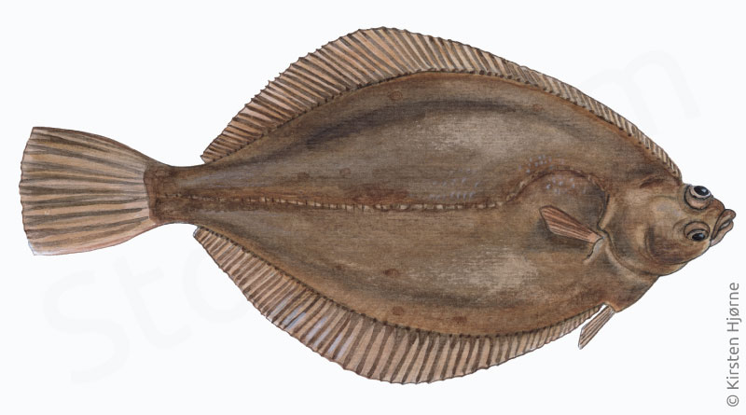
 |  |  |  | DAB

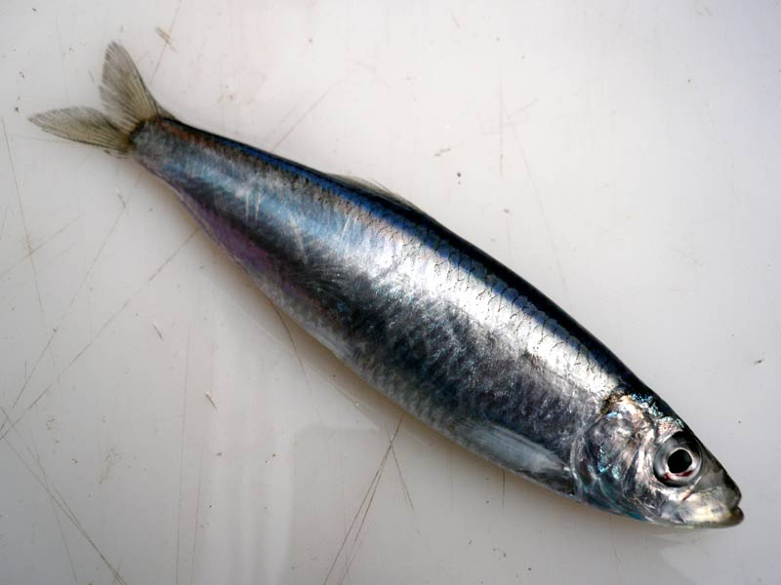
 |  |  |  | SPRAT

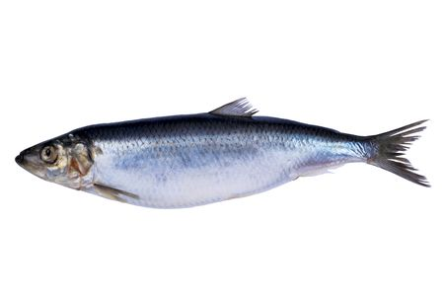
 |  |  |  | HERRING

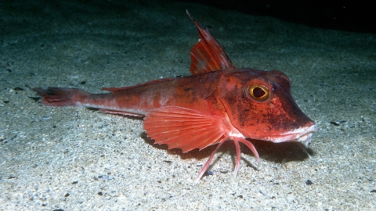
 |  |  |  | GURNARD

