Zusammenfassung
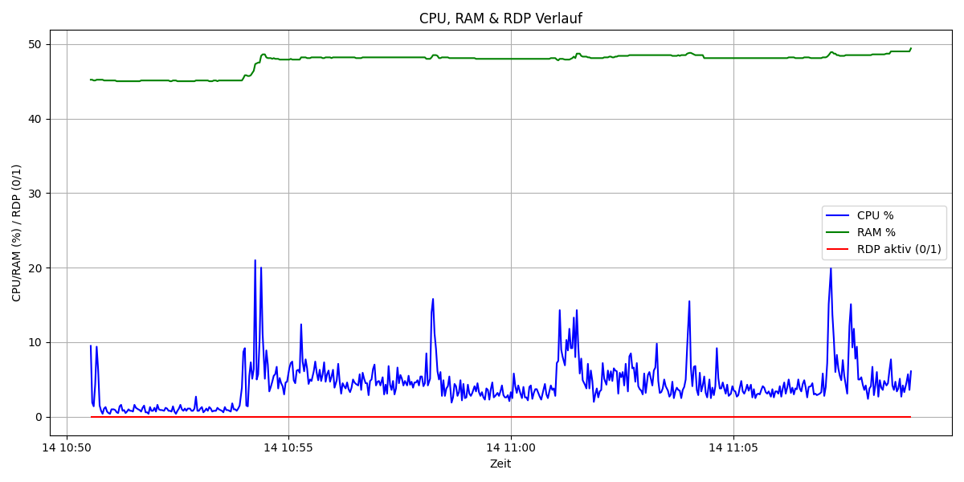
Metrik | Wert | Anteil (%)
Gesamtdauer (s) | 1107 | 100
CPU über 15% | 16 | 1.4
RAM über 35% | 1107 | 100
RDP aktiv | 0 | 0

