Step8
Step 8) Other observations: For this section, I included the screenshot of the pivot tables relevant to some of the open ended question for question 8.
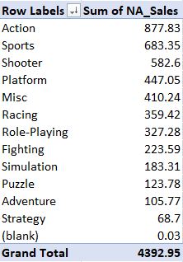
 | Are sales for a particular genre in North America higher or lower than you expected?
 | Honestly, I was surprised that Sports was such a popular genre for video games, primarily because I don't understand it's appeal.

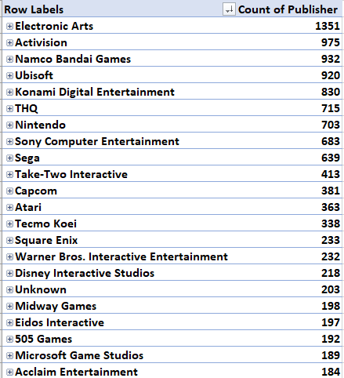
 | Do any game makers or platforms have fewer game titles than expected?
 | I don't really know much about games so I figured Nintendo put out the most of the games that are out there, but clearly there are many other publishers that put out more games than Nintendo.

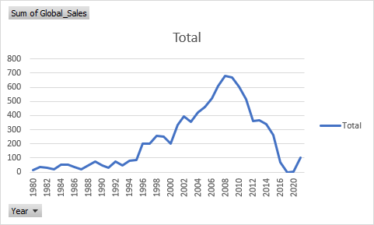

 | Are sales in some years higher or lower than expected?
 | Yes, it is clear that overall global sales was going up aggressively up until 2008, however, sales plummetted after 2008. This indicates to me that the financial crash of 2008 had a significant effect on overall game sales. Another interesting trend is that sales starts going up again in 2020. I wonder if this coincides with lock down due to COVID-19 or with the release of the much anticipated PS5.

