1. Title Page
Grocery Basket Analysis

Project Name: Instacart Grocery Basket Analysis
Date: February 2022
Analyst Name: Neena Tilton
Data Source: "The Instacart Online Grocery Shopping Dataset 2017", Accessed from https://www.instacart.com/datasets/grocery-shopping-2017 on Jan. 14th, 2022.

Contents:
Population Flow
Consistency checks
Wrangling steps
Column derivations
Visualizations
Recommendations

2. Population Flow
Title page

Population flow

Exclusion flag
Condition: max_order < 5
Obervations to be removed: 1,440,295
Final total count of order_products_all: 30,964,564

Orders_products_combined
Orders_products_merged
Orders_products_all

Total: 32,434,489
(Merged by 'inner' join, thus losing about 30,000 rows.)
Total: 32,404,859
Total: 32,404,859

1.) The grey boxes in the first row of the population flow represent the original data sets as they were when you downloaded them. In the Total fields you need to add the count of the rows when you imported the data set into Jupyter.
2.) The second row of boxes (coloured) represents the data sets after you manipulated them, e.g., removed missing values and duplicates. In the Total fields you need to add the count of the rows after conducting these operations. This offers a visual oveview of how the data flows throughout the data consistency checks.
3.) The third row, where also the arrows are coloured, represents the merges you performed between the datasets. In the Total fields you need to add the count of the rows in the merged datasets, so that you end up with the final dataset (in the red box). Keep in mind the final dataset should be without exclusions (based on the exclusion flag).

3. Consistency checks
 |  |  |  |  |  | Title page
Consistency checks
Outliers

Dataset | Missing values | Missing values treatment | Duplicates | Dataset | Column | Outliers | Outlier treatment
orders | We have 206,209 missing values of 'days_since_prior_order' observations, recorded as 'NaN'. | Left as is since for each new user, their first order will inevitably have 'NaN' in 'days_since_prior_order'. | No duplicates | orders_products_merged | 'prices' | any pricing > 100 | replaced with NaN to not skew distribution
products | 16 missing in 'product_name | Removed from data frame | 5 rows of duplicate data, removed
orders_products_prior | No missing values | N/A | No duplicates
customers | No missing values | N/A | No duplicates

4. Wrangling steps
 |  |  |  |  | Title page
Wrangling steps

Columns dropped | Dataset | Comment/Reason | Columns renamed | Dataset | Comment/Reason | Columns' type changed | Dataset | Comment/Reason
'eval_set' | Orders | irrelevant | 'order_dow' -> 'orders_day_of_week' | Orders | Directed to do so | 'order_id': int -> object | Orders | Directed to do so
'Unnamed: 0' | Orders (orders_checked.csv) | Was randomly created when csv was imported. | 'order_hour_of_day' -> 'order_time_of_day' | Orders | Directed to do so | 'user_id': int -> object | Orders | Directed to do so
'Unnamed: 0.1' | Orders (orders_checked.csv) | Was randomly created when csv was imported. | 'First Name' -> 'first_name' | Customers | to keep consistent naming style | 'busiest_day': object -> category | ords_products_all | To decrease memory used by df
'Unnamed: 0' | Products (products_checked.csv) | Was randomly created when csv was imported. | 'Surname' -> 'last_name' | Customers | to keep consistent naming style | 'busiest_day': object -> category | ords_products_all | To decrease memory used by df
'_merge' | Orders_Products_Combined | Created when merging two df, no longer needed. | 'Gender' -> 'gender' | Customers | to keep consistent naming style | 'loyalty_flag': object -> category | ords_products_all | To decrease memory used by df
'first_name' | ords_products_all | For PII reasons | 'STATE' -> 'state' | Customers | to keep consistent naming style | 'spender_type_flag': object -> category | ords_products_all | To decrease memory used by df
'last_name' | ords_products_all | For PII reasons | 'Age' -> 'age' | Customers | to keep consistent naming style | 'customer_frequency_flag': object -> category | ords_products_all | To decrease memory used by df
'_merge' | ords_products_all | Created when merging the second time, no longer needed |  |  |  | 'gender': object -> category | ords_products_all | To decrease memory used by df
'max order' | ords_products_all | Accidentally made two columns with exact same data, one named 'max_order' and the other 'max order' |  |  |  | 'fam_status': object -> category | ords_products_all | To decrease memory used by df
 |  |  |  |  |  | 'region': object -> category | ords_products_all | To decrease memory used by df

5. Column derivations
 |  |  |  | Title page

Column derivations and aggregations

Dataset | New column | Column/s it was derived from | Conditions
orders_products_merged | 'busiest_day' | 'orders_day_of_week' | if value = 0, then 'Busiest day' elif value = 4, then 'Least busy' else, 'Regular busy'
orders_products_merged | 'Busiest_day' | 'orders_day_of_week' | if value = 0 or value = 1, then 'Busiest day' elif value = 4 or value = 3, then 'Least busy' else, 'Regular busy'
orders_products_merged | 'busiest_period_of_day' | 'order_time_of_day' | if hour <= 6, then 'fewest orders' if (hour > 6) & (hour < 9), then 'average orders' if (hour > 16) & (hour < 24), then 'average orders' if (hour > 8) & (hour < 17), then ' most orders'
orders_products_merged | 'max_order' | 'user_id' & 'order_number' | max order of user (total orders made by user)
orders_products_merged | 'loyalty_flag' | 'max_order' | if max order > 40, then 'Loyal customer' if 10 < max order <= 40, then 'Regular customer' if max order <= 10, then 'New customer'
orders_products_merged | 'mean_price_of_product' | 'user_id' & 'prices' | average price of products purchased by user
orders_products_merged | 'spender_type_flag' | 'mean_price_of_product' | if mean_price < 10, then 'Low spender' if mean_price >= 10, then 'High spender'
orders_products_merged | 'median_days_since_prior _order' | 'days_since_prior_order' | median of values of 'days_since…' for each user
orders_products_merged | 'customer_frequency_flag' | 'median_days_since_prior_order' | if median > 20, then 'Non-frequent customer' if 10 < median <= 20, then 'Regular customer' if median <= 10, then 'Frequent customer'
orders_products_all | 'regions' | 'states' | each state separated into 4 regions for the US
orders_products_all | 'exclusion_flag' | 'max_order' | if max order < 5, then 'Low Activity Customer' if max orders >= 5, then 'Regular Activity Customer'
orders_products_all | 'profile_age' | 'age' | age range assigned (<19, 20s, 30s, 40s, 50s, 60s, 70s, 80+)
 | 'profile_income' | 'income' | income range assigned
 | 'profile_parental' | 'n_dependants' | if n_dependants < 1, then 'NOT Parent' if n_dependants >= 1, then 'Parent'
 | 'price_range_flag' | 'prices' | if price <= 5, then 'low-range product' if 5 < price <= 15, then 'mid-range product' if price > 15, then 'high-range product'

6. Visualizations
Title page

Visualisations

Shopping Cart Analysis
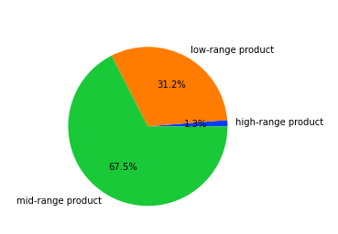

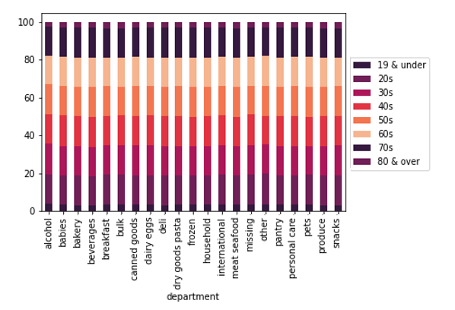
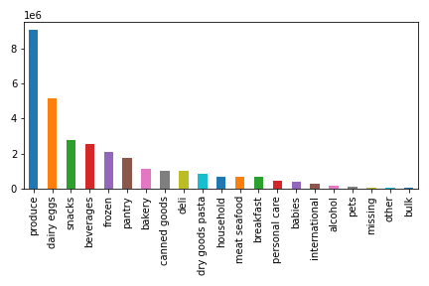

Fig.1: The strongest performing departments were: Produce, Dairy & Eggs, Snacks, Beverages, and Frozen Foods.
Fig.2: There were no distinquishable popularity of departments based on
age-range.
Fig.3: Most purchased items were of
mid-range products ($5 to $15), followed by low-range products (below $5).

Sales by Days of Week & Hours of Day

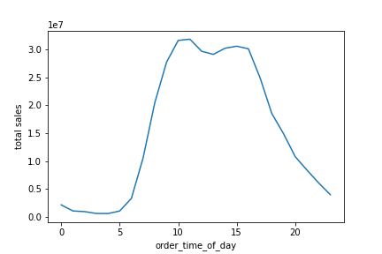
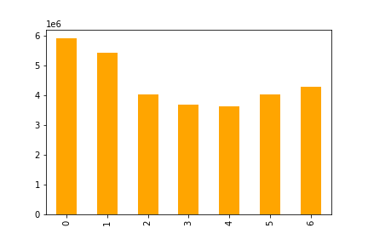
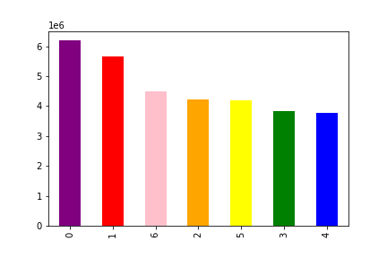

Days of the week:
0 = Saturday
1 = Sunday
2 = Monday
3 = Tuesday
4 = Wednesday
5 = Thursday
6 = Friday

Fig.4: The left chart shows the flow of the week, starting on Saturday and ending on Friday.
The orders start off strong on the weekend, decreases during the weekdays, and picks up again
on Friday.
Fig.5: The right chart shows the same data, sorted from busiest to least busy. The top 3 days of
orders are on Saturday, Sunday, and Friday.
Fig.6: This chart shows the orders per
hour on an average day, starting at 12am, coded as 0. The orders peak between 10am to 4pm.

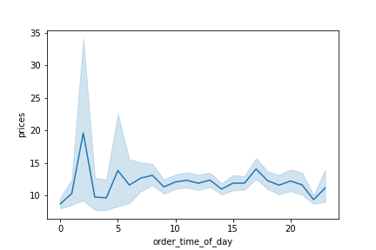
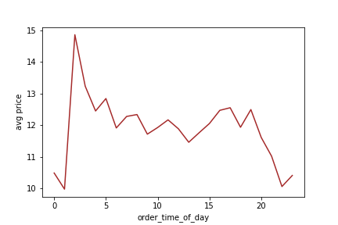
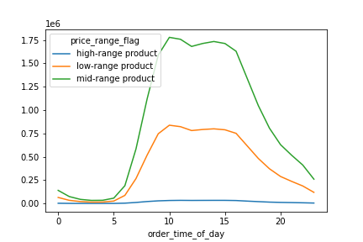

Fig.7: This chart shows the prices of all items purchased within the hour. There is a tendency for higher-priced orders around 3am, 5am, and 4pm.
Fig.8: This chart shows the average price of items most commonly purchased per hour. Items bought between 12am to 5am have a are higher-priced than the rest of the day.
Fig.9a: Regardless of time of day, most items that were ordered were within the mid-range priced products, items between $5 to $15.

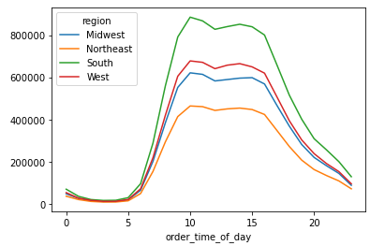

Fig.9b: Regardless of region, ordering
patterns by the hour were almost exactly
the same.

Customers of Instacart

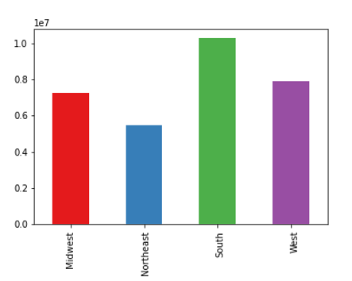
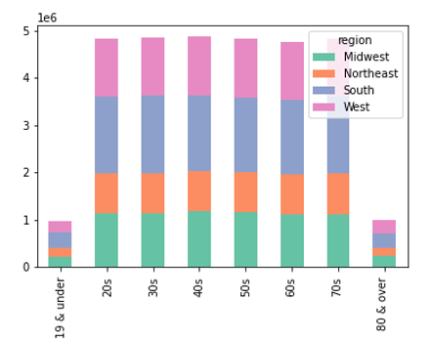
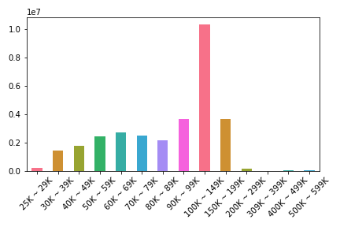

Fig.10: Customers of IC are distributed through-out all 4 regions of the US. Currently, we have the largest customer base in the South.
Fig.11: The age range of IC customer base is distributed fairly evenly between ages
20 to 80 years old, equally throughout
the regions.
Fig.12: The IC customers overwhelmingly belongs in the 90K ~ 99K income range. Broadly speaking, the income of the customer base is between 40K ~ 140K.

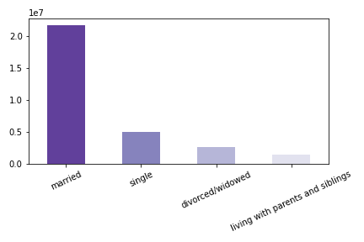
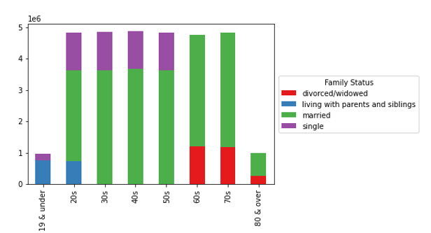
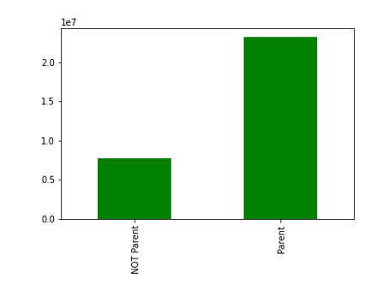

Fig.13: A large portion of IC base are married.
Fig.14: Even when categorized into age groups, most of the customer base are married.
Fig.15: Majority of the customers utilizing IC's convient services are parents.

Brand Loyalty

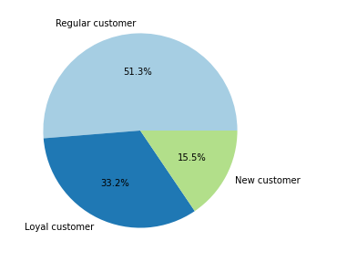
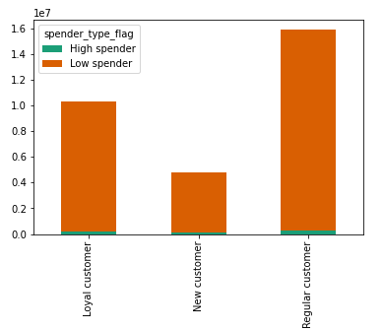
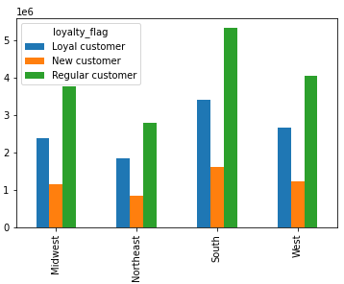

Fig.16: About half of the customer base
are still within the 'regular customer' category. A rewards program for reaching
40 orders or more may be a good initiative.
Fig.17: IC customers are frugal spenders, regardless of brand loyalty. It is best to continue to IC as affordable to appeal to customer desire to save money.
Fig.18: Brand loyalty is about the same across the board even separated by
region.

Customer Order Frequency

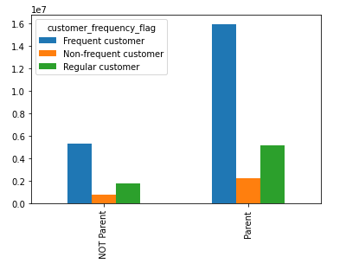
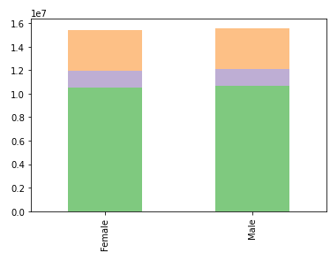
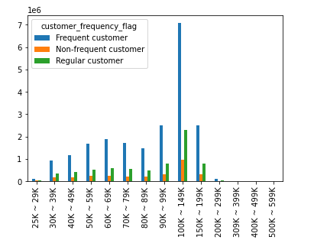

Fig. 19: Customers who are parents are
the most frequent users of the online ordering service.
Fig.20: Customer frequency is not different between genders.
Fig.21: Customers belonging to income range of 100K ~ 149K are IC's most frequent users.

Spending Styles

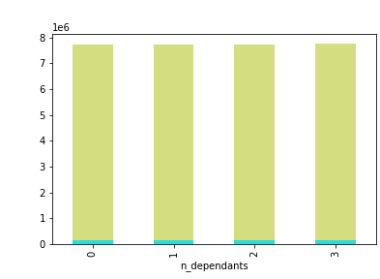
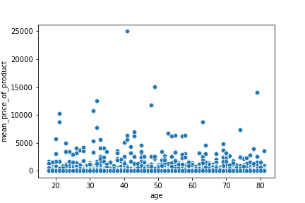
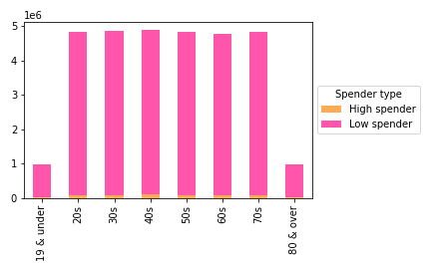

Fig.22: Average price of products purchased does not change much across age groups. There is, however, a very slight increase between age 30 - 45.
Fig.23: Again, IC customers are frugal-minded, regardless of age.
Fig.24: Parental status, nor the number of children, has no impact on spending style. IC customers are regularly regularly select lower-priced items.

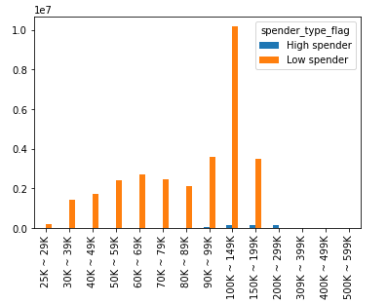
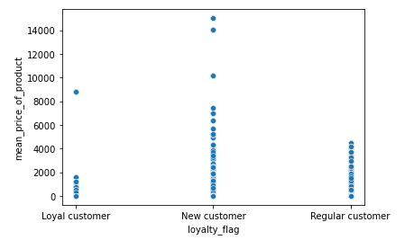

Fig.25: Customers with highest mean price of items purchased are new customers. Loyal customers tend to consistently buy lower-range products.
Fig.26: Regardless of income, almost all IC customers are Low spenders.

7. Recommendations
 | Title page

Recommendations

Key Question 1: What is the busiest days of the week?
Busiest days of the week are Saturday, Sunday, and Friday. (See Fig.5)
Key Question 2: what is the busiest hours of the day?
Busiest hours of the day are between 10am to 4pm. (See Fig.6)
Key Question 3: When should ads be scheduled to increase orders during slower hours?
The morning hours of 12am - 9am are slow for obvious reasons of those hours are for sleep and getting prepared for work in the morning. However, there is potential to increase orders in the afternoon/evening. Targeted ads should be shown during the hours of 3pm to 9pm. (See Fig.6)
Key Question 4: What range products do customers purchase during each hour?
Customers regularly purchase mid-range products no matter what hour of the day, followed by low-range products. Orders of high-range products is not common within the customer base. (See Fig.9)
Key Question 5: What types of ads should be scheduled for different times of the day?
MORNING: Interestingly, although orders made during the hours of 12am to 6am are low, the average price of items purchase strangely goes up in the early morning hours. Ads for higher-range products may perform well in those hours. MID-DAY: Since orders are high during 9am-4pm, but are only of mid-range products, perhaps the customer base are just not aware that premium products are even available through IC. Thus, ads for high-range products may nudge already existing users to explore luxury items through IC. EVENING: The hours between 4pm - 9pm is when orders slow down, but have the most potential to increase traffic to IC. Since most common hours of TV watching is during evening hours, tying food-related TV shows to IC orders could be a fun and engaging way to increase orders (Example: box of pre-selected items to match the dish cooked on Episode x of y-cooking show).
Key Question 6: Which departments have the highes frequency of product orders?
The top performing departments are: Produce, Dairy & Eggs, Snacks, Beverages, and Frozen Foods. (See Fig.1)
Key Question 7: What is the distribution among users in regards to their brand loyalty?
The distribution: (See Fig.16) 51.3% are Regular customers (10 - 40 orders) 33.2% are Loyal customers (40+ orders) 15.5% are New customers (less than 10 orders).
Key Question 8: Are there differences in ordering habits based on a customer's loyalty status?
Regardless of customer loyalty status, most customers are Low spenders and are frugally-minded. (See Fig.17) The proportions of customer loyalty status is consistant across all regions. (See Fig.18) In short, the only difference in ordering habits based on customer's loyalty status was seen in mean-price of products order by users: New customers purchased more higher priced items, whereas Loyal customers purchased more lower priced items. (See Fig.25)
Key Question 9: Are there differences in ordering habits based on a customer's region?
Regardless of region, ordering patterns by the hour were almost exactly the same. (See Fig.9b) Brand loyalty was also the same proportions in each region. (See Fig.18)
Key Question 10: Is there a connection between age and family status in terms of ordering habits? (4.9, step 6)
In general, the family status of the majority of the customers of IC is 'married' regardless of age. (See Fig.13 & 14) In general, the there are more parents than those who aren't parents in IC customer base. (See Fig.15) When it comes to online order frequency, most of IC customers are frequent customers, both within Parents and NOT Parents subgroups. (See Fig.19) Majority of IC customers are Low spenders, regardless of age or number of children. (See Fig.23 & 24) Average price of products purchased does not change much across age groups. There is, however, a very slight increase between age 30 - 45. (See Fig.22)
Key Question 11: What different classification does the demographic information suggest? (age, income, types of goods, family status)
Most notable classification of demographic information was family status and income. The customer profile that will most likely utilize Instacart services are married and are making somewhere in between 50K to 150K. From spending style analysis, we can conclude that most customers use Instacart for the affordability since most are Low spenders. Parents are more likely to use Instacart than non-parents, perhaps for convinience of eliminating a trip to the grocery store from their already busy schedule. Age and region seems to not have an impact, Instacart is popular equally across the board.
Key Question 12: Are there any other differences found in ordering habits of different customer profiles? (price of orders, frequency, products, etc.)
Age: not much difference found in ordering habits of different age groups. Income: customer-frequency was highest for income range 100K - 149K (See Fig.21), but spending style was the same for all income range, almost all are Low spenders. (See Fig.26) Family status & children: since there are larger proportions of customers who are married and are parents, they impact overall customer base, which are predominantly Low spenders, Frequent, and regular loyalty customers.

