Sheet1
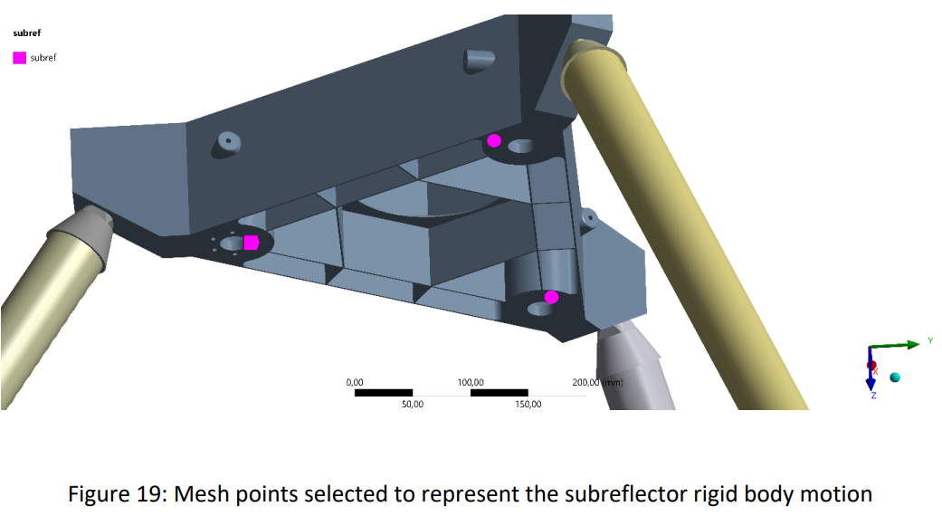
# | Load | Point | x (mm) | y (mm) | z (mm)
0 | Zero Loads | 1 | -1.33 | -150.27 | 1313.90
 |  | 2 | -127.33 | 95.56 | 1313.90
 |  | 3 | 159.99 | 64.34 | 1313.90

# | Load | Point | dx (mm) | dy (mm) | dz (mm)
1A | Gravity @ 0 | 1 | -0.00001 | 0.17715 | -0.03964
 |  | 2 | -0.00119 | 0.17604 | 0.02432
 |  | 3 | 0.00022 | 0.17543 | 0.01812
1B | Gravity @ 90 | 1 | -0.00005 | -0.00058 | -0.01573
 |  | 2 | -0.00058 | 0.00030 | -0.01559
 |  | 3 | 0.00048 | 0.00032 | -0.01546
3 | Temperature rise of 25 K | 1 | -0.00114 | -0.08447 | 0.03873
 |  | 2 | -0.07276 | 0.05497 | 0.03894
 |  | 3 | 0.09044 | 0.03720 | 0.03840
4 | 10 K linear gradient between primary and secondary | 1 | -0.00036 | -0.03189 | 0.02640
 |  | 2 | -0.02741 | 0.02067 | 0.02633
 |  | 3 | 0.03413 | 0.01406 | 0.02591
5A | 8 K linear gradient across the primary X axis | 1 | -0.00214 | -0.01352 | 0.00619
 |  | 2 | -0.01483 | 0.00982 | 0.00588
 |  | 3 | 0.01066 | 0.00514 | 0.00653
5B | 8 K linear gradient across the primary Y axis | 1 | -0.00020 | -0.01103 | 0.00705
 |  | 2 | -0.01353 | 0.01193 | 0.00654
 |  | 3 | 0.01642 | 0.00828 | 0.00641

