Classification
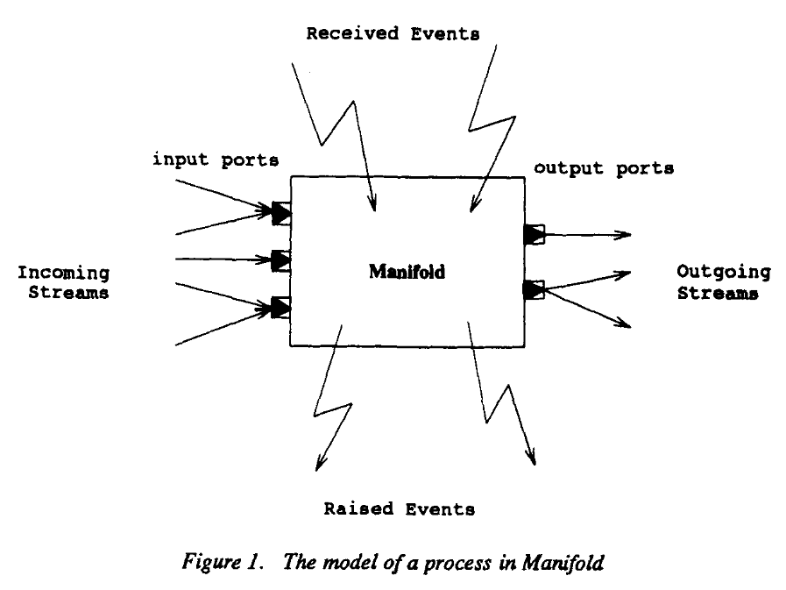
 |  | Tim | BCOoL | Ptolemy | Wright (ADL) | MontiArc (ADL) | CommUnity (ADL) | Metropolis | MECSYCO | DACCOSIM | UMoC++ | Lingua Franca | Reo | Linda | BIP (ADL or coordination framework?) | Manifold | ForSyDe
Coordination
 | Elements of coordination | Event-Scheduling | Event-Scheduling | Event-Scheduling, Data-Exchange | Data-Exchange | Data-Exchange | Data-Exchange | ? | Data-Exchange | Data-Exchange | Data-Exchange | Data-Exchange | Data-Exchange ? | Data-Exchange | Data-Exchange | Data-Exchange, ? | ?
 | Definition | Dedicated elements | Query based | Architecture based | Architecture based | Architecture based | Architecture based | ? | ? | ? | ? | Architecture based | Architecture based ? | Name based | Architecture based? | Architecture based? | ?
 | Expressiveness | Predefined | Customizable | Predefined | Customizable | Predefined | Predefined? | Predefined? | Predefined? | Predefined? | ? | Predefined | Customizable | Predefined | Predefined? | Predefined? | ?
 | Model of Computation | Logical | Logical | Logical, Physical, Causal | Logical, Causal | Logical, Causal | Logical, Causal | Logical, Causal | Causal | Causal | Causal | Physical, Logical, Causal | Logical, Causal | Causal | Logical, Causal | Causal | Physical, Causal
Goal
 | Execution |  |  |  |  |  | - |  |  |  | - | Execution | - | Execution | Execution |  | Execution
 | Simulation | Simulation | Simulation | Simulation | Simulation | Simulation | Simulation | Simulation | Simulation | Simulation | Simulation | Simulation | Simulation |  |  | Simulation | Simulation
 | Formal verification | Custom properties |  |  | Predefined properties |  | - | Model checking?, Runtime monitoring | Model checking? | - | - | - | - |  | Predefined properties |  | ?
Properties
 | Implementation | Formal language | Formal language | Programming language | Formal language | Programming language | Programming language | Programming language | Co-Simulation | Co-Simulation | Co-Simulation | Programing Language | Programing Language | Programing Language | Programing Language | Unified Execution | Unified Execution
 | Component languages | Heterogeneous | Heterogeneous | Heterogeneous | Homogeneous | Homogeneous | Homogeneous | Heterogeneous? Unclear | Heterogeneous | Heterogeneous | Heterogeneous? | Homogeneous | Homogeneous | Homogeneous | Homogeneous | Homogeneous | Homogeneous
 | Coordination specification | Non-Intrusive | Non-Intrusive | Intrusive | Intrusive | Intrusive | Intrusive | Intrusive | Intrusive? | Intrusive | Intrusive | Intrusive | Non-Intrusive | Intrusive | Non-Intrusive | Non-Intrusive | Intrusive?
 | Domain | Discrete event | Discrete event | Hybrid | Discrete event | Discrete event | Discrete event | ? | Hybrid? | Hybrid? | Hybrid? | Discrete event | Discrete event | Discrete event | Discrete event | Discrete event | Discrete event

