Channels
 | API-Reference CHANNELS: |  | IP-Address PrismaPro: |  | http://192.168.1.100
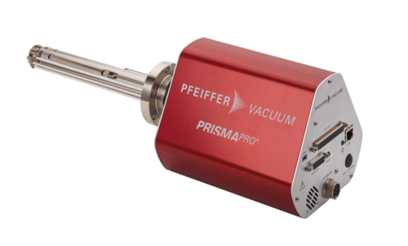
 | The usage of the API is at your own risk !!

 | scanSetup
* | startChannel | get | 3 | set | = 0, after power on PrismaPro
 | stopChannel | get | 3 | set
 | scanCount | get | -1 | set
 | leadInDwell | get | 1 | set | Standard=256 ms
 | dwellGlobal | get | 0 | set | >0 will override dwell
 |  |  |  |  |  |  |  |  |  | => 340
 | channel | 1 | 2 | 3 | 4 | 5 | 6 | 7 | 8
 | startMass | 0 | 0 | 0 | 16 | 18 | 28 | 44 | 0
 | stopMass | 0 | 0 | 100 | 0 | 0 | 0 | 0 | 0
 | ppamu | 5 | 5 | 5 | 10 | 10 | 10 | 10 | 10
 | dwell | 1 | 1 | 128 | 1024 | 1024 | 1024 | 1024 | 1
 | emVoltage | 0 | 0 | 0 | 0 | 0 | 0 | 0 | 0
 | extra | 0 | 0 | 0 | 0 | 0 | 0 | 0 | 0
 | leadIn | 0 | 0 | 0 | 0 | 0 | 0 | 0 | 0
 | enabled | True | True | True | True | True | True | True | True
 | scaleFactor | 1 | 1 | 1 | 1 | 1 | 1 | 1 | 1
 | equivIonFactor | -1 | -1 | -1 | -1 | -1 | -1 | -1 | -1
** | digOutNum | -1 | -1 | -1 | -1 | -1 | -1 | -1 | -1
** | digOutThresUpper | 1.00E+00 | 1.00E+00 | 1.00E+00 | 1.00E+00 | 1.00E+00 | 1.00E+00 | 1.00E+00 | 1.00E+00
** | digOutThresLower | -1.00E+00 | -1.00E+00 | -1.00E+00 | -1.00E+00 | -1.00E+00 | -1.00E+00 | -1.00E+00 | -1.00E+00
 | aONum | 0 | -1 | -1 | -1 | -1 | -1 | -1 | -1
 | aOInputLowLimit | -1E38 | -1.00E38 | -1E38 | -1.00E38 | -1.00E38 | -1.00E38 | -1.00E38 | -1E38
 | aOInputHighLimit | 1E38 | 1.00E38 | 1E38 | 1.00E38 | 1.00E38 | 1.00E38 | 1.00E38 | 1E38
 | aOMode | 3 | 0 | 0 | 0 | 0 | 0 | 0 | 0
 | channelMode | Timestamp | TotalPressure | Sweep | Single | Single | Single | Single | UserTimer1
 |  |  |  | Single | Single |  |  |  |  | x | x | x | x | x | x | x | x | x | x

 |  | To be sure, that the "Set-Function" was working well, press button "Get recipe from startChannel to stopChannel" and check all entries!

 |  | ScanStart =1 |  |  |  | 1 | set
 |  |  |  | ScanStop |  | 1 | set
 |  | scan currently running? |  |  | get
 |  | scans |  |  | get | -1
 |  | scansPow2 |  |  | get | 0

* | If startChannel=0 means, NO RECIPE LOADED
** | Use "VersiCan.." by DigOutThres in Channels

 |  | communication.control: |  |  | get
 |  | communication.controlInfo: |  |  | get

Examples SCAN
 | API: ScanSetup Examples: |  |  | IP-Address PrismaPro: |  |  | http://192.168.1.100

 | The usage of the API is at your own risk !!

 | scanSetup
 | startChannel | get | 1 | set
 | stopChannel | get | 1 | set
 | scanCount | get | 2 | set
 | leadInDwell | get | 1000 | set | Standard=256 ms

 | SCAN
 | channel | 1 | 2 | 3 | 4 | 5 | 6 | 7
 | startMass | 0 | 0 | 0
 | stopMass | 5 | 0 | 0
 | ppamu | 5 | 5 | 5
 | dwell | 1024 | 1 | 32
 | emVoltage | 800 | 0 | 1000 |  |  |  |  | 0=dont override the global Value
 | leadIn | 5 | 0 | 5 |  |  |  |  | =x-times leadInDwell
 | enabled | true | True | True
 | channelMode | Sweep | Timestamp | SystemStatus
 |  | set | set | set | set | set | set | set

 |  | ScanStart =1 |  |  |  | 1 | set
 |  |  |  | ScanStop |  | 1 | set
 |  | scan currently running? |  |  | get
 |  | scans |  |  | get | -1

 | ChannelMode=Sweep (SCAN):

 | Example 1: StartChannel=StopChannel = 1; channelMode="Sweep"
For | ValueNbr = (AmountOfChannelBeforeScan) |  |  |  |  |  |  |  | for | 0
to | (pointsPerScan - (1 + AmountOfChannelAfterScan)) |  |  |  |  |  |  |  | to | 150
do | amu = StartMass + (ValueNbr - (AmountOfChannelBeforeScan )) / ppamu
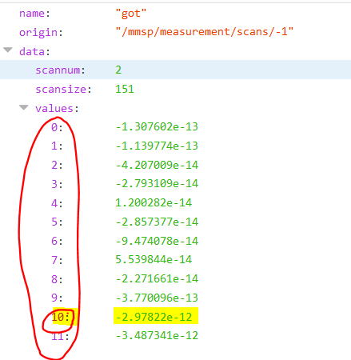

 |  |  |  |  |  |  |  |  | minuswerte:

 | AmountOfChannelBeforeScan |  |  | = Sum of channels with "enabled" on the "left side" before "Sweep"
 |  |  |  | the count starts at: "startChannel"
 | AmountOfChannelAfterScan |  |  | = Sum of channels with "enabled" on the "right side" after "Sweep"
 |  |  |  | the count ends at: "endChannel"

 | for startChannel = endChannel |  | ==> | AmountOfChannelBeforeScan |  |  | = 0
 |  |  | ==> | AmountOfChannelAfterScan |  |  | = 0

 |  | amu | = 10 + (10 -(0))/5
 |  |  | = 12
 |  | The current for mass 12 = 2.97822e-12

 |  | pointPerScan | 151
 |  | StartMass | 10
 |  | ValueNbr | 10
 |  | AmountOfChn BeforeScan | 0
 |  | CountOfChn AfterScan | 0
 |  | ppamu | 5
 |  | amu = | 12
 |  | from ValueNbr | 0
 |  | to ValueNbr | 150

 | Example 2: StartChannel = 1; StopChannel = 3; channelMode="Timestamp";"TotalPressure";"Sweep"

For | ValueNbr = (AmountOfChannelBeforeScan) |  |  |  |  |  |  |  | for | 2
to | (pointsPerScan - (1 + AmountOfChannelAfterScan)) |  |  |  |  |  |  |  | to | 502
do | amu = StartMass + (ValueNbr - (AmountOfChannelBeforeScan )) / ppamu
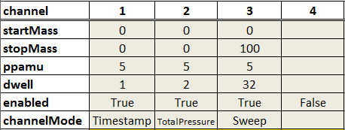
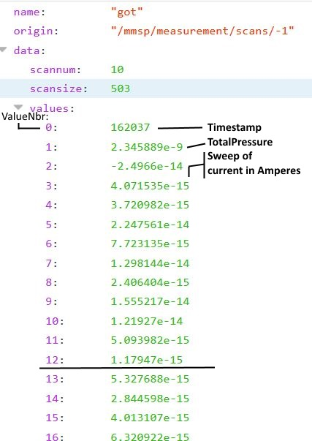

 |  | pointPerScan | 503
 |  | StartMass | 0
 |  | ValueNbr | 12
 |  | AmountOfChn BeforeScan | 2
 |  | CountOfChn AfterScan | 0
 |  | ppamu | 5
 |  | amu = | 2
 |  | from ValueNbr | 2
 |  | to ValueNbr | 502

 |  | amu | = 0 + (12 -(2))/5
 |  |  | = 2.0

 |  | The current for mass 2.0 = 1.17947e-15

 | Example 3: StartChannel = 2; StopChannel = 4; channelMode="Timestamp";"Sweep";"TotalPressure"

For | ValueNbr = (AmountOfChannelBeforeScan) |  |  |  |  |  |  |  | for | 1
to | (pointsPerScan - (1 + AmountOfChannelAfterScan)) |  |  |  |  |  |  |  | to | 501
do | amu = StartMass + (ValueNbr - (AmountOfChannelBeforeScan )) / ppamu

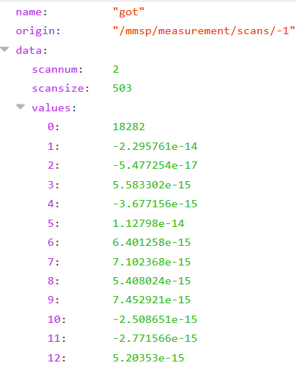

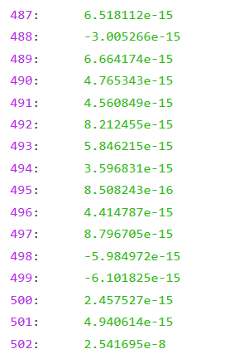

 |  | amu | = 0 + (11 -(1))/5
 |  |  | = 2.0
 |  | The current for mass 2.0 = -2.771566e-15
 |  | The current for mass 1.0 = 6.401258e-15

 |  | pointPerScan | 503
 |  | StartMass | 0
 |  | ValueNbr | 11
 |  | AmountOfChn BeforeScan | 1
 |  | AfterScan | 1
 |  | ppamu | 5
 |  | amu = | 2
 |  | from ValueNbr | 1
 |  | to ValueNbr | 501

example
Example 1: StartChannel=StopChannel = 1; channelMode="Sweep" |  |  |  |  | IP-Address PrismaPro: | http://192.168.1.100
AmountOfChannelBeforeScan = 0 |  |  |  |  | ScanNbr.: | -1
amu = StartMass + (ValueNbr - (AmountOfChannelBeforeScan )) / ppamu

 |  |  |  |  |  | in this example : Startmass:0; Stop Mass:100, ppamu:5; Only this will working for chartdisplay
 | StartMass: | 0 |  |  |  | and StartChannel=StopChannel=1
 | ppamu: | 5

 | name: | got
 | origin: | /mmsp/measurement/scans/-1
 | data:
 |  | scannum: | 1
 |  | scansize: | 501
 |  | values: |  | amu | absolute value | neg. values are multiplied by -1 -> absolute values
 |  | 0 | 1.218137E-14 | 0 | 1.25E-14
 |  | 1 | 1.21814E-14 | 0.1 | 8.47E-15
 |  | 2 | -2.113216E-14 | 0.2 | 1.08E-14
 |  | 3 | 3.175757E-14 | 0.3 | 1.06E-14
 |  | 4 | -2.942003E-14 | 0.4 | 2.09E-14
 |  | 5 | 1.641452E-14 | 0.5 | 5.86E-15
 |  | 6 | -4.670015E-15 | 0.6 | 1.06E-14
 |  | 7 | -1.081697E-14 | 0.7 | 9.86E-15
 |  | 8 | 2.210734E-14 | 0.8 | 1.52E-14
 |  | 9 | -3.157713E-14 | 0.9 | 3.05E-14
 |  | 10 | 3.212249E-14 | 1 | 1.883683E-14
 |  | 11 | -1.769377E-14 | 1.1 | 2.45E-14
 |  | 12 | 4.169263E-15 | 1.2 | 3.85E-15
 |  | 13 | 1.019458E-14 | 1.3 | 2.40E-14
 |  | 14 | -2.452192E-14 | 1.4 | 1.91E-14
 |  | 15 | 3.335513E-14 | 1.5 | 4.11E-15
 |  | 16 | -2.95741E-14 | 1.6 | 5.16E-14
 |  | 17 | 1.817425E-14 | 1.7 | 1.08E-13
 |  | 18 | -2.277729E-15 | 1.8 | 1.76E-13
 |  | 19 | -9.276173E-15 | 1.9 | 1.64E-13
 |  | 20 | 2.702165E-14 | 2 | 1.33E-13
 |  | 21 | -2.956598E-14 | 2.1 | 1.42E-13
 |  | 22 | 3.193597E-14 | 2.2 | 1.20E-13
 |  | 23 | -2.304599E-14 | 2.3 | 1.03E-13
 |  | 24 | 1.134612E-14 | 2.4 | 1.58E-14
 |  | 25 | 1.183269E-14 | 2.5 | 2.48E-15
 |  | 26 | -2.094565E-14 | 2.6 | 2.37E-14
 |  | 27 | 3.485537E-14 | 2.7 | 1.38E-14
 |  | 28 | -2.903076E-14 | 2.8 | 1.53E-14
 |  | 29 | 2.552141E-14 | 2.9 | 1.44E-14
 |  | 30 | -2.310168E-15 | 3 | 3.13E-16
 |  | 31 | -6.470319E-15 | 3.1 | 8.25E-16
 |  | 32 | 2.170187E-14 | 3.2 | 6.32E-15
 |  | 33 | -2.965519E-14 | 3.3 | 5.00E-16
 |  | 34 | 3.405253E-14 | 3.4 | 1.42E-15
 |  | 35 | -1.958328E-14 | 3.5 | 1.18E-14
 |  | 36 | 1.334914E-14 | 3.6 | 1.04E-14
 |  | 37 | 1.077845E-14 | 3.7 | 8.21E-15
 |  | 38 | -2.12457E-14 | 3.8 | 7.79E-15
 |  | 39 | 3.827754E-14 | 3.9 | 2.46E-14
 |  | 40 | -2.77738E-14 | 4 | 3.11E-15
 |  | 41 | 1.845809E-14 | 4.1 | 2.73E-14
 |  | 42 | 8.362877E-16 | 4.2 | 1.59E-14
 |  | 43 | -5.205245E-15 | 4.3 | 9.94E-15
 |  | 44 | 2.579712E-14 | 4.4 | 8.90E-16
 |  | 45 | -3.378291E-14 | 4.5 | 2.15E-14
 |  | 46 | 3.357408E-14 | 4.6 | 5.93E-15
 |  | 47 | -1.758023E-14 | 4.7 | 1.10E-14
 |  | 48 | 4.120598E-15 | 4.8 | 1.04E-14
 |  | 49 | 1.347078E-14 | 4.9 | 1.52E-14
 |  | 50 | -2.326496E-14 | 5 | 1.32E-14
 |  | 51 | 3.364706E-14 | 5.1 | 1.04E-14
 |  | 52 | -3.332066E-14 | 5.2 | 1.62E-14
 |  | 53 | 2.517269E-14 | 5.3 | 5.61E-15
 |  | 54 | -3.972616E-15 | 5.4 | 1.93E-15
 |  | 55 | -3.542812E-15 | 5.5 | 5.05E-15
 |  | 56 | 2.582957E-14 | 5.6 | 4.88E-14
 |  | 57 | -2.980928E-14 | 5.7 | 1.84E-14
 |  | 58 | 3.391468E-14 | 5.8 | 3.35E-14
 |  | 59 | -1.708557E-14 | 5.9 | 5.54E-12
 |  | 60 | 1.287881E-14 | 6 | 1.29E-10
 |  | 61 | 9.343089E-15 | 6.1 | 2.41E-11
 |  | 62 | -2.041043E-14 | 6.2 | 1.80E-11
 |  | 63 | 3.060602E-14 | 6.3 | 1.38E-11
 |  | 64 | -3.073375E-14 | 6.4 | 9.84E-12
 |  | 65 | 2.699733E-14 | 6.5 | 7.96E-12
 |  | 66 | -6.632513E-15 | 6.6 | 5.84E-12
 |  | 67 | -7.029858E-15 | 6.7 | 4.38E-12
 |  | 68 | 2.102066E-14 | 6.8 | 3.60E-12
 |  | 69 | -2.591673E-14 | 6.9 | 2.45E-12
 |  | 70 | 3.899118E-14 | 7 | 2.20E-12
 |  | 71 | -2.332171E-14 | 7.1 | 1.20E-12
 |  | 72 | 8.069902E-15 | 7.2 | 1.42E-12
 |  | 73 | 6.496687E-15 | 7.3 | 8.40E-13
 |  | 74 | -2.345147E-14 | 7.4 | 1.04E-12
 |  | 75 | 3.43607E-14 | 7.5 | 6.78E-13
 |  | 76 | -3.477224E-14 | 7.6 | 4.19E-13
 |  | 77 | 2.528623E-14 | 7.7 | 4.03E-14
 |  | 78 | -4.824092E-15 | 7.8 | 4.75E-13
 |  | 79 | -5.910749E-15 | 7.9 | 4.90E-13
 |  | 80 | 2.25128E-14 | 8 | 3.76E-13
 |  | 81 | -2.525987E-14 | 8.1 | 2.86E-13
 |  | 82 | 3.037897E-14 | 8.2 | 3.65E-13
 |  | 83 | -2.221883E-14 | 8.3 | 5.44E-13
 |  | 84 | 9.797224E-15 | 8.4 | 2.53E-13
 |  | 85 | 8.629453E-15 | 8.5 | 7.55E-14
 |  | 86 | -2.217018E-14 | 8.6 | 1.07E-13
 |  | 87 | 3.830999E-14 | 8.7 | 1.97E-13
 |  | 88 | -2.78549E-14 | 8.8 | 4.28E-13
 |  | 89 | 2.727303E-14 | 8.9 | 7.31E-14
 |  | 90 | -4.832205E-15 | 9 | 1.62E-13
 |  | 91 | -8.003005E-15 | 9.1 | 8.26E-14
 |  | 92 | 2.514027E-14 | 9.2 | 8.88E-14
 |  | 93 | -3.115544E-14 | 9.3 | 1.09E-13
 |  | 94 | 2.894358E-14 | 9.4 | 5.94E-14
 |  | 95 | -2.148089E-14 | 9.5 | 8.71E-14
 |  | 96 | 1.30491E-14 | 9.6 | 3.98E-14
 |  | 97 | 8.783539E-15 | 9.7 | 1.28E-13
 |  | 98 | -2.479762E-14 | 9.8 | 5.56E-14
 |  | 99 | 3.124667E-14 | 9.9 | 1.71E-13
 |  | 100 | -2.655739E-14 | 10 | 1.59E-13
 |  | 101 | 2.370489E-14 | 10.1 | 6.73E-14
 |  | 102 | -8.351706E-15 | 10.2 | 8.84E-14
 |  | 103 | -1.020877E-14 | 10.3 | 2.58E-14
 |  | 104 | 2.479967E-14 | 10.4 | 1.74E-14
 |  | 105 | -3.000389E-14 | 10.5 | 1.20E-13
 |  | 106 | 3.29091E-14 | 10.6 | 2.33E-14
 |  | 107 | -1.461218E-14 | 10.7 | 4.72E-14
 |  | 108 | 1.035676E-14 | 10.8 | 6.59E-15
 |  | 109 | 1.36573E-14 | 10.9 | 4.41E-14
 |  | 110 | -2.543017E-14 | 11 | 7.05E-14
 |  | 111 | 3.289289E-14 | 11.1 | 8.73E-14
 |  | 112 | -2.722236E-14 | 11.2 | 5.48E-14
 |  | 113 | 2.403739E-14 | 11.3 | 2.06E-13
 |  | 114 | -2.958922E-15 | 11.4 | 3.22E-13
 |  | 115 | -9.641109E-15 | 11.5 | 7.66E-14
 |  | 116 | 2.82705E-14 | 11.6 | 1.50E-12
 |  | 117 | -3.29233E-14 | 11.7 | 4.76E-12
 |  | 118 | 3.515542E-14 | 11.8 | 7.96E-12
 |  | 119 | -2.258377E-14 | 11.9 | 9.05E-12
 |  | 120 | 6.764297E-15 | 12 | 9.62E-12
 |  | 121 | 1.529541E-14 | 12.1 | 9.25E-12
 |  | 122 | -2.329741E-14 | 12.2 | 8.27E-12
 |  | 123 | 3.38498E-14 | 12.3 | 6.72E-12
 |  | 124 | -2.817927E-14 | 12.4 | 3.71E-12
 |  | 125 | 2.198569E-14 | 12.5 | 1.37E-13
 |  | 126 | -1.864166E-15 | 12.6 | 7.74E-13
 |  | 127 | -1.309571E-14 | 12.7 | 1.86E-12
 |  | 128 | 3.003836E-14 | 12.8 | 3.92E-12
 |  | 129 | -3.169876E-14 | 12.9 | 4.42E-12
 |  | 130 | 2.679459E-14 | 13 | 4.03E-12
 |  | 131 | -1.209016E-14 | 13.1 | 3.86E-12
 |  | 132 | 2.758218E-15 | 13.2 | 3.69E-12
 |  | 133 | 1.600093E-14 | 13.3 | 3.21E-12
 |  | 134 | -2.967142E-14 | 13.4 | 1.65E-12
 |  | 135 | 3.760447E-14 | 13.5 | 6.95E-13
 |  | 136 | -2.869016E-14 | 13.6 | 2.38E-12
 |  | 137 | 1.505213E-14 | 13.7 | 1.32E-11
 |  | 138 | 1.793189E-15 | 13.8 | 1.79E-11
 |  | 139 | -1.54069E-14 | 13.9 | 2.15E-11
 |  | 140 | 3.123856E-14 | 14 | 2.12E-11
 |  | 141 | -3.084729E-14 | 14.1 | 2.25E-11
 |  | 142 | 2.909767E-14 | 14.2 | 1.86E-11
 |  | 143 | -1.105214E-14 | 14.3 | 1.56E-11
 |  | 144 | -2.35072E-15 | 14.4 | 1.11E-11
 |  | 145 | 2.492131E-14 | 14.5 | 6.47E-13
 |  | 146 | -2.961466E-14 | 14.6 | 1.41E-12
 |  | 147 | 3.111692E-14 | 14.7 | 5.56E-12
 |  | 148 | -2.215395E-14 | 14.8 | 1.02E-11
 |  | 149 | 1.196243E-14 | 14.9 | 1.29E-11
 |  | 150 | 6.488564E-15 | 15 | 1.29E-11
 |  | 151 | -2.246213E-14 | 15.1 | 1.30E-11
 |  | 152 | 3.078444E-14 | 15.2 | 1.12E-11
 |  | 153 | -3.052291E-14 | 15.3 | 9.53E-12
 |  | 154 | 2.031515E-14 | 15.4 | 7.96E-12
 |  | 155 | -1.157115E-14 | 15.5 | 1.94E-12
 |  | 156 | -6.786584E-15 | 15.6 | 7.83E-12
 |  | 157 | 2.470234E-14 | 15.7 | 2.34E-11
 |  | 158 | -3.084728E-14 | 15.8 | 3.57E-11
 |  | 159 | 3.537437E-14 | 15.9 | 4.25E-11
 |  | 160 | -2.026447E-14 | 16 | 4.12E-11
 |  | 161 | 6.18852E-15 | 16.1 | 4.18E-11
 |  | 162 | 1.204353E-14 | 16.2 | 3.60E-11
 |  | 163 | -2.600593E-14 | 16.3 | 3.13E-11
 |  | 164 | 3.135208E-14 | 16.4 | 2.16E-11
 |  | 165 | -3.255025E-14 | 16.5 | 1.46E-12
 |  | 166 | 2.394007E-14 | 16.6 | 5.62E-12
 |  | 167 | -6.835235E-15 | 16.7 | 2.16E-11
 |  | 168 | -2.967035E-15 | 16.8 | 3.70E-11
 |  | 169 | 2.793802E-14 | 16.9 | 4.44E-11
 |  | 170 | -2.81144E-14 | 17 | 4.57E-11
 |  | 171 | 3.039517E-14 | 17.1 | 4.55E-11
 |  | 172 | -1.874799E-14 | 17.2 | 3.96E-11
 |  | 173 | 2.620368E-15 | 17.3 | 3.55E-11
 |  | 174 | 1.42574E-14 | 17.4 | 2.23E-11
 |  | 175 | -2.735211E-14 | 17.5 | 2.41E-12
 |  | 176 | 2.970588E-14 | 17.6 | 1.53E-11
 |  | 177 | -2.671957E-14 | 17.7 | 5.48E-11
 |  | 178 | 2.003132E-14 | 17.8 | 1.00E-10
 |  | 179 | -5.180915E-15 | 17.9 | 1.18E-10
 |  | 180 | -7.840797E-15 | 18 | 1.20E-10
 |  | 181 | 2.546465E-14 | 18.1 | 1.13E-10
 |  | 182 | -3.232321E-14 | 18.2 | 1.02E-10
 |  | 183 | 3.020055E-14 | 18.3 | 8.46E-11
 |  | 184 | -1.715855E-14 | 18.4 | 5.86E-11
 |  | 185 | 5.296486E-15 | 18.5 | 3.10E-12
 |  | 186 | 1.75255E-14 | 18.6 | 2.55E-12
 |  | 187 | -2.941192E-14 | 18.7 | 5.74E-12
 |  | 188 | 3.312805E-14 | 18.8 | 8.38E-12
 |  | 189 | -3.045802E-14 | 18.9 | 1.04E-11
 |  | 190 | 2.020162E-14 | 19 | 1.15E-11
 |  | 191 | 7.876223E-16 | 19.1 | 1.16E-11
 |  | 192 | -1.40202E-14 | 19.2 | 1.01E-11
 |  | 193 | 2.604041E-14 | 19.3 | 8.03E-12
 |  | 194 | -2.890102E-14 | 19.4 | 5.33E-12
 |  | 195 | 3.184676E-14 | 19.5 | 2.00E-13
 |  | 196 | -1.684228E-14 | 19.6 | 4.23E-13
 |  | 197 | 3.983701E-16 | 19.7 | 1.94E-13
 |  | 198 | 1.95853E-14 | 19.8 | 6.49E-13
 |  | 199 | -2.70034E-14 | 19.9 | 9.65E-13
 |  | 200 | 3.098716E-14 | 20 | 8.44E-13
 |  | 201 | -2.988227E-14 | 20.1 | 7.56E-13
 |  | 202 | 1.757416E-14 | 20.2 | 7.77E-13
 |  | 203 | 3.544835E-15 | 20.3 | 2.96E-13
 |  | 204 | -1.83101E-14 | 20.4 | 5.45E-13
 |  | 205 | 3.062224E-14 | 20.5 | 2.63E-13
 |  | 206 | -3.174742E-14 | 20.6 | 5.37E-14
 |  | 207 | 2.780016E-14 | 20.7 | 3.05E-13
 |  | 208 | -1.329035E-14 | 20.8 | 4.68E-13
 |  | 209 | -3.071526E-16 | 20.9 | 3.45E-13
 |  | 210 | 2.349405E-14 | 21 | 5.32E-13
 |  | 211 | -3.065265E-14 | 21.1 | 2.69E-13
 |  | 212 | 3.334701E-14 | 21.2 | 3.07E-13
 |  | 213 | -2.435161E-14 | 21.3 | 1.28E-13
 |  | 214 | 1.842565E-14 | 21.4 | 2.50E-13
 |  | 215 | 5.823589E-15 | 21.5 | 2.91E-13
 |  | 216 | -1.754781E-14 | 21.6 | 1.65E-13
 |  | 217 | 2.877328E-14 | 21.7 | 6.02E-13
 |  | 218 | -3.147172E-14 | 21.8 | 6.90E-13
 |  | 219 | 2.709464E-14 | 21.9 | 5.20E-13
 |  | 220 | -8.32738E-15 | 22 | 1.03E-12
 |  | 221 | -2.496683E-15 | 22.1 | 6.10E-13
 |  | 222 | 2.570792E-14 | 22.2 | 7.39E-13
 |  | 223 | -3.019853E-14 | 22.3 | 4.58E-13
 |  | 224 | 3.411741E-14 | 22.4 | 2.39E-13
 |  | 225 | -2.52842E-14 | 22.5 | 2.55E-14
 |  | 226 | 1.096497E-14 | 22.6 | 7.53E-14
 |  | 227 | 5.856022E-15 | 22.7 | 2.22E-14
 |  | 228 | -1.963194E-14 | 22.8 | 6.19E-14
 |  | 229 | 3.161971E-14 | 22.9 | 3.04E-14
 |  | 230 | -2.620058E-14 | 23 | 1.18E-14
 |  | 231 | 2.548087E-14 | 23.1 | 1.19E-13
 |  | 232 | -1.367961E-14 | 23.2 | 2.96E-14
 |  | 233 | -1.146574E-14 | 23.3 | 3.93E-14
 |  | 234 | 2.246416E-14 | 23.4 | 1.66E-14
 |  | 235 | -2.796032E-14 | 23.5 | 7.62E-14
 |  | 236 | 3.076821E-14 | 23.6 | 8.09E-14
 |  | 237 | -2.282705E-14 | 23.7 | 5.37E-13
 |  | 238 | 6.521003E-15 | 23.8 | 8.28E-13
 |  | 239 | 1.506023E-14 | 23.9 | 7.97E-13
 |  | 240 | -2.623301E-14 | 24 | 1.23E-12
 |  | 241 | 3.327403E-14 | 24.1 | 9.81E-13
 |  | 242 | -2.715749E-14 | 24.2 | 9.20E-13
 |  | 243 | 2.086659E-14 | 24.3 | 1.13E-12
 |  | 244 | -3.656335E-15 | 24.4 | 8.21E-13
 |  | 245 | -9.195078E-15 | 24.5 | 6.83E-14
 |  | 246 | 2.389143E-14 | 24.6 | 2.66E-13
 |  | 247 | -2.977683E-14 | 24.7 | 9.70E-13
 |  | 248 | 3.235766E-14 | 24.8 | 1.83E-12
 |  | 249 | -2.354068E-14 | 24.9 | 2.94E-12
 |  | 250 | 3.747573E-15 | 25 | 2.94E-12
 |  | 251 | 1.562791E-14 | 25.1 | 2.83E-12
 |  | 252 | -2.407591E-14 | 25.2 | 1.95E-12
 |  | 253 | 3.530949E-14 | 25.3 | 1.97E-12
 |  | 254 | -3.246918E-14 | 25.4 | 1.39E-12
 |  | 255 | 2.207489E-14 | 25.5 | 4.35E-13
 |  | 256 | 3.958427E-15 | 25.6 | 1.83E-12
 |  | 257 | -1.515552E-14 | 25.7 | 4.47E-12
 |  | 258 | 2.780826E-14 | 25.8 | 7.92E-12
 |  | 259 | -3.027152E-14 | 25.9 | 1.02E-11
 |  | 260 | 2.957612E-14 | 26 | 9.98E-12
 |  | 261 | -1.552045E-14 | 26.1 | 1.17E-11
 |  | 262 | -3.477925E-15 | 26.2 | 9.95E-12
 |  | 263 | 1.897708E-14 | 26.3 | 7.62E-12
 |  | 264 | -2.881991E-14 | 26.4 | 5.34E-12
 |  | 265 | 3.325781E-14 | 26.5 | 6.78E-13
 |  | 266 | -2.588431E-14 | 26.6 | 1.90E-12
 |  | 267 | 1.150831E-14 | 26.7 | 6.70E-12
 |  | 268 | 4.096277E-15 | 26.8 | 1.26E-11
 |  | 269 | -1.625841E-14 | 26.9 | 1.41E-11
 |  | 270 | 2.827049E-14 | 27 | 1.64E-11
 |  | 271 | -2.939569E-14 | 27.1 | 1.55E-11
 |  | 272 | 2.694866E-14 | 27.2 | 1.35E-11
 |  | 273 | -1.091428E-14 | 27.3 | 1.24E-11
 |  | 274 | -1.401923E-15 | 27.4 | 9.15E-12
 |  | 275 | 2.140992E-14 | 27.5 | 3.53E-12
 |  | 276 | -2.914431E-14 | 27.6 | 9.12E-12
 |  | 277 | 3.90074E-14 | 27.7 | 3.65E-11
 |  | 278 | -2.705207E-14 | 27.8 | 5.67E-11
 |  | 279 | 8.921393E-15 | 27.9 | 6.60E-11
 |  | 280 | 1.013781E-14 | 28 | 7.07E-11
 |  | 281 | -2.584375E-14 | 28.1 | 6.13E-11
 |  | 282 | 3.201707E-14 | 28.2 | 5.46E-11
 |  | 283 | -3.126897E-14 | 28.3 | 4.97E-11
 |  | 284 | 2.329131E-14 | 28.4 | 3.57E-11
 |  | 285 | -6.746032E-15 | 28.5 | 3.74E-12
 |  | 286 | -5.148471E-15 | 28.6 | 1.87E-12
 |  | 287 | 2.209921E-14 | 28.7 | 5.84E-12
 |  | 288 | -3.020663E-14 | 28.8 | 1.16E-11
 |  | 289 | 3.448233E-14 | 28.9 | 1.18E-11
 |  | 290 | -2.208097E-14 | 29 | 1.36E-11
 |  | 291 | 4.10439E-15 | 29.1 | 1.40E-11
 |  | 292 | 1.177592E-14 | 29.2 | 1.12E-11
 |  | 293 | -2.392182E-14 | 29.3 | 1.06E-11
 |  | 294 | 3.55771E-14 | 29.4 | 8.20E-12
 |  | 295 | -2.661415E-14 | 29.5 | 2.89E-12
 |  | 296 | 2.321833E-14 | 29.6 | 1.84E-12
 |  | 297 | -7.329931E-15 | 29.7 | 3.99E-12
 |  | 298 | -1.071154E-14 | 29.8 | 6.21E-12
 |  | 299 | 3.37687E-14 | 29.9 | 8.17E-12
 |  | 300 | -2.885235E-14 | 30 | 8.82E-12
 |  | 301 | 2.978697E-14 | 30.1 | 8.30E-12
 |  | 302 | -2.217829E-14 | 30.2 | 6.49E-12
 |  | 303 | 1.882397E-15 | 30.3 | 6.26E-12
 |  | 304 | 1.249765E-14 | 30.4 | 4.91E-12
 |  | 305 | -2.570589E-14 | 30.5 | 2.54E-12
 |  | 306 | 3.015189E-14 | 30.6 | 3.12E-13
 |  | 307 | -3.081485E-14 | 30.7 | 8.60E-13
 |  | 308 | 2.238306E-14 | 30.8 | 1.13E-12
 |  | 309 | 2.223017E-15 | 30.9 | 1.93E-12
 |  | 310 | -1.269024E-14 | 31 | 1.69E-12
 |  | 311 | 2.636479E-14 | 31.1 | 1.62E-12
 |  | 312 | -3.25827E-14 | 31.2 | 1.47E-12
 |  | 313 | 2.835161E-14 | 31.3 | 1.67E-12
 |  | 314 | -1.606379E-14 | 31.4 | 1.02E-12
 |  | 315 | -1.79117E-15 | 31.5 | 6.54E-13
 |  | 316 | 1.896898E-14 | 31.6 | 5.21E-13
 |  | 317 | -2.791167E-14 | 31.7 | 1.40E-12
 |  | 318 | 3.632317E-14 | 31.8 | 2.07E-12
 |  | 319 | -2.226749E-14 | 31.9 | 2.33E-12
 |  | 320 | 1.103796E-14 | 32 | 1.69E-12
 |  | 321 | -1.182969E-15 | 32.1 | 2.61E-12
 |  | 322 | -1.578807E-14 | 32.2 | 2.14E-12
 |  | 323 | 2.728114E-14 | 32.3 | 1.99E-12
 |  | 324 | -2.983359E-14 | 32.4 | 1.51E-12
 |  | 325 | 2.726494E-14 | 32.5 | 6.31E-13
 |  | 326 | -1.15225E-14 | 32.6 | 1.05E-13
 |  | 327 | -6.639658E-16 | 32.7 | 6.88E-14
 |  | 328 | 2.098013E-14 | 32.8 | 2.60E-14
 |  | 329 | -3.178798E-14 | 32.9 | 1.59E-13
 |  | 330 | 2.909767E-14 | 33 | 2.45E-13
 |  | 331 | -2.352445E-14 | 33.1 | 8.55E-15
 |  | 332 | 1.360055E-14 | 33.2 | 2.43E-14
 |  | 333 | 3.674576E-15 | 33.3 | 1.10E-13
 |  | 334 | -1.970492E-14 | 33.4 | 9.68E-14
 |  | 335 | 3.186298E-14 | 33.5 | 6.00E-14
 |  | 336 | -3.139872E-14 | 33.6 | 1.09E-13
 |  | 337 | 2.307236E-14 | 33.7 | 1.20E-13
 |  | 338 | -9.081568E-15 | 33.8 | 2.03E-13
 |  | 339 | -3.923956E-15 | 33.9 | 2.11E-13
 |  | 340 | 2.26669E-14 | 34 | 1.17E-13
 |  | 341 | -3.14636E-14 | 34.1 | 1.97E-14
 |  | 342 | 3.262528E-14 | 34.2 | 2.38E-14
 |  | 343 | -2.182147E-14 | 34.3 | 1.14E-14
 |  | 344 | 6.715641E-15 | 34.4 | 1.08E-13
 |  | 345 | 9.699902E-15 | 34.5 | 4.34E-14
 |  | 346 | -2.089701E-14 | 34.6 | 1.62E-13
 |  | 347 | 3.025733E-14 | 34.7 | 3.47E-13
 |  | 348 | -3.042559E-14 | 34.8 | 2.55E-13
 |  | 349 | 1.816616E-14 | 34.9 | 2.96E-13
 |  | 350 | -2.796741E-15 | 35 | 5.52E-13
 |  | 351 | -9.6411E-15 | 35.1 | 1.86E-13
 |  | 352 | 2.57728E-14 | 35.2 | 4.63E-13
 |  | 353 | -3.24124E-14 | 35.3 | 4.27E-13
 |  | 354 | 3.148996E-14 | 35.4 | 4.09E-13
 |  | 355 | -1.865068E-14 | 35.5 | 3.39E-13
 |  | 356 | 4.534185E-15 | 35.6 | 2.31E-13
 |  | 357 | 1.350323E-14 | 35.7 | 5.05E-13
 |  | 358 | -2.918484E-14 | 35.8 | 5.56E-13
 |  | 359 | 3.453099E-14 | 35.9 | 4.21E-13
 |  | 360 | -2.87226E-14 | 36 | 8.92E-13
 |  | 361 | 1.680377E-14 | 36.1 | 1.05E-12
 |  | 362 | -1.044109E-16 | 36.2 | 8.47E-13
 |  | 363 | -1.271458E-14 | 36.3 | 8.45E-13
 |  | 364 | 2.747579E-14 | 36.4 | 5.39E-13
 |  | 365 | -3.190962E-14 | 36.5 | 4.84E-13
 |  | 366 | 3.027354E-14 | 36.6 | 2.80E-13
 |  | 367 | -1.457165E-14 | 36.7 | 7.55E-13
 |  | 368 | 1.412055E-15 | 36.8 | 6.80E-13
 |  | 369 | 1.844188E-14 | 36.9 | 7.05E-13
 |  | 370 | -2.85361E-14 | 37 | 9.40E-13
 |  | 371 | 3.621776E-14 | 37.1 | 9.31E-13
 |  | 372 | -3.177176E-14 | 37.2 | 9.24E-13
 |  | 373 | 1.930959E-14 | 37.3 | 8.28E-13
 |  | 374 | 1.014685E-15 | 37.4 | 7.05E-13
 |  | 375 | -1.393909E-14 | 37.5 | 5.94E-13
 |  | 376 | 2.780016E-14 | 37.6 | 3.57E-13
 |  | 377 | -3.255026E-14 | 37.7 | 6.34E-13
 |  | 378 | 2.629181E-14 | 37.8 | 1.69E-12
 |  | 379 | -1.083319E-14 | 37.9 | 1.80E-12
 |  | 380 | 3.698912E-15 | 38 | 1.38E-12
 |  | 381 | 2.428878E-14 | 38.1 | 1.75E-12
 |  | 382 | -2.701152E-14 | 38.2 | 1.45E-12
 |  | 383 | 3.632317E-14 | 38.3 | 1.54E-12
 |  | 384 | -2.634655E-14 | 38.4 | 1.16E-12
 |  | 385 | 1.22706E-14 | 38.5 | 1.45E-12
 |  | 386 | 9.229551E-15 | 38.6 | 1.42E-12
 |  | 387 | -2.240535E-14 | 38.7 | 3.10E-12
 |  | 388 | 3.865869E-14 | 38.8 | 4.37E-12
 |  | 389 | -2.905509E-14 | 38.9 | 5.51E-12
 |  | 390 | 2.833539E-14 | 39 | 5.15E-12
 |  | 391 | -9.705972E-15 | 39.1 | 5.86E-12
 |  | 392 | -5.505294E-15 | 39.2 | 5.84E-12
 |  | 393 | 2.261825E-14 | 39.3 | 5.08E-12
 |  | 394 | -3.564806E-14 | 39.4 | 4.08E-12
 |  | 395 | 2.942205E-14 | 39.5 | 3.16E-12
 |  | 396 | -2.238914E-14 | 39.6 | 2.92E-12
 |  | 397 | 1.263552E-14 | 39.7 | 2.29E-12
 |  | 398 | 7.380617E-15 | 39.8 | 2.55E-12
 |  | 399 | -2.386504E-14 | 39.9 | 3.52E-12
 |  | 400 | 3.146562E-14 | 40 | 4.12E-12
 |  | 401 | -3.182041E-14 | 40.1 | 4.45E-12
 |  | 402 | 2.625937E-14 | 40.2 | 3.55E-12
 |  | 403 | -1.076831E-14 | 40.3 | 3.35E-12
 |  | 404 | -5.667484E-15 | 40.4 | 3.42E-12
 |  | 405 | 2.644587E-14 | 40.5 | 2.89E-12
 |  | 406 | -2.731966E-14 | 40.6 | 2.88E-12
 |  | 407 | 3.48878E-14 | 40.7 | 4.86E-12
 |  | 408 | -2.806574E-14 | 40.8 | 7.20E-12
 |  | 409 | 8.499698E-15 | 40.9 | 9.57E-12
 |  | 410 | 1.067303E-14 | 41 | 9.85E-12
 |  | 411 | -1.903994E-14 | 41.1 | 9.43E-12
 |  | 412 | 3.230901E-14 | 41.2 | 1.00E-11
 |  | 413 | -3.148792E-14 | 41.3 | 8.08E-12
 |  | 414 | 2.407793E-14 | 41.4 | 7.92E-12
 |  | 415 | -7.094741E-15 | 41.5 | 6.93E-12
 |  | 416 | -1.397154E-14 | 41.6 | 7.72E-12
 |  | 417 | 2.792179E-14 | 41.7 | 9.28E-12
 |  | 418 | -2.826036E-14 | 41.8 | 1.17E-11
 |  | 419 | 3.15305E-14 | 41.9 | 1.44E-11
 |  | 420 | -2.365421E-14 | 42 | 1.41E-11
 |  | 421 | 9.562043E-15 | 42.1 | 1.55E-11
 |  | 422 | 1.145153E-14 | 42.2 | 1.47E-11
 |  | 423 | -2.358122E-14 | 42.3 | 1.19E-11
 |  | 424 | 3.148183E-14 | 42.4 | 1.19E-11
 |  | 425 | -2.655739E-14 | 42.5 | 1.08E-11
 |  | 426 | 2.426445E-14 | 42.6 | 8.27E-12
 |  | 427 | -2.602118E-15 | 42.7 | 5.09E-12
 |  | 428 | -8.367923E-15 | 42.8 | 5.86E-12
 |  | 429 | 2.642155E-14 | 42.9 | 7.87E-12
 |  | 430 | -3.1196E-14 | 43 | 7.79E-12
 |  | 431 | 3.336324E-14 | 43.1 | 9.47E-12
 |  | 432 | -1.735318E-14 | 43.2 | 8.48E-12
 |  | 433 | 9.732336E-15 | 43.3 | 7.50E-12
 |  | 434 | 1.212461E-14 | 43.4 | 7.10E-12
 |  | 435 | -2.298924E-14 | 43.5 | 8.57E-12
 |  | 436 | 3.05817E-14 | 43.6 | 2.11E-11
 |  | 437 | -3.263946E-14 | 43.7 | 3.56E-11
 |  | 438 | 2.252092E-14 | 43.8 | 4.33E-11
 |  | 439 | -3.226551E-15 | 43.9 | 4.96E-11
 |  | 440 | -6.267572E-15 | 44 | 5.48E-11
 |  | 441 | 2.717573E-14 | 44.1 | 5.39E-11
 |  | 442 | -2.89659E-14 | 44.2 | 5.23E-11
 |  | 443 | 3.672864E-14 | 44.3 | 4.80E-11
 |  | 444 | -1.861826E-14 | 44.4 | 3.87E-11
 |  | 445 | 6.521012E-15 | 44.5 | 3.50E-11
 |  | 446 | 6.748065E-15 | 44.6 | 2.45E-11
 |  | 447 | -2.15863E-14 | 44.7 | 4.00E-12
 |  | 448 | 3.278747E-14 | 44.8 | 2.39E-12
 |  | 449 | -2.730345E-14 | 44.9 | 2.73E-12
 |  | 450 | 2.463747E-14 | 45 | 3.27E-12
 |  | 451 | -3.615788E-15 | 45.1 | 3.19E-12
 |  | 452 | -1.088996E-14 | 45.2 | 2.64E-12
 |  | 453 | 2.373734E-14 | 45.3 | 2.90E-12
 |  | 454 | -3.019852E-14 | 45.4 | 2.76E-12
 |  | 455 | 3.361462E-14 | 45.5 | 2.30E-12
 |  | 456 | -1.723154E-14 | 45.6 | 1.71E-12
 |  | 457 | 1.199487E-14 | 45.7 | 1.57E-12
 |  | 458 | 6.48046E-15 | 45.8 | 1.21E-12
 |  | 459 | -2.637087E-14 | 45.9 | 1.65E-12
 |  | 460 | 3.347677E-14 | 46 | 1.58E-12
 |  | 461 | -3.152037E-14 | 46.1 | 1.34E-12
 |  | 462 | 2.449151E-14 | 46.2 | 1.34E-12
 |  | 463 | -8.303045E-15 | 46.3 | 9.42E-13
 |  | 464 | -8.440904E-15 | 46.4 | 1.49E-12
 |  | 465 | 1.931768E-14 | 46.5 | 9.22E-13
 |  | 466 | -3.181231E-14 | 46.6 | 1.35E-12
 |  | 467 | 3.312806E-14 | 46.7 | 5.71E-13
 |  | 468 | -2.377584E-14 | 46.8 | 1.50E-13
 |  | 469 | 8.572693E-15 | 46.9 | 2.35E-13
 |  | 470 | 3.925993E-15 | 47 | 1.36E-13
 |  | 471 | -2.106729E-14 | 47.1 | 1.74E-13
 |  | 472 | 2.900847E-14 | 47.2 | 2.35E-13
 |  | 473 | -2.878749E-14 | 47.3 | 1.68E-13
 |  | 474 | 2.115854E-14 | 47.4 | 3.60E-13
 |  | 475 | -8.449003E-15 | 47.5 | 2.46E-13
 |  | 476 | -8.449017E-15 | 47.6 | 4.01E-13
 |  | 477 | 2.28534E-14 | 47.7 | 6.12E-13
 |  | 478 | -2.834958E-14 | 47.8 | 6.14E-13
 |  | 479 | 2.883817E-14 | 47.9 | 8.06E-13
 |  | 480 | -2.496794E-14 | 48 | 5.54E-13
 |  | 481 | 8.986257E-15 | 48.1 | 6.18E-13
 |  | 482 | 8.288847E-15 | 48.2 | 8.32E-13
 |  | 483 | -2.555992E-14 | 48.3 | 7.51E-13
 |  | 484 | 3.236577E-14 | 48.4 | 5.41E-13
 |  | 485 | -2.9493E-14 | 48.5 | 5.60E-13
 |  | 486 | 2.788937E-14 | 48.6 | 2.45E-13
 |  | 487 | -6.356799E-15 | 48.7 | 3.60E-13
 |  | 488 | -1.122244E-14 | 48.8 | 2.92E-14
 |  | 489 | 2.599987E-14 | 48.9 | 3.31E-14
 |  | 490 | -2.76116E-14 | 49 | 8.39E-14
 |  | 491 | 3.287666E-14 | 49.1 | 3.92E-13
 |  | 492 | -2.290003E-14 | 49.2 | 2.75E-13
 |  | 493 | 1.026756E-14 | 49.3 | 7.76E-14
 |  | 494 | 6.902151E-15 | 49.4 | 1.05E-13
 |  | 495 | -2.130247E-14 | 49.5 | 9.64E-14
 |  | 496 | 2.964099E-14 | 49.6 | 5.31E-13
 |  | 497 | -3.40505E-14 | 49.7 | 9.73E-13
 |  | 498 | 2.424822E-14 | 49.8 | 5.57E-13
 |  | 499 | -9.138323E-15 | 49.9 | 8.98E-13
 |  | 500 | -4.507826E-15 | 50 | 1.34E-12
 |  | 501 | 2.709058E-14 | 50.1 | 1.02E-12
 |  | 502 | -2.056857E-14 | 50.2 | 6.94E-13
 |  | 503 | -2.489642E-15 | 50.3 | 6.41E-13
 |  | 504 | 4.508365E-13 | 50.4 | 8.32E-13
 |  | 505 | 2.275825E-13 | 50.5 | 9.18E-13
 |  | 506 | -2.717581E-13 | 50.6 | 1.04E-12
 |  | 507 | -3.055132E-13 | 50.7 | 7.97E-13
 |  | 508 | 1.877817E-13 | 50.8 | 9.11E-13
 |  | 509 | 4.471084E-13 | 50.9 | 5.96E-13
 |  | 510 | 4.446522E-14 | 51 | 9.71E-13
 |  | 511 | -3.82663E-13 | 51.1 | 9.08E-13
 |  | 512 | -1.553113E-13 | 51.2 | 1.35E-12
 |  | 513 | 3.58539E-13 | 51.3 | 9.03E-13
 |  | 514 | 3.559192E-13 | 51.4 | 5.58E-13
 |  | 515 | -1.450672E-13 | 51.5 | 1.09E-12
 |  | 516 | -3.841408E-13 | 51.6 | 8.56E-13
 |  | 517 | 2.998915E-14 | 51.7 | 6.35E-13
 |  | 518 | 4.429771E-13 | 51.8 | 3.47E-13
 |  | 519 | 2.056501E-13 | 51.9 | 6.08E-13
 |  | 520 | -3.006431E-13 | 52 | 8.48E-13
 |  | 521 | -2.842525E-13 | 52.1 | 8.70E-13
 |  | 522 | 2.15995E-13 | 52.2 | 7.22E-13
 |  | 523 | 4.335728E-13 | 52.3 | 7.33E-13
 |  | 524 | 2.276791E-14 | 52.4 | 6.20E-13
 |  | 525 | -3.881041E-13 | 52.5 | 4.01E-13
 |  | 526 | -1.298523E-13 | 52.6 | 7.92E-13
 |  | 527 | 3.777508E-13 | 52.7 | 1.04E-12
 |  | 528 | 3.414095E-13 | 52.8 | 1.23E-12
 |  | 529 | -1.763705E-13 | 52.9 | 2.27E-12
 |  | 530 | -3.704036E-13 | 53 | 1.46E-12
 |  | 531 | 7.647381E-14 | 53.1 | 1.17E-12
 |  | 532 | 4.516426E-13 | 53.2 | 2.04E-12
 |  | 533 | 1.800567E-13 | 53.3 | 1.48E-12
 |  | 534 | -3.341295E-13 | 53.4 | 8.83E-13
 |  | 535 | -2.618163E-13 | 53.5 | 9.64E-13
 |  | 536 | 2.549561E-13 | 53.6 | 9.92E-13
 |  | 537 | 4.159059E-13 | 53.7 | 9.14E-13
 |  | 538 | -1.484974E-14 | 53.8 | 1.16E-12
 |  | 539 | -3.982138E-13 | 53.9 | 1.15E-12
 |  | 540 | -9.46193E-14 | 54 | 9.44E-13
 |  | 541 | 4.106327E-13 | 54.1 | 8.15E-13
 |  | 542 | 3.094345E-13 | 54.2 | 8.19E-13
 |  | 543 | -2.032738E-13 | 54.3 | 7.29E-13
 |  | 544 | -3.391004E-13 | 54.4 | 1.13E-12
 |  | 545 | 1.02168E-13 | 54.5 | 6.94E-13
 |  | 546 | 4.586288E-13 | 54.6 | 1.08E-12
 |  | 547 | 1.346804E-13 | 54.7 | 1.67E-12
 |  | 548 | -3.505872E-13 | 54.8 | 1.59E-12
 |  | 549 | -2.224185E-13 | 54.9 | 1.83E-12
 |  | 550 | 2.84748E-13 | 55 | 3.08E-12
 |  | 551 | 4.046542E-13 | 55.1 | 2.37E-12
 |  | 552 | -5.572535E-14 | 55.2 | 2.34E-12
 |  | 553 | -4.070473E-13 | 55.3 | 2.23E-12
 |  | 554 | -6.808542E-14 | 55.4 | 1.42E-12
 |  | 555 | 4.263851E-13 | 55.5 | 2.31E-12
 |  | 556 | 2.744702E-13 | 55.6 | 1.83E-12
 |  | 557 | -2.429403E-13 | 55.7 | 1.77E-12
 |  | 558 | -3.342303E-13 | 55.8 | 2.99E-12
 |  | 559 | 1.269218E-13 | 55.9 | 2.16E-12
 |  | 560 | 4.584272E-13 | 56 | 1.72E-12
 |  | 561 | 1.008917E-13 | 56.1 | 1.61E-12
 |  | 562 | -3.619061E-13 | 56.2 | 1.83E-12
 |  | 563 | -2.026693E-13 | 56.3 | 2.24E-12
 |  | 564 | 3.122223E-13 | 56.4 | 1.54E-12
 |  | 565 | 3.97433E-13 | 56.5 | 1.34E-12
 |  | 566 | -9.068961E-14 | 56.6 | 1.34E-12
 |  | 567 | -3.960643E-13 | 56.7 | 1.65E-12
 |  | 568 | -2.569841E-14 | 56.8 | 1.74E-12
 |  | 569 | 4.358903E-13 | 56.9 | 1.52E-12
 |  | 570 | 2.516646E-13 | 57 | 1.07E-12
 |  | 571 | -2.690375E-13 | 57.1 | 1.11E-12
 |  | 572 | -3.240869E-13 | 57.2 | 1.31E-12
 |  | 573 | 1.628265E-13 | 57.3 | 1.53E-12
 |  | 574 | 4.66018E-13 | 57.4 | 1.20E-12
 |  | 575 | 6.592743E-14 | 57.5 | 1.42E-12
 |  | 576 | -3.719822E-13 | 57.6 | 1.32E-12
 |  | 577 | -1.702912E-13 | 57.7 | 1.27E-12
 |  | 578 | 3.458094E-13 | 57.8 | 9.61E-13
 |  | 579 | 3.685816E-13 | 57.9 | 1.06E-12
 |  | 580 | -1.283072E-13 | 58 | 3.36E-13
 |  | 581 | -3.879362E-13 | 58.1 | 4.00E-13
 |  | 582 | 3.186567E-15 | 58.2 | 1.20E-12
 |  | 583 | 4.472092E-13 | 58.3 | 9.09E-13
 |  | 584 | 2.171705E-13 | 58.4 | 6.13E-13
 |  | 585 | -2.858983E-13 | 58.5 | 6.17E-13
 |  | 586 | -2.959073E-13 | 58.6 | 6.40E-13
 |  | 587 | 1.91745E-13 | 58.7 | 5.76E-13
 |  | 588 | 4.543632E-13 | 58.8 | 5.55E-13
 |  | 589 | 4.251716E-14 | 58.9 | 6.51E-13
 |  | 590 | -3.855179E-13 | 59 | 1.74E-13
 |  | 591 | -1.532961E-13 | 59.1 | 1.88E-13
 |  | 592 | 3.719067E-13 | 59.2 | 4.31E-13
 |  | 593 | 3.49672E-13 | 59.3 | 9.60E-14
 |  | 594 | -1.463771E-13 | 59.4 | 3.63E-13
 |  | 595 | -3.755425E-13 | 59.5 | 4.26E-13
 |  | 596 | 3.885618E-14 | 59.6 | 5.05E-13
 |  | 597 | 4.55035E-13 | 59.7 | 2.88E-13
 |  | 598 | 1.950702E-13 | 59.8 | 7.63E-13
 |  | 599 | -3.236503E-13 | 59.9 | 6.32E-13
 |  | 600 | -2.703138E-13 | 60 | 4.07E-13
 |  | 601 | 2.385991E-13 | 60.1 | 5.42E-13
 |  | 602 | 4.227913E-13 | 60.2 | 6.99E-13
 |  | 603 | 7.01118E-16 | 60.3 | 4.64E-13
 |  | 604 | -3.943178E-13 | 60.4 | 5.29E-13
 |  | 605 | -1.118159E-13 | 60.5 | 6.28E-13
 |  | 606 | 3.917567E-13 | 60.6 | 5.53E-13
 |  | 607 | 3.232389E-13 | 60.7 | 3.23E-13
 |  | 608 | -1.980678E-13 | 60.8 | 1.78E-13
 |  | 609 | -3.672129E-13 | 60.9 | 1.20E-13
 |  | 610 | 8.665073E-14 | 61 | 1.22E-14
 |  | 611 | 4.618532E-13 | 61.1 | 2.18E-13
 |  | 612 | 1.490893E-13 | 61.2 | 6.22E-14
 |  | 613 | -3.390668E-13 | 61.3 | 3.93E-14
 |  | 614 | -2.529157E-13 | 61.4 | 2.50E-13
 |  | 615 | 2.683238E-13 | 61.5 | 1.01E-13
 |  | 616 | 4.139243E-13 | 61.6 | 1.24E-15
 |  | 617 | -4.292861E-14 | 61.7 | 2.74E-13
 |  | 618 | -3.93075E-13 | 61.8 | 1.09E-13
 |  | 619 | -7.114185E-14 | 61.9 | 1.02E-13
 |  | 620 | 4.097259E-13 | 62 | 3.22E-13
 |  | 621 | 2.947905E-13 | 62.1 | 2.55E-13
 |  | 622 | -2.263483E-13 | 62.2 | 2.08E-13
 |  | 623 | -3.503857E-13 | 62.3 | 2.03E-14
 |  | 624 | 1.243355E-13 | 62.4 | 6.62E-14
 |  | 625 | 4.571174E-13 | 62.5 | 3.74E-15
 |  | 626 | 1.329003E-13 | 62.6 | 7.47E-14
 |  | 627 | -3.62813E-13 | 62.7 | 2.19E-13
 |  | 628 | -2.143912E-13 | 62.8 | 3.00E-13
 |  | 629 | 3.074193E-13 | 62.9 | 4.03E-13
 |  | 630 | 3.944437E-13 | 63 | 2.42E-13
 |  | 631 | -7.584406E-14 | 63.1 | 2.52E-13
 |  | 632 | -4.041924E-13 | 63.2 | 1.71E-13
 |  | 633 | -3.611043E-14 | 63.3 | 6.54E-14
 |  | 634 | 4.2615E-13 | 63.4 | 2.64E-13
 |  | 635 | 2.691971E-13 | 63.5 | 5.04E-13
 |  | 636 | -2.644361E-13 | 63.6 | 1.00E-12
 |  | 637 | -3.245907E-13 | 63.7 | 1.04E-12
 |  | 638 | 1.604082E-13 | 63.8 | 9.38E-13
 |  | 639 | 4.55035E-13 | 63.9 | 7.69E-13
 |  | 640 | 8.769193E-14 | 64 | 9.05E-13
 |  | 641 | -3.7786E-13 | 64.1 | 9.98E-13
 |  | 642 | -1.863459E-13 | 64.2 | 9.56E-13
 |  | 643 | 3.330128E-13 | 64.3 | 1.27E-12
 |  | 644 | 3.847034E-13 | 64.4 | 8.57E-13
 |  | 645 | -1.19944E-13 | 64.5 | 1.02E-12
 |  | 646 | -3.89246E-13 | 64.6 | 7.48E-13
 |  | 647 | 7.92238E-15 | 64.7 | 7.94E-13
 |  | 648 | 4.454291E-13 | 64.8 | 7.94E-13
 |  | 649 | 2.279856E-13 | 64.9 | 6.99E-13
 |  | 650 | -2.891562E-13 | 65 | 5.05E-13
 |  | 651 | -2.938585E-13 | 65.1 | 8.78E-13
 |  | 652 | 2.025601E-13 | 65.2 | 1.75E-13
 |  | 653 | 4.389131E-13 | 65.3 | 5.08E-13
 |  | 654 | 4.721938E-14 | 65.4 | 1.40E-13
 |  | 655 | -3.834019E-13 | 65.5 | 3.63E-13
 |  | 656 | -1.546396E-13 | 65.6 | 3.98E-13
 |  | 657 | 3.705968E-13 | 65.7 | 5.36E-13
 |  | 658 | 3.599832E-13 | 65.8 | 7.00E-13
 |  | 659 | -1.524228E-13 | 65.9 | 7.34E-13
 |  | 660 | -3.683884E-13 | 66 | 3.87E-13
 |  | 661 | 4.19126E-14 | 66.1 | 5.18E-13
 |  | 662 | 4.557403E-13 | 66.2 | 4.40E-13
 |  | 663 | 1.849268E-13 | 66.3 | 6.00E-13
 |  | 664 | -3.145146E-13 | 66.4 | 4.40E-13
 |  | 665 | -2.800541E-13 | 66.5 | 1.80E-13
 |  | 666 | 2.409503E-13 | 66.6 | 5.21E-13
 |  | 667 | 4.167791E-13 | 66.7 | 8.70E-13
 |  | 668 | 2.447651E-15 | 66.8 | 8.89E-13
 |  | 669 | -3.976764E-13 | 66.9 | 1.53E-12
 |  | 670 | -1.136296E-13 | 67 | 1.97E-12
 |  | 671 | 3.904132E-13 | 67.1 | 1.08E-12
 |  | 672 | 3.149428E-13 | 67.2 | 7.73E-13
 |  | 673 | -1.941046E-13 | 67.3 | 1.22E-12
 |  | 674 | -3.560955E-13 | 67.4 | 1.06E-12
 |  | 675 | 9.390556E-14 | 67.5 | 8.25E-13
 |  | 676 | 4.603081E-13 | 67.6 | 1.21E-12
 |  | 677 | 1.446894E-13 | 67.7 | 1.13E-12
 |  | 678 | -3.486391E-13 | 67.8 | 1.13E-12
 |  | 679 | -2.30513E-13 | 67.9 | 8.22E-13
 |  | 680 | 2.824976E-13 | 68 | 6.53E-13
 |  | 681 | 4.222203E-13 | 68.1 | 5.34E-13
 |  | 682 | -4.95117E-14 | 68.2 | 8.96E-13
 |  | 683 | -3.958963E-13 | 68.3 | 9.51E-13
 |  | 684 | -6.415572E-14 | 68.4 | 7.12E-13
 |  | 685 | 4.1557E-13 | 68.5 | 5.88E-13
 |  | 686 | 2.885769E-13 | 68.6 | 6.66E-13
 |  | 687 | -2.348122E-13 | 68.7 | 7.62E-13
 |  | 688 | -3.419889E-13 | 68.8 | 1.12E-12
 |  | 689 | 1.280637E-13 | 68.9 | 8.54E-13
 |  | 690 | 4.61215E-13 | 69 | 7.60E-13
 |  | 691 | 1.047206E-13 | 69.1 | 1.16E-12
 |  | 692 | -3.651305E-13 | 69.2 | 9.47E-13
 |  | 693 | -1.987396E-13 | 69.3 | 9.72E-13
 |  | 694 | 3.09233E-13 | 69.4 | 6.93E-13
 |  | 695 | 3.911186E-13 | 69.5 | 7.36E-13
 |  | 696 | -9.0656E-14 | 69.6 | 1.03E-12
 |  | 697 | -3.899178E-13 | 69.7 | 9.09E-13
 |  | 698 | -2.54297E-14 | 69.8 | 6.54E-13
 |  | 699 | 4.339086E-13 | 69.9 | 9.49E-13
 |  | 700 | 2.537469E-13 | 70 | 7.27E-13
 |  | 701 | -2.719932E-13 | 70.1 | 6.29E-13
 |  | 702 | -3.234823E-13 | 70.2 | 4.60E-13
 |  | 703 | 1.597364E-13 | 70.3 | 7.10E-13
 |  | 704 | 4.593341E-13 | 70.4 | 8.35E-13
 |  | 705 | 5.779936E-14 | 70.5 | 8.46E-13
 |  | 706 | -3.772219E-13 | 70.6 | 3.92E-13
 |  | 707 | -1.785537E-13 | 70.7 | 1.02E-12
 |  | 708 | 3.52762E-13 | 70.8 | 4.44E-13
 |  | 709 | 3.724105E-13 | 70.9 | 7.58E-13
 |  | 710 | -1.348231E-13 | 71 | 1.06E-12
 |  | 711 | -3.834019E-13 | 71.1 | 1.76E-13
 |  | 712 | 1.410242E-14 | 71.2 | 3.72E-13
 |  | 713 | 4.498625E-13 | 71.3 | 2.65E-13
 |  | 714 | 2.054822E-13 | 71.4 | 1.85E-13
 |  | 715 | -3.060842E-13 | 71.5 | 3.79E-13
 |  | 716 | -2.82103E-13 | 71.6 | 6.81E-13
 |  | 717 | 2.145172E-13 | 71.7 | 3.53E-13
 |  | 718 | 4.494259E-13 | 71.8 | 8.52E-13
 |  | 719 | 2.508544E-14 | 71.9 | 1.12E-13
 |  | 720 | -3.831668E-13 | 72 | 2.91E-13
 |  | 721 | -1.299194E-13 | 72.1 | 2.17E-13
 |  | 722 | 3.715372E-13 | 72.2 | 4.29E-13
 |  | 723 | 3.47959E-13 | 72.3 | 1.17E-13
 |  | 724 | -1.742545E-13 | 72.4 | 3.74E-13
 |  | 725 | -3.732922E-13 | 72.5 | 5.16E-13
 |  | 726 | 6.08222E-14 | 72.6 | 2.46E-13
 |  | 727 | 4.679997E-13 | 72.7 | 5.27E-13
 |  | 728 | 1.626249E-13 | 72.8 | 5.64E-13
 |  | 729 | -3.288564E-13 | 72.9 | 1.62E-13
 |  | 730 | -2.664513E-13 | 73 | 3.46E-13
 |  | 731 | 2.574751E-13 | 73.1 | 3.43E-13
 |  | 732 | 4.212127E-13 | 73.2 | 9.70E-14
 |  | 733 | -2.008932E-14 | 73.3 | 2.62E-13
 |  | 734 | -3.968368E-13 | 73.4 | 3.68E-13
 |  | 735 | -9.011861E-14 | 73.5 | 4.15E-13
 |  | 736 | 4.023031E-13 | 73.6 | 1.96E-13
 |  | 737 | 3.100727E-13 | 73.7 | 3.77E-13
 |  | 738 | -2.080096E-13 | 73.8 | 1.69E-13
 |  | 739 | -3.53778E-13 | 73.9 | 2.33E-13
 |  | 740 | 1.154014E-13 | 74 | 2.00E-13
 |  | 741 | 4.558074E-13 | 74.1 | 1.41E-13
 |  | 742 | 1.337064E-13 | 74.2 | 1.48E-13
 |  | 743 | -3.513933E-13 | 74.3 | 2.92E-13
 |  | 744 | -2.296734E-13 | 74.4 | 8.64E-14
 |  | 745 | 2.946562E-13 | 74.5 | 1.54E-14
 |  | 746 | 4.068373E-13 | 74.6 | 2.52E-13
 |  | 747 | -6.70778E-14 | 74.7 | 2.09E-13
 |  | 748 | -3.971055E-13 | 74.8 | 1.20E-13
 |  | 749 | -3.940197E-14 | 74.9 | 2.47E-13
 |  | 750 | 4.233287E-13 | 75 | 1.75E-14
 |  | 751 | 2.706413E-13 | 75.1 | 2.35E-13
 |  | 752 | -2.454593E-13 | 75.2 | 3.45E-13
 |  | 753 | -3.244228E-13 | 75.3 | 1.85E-13
 |  | 754 | 1.500633E-13 | 75.4 | 9.96E-14
 |  | 755 | 4.559754E-13 | 75.5 | 1.46E-13
 |  | 756 | 8.215005E-14 | 75.6 | 1.89E-13
 |  | 757 | -3.724525E-13 | 75.7 | 2.93E-13
 |  | 758 | -1.769415E-13 | 75.8 | 1.44E-13
 |  | 759 | 3.294189E-13 | 75.9 | 2.66E-13
 |  | 760 | 3.734517E-13 | 76 | 2.01E-13
 |  | 761 | -1.190372E-13 | 76.1 | 1.21E-13
 |  | 762 | -3.873316E-13 | 76.2 | 3.31E-13
 |  | 763 | -3.262159E-15 | 76.3 | 1.10E-13
 |  | 764 | 4.333377E-13 | 76.4 | 2.13E-13
 |  | 765 | 2.252315E-13 | 76.5 | 2.25E-13
 |  | 766 | -2.880815E-13 | 76.6 | 7.23E-13
 |  | 767 | -2.966462E-13 | 76.7 | 2.63E-13
 |  | 768 | 1.994029E-13 | 76.8 | 4.63E-13
 |  | 769 | 4.428092E-13 | 76.9 | 5.62E-13
 |  | 770 | 3.334787E-14 | 77 | 5.21E-13
 |  | 771 | -3.776585E-13 | 77.1 | 9.16E-13
 |  | 772 | -1.492321E-13 | 77.2 | 4.43E-13
 |  | 773 | 3.633755E-13 | 77.3 | 5.47E-13
 |  | 774 | 3.514857E-13 | 77.4 | 5.45E-13
 |  | 775 | -1.590059E-13 | 77.5 | 7.15E-13
 |  | 776 | -3.756769E-13 | 77.6 | 9.16E-13
 |  | 777 | 3.586692E-14 | 77.7 | 1.07E-12
 |  | 778 | 4.591662E-13 | 77.8 | 7.83E-13
 |  | 779 | 1.91342E-13 | 77.9 | 6.96E-13
 |  | 780 | -3.147497E-13 | 78 | 8.60E-13
 |  | 781 | -2.764267E-13 | 78.1 | 9.70E-13
 |  | 782 | 2.332588E-13 | 78.2 | 6.53E-13
 |  | 783 | 4.317255E-13 | 78.3 | 6.60E-13
 |  | 784 | -3.866719E-15 | 78.4 | 7.73E-13
 |  | 785 | -3.932429E-13 | 78.5 | 1.01E-12
 |  | 786 | -1.192051E-13 | 78.6 | 8.58E-13
 |  | 787 | 3.858118E-13 | 78.7 | 8.03E-13
 |  | 788 | 3.2868E-13 | 78.8 | 8.17E-13
 |  | 789 | -1.892344E-13 | 78.9 | 7.83E-13
 |  | 790 | -3.544833E-13 | 79 | 9.63E-13
 |  | 791 | 8.530725E-14 | 79.1 | 7.83E-13
 |  | 792 | 4.702163E-13 | 79.2 | 7.91E-13
 |  | 793 | 1.462344E-13 | 79.3 | 5.81E-13
 |  | 794 | -3.461538E-13 | 79.4 | 4.92E-13
 |  | 795 | -2.490532E-13 | 79.5 | 5.63E-13
 |  | 796 | 2.735635E-13 | 79.6 | 1.62E-13
 |  | 797 | 4.147639E-13 | 79.7 | 6.18E-13
 |  | 798 | -4.541407E-14 | 79.8 | 3.74E-13
 |  | 799 | -3.97878E-13 | 79.9 | 3.25E-13
 |  | 800 | -7.644862E-14 | 80 | 5.87E-13
...

example MID
2 | 1.210739E-14
4 | 6.210216E-15
12 | 1.641838E-15
16 | 1.198249E-14
18 | 1.016616E-14
28 | 8.620623E-15
44 | 4.742355E-15
API-Reference Example MID: |  |  |  | IP-Address PrismaPro: |  |  | http://192.168.1.100
 |  |  |  |  |  | ScanNbr.: | -1
The usage of the API is at your own risk !!

 | name: | got
 | origin: | /mmsp/measurement/scans/-1
 | data:
 |  | scannum: | 46
 |  | scansize: | 2503
 |  | values: |  | chn | amu | value
 |  | 0 | 4020349 | 1 | 2 | 1.210739E-14
 |  | 1 | 0 | 2 | 4 | 6.210216E-15
 |  | 2 | 8.769544E-14 | 3 | 12 | 1.641838E-15
 |  | 3 | 1.023573E-13 | 4 | 16 | 1.198249E-14
 |  | 4 | -3.618431E-14 | 5 | 18 | 1.016616E-14
 |  | 5 | -1.322973E-13 | 6 | 28 | 8.620623E-15
 |  | 6 | -1.798673E-14 | 7 | 44 | 4.742355E-15
 |  | 7 | 1.310971E-13
 |  | 8 | 7.433108E-14
 |  | 9 | -8.101327E-14
 |  | 10 | -1.134834E-13
 |  | 11 | 4.244478E-14
 |  | 12 | 1.208144E-13
 |  | 13 | 1.059092E-14
 |  | 14 | -1.282426E-13
 |  | 15 | -7.592054E-14
 |  | 16 | 1.020653E-13
 |  | 17 | 1.226633E-13
 |  | 18 | -5.477112E-14
 |  | 19 | -1.148783E-13
 |  | 20 | -1.205063E-14
 |  | 21 | 1.212036E-13
 |  | 22 | 6.618921E-14
 |  | 23 | -8.347853E-14
 |  | 24 | -9.719969E-14
 |  | 25 | 5.600376E-14
 |  | 26 | 1.214956E-13
 |  | 27 | 1.188843E-14
 |  | 28 | -1.262639E-13
 |  | 29 | -6.534583E-14
 |  | 30 | 1.056984E-13
 |  | 31 | 9.577244E-14
 |  | 32 | -4.500737E-14
 |  | 33 | -1.222092E-13
 |  | 34 | -2.432827E-16
 |  | 35 | 1.294428E-13
 |  | 36 | 5.207879E-14
 |  | 37 | -1.046279E-13
 |  | 38 | -9.921083E-14
 |  | 39 | 6.323738E-14
 |  | 40 | 1.312269E-13
 |  | 41 | 1.897606E-15
 |  | 42 | -1.22566E-13
 |  | 43 | -4.737532E-14
 |  | 44 | 1.080339E-13
 |  | 45 | 9.778356E-14
 |  | 46 | -6.609191E-14
 |  | 47 | -1.154297E-13
 |  | 48 | 1.156405E-14
 |  | 49 | 1.318108E-13
 |  | 50 | 5.324655E-14
 |  | 51 | -9.541562E-14
 |  | 52 | -9.194478E-14
 |  | 53 | 6.262106E-14
 |  | 54 | 1.292806E-13
 |  | 55 | -1.688385E-14
 |  | 56 | -1.323298E-13
 |  | 57 | -4.101753E-14
 |  | 58 | 1.075473E-13
 |  | 59 | 9.126359E-14
 |  | 60 | -6.975736E-14
 |  | 61 | -1.212036E-13
 |  | 62 | 2.697198E-14
 |  | 63 | 1.209117E-13
 |  | 64 | 4.812139E-14
 |  | 65 | -1.167272E-13
 |  | 66 | -8.720887E-14
 |  | 67 | 7.656928E-14
 |  | 68 | 1.175706E-13
 |  | 69 | -1.500246E-14
 |  | 70 | -1.368386E-13
 |  | 71 | -2.645298E-14
 |  | 72 | 1.252908E-13
 |  | 73 | 8.691693E-14
 |  | 74 | -7.825605E-14
 |  | 75 | -1.221119E-13
 |  | 76 | 3.320003E-14
 |  | 77 | 1.403094E-13
 |  | 78 | 3.099426E-14
 |  | 79 | -1.0878E-13
 |  | 80 | -8.360829E-14
 |  | 81 | 8.428948E-14
 |  | 82 | 1.284372E-13
 |  | 83 | -2.570691E-14
 |  | 84 | -1.35314E-13
 |  | 85 | -2.301458E-14
 |  | 86 | 1.24415E-13
 |  | 87 | 7.261189E-14
 |  | 88 | -8.169446E-14
 |  | 89 | -1.145215E-13
 |  | 90 | 3.991464E-14
 |  | 91 | 1.324271E-13
 |  | 92 | 2.356602E-14
 |  | 93 | -1.250313E-13
 |  | 94 | -6.823279E-14
 |  | 95 | 8.406241E-14
 |  | 96 | 1.140349E-13
 |  | 97 | -2.9048E-14
 |  | 98 | -1.354438E-13
 |  | 99 | -9.844859E-15
 |  | 100 | 1.27237E-13
 |  | 101 | 7.157388E-14
 |  | 102 | -9.100408E-14
 |  | 103 | -1.029087E-13
 |  | 104 | 5.201392E-14
 |  | 105 | 1.268802E-13
 |  | 106 | 1.364007E-14
 |  | 107 | -1.192898E-13
 |  | 108 | -6.26535E-14
 |  | 109 | 8.678717E-14
 |  | 110 | 1.085529E-13
 |  | 111 | -4.552637E-14
 |  | 112 | -1.225336E-13
 |  | 113 | -2.87074E-15
 |  | 114 | 1.24415E-13
 |  | 115 | 7.598541E-14
 |  | 116 | -8.428947E-14
 |  | 117 | -1.056659E-13
 |  | 118 | 5.178686E-14
 |  | 119 | 1.232472E-13
 |  | 120 | 2.546364E-15
 |  | 121 | -1.23896E-13
 |  | 122 | -5.791759E-14
 |  | 123 | 1.108235E-13
 |  | 124 | 1.05893E-13
 |  | 125 | -4.179603E-14
 |  | 126 | -1.214631E-13
 |  | 127 | 1.276425E-14
 |  | 128 | 1.297672E-13
 |  | 129 | 6.148574E-14
 |  | 130 | -1.073851E-13
 |  | 131 | -9.947034E-14
 |  | 132 | 7.222263E-14
 |  | 133 | 1.296374E-13
 |  | 134 | 3.00049E-15
 |  | 135 | -1.215604E-13
 |  | 136 | -5.152736E-14
 |  | 137 | 1.043684E-13
 |  | 138 | 9.781601E-14
 |  | 139 | -6.015579E-14
 |  | 140 | -1.189978E-13
 |  | 141 | 1.243987E-14
 |  | 142 | 1.380712E-13
 |  | 143 | 4.782944E-14
 |  | 144 | -1.088773E-13
 |  | 145 | -8.32839E-14
 |  | 146 | 7.066562E-14
 |  | 147 | 1.27237E-13
 |  | 148 | -1.707847E-14
 |  | 149 | -1.253232E-13
 |  | 150 | -3.167545E-14
 |  | 151 | 1.089097E-13
 |  | 152 | 8.931732E-14
 |  | 153 | -6.966006E-14
 |  | 154 | -1.120886E-13
 |  | 155 | 1.928424E-14
 |  | 156 | 1.320703E-13
 |  | 157 | 3.310272E-14
 |  | 158 | -1.037197E-13
 |  | 159 | -7.277408E-14
 |  | 160 | 8.004013E-14
 |  | 161 | 1.109209E-13
 |  | 162 | -2.200901E-14
 |  | 163 | -1.294752E-13
 |  | 164 | -2.531766E-14
 |  | 165 | 1.249664E-13
 |  | 166 | 9.622656E-14
 |  | 167 | -7.517447E-14
 |  | 168 | -1.227282E-13
 |  | 169 | 2.716661E-14
 |  | 170 | 1.380712E-13
 |  | 171 | 3.118889E-14
 |  | 172 | -1.186735E-13
 |  | 173 | -7.371476E-14
 |  | 174 | 7.796411E-14
 |  | 175 | 1.160785E-13
 |  | 176 | -3.443267E-14
 |  | 177 | -1.300267E-13
 |  | 178 | -2.320921E-14
 |  | 179 | 1.251935E-13
 |  | 180 | 7.789923E-14
 |  | 181 | -7.838581E-14
 |  | 182 | -1.0878E-13
 |  | 183 | 3.469217E-14
 |  | 184 | 1.290536E-13
 |  | 185 | 2.032224E-14
 |  | 186 | -1.11375E-13
 |  | 187 | -7.449328E-14
 |  | 188 | 8.357584E-14
 |  | 189 | 1.047901E-13
 |  | 190 | -4.247723E-14
 |  | 191 | -1.28048E-13
 |  | 192 | 1.346169E-15
 |  | 193 | 1.182194E-13
 |  | 194 | 7.718561E-14
 |  | 195 | -9.269085E-14
 |  | 196 | -1.128996E-13
 |  | 197 | 4.221772E-14
 |  | 198 | 1.308052E-13
 |  | 199 | 1.642971E-14
 |  | 200 | -1.164677E-13
 |  | 201 | -6.346445E-14
 |  | 202 | 8.931732E-14
 |  | 203 | 1.084556E-13
 |  | 204 | -5.31168E-14
 |  | 205 | -1.23896E-13
 |  | 206 | 1.02179E-15
 |  | 207 | 1.270424E-13
 |  | 208 | 7.040612E-14
 |  | 209 | -9.75565E-14
 |  | 210 | -1.037521E-13
 |  | 211 | 5.246805E-14
 |  | 212 | 1.256151E-13
 |  | 213 | 3.616809E-15
 |  | 214 | -1.231499E-13
 |  | 215 | -4.88999E-14
 |  | 216 | 9.625901E-14
 |  | 217 | 1.055038E-13
 |  | 218 | -5.272756E-14
 |  | 219 | -1.233121E-13
 |  | 220 | -1.865174E-15
 |  | 221 | 1.409582E-13
 |  | 222 | 6.323738E-14
 |  | 223 | -1.040765E-13
 |  | 224 | -9.940546E-14
 |  | 225 | 6.086943E-14
 |  | 226 | 1.25972E-13
 |  | 227 | 8.109155E-17
 |  | 228 | -1.209117E-13
 |  | 229 | -4.799164E-14
 |  | 230 | 1.112777E-13
 |  | 231 | 1.000867E-13
 |  | 232 | -5.950703E-14
 |  | 233 | -1.290211E-13
 |  | 234 | 1.282912E-14
 |  | 235 | 1.373901E-13
 |  | 236 | 4.59805E-14
 |  | 237 | -1.040441E-13
 |  | 238 | -9.311254E-14
 |  | 239 | 7.19307E-14
 |  | 240 | 1.136132E-13
 |  | 241 | -1.393201E-14
 |  | 242 | -1.280804E-13
 |  | 243 | -2.898313E-14
 |  | 244 | 1.130618E-13
 |  | 245 | 9.119871E-14
 |  | 246 | -6.696772E-14
 |  | 247 | -1.171489E-13
 |  | 248 | 2.281995E-14
 |  | 249 | 1.418016E-13
 |  | 250 | 3.994708E-14
 |  | 251 | -1.069959E-13
 |  | 252 | -8.111057E-14
 |  | 253 | 7.082781E-14
 |  | 254 | 1.281453E-13
 |  | 255 | -2.839925E-14
 |  | 256 | -1.254854E-13
 |  | 257 | -2.505816E-14
 |  | 258 | 1.080339E-13
 |  | 259 | 7.994281E-14
 |  | 260 | -7.815874E-14
 |  | 261 | -1.093639E-13
 |  | 262 | 2.054931E-14
 |  | 263 | 1.370332E-13
 |  | 264 | 2.210632E-14
 |  | 265 | -1.275939E-13
 |  | 266 | -6.518364E-14
 |  | 267 | 9.395591E-14
 |  | 268 | 1.140024E-13
 |  | 269 | -2.810731E-14
 |  | 270 | -1.360925E-13
 |  | 271 | -9.747542E-15
 |  | 272 | 1.277885E-13
 |  | 273 | 7.264432E-14
 |  | 274 | -7.562859E-14
 |  | 275 | -1.134186E-13
 |  | 276 | 4.896478E-14
 |  | 277 | 1.39239E-13
 |  | 278 | 1.555389E-14
 |  | 279 | -1.200034E-13
 |  | 280 | -6.080455E-14
 |  | 281 | 8.912269E-14
 |  | 282 | 1.10856E-13
 |  | 283 | -4.169872E-14
 |  | 284 | -1.186086E-13
 |  | 285 | 4.379097E-16
 |  | 286 | 1.224038E-13
 |  | 287 | 6.777866E-14
 |  | 288 | -9.619412E-14
 |  | 289 | -1.106938E-13
 |  | 290 | 4.880258E-14
 |  | 291 | 1.322325E-13
 |  | 292 | 3.097802E-15
 |  | 293 | -1.252908E-13
 |  | 294 | -5.92151E-14
 |  | 295 | 9.586974E-14
 |  | 296 | 9.505881E-14
 |  | 297 | -4.351523E-14
 |  | 298 | -1.246745E-13
 |  | 299 | 4.200685E-15
 |  | 300 | 1.362547E-13
 |  | 301 | 6.190743E-14
 |  | 302 | -9.752407E-14
 |  | 303 | -9.765383E-14
 |  | 304 | 6.378882E-14
 |  | 305 | 1.322E-13
 |  | 306 | -2.319299E-15
 |  | 307 | -1.19452E-13
 |  | 308 | -3.903882E-14
 |  | 309 | 1.152351E-13
 |  | 310 | 9.473443E-14
 |  | 311 | -7.027637E-14
 |  | 312 | -1.206846E-13
 |  | 313 | 1.860305E-14
 |  | 314 | 1.329136E-13
 |  | 315 | 4.16014E-14
 |  | 316 | -1.038494E-13
 |  | 317 | -8.834419E-14
 |  | 318 | 6.628653E-14
 |  | 319 | 1.177977E-13
 |  | 320 | -1.990056E-14
 |  | 321 | -1.276263E-13
 |  | 322 | -2.262532E-14
 |  | 323 | 1.125427E-13
 |  | 324 | 9.645363E-14
 |  | 325 | -6.732454E-14
 |  | 326 | -1.189654E-13
 |  | 327 | 2.680979E-14
 |  | 328 | 1.334651E-13
 |  | 329 | 3.144839E-14
 |  | 330 | -1.116021E-13
 |  | 331 | -8.743594E-14
 |  | 332 | 8.730619E-14
 |  | 333 | 1.21528E-13
 |  | 334 | -2.75883E-14
 |  | 335 | -1.292157E-13
 |  | 336 | -1.908961E-14
 |  | 337 | 1.087151E-13
 |  | 338 | 8.091595E-14
 |  | 339 | -8.156471E-14
 |  | 340 | -1.154621E-13
 |  | 341 | 3.15457E-14
 |  | 342 | 1.349572E-13
 |  | 343 | 3.216202E-14
 |  | 344 | -1.250962E-13
 |  | 345 | -6.982223E-14
 |  | 346 | 9.619412E-14
 |  | 347 | 1.164028E-13
 |  | 348 | -4.487761E-14
 |  | 349 | -1.253881E-13
 |  | 350 | -6.503765E-15
 |  | 351 | 1.246096E-13
 |  | 352 | 7.858043E-14
 |  | 353 | -8.973902E-14
 |  | 354 | -1.156892E-13
 |  | 355 | 4.312597E-14
 |  | 356 | 1.252259E-13
 |  | 357 | 2.839925E-14
 |  | 358 | -1.228904E-13
 |  | 359 | -6.164793E-14
 |  | 360 | 9.664825E-14
 |  | 361 | 1.096882E-13
 |  | 362 | -4.961353E-14
 |  | 363 | -1.265234E-13
 |  | 364 | -7.022772E-15
 |  | 365 | 1.329136E-13
 |  | 366 | 5.496575E-14
 |  | 367 | -9.827014E-14
 |  | 368 | -1.007354E-13
 |  | 369 | 5.321412E-14
 |  | 370 | 1.371954E-13
 |  | 371 | 2.416614E-15
 |  | 372 | -1.321676E-13
 |  | 373 | -5.126785E-14
 |  | 374 | 1.089746E-13
 |  | 375 | 1.032007E-13
 |  | 376 | -5.584158E-14
 |  | 377 | -1.246745E-13
 |  | 378 | 1.146674E-14
 |  | 379 | 1.33011E-13
 |  | 380 | 4.763482E-14
 |  | 381 | -9.794576E-14
 |  | 382 | -9.200965E-14
 |  | 383 | 7.115219E-14
 |  | 384 | 1.147161E-13
 |  | 385 | -5.72526E-15
 |  | 386 | -1.316486E-13
 |  | 387 | -3.225933E-14
 |  | 388 | 1.168894E-13
 |  | 389 | 9.243135E-14
 |  | 390 | -7.293627E-14
 |  | 391 | -1.12932E-13
 |  | 392 | 1.720822E-14
 |  | 393 | 1.428072E-13
 |  | 394 | 3.667087E-14
 |  | 395 | -1.120562E-13
 |  | 396 | -8.435435E-14
 |  | 397 | 8.539236E-14
 |  | 398 | 1.179923E-13
 |  | 399 | -2.554473E-14
 |  | 400 | -1.287941E-13
 |  | 401 | -3.748181E-14
 |  | 402 | 1.145863E-13
 |  | 403 | 8.993364E-14
 |  | 404 | -6.343201E-14
 |  | 405 | -1.086178E-13
 |  | 406 | 4.374229E-14
 |  | 407 | 1.272695E-13
 |  | 408 | 3.634649E-14
 |  | 409 | -1.162731E-13
 |  | 410 | -7.520691E-14
 |  | 411 | 1.003462E-13
 |  | 412 | 1.245447E-13
 |  | 413 | -2.9048E-14
 |  | 414 | -1.33011E-13
 |  | 415 | -2.035468E-14
 |  | 416 | 1.268478E-13
 |  | 417 | 7.942381E-14
 |  | 418 | -7.478521E-14
 |  | 419 | -1.176679E-13
 |  | 420 | 4.254209E-14
 |  | 421 | 1.326866E-13
 |  | 422 | 1.97708E-14
 |  | 423 | -1.17895E-13
 |  | 424 | -6.511876E-14
 |  | 425 | 9.528587E-14
 |  | 426 | 1.157865E-13
 |  | 427 | -3.839007E-14
 |  | 428 | -1.297348E-13
 |  | 429 | -7.833716E-15
 |  | 430 | 1.271722E-13
 |  | 431 | 7.676392E-14
 |  | 432 | -9.606438E-14
 |  | 433 | -1.016761E-13
 |  | 434 | 5.697689E-14
 |  | 435 | 1.302213E-13
 |  | 436 | 1.915449E-14
 |  | 437 | -1.280156E-13
 |  | 438 | -6.359419E-14
 |  | 439 | 9.92757E-14
 |  | 440 | 1.086827E-13
 |  | 441 | -4.877014E-14
 |  | 442 | -1.19679E-13
 |  | 443 | 4.589937E-15
 |  | 444 | 1.343733E-13
 |  | 445 | 5.441431E-14
 |  | 446 | -9.5221E-14
 |  | 447 | -8.873345E-14
 |  | 448 | 6.985468E-14
 |  | 449 | 1.194195E-13
 |  | 450 | -2.838306E-15
 |  | 451 | -1.207495E-13
 |  | 452 | -4.559125E-14
 |  | 453 | 1.068337E-13
 |  | 454 | 9.603193E-14
 |  | 455 | -6.563777E-14
 |  | 456 | -1.11375E-13
 |  | 457 | 1.295888E-14
 |  | 458 | 1.246745E-13
 |  | 459 | 4.383961E-14
 |  | 460 | -1.052443E-13
 |  | 461 | -8.759813E-14
 |  | 462 | 6.709746E-14
 |  | 463 | 1.167597E-13
 |  | 464 | -8.352723E-15
 |  | 465 | -1.290211E-13
 |  | 466 | -3.452998E-14
 |  | 467 | 1.169219E-13
 |  | 468 | 9.074458E-14
 |  | 469 | -8.224591E-14
 |  | 470 | -1.17084E-13
 |  | 471 | 2.259288E-14
 |  | 472 | 1.276263E-13
 |  | 473 | 2.869118E-14
 |  | 474 | -1.126076E-13
 |  | 475 | -7.978063E-14
 |  | 476 | 8.737106E-14
 |  | 477 | 1.193222E-13
 |  | 478 | -3.423804E-14
 |  | 479 | -1.354113E-13
 |  | 480 | -2.398771E-14
 |  | 481 | 1.212361E-13
 |  | 482 | 7.352014E-14
 |  | 483 | -7.459059E-14
 |  | 484 | -1.005732E-13
 |  | 485 | 4.578587E-14
 |  | 486 | 1.301889E-13
 |  | 487 | 2.29497E-14
 |  | 488 | -1.273668E-13
 |  | 489 | -5.986385E-14
 |  | 490 | 9.739431E-14
 |  | 491 | 9.710239E-14
 |  | 492 | -4.040121E-14
 |  | 493 | -1.192898E-13
 |  | 494 | -1.085043E-14
 |  | 495 | 1.201007E-13
 |  | 496 | 7.848312E-14
 |  | 497 | -9.768626E-14
 |  | 498 | -9.697263E-14
 |  | 499 | 5.386287E-14
 |  | 500 | 1.307403E-13
 |  | 501 | 3.29243E-15
 |  | 502 | -1.19971E-13
 |  | 503 | -6.054504E-14
 |  | 504 | 1.077744E-13
 |  | 505 | 1.013842E-13
 |  | 506 | -5.937729E-14
 |  | 507 | -1.182842E-13
 |  | 508 | 3.941183E-15
 |  | 509 | 1.354114E-13
 |  | 510 | 6.012335E-14
 |  | 511 | -1.00411E-13
 |  | 512 | -9.187991E-14
 |  | 513 | 6.193987E-14
 |  | 514 | 1.201981E-13
 |  | 515 | -4.979195E-15
 |  | 516 | -1.174408E-13
 |  | 517 | -4.984059E-14
 |  | 518 | 9.431273E-14
 |  | 519 | 1.071256E-13
 |  | 520 | -6.563777E-14
 |  | 521 | -1.226309E-13
 |  | 522 | 2.116563E-14
 |  | 523 | 1.323298E-13
 |  | 524 | 3.644381E-14
 |  | 525 | -1.115047E-13
 |  | 526 | -8.769543E-14
 |  | 527 | 7.105488E-14
 |  | 528 | 1.206522E-13
 |  | 529 | -2.583666E-14
 |  | 530 | -1.313566E-13
 |  | 531 | -3.118889E-14
 |  | 532 | 1.230526E-13
 |  | 533 | 8.720887E-14
 |  | 534 | -7.079537E-14
 |  | 535 | -9.765383E-14
 |  | 536 | 3.021576E-14
 |  | 537 | 1.274317E-13
 |  | 538 | 2.054931E-14
 |  | 539 | -1.108235E-13
 |  | 540 | -7.653685E-14
 |  | 541 | 8.600867E-14
 |  | 542 | 1.054389E-13
 |  | 543 | -3.271346E-14
 |  | 544 | -1.240906E-13
 |  | 545 | -1.292644E-14
 |  | 546 | 1.20717E-13
 |  | 547 | 7.663415E-14
 |  | 548 | -9.249622E-14
 |  | 549 | -1.084556E-13
 |  | 550 | 4.283404E-14
 |  | 551 | 1.291184E-13
 |  | 552 | 8.060777E-15
 |  | 553 | -1.133537E-13
 |  | 554 | -5.146248E-14
 |  | 555 | 1.01741E-13
 |  | 556 | 1.172138E-13
 |  | 557 | -5.574426E-14
 |  | 558 | -1.139051E-13
 |  | 559 | -3.551938E-15
 |  | 560 | 1.242203E-13
 |  | 561 | 6.85896E-14
 |  | 562 | -9.875671E-14
 |  | 563 | -9.947034E-14
 |  | 564 | 4.640219E-14
 |  | 565 | 1.278209E-13
 |  | 566 | -1.78405E-16
 |  | 567 | -1.266856E-13
 |  | 568 | -4.928915E-14
 |  | 569 | 1.096558E-13
 |  | 570 | 1.088448E-13
 |  | 571 | -6.492415E-14
 |  | 572 | -1.136781E-13
 |  | 573 | 7.444462E-15
 |  | 574 | 1.331407E-13
 |  | 575 | 4.815383E-14
 |  | 576 | -1.078068E-13
 |  | 577 | -9.230159E-14
 |  | 578 | 7.465546E-14
 |  | 579 | 1.284048E-13
 |  | 580 | -2.012762E-14
 |  | 581 | -1.207171E-13
 |  | 582 | -4.328817E-14
 |  | 583 | 1.223714E-13
 |  | 584 | 9.96974E-14
 |  | 585 | -7.64071E-14
 |  | 586 | -1.11375E-13
 |  | 587 | 1.740285E-14
 |  | 588 | 1.205549E-13
 |  | 589 | 3.475704E-14
 |  | 590 | -1.08261E-13
 |  | 591 | -7.780193E-14
 |  | 592 | 8.717643E-14
 |  | 593 | 1.141971E-13
 |  | 594 | -3.225933E-14
 |  | 595 | -1.231499E-13
 |  | 596 | -1.970593E-14
 |  | 597 | 1.154621E-13
 |  | 598 | 8.591135E-14
 |  | 599 | -8.633306E-14
 |  | 600 | -1.116345E-13
 |  | 601 | 2.869118E-14
 |  | 602 | 1.226309E-13
 |  | 603 | 2.911287E-14
 |  | 604 | -1.19679E-13
 |  | 605 | -6.72921E-14
 |  | 606 | 9.625901E-14
 |  | 607 | 1.052118E-13
 |  | 608 | -4.237991E-14
 |  | 609 | -1.25972E-13
 |  | 610 | -8.028343E-15
 |  | 611 | 1.241554E-13
 |  | 612 | 6.868692E-14
 |  | 613 | -8.727374E-14
 |  | 614 | -1.082934E-13
 |  | 615 | 4.954865E-14
 |  | 616 | 1.390119E-13
 |  | 617 | 1.123968E-14
 |  | 618 | -1.275939E-13
 |  | 619 | -5.266267E-14
 |  | 620 | 1.095585E-13
 |  | 621 | 9.775114E-14
 |  | 622 | -5.094348E-14
 |  | 623 | -1.18414E-13
 |  | 624 | 3.843872E-15
 |  | 625 | 1.364818E-13
 |  | 626 | 5.885827E-14
 |  | 627 | -1.0093E-13
 |  | 628 | -9.395592E-14
 |  | 629 | 4.951621E-14
 |  | 630 | 1.375522E-13
 |  | 631 | 1.508354E-15
 |  | 632 | -1.320054E-13
 |  | 633 | -4.607781E-14
 |  | 634 | 1.06185E-13
 |  | 635 | 9.447492E-14
 |  | 636 | -6.988712E-14
 |  | 637 | -1.217875E-13
 |  | 638 | 1.814892E-14
 |  | 639 | 1.233445E-13
 |  | 640 | 4.098509E-14
 |  | 641 | -1.128996E-13
 |  | 642 | -8.691693E-14
 |  | 643 | 7.501228E-14
 |  | 644 | 1.226958E-13
 |  | 645 | -1.698116E-14
 |  | 646 | -1.199061E-13
 |  | 647 | -2.596642E-14
 |  | 648 | 1.188032E-13
 |  | 649 | 7.355258E-14
 |  | 650 | -7.624492E-14
 |  | 651 | -1.136456E-13
 |  | 652 | 2.66476E-14
 |  | 653 | 1.334651E-13
 |  | 654 | 2.78478E-14
 |  | 655 | -1.026817E-13
 |  | 656 | -8.458142E-14
 |  | 657 | 8.237564E-14
 |  | 658 | 1.193547E-13
 |  | 659 | -3.890907E-14
 |  | 660 | -1.248042E-13
 |  | 661 | -1.730554E-14
 |  | 662 | 1.17084E-13
 |  | 663 | 7.361746E-14
 |  | 664 | -8.315415E-14
 |  | 665 | -1.131915E-13
 |  | 666 | 4.101752E-14
 |  | 667 | 1.236689E-13
 |  | 668 | 1.827867E-14
 |  | 669 | -1.213009E-13
 |  | 670 | -6.164792E-14
 |  | 671 | 9.765383E-14
 |  | 672 | 9.492905E-14
 |  | 673 | -5.490087E-14
 |  | 674 | -1.314215E-13
 |  | 675 | -8.255406E-15
 |  | 676 | 1.345355E-13
 |  | 677 | 5.402506E-14
 |  | 678 | -1.060228E-13
 |  | 679 | -9.674556E-14
 |  | 680 | 5.687958E-14
 |  | 681 | 1.304808E-13
 |  | 682 | 3.973622E-15
 |  | 683 | -1.271073E-13
 |  | 684 | -5.162467E-14
 |  | 685 | 1.064769E-13
 |  | 686 | 1.027141E-13
 |  | 687 | -5.126785E-14
 |  | 688 | -1.215604E-13
 |  | 689 | -1.021787E-15
 |  | 690 | 1.369035E-13
 |  | 691 | 5.042447E-14
 |  | 692 | -1.035899E-13
 |  | 693 | -9.421542E-14
 |  | 694 | 6.868692E-14
 |  | 695 | 1.203602E-13
 |  | 696 | -1.042873E-14
 |  | 697 | -1.15819E-13
 |  | 698 | -4.092021E-14
 |  | 699 | 1.228255E-13
 |  | 700 | 9.732944E-14
 |  | 701 | -7.61476E-14
 |  | 702 | -1.218848E-13
 |  | 703 | 1.351032E-14
 |  | 704 | 1.264261E-13
 |  | 705 | 3.362172E-14
 |  | 706 | -1.088448E-13
 |  | 707 | -9.103651E-14
 |  | 708 | 7.416889E-14
 |  | 709 | 1.151378E-13
 |  | 710 | -2.450672E-14
 |  | 711 | -1.334975E-13
 |  | 712 | -3.303784E-14
 |  | 713 | 1.157541E-13
 |  | 714 | 8.208371E-14
 |  | 715 | -7.459058E-14
 |  | 716 | -1.086827E-13
 |  | 717 | 3.774131E-14
 |  | 718 | 1.29086E-13
 |  | 719 | 2.473378E-14
 |  | 720 | -1.091043E-13
 |  | 721 | -8.808468E-14
 |  | 722 | 8.613843E-14
 |  | 723 | 1.269451E-13
 |  | 724 | -2.483109E-14
 |  | 725 | -1.222741E-13
 |  | 726 | -2.998869E-14
 |  | 727 | 1.235067E-13
 |  | 728 | 8.244052E-14
 |  | 729 | -9.359911E-14
 |  | 730 | -1.113101E-13
 |  | 731 | 4.075802E-14
 |  | 732 | 1.323298E-13
 |  | 733 | 1.049361E-14
 |  | 734 | -1.080663E-13
 |  | 735 | -5.717153E-14
 |  | 736 | 1.040765E-13
 |  | 737 | 1.016437E-13
 |  | 738 | -4.481275E-14
 |  | 739 | -1.260044E-13
 |  | 740 | -1.717579E-14
 |  | 741 | 1.305781E-13
 |  | 742 | 7.209288E-14
 |  | 743 | -8.889563E-14
 |  | 744 | -1.080663E-13
 |  | 745 | 4.565612E-14
 |  | 746 | 1.33238E-13
 |  | 747 | 1.373738E-14
 |  | 748 | -1.16338E-13
 |  | 749 | -4.773214E-14
 |  | 750 | 9.204209E-14
 |  | 751 | 9.817283E-14
 |  | 752 | -5.055423E-14
 |  | 753 | -1.257125E-13
 |  | 754 | -2.773429E-15
 |  | 755 | 1.258747E-13
 |  | 756 | 5.908535E-14
 |  | 757 | -9.895134E-14
 |  | 758 | -9.405324E-14
 |  | 759 | 6.119381E-14
 |  | 760 | 1.289562E-13
 |  | 761 | 3.389742E-15
 |  | 762 | -1.248691E-13
 |  | 763 | -5.243561E-14
 |  | 764 | 1.073851E-13
 |  | 765 | 1.027141E-13
 |  | 766 | -5.700934E-14
 |  | 767 | -1.167596E-13
 |  | 768 | 1.2375E-14
 |  | 769 | 1.486135E-13
 |  | 770 | 5.454407E-14
 |  | 771 | -1.010273E-13
 |  | 772 | -1.0745E-13
 |  | 773 | 7.027637E-14
 |  | 774 | 1.239933E-13
 |  | 775 | -5.790139E-15
 |  | 776 | -1.24934E-13
 |  | 777 | -4.247723E-14
 |  | 778 | 1.119264E-13
 |  | 779 | 8.380291E-14
 |  | 780 | -6.60919E-14
 |  | 781 | -1.174733E-13
 |  | 782 | 1.40942E-14
 |  | 783 | 1.303511E-13
 |  | 784 | 4.18609E-14
 |  | 785 | -1.059579E-13
 |  | 786 | -8.568429E-14
 |  | 787 | 7.267677E-14
 |  | 788 | 1.236689E-13
 |  | 789 | -2.090613E-14
 |  | 790 | -1.214307E-13
 |  | 791 | -3.008601E-14
 |  | 792 | 1.053416E-13
 |  | 793 | 8.824687E-14
 |  | 794 | -7.510959E-14
 |  | 795 | -1.226958E-13
 |  | 796 | 3.864956E-14
 |  | 797 | 1.291833E-13
 |  | 798 | 3.59248E-14
 |  | 799 | -1.064444E-13
 |  | 800 | -7.812631E-14
 |  | 801 | 8.847394E-14
 |  | 802 | 1.259395E-13
 |  | 803 | -2.859387E-14
 |  | 804 | -1.183167E-13
 |  | 805 | -2.463647E-14
 |  | 806 | 1.186086E-13
 |  | 807 | 7.841825E-14
 |  | 808 | -8.133764E-14
 |  | 809 | -1.136781E-13
 |  | 810 | 3.754669E-14
 |  | 811 | 1.144566E-13
 |  | 812 | 3.02482E-14
 |  | 813 | -1.239933E-13
 |  | 814 | -7.83858E-14
 |  | 815 | 9.603193E-14
 |  | 816 | 1.208793E-13
 |  | 817 | -3.112402E-14
 |  | 818 | -1.331407E-13
 |  | 819 | -1.432127E-14
 |  | 820 | 1.183491E-13
 |  | 821 | 7.381208E-14
 |  | 822 | -8.74035E-14
 |  | 823 | -1.088124E-13
 |  | 824 | 4.361254E-14
 |  | 825 | 1.320703E-13
 |  | 826 | 1.860305E-14
 |  | 827 | -1.177652E-13
 |  | 828 | -6.557289E-14
 |  | 829 | 9.054995E-14
 |  | 830 | 1.073851E-13
 |  | 831 | -3.728719E-14
 |  | 832 | -1.17376E-13
 |  | 833 | -5.627949E-15
 |  | 834 | 1.244474E-13
 |  | 835 | 7.452571E-14
 |  | 836 | -9.713482E-14
 |  | 837 | -1.087475E-13
 |  | 838 | 4.439105E-14
 |  | 839 | 1.331083E-13
 |  | 840 | 7.801275E-15
 |  | 841 | -1.261666E-13
 |  | 842 | -5.889072E-14
 |  | 843 | 9.739431E-14
 |  | 844 | 1.029412E-13
 |  | 845 | -5.353849E-14
 |  | 846 | -1.213334E-13
 |  | 847 | 7.249833E-15
 |  | 848 | 1.229553E-13
 |  | 849 | 6.47944E-14
 |  | 850 | -1.008652E-13
 |  | 851 | -9.616169E-14
 |  | 852 | 5.979897E-14
 |  | 853 | 1.242203E-13
 |  | 854 | -1.183977E-15
 |  | 855 | -1.226633E-13
 |  | 856 | -5.084616E-14
 |  | 857 | 1.075149E-13
 |  | 858 | 1.06931E-13
 |  | 859 | -6.275082E-14
 |  | 860 | -1.216577E-13
 |  | 861 | 1.247231E-14
 |  | 862 | 1.312918E-13
 |  | 863 | 5.146247E-14
 |  | 864 | -9.509124E-14
 |  | 865 | -9.564268E-14
 |  | 866 | 6.64487E-14
 |  | 867 | 1.268154E-13
 |  | 868 | -4.135814E-15
 |  | 869 | -1.24642E-13
 |  | 870 | -4.581831E-14
 |  | 871 | 1.007678E-13
 |  | 872 | 1.086502E-13
 |  | 873 | -5.707421E-14
 |  | 874 | -1.143268E-13
 |  | 875 | 1.338057E-14
 |  | 876 | 1.362223E-13
 |  | 877 | 4.195822E-14
 |  | 878 | -1.136781E-13
 |  | 879 | -8.844151E-14
 |  | 880 | 7.507715E-14
 |  | 881 | 1.304808E-13
 |  | 882 | -1.179112E-14
 |  | 883 | -1.316486E-13
 |  | 884 | -3.809813E-14
 |  | 885 | 1.156243E-13
 |  | 886 | 1.019032E-13
 |  | 887 | -6.839498E-14
 |  | 888 | -1.12932E-13
 |  | 889 | 2.353358E-14
 |  | 890 | 1.311945E-13
 |  | 891 | 4.345036E-14
 |  | 892 | -1.0745E-13
 |  | 893 | -8.016989E-14
 |  | 894 | 8.756569E-14
 |  | 895 | 1.139376E-13
 |  | 896 | -3.07672E-14
 |  | 897 | -1.151053E-13
 |  | 898 | -2.599885E-14
 |  | 899 | 1.149107E-13
 |  | 900 | 8.036451E-14
 |  | 901 | -8.18242E-14
 |  | 902 | -1.162082E-13
 |  | 903 | 3.22269E-14
 |  | 904 | 1.384929E-13
 |  | 905 | 3.349197E-14
 |  | 906 | -1.126725E-13
 |  | 907 | -8.260271E-14
 |  | 908 | 8.075376E-14
 |  | 909 | 1.213983E-13
 |  | 910 | -2.074394E-14
 |  | 911 | -1.319081E-13
 |  | 912 | -1.986812E-14
 |  | 913 | 1.18641E-13
 |  | 914 | 7.919675E-14
 |  | 915 | -9.230159E-14
 |  | 916 | -1.121535E-13
 |  | 917 | 5.026228E-14
 |  | 918 | 1.246745E-13
 |  | 919 | 3.49841E-14
 |  | 920 | -1.187708E-13
 |  | 921 | -6.372395E-14
 |  | 922 | 9.447492E-14
 |  | 923 | 1.133537E-13
 |  | 924 | -4.195822E-14
 |  | 925 | -1.234094E-13
 |  | 926 | -9.812414E-15
 |  | 927 | 1.2049E-13
 |  | 928 | 7.488252E-14
 |  | 929 | -9.288548E-14
 |  | 930 | -9.638875E-14
 |  | 931 | 4.40018E-14
 |  | 932 | 1.391093E-13
 |  | 933 | 8.969036E-15
 |  | 934 | -1.164677E-13
 |  | 935 | -5.77554E-14
 |  | 936 | 8.844151E-14
 |  | 937 | 1.16565E-13
 |  | 938 | -5.408994E-14
 |  | 939 | -1.210739E-13
 |  | 940 | -1.266694E-14
 |  | 941 | 1.241554E-13
 |  | 942 | 6.064235E-14
 |  | 943 | -8.853881E-14
 |  | 944 | -1.015463E-13
 |  | 945 | 4.630487E-14
 |  | 946 | 1.283724E-13
 |  | 947 | 1.081798E-14
 |  | 948 | -1.291509E-13
 |  | 949 | -5.717153E-14
 |  | 950 | 1.021302E-13
 |  | 951 | 1.114074E-13
 |  | 952 | -4.938646E-14
 |  | 953 | -1.178301E-13
 |  | 954 | -7.314713E-15
 |  | 955 | 1.331407E-13
 |  | 956 | 4.825114E-14
 |  | 957 | -1.024546E-13
 |  | 958 | -9.288547E-14
 |  | 959 | 5.28573E-14
 |  | 960 | 1.375198E-13
 |  | 961 | -7.768837E-15
 |  | 962 | -1.237338E-13
 |  | 963 | -4.387205E-14
 |  | 964 | 9.862695E-14
 |  | 965 | 9.706994E-14
 |  | 966 | -5.45765E-14
 |  | 967 | -1.218524E-13
 |  | 968 | 1.376982E-14
 |  | 969 | 1.334002E-13
 |  | 970 | 5.065154E-14
 |  | 971 | -1.119589E-13
 |  | 972 | -8.548968E-14
 |  | 973 | 5.593888E-14
 |  | 974 | 1.237013E-13
 |  | 975 | -9.747542E-15
 |  | 976 | -1.281453E-13
 |  | 977 | -3.242152E-14
 |  | 978 | 1.101424E-13
 |  | 979 | 8.523016E-14
 |  | 980 | -6.85896E-14
 |  | 981 | -1.181869E-13
 |  | 982 | 1.159649E-14
 |  | 983 | 1.43164E-13
 |  | 984 | 3.573017E-14
 |  | 985 | -1.056659E-13
 |  | 986 | -8.497067E-14
 |  | 987 | 7.426621E-14
 |  | 988 | 1.167921E-13
 |  | 989 | -1.717579E-14
 |  | 990 | -1.221443E-13
 |  | 991 | -3.449754E-14
 |  | 992 | 1.10337E-13
 |  | 993 | 8.93822E-14
 |  | 994 | -6.738941E-14
 |  | 995 | -1.116669E-13
 |  | 996 | 2.460403E-14
 |  | 997 | 1.317459E-13
 |  | 998 | 3.161058E-14
 |  | 999 | -1.104019E-13
 |  | 1000 | -8.208371E-14
 |  | 1001 | 8.055913E-14
 |  | 1002 | 1.258747E-13
 |  | 1003 | -2.528522E-14
 |  | 1004 | -1.23604E-13
 |  | 1005 | -1.990055E-14
 |  | 1006 | 1.214631E-13
 |  | 1007 | 8.905782E-14
 |  | 1008 | -8.282977E-14
 |  | 1009 | -1.087475E-13
 |  | 1010 | 4.043364E-14
 |  | 1011 | 1.291833E-13
 |  | 1012 | 2.327408E-14
 |  | 1013 | -1.145863E-13
 |  | 1014 | -7.501228E-14
 |  | 1015 | 8.753325E-14
 |  | 1016 | 1.17084E-13
 |  | 1017 | -2.933994E-14
 |  | 1018 | -1.220146E-13
 |  | 1019 | -7.509341E-15
 |  | 1020 | 1.158189E-13
 |  | 1021 | 7.384452E-14
 |  | 1022 | -8.451654E-14
 |  | 1023 | -1.17603E-13
 |  | 1024 | 4.179602E-14
 |  | 1025 | 1.356709E-13
 |  | 1026 | 1.740285E-14
 |  | 1027 | -1.117642E-13
 |  | 1028 | -6.800573E-14
 |  | 1029 | 8.305684E-14
 |  | 1030 | 1.182518E-13
 |  | 1031 | -4.237991E-14
 |  | 1032 | -1.270749E-13
 |  | 1033 | -2.968052E-15
 |  | 1034 | 1.362223E-13
 |  | 1035 | 7.559615E-14
 |  | 1036 | -8.834419E-14
 |  | 1037 | -1.018707E-13
 |  | 1038 | 4.74402E-14
 |  | 1039 | 1.270424E-13
 |  | 1040 | 2.058175E-14
 |  | 1041 | -1.237662E-13
 |  | 1042 | -5.77554E-14
 |  | 1043 | 1.10045E-13
 |  | 1044 | 1.167597E-13
 |  | 1045 | -4.614269E-14
 |  | 1046 | -1.293131E-13
 |  | 1047 | -1.503489E-14
 |  | 1048 | 1.311296E-13
 |  | 1049 | 6.940055E-14
 |  | 1050 | -1.03817E-13
 |  | 1051 | -9.20421E-14
 |  | 1052 | 4.88999E-14
 |  | 1053 | 1.23896E-13
 |  | 1054 | 1.930045E-15
 |  | 1055 | -1.130942E-13
 |  | 1056 | -6.427539E-14
 |  | 1057 | 1.147161E-13
 |  | 1058 | 1.074176E-13
 |  | 1059 | -4.74402E-14
 |  | 1060 | -1.311296E-13
 |  | 1061 | -7.476902E-15
 |  | 1062 | 1.2568E-13
 |  | 1063 | 5.882584E-14
 |  | 1064 | -9.934058E-14
 |  | 1065 | -9.719969E-14
 |  | 1066 | 5.846903E-14
 |  | 1067 | 1.182518E-13
 |  | 1068 | 7.314711E-15
 |  | 1069 | -1.346977E-13
 |  | 1070 | -4.046608E-14
 |  | 1071 | 1.128996E-13
 |  | 1072 | 1.01449E-13
 |  | 1073 | -5.561452E-14
 |  | 1074 | -1.296699E-13
 |  | 1075 | -2.221987E-15
 |  | 1076 | 1.285994E-13
 |  | 1077 | 5.383043E-14
 |  | 1078 | -1.028114E-13
 |  | 1079 | -8.179176E-14
 |  | 1080 | 6.472951E-14
 |  | 1081 | 1.200034E-13
 |  | 1082 | -7.606648E-15
 |  | 1083 | -1.269451E-13
 |  | 1084 | -4.815383E-14
 |  | 1085 | 1.126725E-13
 |  | 1086 | 9.762139E-14
 |  | 1087 | -6.018823E-14
 |  | 1088 | -1.091692E-13
 |  | 1089 | 7.963465E-15
 |  | 1090 | 1.237338E-13
 |  | 1091 | 5.035959E-14
 |  | 1092 | -9.791332E-14
 |  | 1093 | -8.853881E-14
 |  | 1094 | 7.948869E-14
 |  | 1095 | 1.248367E-13
 |  | 1096 | -6.763271E-15
 |  | 1097 | -1.262964E-13
 |  | 1098 | -4.127702E-14
 |  | 1099 | 1.112777E-13
 |  | 1100 | 8.977146E-14
 |  | 1101 | -7.514202E-14
 |  | 1102 | -1.18933E-13
 |  | 1103 | 3.199983E-14
 |  | 1104 | 1.432613E-13
 |  | 1105 | 3.98822E-14
 |  | 1106 | -1.084232E-13
 |  | 1107 | -9.356666E-14
 |  | 1108 | 6.304276E-14
 |  | 1109 | 1.228904E-13
 |  | 1110 | -1.532683E-14
 |  | 1111 | -1.281453E-13
 |  | 1112 | -3.144839E-14
 |  | 1113 | 1.135483E-13
 |  | 1114 | 9.356667E-14
 |  | 1115 | -6.158305E-14
 |  | 1116 | -1.199061E-13
 |  | 1117 | 2.262533E-14
 |  | 1118 | 1.358655E-13
 |  | 1119 | 4.023902E-14
 |  | 1120 | -1.046279E-13
 |  | 1121 | -8.010502E-14
 |  | 1122 | 7.423376E-14
 |  | 1123 | 1.102397E-13
 |  | 1124 | -1.649459E-14
 |  | 1125 | -1.266207E-13
 |  | 1126 | -3.212958E-14
 |  | 1127 | 1.101424E-13
 |  | 1128 | 9.025801E-14
 |  | 1129 | -7.832093E-14
 |  | 1130 | -1.120562E-13
 |  | 1131 | 3.624918E-14
 |  | 1132 | 1.280155E-13
 |  | 1133 | 3.589236E-14
 |  | 1134 | -1.122508E-13
 |  | 1135 | -8.137008E-14
 |  | 1136 | 9.129603E-14
 |  | 1137 | 1.141322E-13
 |  | 1138 | -2.882093E-14
 |  | 1139 | -1.308052E-13
 |  | 1140 | -2.132781E-14
 |  | 1141 | 1.157216E-13
 |  | 1142 | 7.715316E-14
 |  | 1143 | -8.244052E-14
 |  | 1144 | -1.115372E-13
 |  | 1145 | 3.050769E-14
 |  | 1146 | 1.302862E-13
 |  | 1147 | 2.794512E-14
 |  | 1148 | -1.250313E-13
 |  | 1149 | -7.0471E-14
 |  | 1150 | 8.435434E-14
 |  | 1151 | 1.198737E-13
 |  | 1152 | -3.187008E-14
 |  | 1153 | -1.325568E-13
 |  | 1154 | -2.051687E-14
 |  | 1155 | 1.16046E-13
 |  | 1156 | 8.15647E-14
 |  | 1157 | -8.513286E-14
 |  | 1158 | -1.047577E-13
 |  | 1159 | 4.714825E-14
 |  | 1160 | 1.2049E-13
 |  | 1161 | 2.833437E-14
 |  | 1162 | -1.150405E-13
 |  | 1163 | -8.07862E-14
 |  | 1164 | 9.658338E-14
 |  | 1165 | 1.070608E-13
 |  | 1166 | -3.105914E-14
 |  | 1167 | -1.298321E-13
 |  | 1168 | -9.325851E-15
 |  | 1169 | 1.194844E-13
 |  | 1170 | 7.851556E-14
 |  | 1171 | -8.681962E-14
 |  | 1172 | -1.044009E-13
 |  | 1173 | 4.377473E-14
 |  | 1174 | 1.295077E-13
 |  | 1175 | 1.996543E-14
 |  | 1176 | -1.257449E-13
 |  | 1177 | -6.203718E-14
 |  | 1178 | 9.230159E-14
 |  | 1179 | 1.113425E-13
 |  | 1180 | -4.01417E-14
 |  | 1181 | -1.289887E-13
 |  | 1182 | -3.32487E-15
 |  | 1183 | 1.259071E-13
 |  | 1184 | 5.970166E-14
 |  | 1185 | -9.82377E-14
 |  | 1186 | -9.778358E-14
 |  | 1187 | 4.575343E-14
 |  | 1188 | 1.282102E-13
 |  | 1189 | 4.94675E-15
 |  | 1190 | -1.274641E-13
 |  | 1191 | -6.618921E-14
 |  | 1192 | 1.105965E-13
 |  | 1193 | 1.154946E-13
 |  | 1194 | -4.056339E-14
 |  | 1195 | -1.279831E-13
 |  | 1196 | -6.438892E-15
 |  | 1197 | 1.337895E-13
 |  | 1198 | 7.180094E-14
 |  | 1199 | -9.765383E-14
 |  | 1200 | -9.895134E-14
 |  | 1201 | 4.611025E-14
 |  | 1202 | 1.253556E-13
 |  | 1203 | 6.89302E-15
 |  | 1204 | -1.190952E-13
 |  | 1205 | -6.112892E-14
 |  | 1206 | 9.525344E-14
 |  | 1207 | 9.801064E-14
 |  | 1208 | -4.945134E-14
 |  | 1209 | -1.229228E-13
 |  | 1210 | 2.773427E-15
 |  | 1211 | 1.341463E-13
 |  | 1212 | 6.168037E-14
 |  | 1213 | -9.564268E-14
 |  | 1214 | -1.000866E-13
 |  | 1215 | 6.648115E-14
 |  | 1216 | 1.276263E-13
 |  | 1217 | -3.422183E-15
 |  | 1218 | -1.245447E-13
 |  | 1219 | -6.310763E-14
 |  | 1220 | 1.099802E-13
 |  | 1221 | 1.002813E-13
 |  | 1222 | -5.911779E-14
 |  | 1223 | -1.206197E-13
 |  | 1224 | 2.740988E-15
 |  | 1225 | 1.263937E-13
 |  | 1226 | 5.155979E-14
 |  | 1227 | -9.96974E-14
 |  | 1228 | -9.346936E-14
 |  | 1229 | 6.690285E-14
 |  | 1230 | 1.186086E-13
 |  | 1231 | -1.730554E-14
 |  | 1232 | -1.208793E-13
 |  | 1233 | -3.761157E-14
 |  | 1234 | 1.09299E-13
 |  | 1235 | 9.363154E-14
 |  | 1236 | -5.671739E-14
 |  | 1237 | -1.205873E-13
 |  | 1238 | 1.70136E-14
 |  | 1239 | 1.266207E-13
 |  | 1240 | 4.812139E-14
 |  | 1241 | -1.097207E-13
 |  | 1242 | -8.587892E-14
 |  | 1243 | 7.066562E-14
 |  | 1244 | 1.215604E-13
 |  | 1245 | -1.47754E-14
 |  | 1246 | -1.256476E-13
 |  | 1247 | -3.91037E-14
 |  | 1248 | 1.124454E-13
 |  | 1249 | 9.732945E-14
 |  | 1250 | -6.129111E-14
 |  | 1251 | -1.272046E-13
 |  | 1252 | 2.217119E-14
 |  | 1253 | 1.289238E-13
 |  | 1254 | 2.771805E-14
 |  | 1255 | -1.116669E-13
 |  | 1256 | -7.61476E-14
 |  | 1257 | 7.066562E-14
 |  | 1258 | 1.242852E-13
 |  | 1259 | -1.432127E-14
 |  | 1260 | -1.316486E-13
 |  | 1261 | -3.440023E-14
 |  | 1262 | 1.233121E-13
 |  | 1263 | 9.852964E-14
 |  | 1264 | -7.663416E-14
 |  | 1265 | -1.107587E-13
 |  | 1266 | 2.895069E-14
 |  | 1267 | 1.224687E-13
 |  | 1268 | 3.871444E-14
 |  | 1269 | -1.199386E-13
 |  | 1270 | -7.874262E-14
 |  | 1271 | 7.728292E-14
 |  | 1272 | 1.25972E-13
 |  | 1273 | -2.950213E-14
 |  | 1274 | -1.196466E-13
 |  | 1275 | -4.383961E-14
 |  | 1276 | 1.17895E-13
 |  | 1277 | 8.737106E-14
 |  | 1278 | -8.600867E-14
 |  | 1279 | -1.086178E-13
 |  | 1280 | 2.596641E-14
 |  | 1281 | 1.341138E-13
 |  | 1282 | 3.864956E-14
 |  | 1283 | -1.045306E-13
 |  | 1284 | -8.020232E-14
 |  | 1285 | 7.877506E-14
 |  | 1286 | 1.165326E-13
 |  | 1287 | -2.256045E-14
 |  | 1288 | -1.283075E-13
 |  | 1289 | -2.976163E-14
 |  | 1290 | 1.154297E-13
 |  | 1291 | 8.127276E-14
 |  | 1292 | -8.042937E-14
 |  | 1293 | -1.146836E-13
 |  | 1294 | 3.722231E-14
 |  | 1295 | 1.39239E-13
 |  | 1296 | 3.164302E-14
 |  | 1297 | -1.094936E-13
 |  | 1298 | -6.943298E-14
 |  | 1299 | 8.480846E-14
 |  | 1300 | 1.270424E-13
 |  | 1301 | -3.238909E-14
 |  | 1302 | -1.247069E-13
 |  | 1303 | -1.77921E-14
 |  | 1304 | 1.245771E-13
 |  | 1305 | 7.682879E-14
 |  | 1306 | -8.30244E-14
 |  | 1307 | -1.016112E-13
 |  | 1308 | 3.388122E-14
 |  | 1309 | 1.257449E-13
 |  | 1310 | 2.252801E-14
 |  | 1311 | -1.165002E-13
 |  | 1312 | -6.949786E-14
 |  | 1313 | 9.165284E-14
 |  | 1314 | 1.205549E-13
 |  | 1315 | -3.371904E-14
 |  | 1316 | -1.260368E-13
 |  | 1317 | -8.255406E-15
 |  | 1318 | 1.181869E-13
...

DI_DO
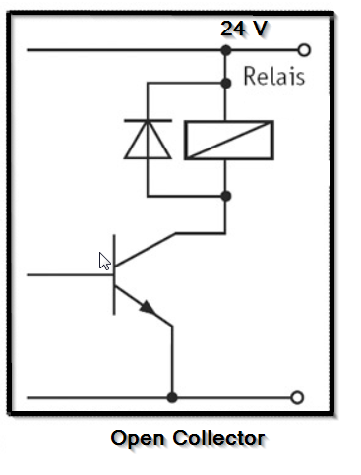
 |  | IP-Address PrismaPro: |  | http://192.168.1.100
...
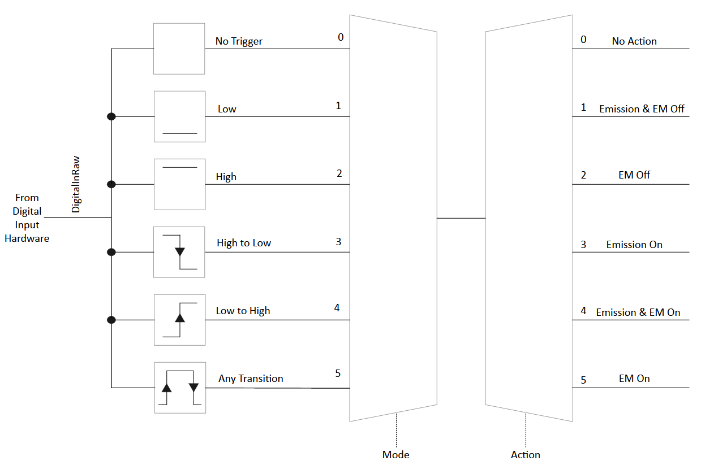
...
 |  | 2 | Bit-Nbr: | 17 .…...…….…….... 0
 |  | 3 | Binary 0-17: | 11
...
 |  | 1 |  |  | Std: |  | 13
 |  | 1 |  |  | x |  | 1
 |  | 2 |  |  | 2 |  | 2
 |  | 0 |  |  | 0 |  | 0
 |  | 0 |  |  | 0 |  | 0
 |  | 1 |  |  | 1 |  | 1
 |  | 1 |  |  | 0 |  | 0
 |  | 0 |  |  | 0 |  | 0
 |  | 0 |  |  | 0 |  | 0
 |  | 0 |  |  | 0 |  | 0
 |  | 0 |  |  | 0 |  | 0
 |  | 0 |  |  | 0 |  | 0
 |  | 0 |  |  | 0 |  | 0
 |  | 0 |  |  | 0 |  | 0

 |  |  |  |  | DigIn. rawValue = 1 = High = Standard = nothing switched/no cable connected (Sinking Input)
...
 |  | 2 | Bit-Nbr: | 11 …...……... 0
channelsAvailable | get | 1 | Binary 0-11: | 1
(Open Collector)
Digital Output | 0
mode | SystemStatus |  |  |  |  | Low/High = DO Force Off/On = 0/1 USE "VersiCan.." by DigOutThres in Channels (recipe)
invert | NoInversion
logicValue | 1
hardwareValue | 1

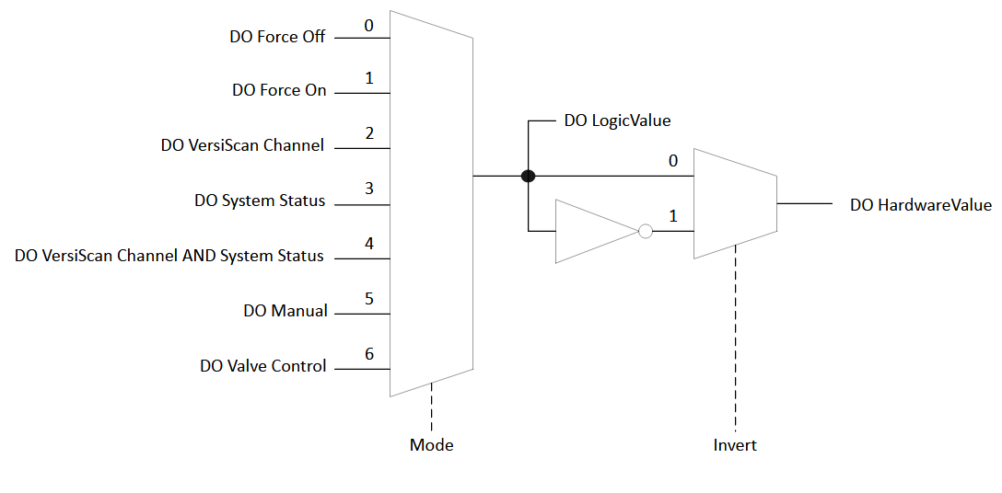
Sinking Input - supports a path to supply commen (-)
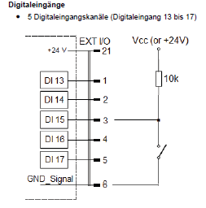
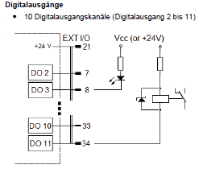

 |  |  |  | Open Collector switches to ground

AnalogIn
...
Analog In | 1 | 2 | 3 | 4 | 5 | 6 | 7 | 8 | 9 | 0 | !
designOffset | 0 | 0 | 0 | 0 | 0 | 0 | 0 | 0 | 0 | 0 | !
errorOffset | 0 | 0 | 0 | 0 | 0 | 0 | 0 | 0 | 0 | 0 | !
designMultiplier | 0,002 | 1 | 1 | 1 | 1 | 1 | 1 | 1 | 1 | 1 | !
errorMultiplier | 1 | 1 | 1 | 1 | 1 | 1 | 1 | 1 | 1 | 1 | !
correctedValue | 0,012 | 0,00150432 | 0,00182986 | 0,00254162 | 0,00236392 | 0,00185876 | 0,00192539 | 0,00171564 | 0,00217019 | 1,94967 | ! | allways "torr"??
mode | PassThrough | PassThrough | PassThrough | PassThrough | PassThrough | PassThrough | PassThrough | PassThrough | PassThrough | PassThrough | !
scaledValue | 0,012 | 0,00150432 | 0,00182986 | 0,00254162 | 0,00236392 | 0,00154046 | 0,00192539 | 0,00171564 | 0,0024889 | 1,94967 | !
bypass | NoBypass | NoBypass | NoBypass | NoBypass | NoBypass | NoBypass | NoBypass | NoBypass | NoBypass | NoBypass | !
appValue | 0,012 | 0,00150432 | 0,00182986 | 0,00254162 | 0,00236392 | 0,00185876 | 0,00192539 | 0,00203423 | 0,0024889 | 1,94967 | !

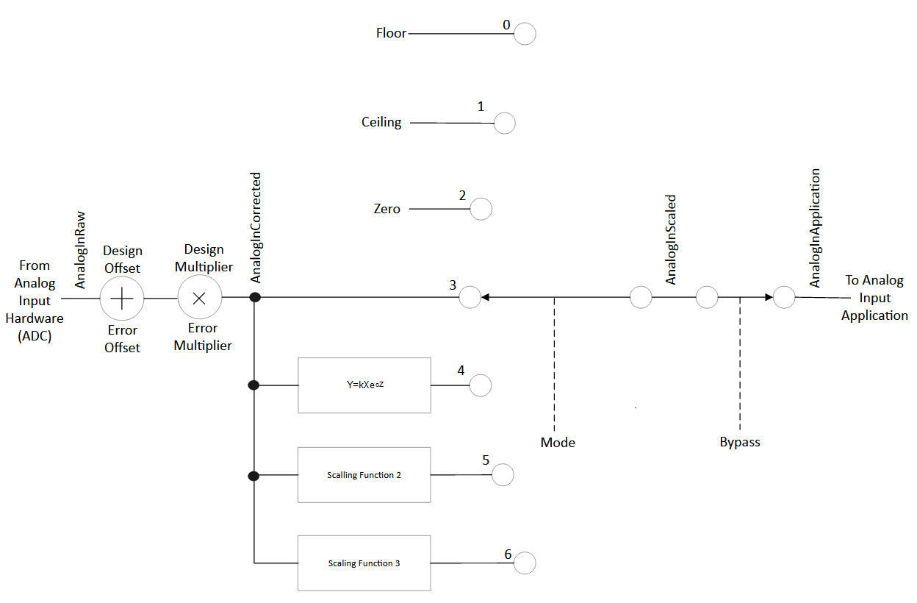

 | Analog 1[V]: 0-5000mV= design multiplier: 0.002
 | Analog 2-[V]: -10-+10V= designMultiplier: 1

AnalogOut
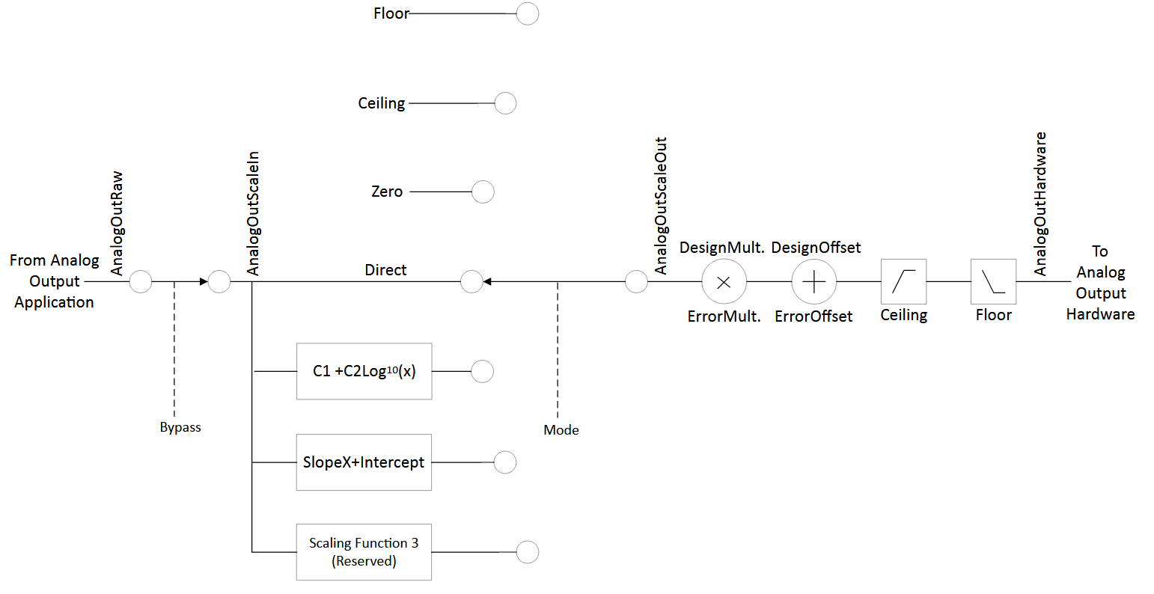
...
Analog Out | 0 | 1 | 2 | 3 | 4 | 5 | 6 | 7
log10C2 | 0 | 0 | 0 | 0 | 0 | 0 | 0 | 0
scaleOutValue | 1.99E+05 | 0.00E+00 | 0.00E+00 | 0.00E+00 | 0.00E+00 | 0.00E+00 | 0.00E+00 | 0.00E+00
designOffset | 0 | 0 | 0 | 0 | 0 | 0 | 0 | 0
errorOffset | 0 | 0 | 0 | 0 | 0 | 0 | 0 | 0
designGain | 1 | 1 | 1 | 1 | 1 | 1 | 1 | 1
errorGain | 1 | 1 | 1 | 1 | 1 | 1 | 1 | 1
hardwareValue => | 9.97E-29 | 0 | 0 | 0 | 0 | 0 | 0 | 0
inputLowLimit (0V) | 0,000000000000001 | 0.00E+00 | 0.00E+00 | 0.00E+00 | 0.00E+00 | 0.00E+00 | 0.00E+00 | 0.00E+00
inputHighLimit (10V) | 1.00E-12 | 0.00E+00 | 0.00E+00 | 0.00E+00 | 0.00E+00 | 0.00E+00 | 0.00E+00 | 0.00E+00

Status
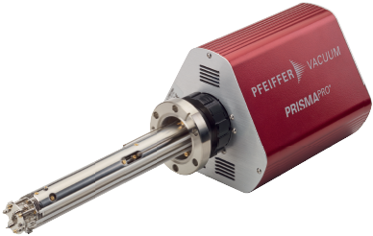
IP-Address PrismaPro: | http://192.168.1.100
...
Binary | length
31 . . . . . . . . . . . . . . . . . . . . . . . . . . . . .0
10000011000100000000101110010010 | 32
 | 0
 | 0 |  | <== FFFFFFFF
 | 0 |  | <== FFFFFFFF

 | hardwareWarnings |  |  | hardwareErrors |  |  | systemStatus2
 | Bit 31 | 0 | Emission No | Bit 31 | 0 | Emission No | Bit 31 | 0 | ------
 | Bit 30 | 0 | Electron multiplier No | Bit 30 | 0 | Electron multiplier No | Bit 30 | 0 | ------
 | Bit 29 | 0 | Anode No | Bit 29 | 0 | Anode No | Bit 29 | 0 | ------
 | Bit 28 | 0 | RF board No | Bit 28 | 0 | RF board No | Bit 28 | 0 | ------
...

OrderNbrs
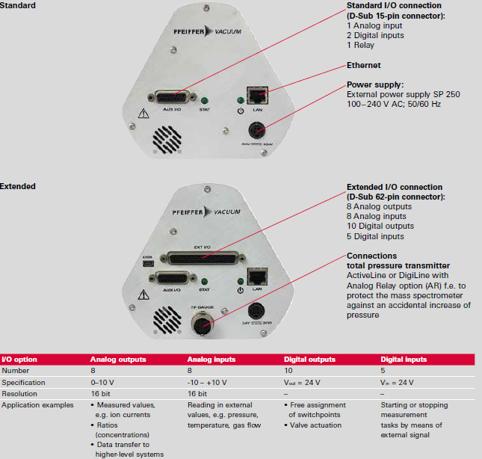
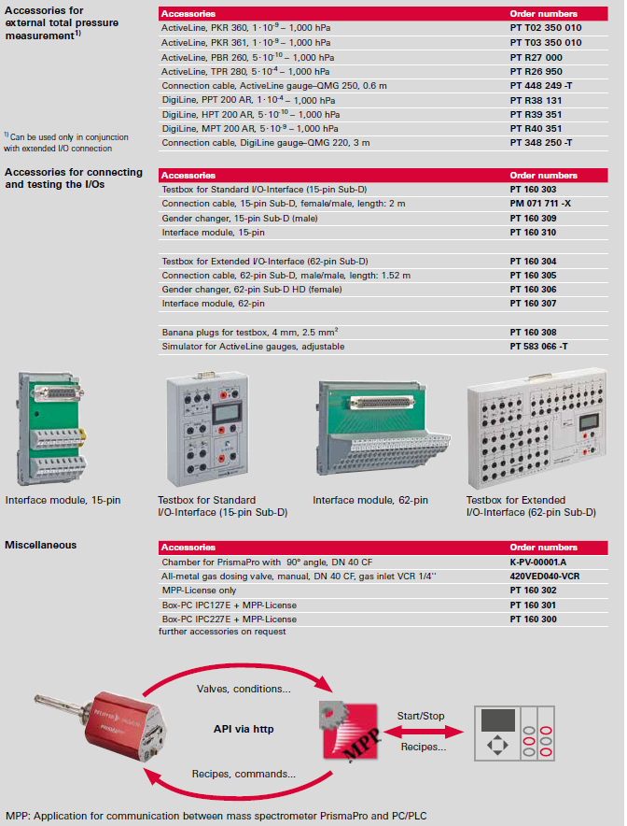
b | c | d | 2 | f | g
...
2
...
 | 1
...
 |  | 2
...
 |  |  |  |  | 1
...
 |  |  |  | 1

 |  |  |  |  | 2
...
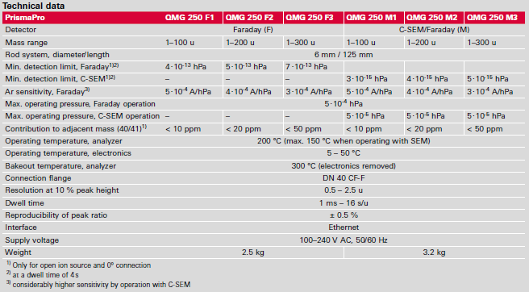
2 | 1 | 2 | 2 | 1 | 1

IO-Interface
...

