EV
1. Introduction
The addition of the Electric vehicle category of cost components ugprdades the cost tables to now include fully parameterized costs for all components needed by electric vehicles. Thanks to the organizers of the Austrian and Australian competitions for the work that went into determining these costs.

2. Materials parameterization clarification

2.1. ECU, Rapid Prototyping
This covers the dSpace microAutoBox and similar systems from ETAS and other suppliers. Those Units are differentiated by their deigned targets being Lab cars, HIL systems and prototype vehicles.

2.2. ECU, Automotive
ECU designed for small- or large series application.

2.3. ECU, Industrial
Industrial Automation – type Control units, e.g. Siemens SiMatic and similar systems from B&R and other suppliers. If you have a full system with e.g. Inverter and control modules, you will need to cost both separately (see 2.5.10)

2.4. ECU, EV, student built
Use this item if you run your vehicle control (driver wish to motor torque request) on a self-designed unit, usually some kind of microcontroller + I/O. You will have to use the ECU add-ons (e.g. Traction Control) from the materials table if you have those features.

2.5. Chassis Control Modules
Since the System Topology of each EV will probably be different, we decided to stick to the Cost Committee recommendation to cost the EV function “boxes” as Chassis Control Module (CCM) functions. This allows for individual functionality “grouping”. For each “box” in your car you need “Chassis Control Module, Baseline Enclosure” and one or more of the functionalities from the EV table. The “baseline” CCM covers whatever Power supply, MCU, PCB, wiring etc. you have in your box.

2.5.1. Chassis Control Module, + Battery Management System
Use this instead of “Chassis Control Module, +Battery Charger”. Cost of this function is per “channel”. A channel is one “tap” into your battery pack, usually one for each cell in series. If your BMS manages a 12S1P pack, you will probably have 12 channels, if you have a 10S4P, it will probably have 10 channels (although it manages 40 cells!).

2.5.2. Chassis Control Module, + Isolation Monitoring Device
Your Bender ISO F1 or similar. See also 2.5.14

2.5.3. Chassis Control Module, + Power Distribution Module
Low voltage power switchbox. This covers “electronic fuse boxes” as well as devices that switch e.g. pumps and fans. Cost is per independently switchable output channel.

2.5.4. Chassis Control Module, + TSAL
Your tractive system active light as of FSAE Rule EV.6.10 Covers any type, e.g. LED, strobe, regular bulbs. Includes cost for “blink” circuits but not for HV DC-DC converters described in 2.5.7

2.5.5. Chassis Control Module, + TSAS, buzzer
Your tractive system active sound as of FSAE rule EV.6.11, if you use a piezo buzzer similar device.

2.5.6. Chassis Control Module, + TSAS, melody
Your tractive system active sound 7.18, if you use a speaker to play a melody, or a sound clip.

2.5.7. Chassis Control Module, + DCDC-Power (>1A) HV->LV
DC/DC switching type voltage converter to generate low voltage from the tractive system high voltage supply.

2.5.8. Chassis Control Module, + DCDC-Power LV->LV
DC/DC switching type voltage converter to generate a powerful low voltage supply from another low voltage, e.g. 24V or 48V control system supply from 12V. Not needed for low power sensor supplies.

2.5.9. Chassis Control Module, + Battery Charger HV
Battery charger for your HV Battery, if mounted on the car. Cost is per kW (rated) charging power

2.5.10. Chassis Control Module, + Motor Controller AC
Inverter for one AC drive motor. You will need one for every motor. Includes the cost for low capacity HV capacitors. The cost is per kW continuous power. If this figure is not available, use (peak power * 0.5)

2.5.11. Chassis Control Module, + Motor Controller DC
Controller for DC drive motors. Use one for each independently controllable motor. Includes the cost for low capacity HV capacitors. The cost is per kW continuous power. If this figure is not available, use (peak power * 0.5)

2.5.12. Chassis Control Module, + HV Insulation Relay
Single-line HV insulation relay. Does not include cost for the electronics to switch it on or off.

2.5.13. Chassis Control Module, + HV Precharge
Single HV precharge circuit, complete with low-power HV relay, power resistor(s) and wiring. If you have multiple precharge circuits in your car (e.g. multiple battery containments) you will need a matching number.

2.5.14. Chassis Control Module, + HV Housing
You will need to add this item to each CCM that has high voltage inside. This adjusts for the higher cost of insulation, shielding etc. on these modules. This includes wire glands fitted to the case. Note that the CCM costs do not include HV wiring leaving the module, this has to be costed separately as wiring + e.g. lugs.

2.5.15. Chassis Control Module, + HC-HV Fuse incl. Box
The high voltage fuse element includes fuse, fuse holder, cover, terminals.

2.6. Battery, Tractive Lithium-ion / NI-MH / Lead Acid
Tractive system battery. Cost is per kWh and includes the PCBs, rails or whatever you use to electrically connect the cells to a pack. Note that the battery containers, carrier, etc. has to be cost separately!

2.7. Motor, Tractive AC
Cost per kW continuous power. Use peak power * 0.5 if this figure is not available.

2.8. Motor, Tractive DC
Cost per kW continuous power. Use peak power * 0.5 if this figure is not available.

2.9. Wiring HV (> 12 mm²)
HV wiring, any style ((non) shielded, solid/stranded, etc..). Cost per mm² conductive cross section and meter length.

2.10. Conduit or shielded cable incl. Nuts, Elbows etc
HV wiring conduit as required by FSAE rule EV.6.5 Any type, color and diameter. Includes cost for small parts to connect the conduit, e.g. elbows, nuts, plastic glands etc.

2.11. Connector, HC-HV Lug Type
Single-wire lug type connector for HV wiring as described in 2.9. Any size and style.

2.12. Connector, HC-HV incl. Interlock
Insulated HV connector, any style, cost per HV Pin. Includes cost for small pilot/interlock/grounding pins and casing.

3. Electric vehicle cost model example

3.1. Abstract & Terminology

Here we will provide you with a simple example of how the tractive system of an electric vehicle could be costed using the provided table. Fig.1 shows the principal layout of that vehicle. Note that this vehicle may not fulfill the FSAE rules!
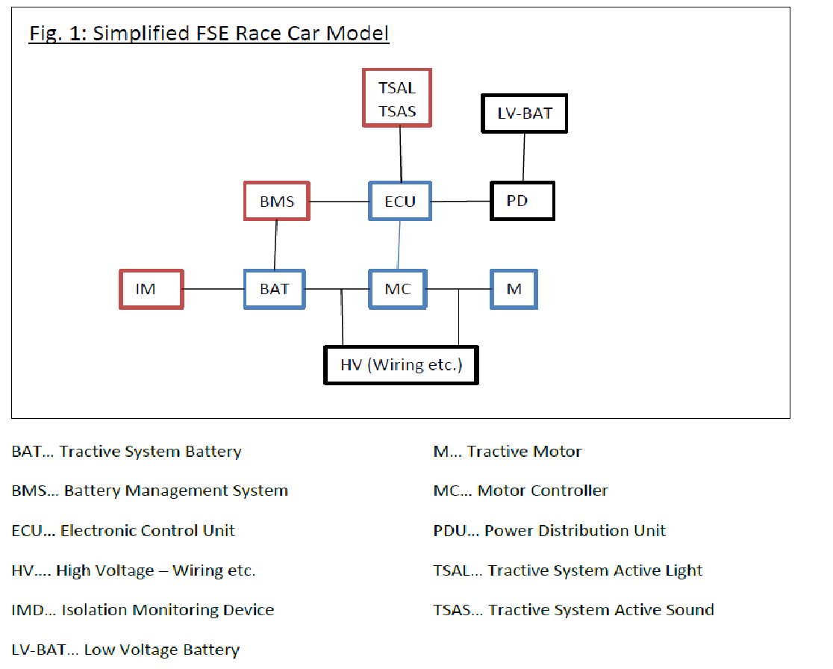

3.2. Battery
The battery of this vehicle consists of 72x 45Ah Lithium Cells connected in series but split into 6 containers. The overall capacity is therefore 6 x 12 x 45Ah x 3,7V = 11,98 kWH which will cost $600/kWh x 11,98 kWh = $7188

3.3. Battery Management
Each one of the six battery containers has one BMS board inside, which monitors the 12 cells and therefore has 12 channels. In the cost report:
6x Chassis Control Module, baseline enclosure = 6 x $25
6x Chassis Control Module + Battery Management System (12 ch.) = $20 x 12 = 6x $240

3.4. Electronic Control Unit
The car uses a dSpace MicroAutoBox as ECU, which qualifies as a Rapid Prototyping System and will therefore cost $5000.

3.5. IMD and TSAL/TSAS
On this car the IMD is integrated with the HV relay and TSAL/TSAS driver into one device.
In the cost report, this would look like this
Chassis Control Module, baseline enclosure $25
Chassis Control Module, + IMD $300
Chassis Control Module + PDU (4ch.) $28 (3 for the relays, 1 for the TSAL+TSAS)
Chassis Control Module + TSAL $10
Chassis Control Module + TSAS, buzzer $5
Chassis Control Module + HV housing $25

3.6. Motors
The car has dual DC motors, which are rated at 20 kW continuous power each:
2x Motor, Tractive DC 20x $50 = $1000 2x $1000

3.7. Motor Controller
The car uses a two-channel DC power stage which is rated at 25kW continuous power per channel:
1x Chassis Control Module, baseline enclosure $25
2x Chassis Control Module, + Motor Controller DC 2x $562,5 (=25x $22,5)
1x Chassis Control Module + HV housing $25

3.8. PDU
The PDU is a stand-alone device acting as an electronic fuse box and providing the ECU, and 4 other systems with power
Chassis Control Module, baseline enclosure $25
Chassis Control Module, + PDU (5ch.) $35

3.9. LV-Battery
The LV Battery is a low-performance LiIon 13,2V pack weighing about 1,2 kg.
Battery, advanced Chemistry $65/kg * 1,2kg $78

3.10. HV Wiring & systems
The wiring is not explained here, the standard harness process applies. The battery containment houses the 6 battery packs as well as the precharge circuit and HV Fuse:
Chassis Control Module, baseline enclosure $25
Chassis Control Module, +HV Fuse $100
Chassis Control Module, + HV Precharge $50

