Sheet1
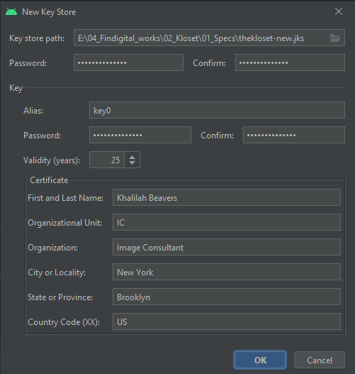
app bundle id | com.theklosetkb.www
gmail | gmail: support@theklosetbykb.com password: mycreation2020#
 | rnetavscuhotcyza
remove.bg account | marcus@fin-digital.com FINdigital2016!

needed configs
package com.theklosetkb.www;
import android.os.Bundle;
import com.getcapacitor.BridgeActivity;
import com.byteowls.capacitor.sms.SmsManagerPlugin;
import com.getcapacitor.community.firebaseanalytics.FirebaseAnalytics;
public class MainActivity extends BridgeActivity {
@Override
public void onCreate(Bundle savedInstanceState) {
super.onCreate(savedInstanceState);
registerPlugin(FirebaseAnalytics.class);
registerPlugin(SmsManagerPlugin.class);
}
}

https://stackoverflow.com/questions/48534293/android-support-v4-content-fileprovider-not-found
npm install jetifier
npx jetify
npx cap sync android

- color.xml
<?xml version="1.0" encoding="utf-8"?>
<resources>
<color name="colorPrimary">#3F51B5</color>
<color name="colorPrimaryDark">#303F9F</color>
<color name="colorAccent">#FF4081</color>
</resources>

- color.xml
<?xml version="1.0" encoding="utf-8"?>
<resources>
<color name="colorPrimary">#3F51B5</color>
<color name="colorPrimaryDark">#303F9F</color>
<color name="colorAccent">#FF4081</color>
</resources>

invoices
- Fin digital - payment address
inovices@fin-digital.com
 | Bai Feng | Juan Figuera
Feb 16 ~ 28 | Bai Feng: Backend Development (Feb 16th ~ 28th) create a project in firebase developer console: 4h setting the environments, choose authentication mode, enabled storage, firestore, functions: 4h create a skeleton for backend(using cloud function&firebase): 6h modeling the structure of 7 tables: 3h Integrating Algolia service and firebase to quick searching: 5h build 4 auth APIs: 4h made a damon to process item in thread: 6h made some processes to update, delete items, looks, klosets: 5h implemented mail services for reset code, New user, invite client: 6h implemented cloud task to termiate reset code within 5 mins: 2.5h made utilities like trancate messages, format date. 4h send SMS message: 6h Deploying and testing to Server: 3h Total working hours: 58.5h price: $2047.5 | Juan Figuera: Frontend Development (Feb 16th~ 28th) create a skeleton using ionic 5&capacitor: 4.3h modeling the structure of 7 tables: 3h Integrating Algolia service and made a query to search tags: 4h integrated service key for firebase in ionic project: 3h download default font and added it to ionic project: 4h login, signup for client and stylist, forgot password: 6h change password, signup role, welcome page: 7h onboarding, workthrough, intro page: 6.4h dashboard for stylist: 9.2h view, create, update, delete for item: 11h view, create, update, delete for look: 10h view, create, update, delete for kloset: 12h kloset of client: 7.3h invite client via code: 4h Deploying in Testflight: 4h Total working hours: 95.2h price: $3332
Mar 1~15 | Bai Feng: Backend Development (Mar 1th ~ 15th) fixed the bug to add tags automatically when adding new item: 4.5h searching looks using tags and name: 4h searching items using tags and name: 4h made some endpoints to search looks in calendar in backend.: 6h made an endpoint to see the items assigned to a "Look" in backend: 3h combined searching and adding tags in same field: 4h uploading full image to server, not cropped image: 3.5h implemnted expenses: 30h edit profile page for stylist: 6h change password page for stylist: 3.5h changed the project structure of backend: 8h remove background image: 6h sending push notifications: 8h made a scheduler to watch look: 4h Total working hours: 94.5h price: $3307.5 | Juan Figuera: Frontend Development (Mar 1th ~ 15th) added 3 buttons to add items,looks and expenses in any page: 4h moved looks into calendar page: 3h feature to delete tags by long press: 5h large touch point for back buttons: 2h changed the format for time of day from date-picker: 3h updated UI design: 23h added an ability to assign items to a "Look": 6h changed the structure of frontend to clear client and stylist: 5h calendar page: 14h setting page: 4h integrate firebase push notification to frontend: 8h Total working hours: 77h price: $2695
Mar 16~30 | Bai Feng: Backend and Frontend development(Mar 16th ~ 31th) for TheKloset client setting pages: 8h measurements, sizes, push notifications, favorite brands, style icons: 12h private chat feature between client and stylist: 14h SMS and Email feature to send a message to own stylist directly: 8h replace remove.bg api key and deployed: 0.2h add a point to show popover image view in look edit page: 20h send Notifications according to notification flag configs: 3h add hamburger in stylist: 3h add a calendar page for client: 4h total hours: 72.2h price: $2527 | Juan Figuera: Frontend development (Mar's 16th ~ 31st) for TheKloset my stylist view: 10h upgrade edit profile: 3h upgrade UIs: 10h implemented the functionality to remove image background: 4h client items, looks, closet pages: 10h implemented popover item image view in look detail: 15h added a push notifications for client: 6h Added some css styles for Dark Mode: 2h add an option to take a phot, or select the items from closet when new look create: 12h total working hours: 72h price: $2520
April 1 ~15 | added a fab action to scroll top when current scroll position is out of screen height: 4h Added parallaxHeader feature: 4h fixed Image overlay issue in item and look pages: 6h fixed Notification issues when every notification flag turn on or off: 3h Added border style in header for client and stylist: 1h fixed drawing issue in konva.js when look image draw in our app: 3h replaced remove.bg API key in backend: 0.5h added other comment view item in Look, item detail page: 4h total hours: 25.5h total price: $892.5 | slack bot to catch errors in backend: 3h make sure app users is using the latest version of our app: 4h Fixed the issue that not switched of logged user's items and looks in client app: 5h fixed the timezone issue in calendar look view for client and stylist: 4h Added Konva look step: 3h Fixed an error where the button on the picture right disappears on the look edit page: 4h total hours: 23h total price: $805
April 15 ~ 30 | Limit tags to single word Tapping the button “I am stylist” or “I am client” should take you to the create account page: Remove this screen from the app flow - it does not contain any functionality Logo is blurry so use 2x version of logo When you invite “client via code” once the client is created they do not show up on the list of client When I update a look with a new item the layout doesn't update to remove the deleted item or add the new one Add a subscription with Apple and google pay after Sign up total hours: 13.5h | Send one expense via email (title, summary, expenses image) Logo is cut-off on splash scteen User should not be required to take a photo of a "Look" Remove link to Jeffery app and use the TestFlight link publish the updates in Testflight, build a APK toal hours: 14.6h
5/1 ~ 5/16 | total hours: 1h | total hours: 8h
5/16~5/30 | Ninja Chuck pushed ios build in testflight: 3h edit email address in stylist app: 2h Create a collection named activation_codes, and add 6 activation codes with 6 characters: 1h total hours: 6h | edit email in edit profile in stylist app: 4h implement the logic to check the validation of activation code when new stylist sign up: 4h total hours: 8h
6/1 ~ 6/15 | Need activity indicators we we are uploading pictures or extracting background so the user knows the app is working: 5.5h | build APK: 1h

