Android build
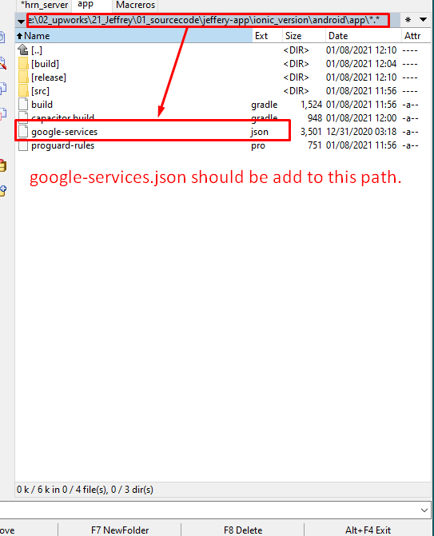
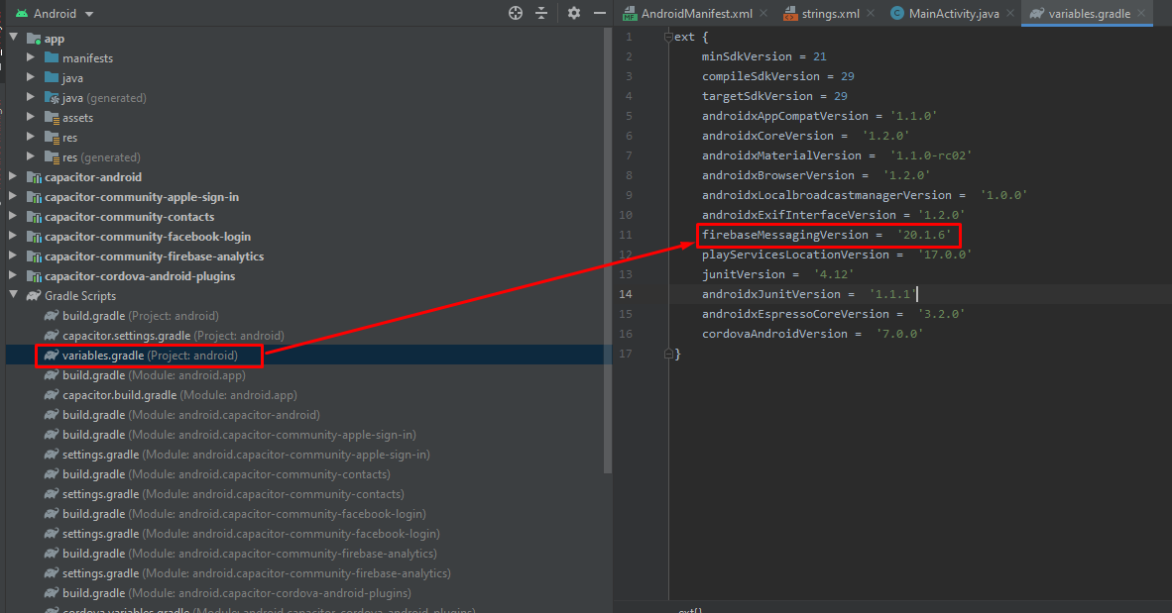
<?xml version="1.0" encoding="utf-8"?>
<manifest xmlns:android="http://schemas.android.com/apk/res/android"
xmlns:tools="http://schemas.android.com/tools"
package="jeffrey.app">
<application
android:allowBackup="true"
android:icon="@mipmap/ic_launcher"
android:label="@string/app_name"
android:roundIcon="@mipmap/ic_launcher_round"
android:supportsRtl="true"
android:theme="@style/AppTheme">
<activity
android:configChanges="orientation|keyboardHidden|keyboard|screenSize|locale|smallestScreenSize|screenLayout|uiMode"
android:name="jeffrey.app.MainActivity"
android:label="@string/title_activity_main"
android:theme="@style/AppTheme.NoActionBarLaunch"
android:launchMode="singleTask">
<intent-filter>
<action android:name="android.intent.action.MAIN" />
<category android:name="android.intent.category.LAUNCHER" />
</intent-filter>
<intent-filter>
<action android:name="android.intent.action.VIEW" />
<category android:name="android.intent.category.DEFAULT" />
<category android:name="android.intent.category.BROWSABLE" />
<data android:scheme="@string/custom_url_scheme" />
</intent-filter>
</activity>
<meta-data android:name="com.facebook.sdk.ApplicationId"
android:value="@string/fb_app_id"/>
<activity
tools:replace="android:label"
android:name="com.facebook.FacebookActivity"
android:configChanges="keyboard|keyboardHidden|screenLayout|screenSize|orientation"
android:label="@string/app_name" />
<activity
android:name="com.facebook.CustomTabActivity"
android:exported="true">
<intent-filter>
<action android:name="android.intent.action.VIEW" />
<category android:name="android.intent.category.DEFAULT" />
<category android:name="android.intent.category.BROWSABLE" />
<data android:scheme="@string/fb_login_protocal_scheme" />
</intent-filter>
</activity>
<provider
android:name="androidx.core.content.FileProvider"
android:authorities="${applicationId}.fileprovider"
android:exported="false"
android:grantUriPermissions="true">
<meta-data
android:name="android.support.FILE_PROVIDER_PATHS"
android:resource="@xml/file_paths"></meta-data>
</provider>
</application>
<!-- Permissions -->
<uses-permission android:name="android.permission.INTERNET" />
<!-- Camera, Photos, input file -->
<uses-permission android:name="android.permission.READ_EXTERNAL_STORAGE"/>
<uses-permission android:name="android.permission.WRITE_EXTERNAL_STORAGE" />
<!-- Geolocation API -->
<uses-permission android:name="android.permission.ACCESS_COARSE_LOCATION" />
<uses-permission android:name="android.permission.ACCESS_FINE_LOCATION" />
<uses-feature android:name="android.hardware.location.gps" />
<!-- Network API -->
<uses-permission android:name="android.permission.ACCESS_NETWORK_STATE" />
<!-- Navigator.getUserMedia -->
<!-- Video -->
<uses-permission android:name="android.permission.CAMERA" />
<!-- Audio -->
<uses-permission android:name="android.permission.RECORD_AUDIO" />
<uses-permission android:name="android.permission.MODIFY_AUDIO_SETTINGS"/>
<!-- Contacts -->
<uses-permission android:name="android.permission.READ_CONTACTS" />
<uses-permission android:name="android.permission.WRITE_CONTACTS"/>
</manifest>
package jeffrey.app;
import android.os.Bundle;
import com.getcapacitor.BridgeActivity;
import com.getcapacitor.Plugin;
import java.util.ArrayList;
import ch.byrds.capacitor.contacts.Contacts;
import com.getcapacitor.community.firebaseanalytics.FirebaseAnalytics;
public class MainActivity extends BridgeActivity {
@Override
public void onCreate(Bundle savedInstanceState) {
super.onCreate(savedInstanceState);
// Initializes the Bridge
this.init(savedInstanceState, new ArrayList<Class<? extends Plugin>>() {{
// Additional plugins you've installed go here
add(Contacts.class);
add(FirebaseAnalytics.class);
add(com.getcapacitor.community.facebooklogin.FacebookLogin.class);
}});
}
}
<?xml version='1.0' encoding='utf-8'?>
<resources>
<string name="app_name">Jeffery</string>
<string name="title_activity_main">Jeffery</string>
<string name="package_name">jeffrey.app</string>
<string name="custom_url_scheme">jeffrey.app</string>
<string name="fb_app_id">872189203320199</string>
<string name="fb_login_protocal_scheme">fb872189203320199</string>
<string name="fb_app_name">Jeffery</string>
</resources>

- android resouces
https://www.npmjs.com/package/capacitor-resources
-https://stackoverflow.com/questions/62195760/ionic-capacitor-build-cannot-find-symbol-android-support-v4-app-activitycompat
npm install jetifier
npx jetify
npx cap sync android

iOS Build
info.plist
<?xml version="1.0" encoding="UTF-8"?>
<!DOCTYPE plist PUBLIC "-//Apple//DTD PLIST 1.0//EN" "http://www.apple.com/DTDs/PropertyList-1.0.dtd">
<plist version="1.0">
<dict>
<key>CFBundleDevelopmentRegion</key>
<string>en</string>
<key>CFBundleDisplayName</key>
<string>Jeffery</string>
<key>CFBundleExecutable</key>
<string>$(EXECUTABLE_NAME)</string>
<key>CFBundleIdentifier</key>
<string>$(PRODUCT_BUNDLE_IDENTIFIER)</string>
<key>CFBundleInfoDictionaryVersion</key>
<string>6.0</string>
<key>CFBundleName</key>
<string>$(PRODUCT_NAME)</string>
<key>CFBundlePackageType</key>
<string>APPL</string>
<key>CFBundleShortVersionString</key>
<string>$(MARKETING_VERSION)</string>
<key>CFBundleURLTypes</key>
<array>
<dict>
<key>CFBundleURLName</key>
<string>com.getcapacitor.capacitor</string>
<key>CFBundleURLSchemes</key>
<array>
<string>capacitor</string>
</array>
</dict>
<dict>
<key>CFBundleTypeRole</key>
<string>Editor</string>
<key>CFBundleURLSchemes</key>
<array>
<string>fb872189203320199</string>
</array>
</dict>
</array>
<key>CFBundleVersion</key>
<string>$(CURRENT_PROJECT_VERSION)</string>
<key>FacebookAppID</key>
<string>872189203320199</string>
<key>FacebookDisplayName</key>
<string>Jeffrey</string>
<key>LSApplicationQueriesSchemes</key>
<array>
<string>fbapi</string>
<string>fbauth2</string>
</array>
<key>LSRequiresIPhoneOS</key>
<true/>
<key>NSAppTransportSecurity</key>
<dict>
<key>NSAllowsArbitraryLoads</key>
<true/>
</dict>
<key>NSCameraUsageDescription</key>
<string>to take photo from camera</string>
<key>NSContactsUsageDescription</key>
<string>We need access to your contacts in order to send survey link</string>
<key>NSLocationAlwaysUsageDescription</key>
<string>Always allow Geolocation?</string>
<key>NSLocationWhenInUseUsageDescription</key>
<string>Allow Geolocation?</string>
<key>NSMicrophoneUsageDescription</key>
<string>To Record Audio With Video</string>
<key>NSPhotoLibraryAddUsageDescription</key>
<string>to pick photos from libraray</string>
<key>NSPhotoLibraryUsageDescription</key>
<string>To Pick Photos from Library</string>
<key>UILaunchStoryboardName</key>
<string>LaunchScreen</string>
<key>UIMainStoryboardFile</key>
<string>Main</string>
<key>UIRequiredDeviceCapabilities</key>
<array>
<string>armv7</string>
</array>
<key>UISupportedInterfaceOrientations</key>
<array>
<string>UIInterfaceOrientationPortrait</string>
</array>
<key>UISupportedInterfaceOrientations~ipad</key>
<array>
<string>UIInterfaceOrientationPortrait</string>
<string>UIInterfaceOrientationPortraitUpsideDown</string>
<string>UIInterfaceOrientationLandscapeLeft</string>
<string>UIInterfaceOrientationLandscapeRight</string>
</array>
<key>UIViewControllerBasedStatusBarAppearance</key>
<true/>
</dict>
</plist>
ios | https://prnt.sc/wmfpts
 | https://prnt.sc/wmfcto
 | https://prnt.sc/wmfdpr
 | https://prnt.sc/wmfh53
 | https://prnt.sc/wmfhv5
 | https://prnt.sc/wmfidz
 | https://prnt.sc/wmfjch

Payments
- Payoneer Account Info.
Company name: FIN Digital
Contact firstname:Finley
contact lastname: Marcus
email: www.fin-digital.com
country: US
Status: Maryland
 | Juan Figuera |  | Bai Feng |  | Total | invoice@fin-digital.com | paypal address
 | hours | price | hours | price
11/15~11/30 | 60 | 2100 | 31 | 1085 | 3185
12/1~12/15 | 42.5 | 1487.5 | 15 | 525 | 2012.5
12/16~12/31 | 35.5 | 1242.5 | 32.5 | 1137.5 | 2380
1/1~1/15 | 8 | 280 | 10 | 350 | 630
1/16~1/31 | 21 | 735 | 25 | 875 | 1610
3/15~3/31 | 15 | 525 | 8 | 280 | 805
4/1 ~ 4/15 | 0 | 0 | 0 | 0 | 0
4/16 ~ 4/30 | 3 | 105 | 10 | 350 | 455

 |  |  |  |  | 11077.5

