M5 - Intor to Code Repository
TEKsystems QA |  |  |  |  |  | Author/Instructor
Edit Categories: |  |  |  |  |  | The Author/Instructor must address all edits.
Spelling, Grammar, Punctuation: End/Terminal Punctuation, Broken URL/Media, Missing/Incorrect Page Number, Inconsistent Fonts/Style, Header/Footer Issue, Broken/Missing Graphic, Instructional Content, Graphic Quality, Other Critical Issue

Date | Edit Category | Page/Slide Number or Global Edit | Issue | Recommended Change | TEKsystems Status | Date | Author/Instructor Edit Status | New Page/Slide Number | Author/Instructor Comments
2018-07-12 | Instructional Content | 2 | The Module Objectives slide was incorrectly titled - I updated. Also, applied the "After this module, participants will be able to:" lead in - however, ES needs to apply the Objectives completing the lead in statement of what the participants will be able to do after going through this module. An example is shown to the right. |  | Open | 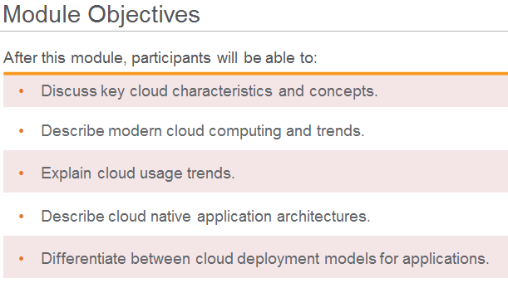
2018-07-12 |  | 3 | I do not believe a Topics slide is necessary. | Please remove this slide - it's not a required element. | Open
2018-07-12 |  | 4, 29, 34, 52 | Section divider slides with no Notes | Provide appropriate notes. | Open
2018-07-12 | Instructional Content | 9, 16, 18, 21, 25, 33, 56, 60, 61, 62 | Missing Participant Notes or Lab Notes/Instructions | Please apply required content. In each case the appropriate shell has been applied - please fill in the required information. | Open
2018-07-12 | Instructional Content | 9 | This slide has appreared in other modules - is there a reason to repeat it? |  | Open
2018-07-12 | Instructional Content | 10, 22 | Under Git and Central server - in each column there are (2) boes labeled "Version 25" should the lower one in each column be "Version 23"? | Please advise. | Open
2018-07-12 | Instructional Content | 12 | This slide feels more like it should be an Instructors Note for slide 11? |  | Open
2018-07-12 | Grammar | 14 | In the Participant Notes "Git is a complete repository, where it is local or remote." did you mean "Git is a complete repository, whether it is local or remote." | Please change where to whether if you agree. | Open
2018-07-12 |  | global | Image sources have been removed. |  | Closed
2018-07-12 | Instructional Content | 19 | The last line of the PN states "A git repository contains, among other things, the following: A set of commit objects" Is that it, or should there be more content here. | Please apply any missing content. | Open
2018-07-12 | Instructional Content | 23 | "As you probably know, git is a distributed version control system. Most operations are done locally. To communicate with the outside world, git uses what are called remotes. These are repositories other than the one on your local disk which you can push your changes into (so that other people can see them) or pull from (so that you can get others changes)" is from https://stackoverflow.com/q/20889346/what-does-git-remote-mean | Please ensure that this content is free from all copyright issues. | Open
2018-07-12 | Instructional Content | 23 | "A remote in Git is a common repository that all team members use to exchange their changes. In most cases, such a remote repository is stored on a code hosting service like GitHub or on an internal server." is from https://www.git-tower.com/learn/git/glossary/remote | Please ensure that this content is free from all copyright issues. | Open
2018-07-12 | Instructional Content | 24 | Is this a lab? If so we need to put this into the Lab template |  | Open
2018-07-12 | Instructional Content | 24 | In the Notes section #1 is from https://atlassian.com/git/tutorials/syncing/git-pull #2 is from https://stackoverflow.com/questions/292357/what-is-the-difference-between-git-pull-and-git-fetch?rq=1 #3 is from https://stackoverflow.com/questions/2745076/what-are-the -differences=between-git-commit-and-git-push | Please ensure that this content is free from all copyright issues. | Open
2018-07-12 | Instructional Content | 26 | In the Participant Notes "This can happen when a developed messes up with the public history of the project." did you mean "This can happen when a developer makes changes to the public history of a project." | Please advise - "developed messes up" doesn't fit correctly into the sentence structure and I want to make sure we understand what you are trying to say. Thank you. | Open
2018-07-12 | Instructional Content | 27 | The Instructor Notes state "Walk through the basic operations on the diagram and explain them step by step." Those step-by-step instructions should be in the Participant Notes - which currently are blank. | Please provide the step-by-step explaination in the Participant Notes. | Open
2018-07-12 | Instructional Content | 29 | This section divider "Try this" sounds like a lead in to a lab? | If this is a lab - please advise and provide the lab content. | Open
2018-07-12 | Instructional Content | 30 | #1, 2, 3 are taken from https://backlog.com/git-tutorial/stepup/stepup1_3.html | Please ensure that this content is free from all copyright issues. | Open
2018-07-12 | Instructional Content | 31 | On the slide the Morning bullets are from https://git-scm.com/book/id/v2/Git-Branching-Basic-Branching-amd-Merging | Please ensure that this content is free from all copyright issues. | Open
2018-07-12 | Header/Footer Issue | 32 | Slide title "Afternoon" is this really "The Day in the Life of a Web Developer: Afternoon" or "(Cont.)" | Please advise. | Open
2018-07-12 | Instructional Content | 32 | Participant Notes - missing. | Please provide the details that were suggested in the Instructor Notes, in the Participant Notes. | Open
2018-07-12 | Instructional Content | 35 | Participant Notes #1 is from https://softwareengineering.stackexchange.com/questions/119782/what-does-stage-mean-in-git #2 is from https://Stackoverflow.com/questions/2745076/what-are-the-differences-between-git-commit-and-git-push | Please ensure that this content is free from all copyright issues. | Open
2018-07-12 | Instructional Content | 36 | Participant Notes are from https://softwareengineering.stackexchange.com/questions/119782/what-does-stage-mean-in-git | Please ensure that this content is free from all copyright issues. | Open
2018-07-12 | Graphic Quality | 38 | Comment left by TEK ID on the PPT regarding graphics relevance. | Please advise. | Open
2018-07-12 | Instructional Content | 40 | Participant Notes for Git branch are from https://www.atlassian.com/git/tutorials/using-branches | Please ensure that this content is free from all copyright issues. | Open
2018-07-12 | Spelling | 48 | Participant Notes - Third sentence "To keep your repository consistent and keep your coworkers happy, you should use git revertinstead." Is "git revertinstead" code? Or should 'revert instead" be separated into two words? | Please adjust as necessary or advise if this is ok as is. Thank you. | Open
2018-07-12 | Instructional Content | 48 | Participant Notes from "If you made some mistake …through to the end is from https://blog.sensible.io/2012/10/09/git-to-force-put-or-not-to-force-push.html | Please rewrite - there should be no content copied from a blog. | Open
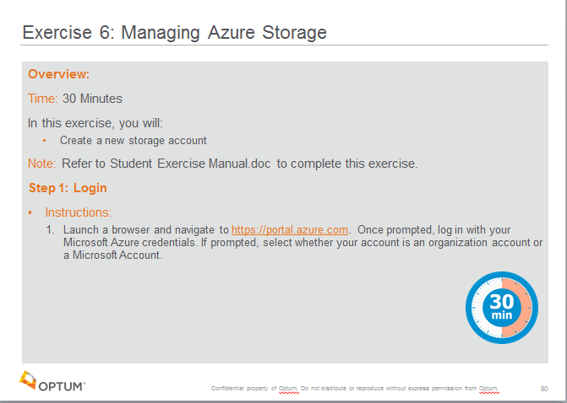
2018-07-12 | Instructional Content | 49 | Participant Notes are from http://www.git.tower.com/learn/git/faq/undo-last-commit | Please ensure that this content is free from all copyright issues. | Open
2018-07-12 | Spelling | 53 | In the Participant Notes - is 'Fakefile" supposed to be one word? |  | Open
2018-07-12 | Instructional Content | 53 | In the Participant Notes the last two paragraphs are from https://www.git-tower.com/learn/git/faq/solve-merge-conflicts | Please ensure that this content is free from all copyright issues. | Open
2018-07-12 | Instructional Content | 54 | Participant Notes are from https://www.git-tower.com/learn/git…. | Please ensure that this content is free from all copyright issues. | Open
2018-07-12 | Instructional Content | 59 | On the slide - fifth bullet "They will fork the project but won't be able to commit the changes." is "fork" the correct term? | Please advise / adjust as necessary. | Open
2018-07-12 | Instructional Content | 16, 18, 20, 21, 25, 33, 56, 60 | Lab 0x These slides are not complete - please see example to the right and updated each as necessary. Remember to apply the appropriate minute clock in the lower right corner with the slide number, and apply the appropriate Instructor Notes/Participant Notes also shown at the right. | Please apply required content. Overview Time Estimate In this exercise (lab), you will: Bulleted statement of what the student should accomplish in the exercise/lab Steps / Instructions | Open
2018-07-12 | Instructional Content | 61, 62 | Discussion Placeholder | Please apply required content. | Open
2018-07-12 | Other Critical Issue | 63 | Missing Optum ending slide - | has been applied | Closed

