M4 - ReliabilityScaleRes
TEKsystems QA |  |  |  |  |  | Author/Instructor
Edit Categories: |  |  |  |  |  | The Author/Instructor must address all edits.
Spelling, Grammar, Punctuation: End/Terminal Punctuation, Broken URL/Media, Missing/Incorrect Page Number, Inconsistent Fonts/Style, Header/Footer Issue, Broken/Missing Graphic, Instructional Content, Graphic Quality, Other Critical Issue

Date | Edit Category | Page/Slide Number or Global Edit | Issue | Recommended Change | TEKsystems Status | Date | Author/Instructor Edit Status | New Page/Slide Number | Author/Instructor Comments
2018-06-15 | Other Critical Issue | 1 for each Module title slide. | Under the Module title I have updated to read "Module 1" Going forward please use that format. | For each Module title slide, under the title it should read "Module 1" or "Module 2", etc. [6/21 Updated to Module 4 as this is where this module falls in order. Closing the edit here but will address in each module if necessary. MBH] | Closed |  | 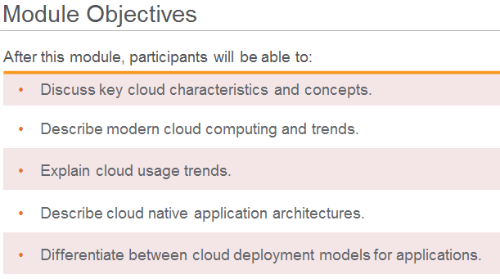
2018-06-15 | Other Critical Issue | 2 for each PPT | Lesson Objectives Slides Should all be "Module Objectives" with the lead in "After this module, participants will be able to:" then have your bulleted points. I have corrected this slide - going forward please follow this format. | The Module Objectives slides should look similar to the snapshot on the right. [6/21 Closing here and will address each module if necessary. MBH] | Closed
2018-06-15 |  | 2 | Removed the date from the title slide - we have not been using that in the other courses. | Be consistent with the remaining Modules. | Closed
2018-06-15 | Grammar | 4 | Corrected punctuation errors on the slide. | done | Closed
2018-06-15 | Grammar | 5 | Corrected slide grammar issues. | done | Closed
2018-06-15 | Grammar | 5 | Corrected grammar in the Participant Notes. | done | Closed
2018-06-15 | Graphic Quality | 6 | Adjusted the table such that "Downtime" didn't wrap in the "Downtime per day" column. Made all abbreviations consistent throughout the table. | done | Closed |  |  | 8
2018-06-15 | Grammar | 9 | Grammar issues resolved on the slide. | done | Closed
2018-06-15 | Grammar | 9 | Resolved grammar issues in the Participant Notes. | done | Closed
2018-06-15 | Other Critical Issue | 10 (for each Activity slide) | This Group Exercise was not in the Activity Title format as outlined in the Optum_Template PPT for slides with exercises/discussion. See Optum_Template slide 13 Activity Title slide. | Please update future activities/discussion slides to the correct slide format for an Activity slide. | Closed |  | Complete Next Round/Revision |  | I copied the opum activity slide. Any thing missing?
2018-06-15 | Other Critical Issue | 10 (for each Activity slide) | Instructor / Participant Notes | The Instructor Notes should outline the following: Purpose: Time Estimate: - (Note the 5 miniute graphic on the slide - that should change if the time changes to 10 minutes or 15 minutes, etc.) Instructions: References: | Closed |  | Complete Next Round/Revision |  | updated instructor notes. How ever I can't figure out how to change the clock graphic. Is there anew graphic icon I can use? [6/21 - I found everything but a 10 minute clock, I placed a 15 minute clock directly on top of the 5 minute clock on this slide, and will inquire further if anyone has a 10 minute clock graphic. Will keep this open. Provided the other clock images to the right for your future use. MBH] | 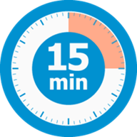 | 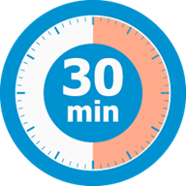 | 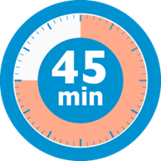
2018-06-15 |  | 11 | Title casing for title slide updated. | done | Closed
2018-06-15 | Grammar | 12 | Slide title and slide needed minor edits. | done | Closed
2018-06-15 | Header/Footer Issue | 12 | Slide title "Challenges in Building and Deploying Software as Service Applications" should it say "Challenges in Building and Deploying Software as a Service Applications" | Please advise and adjust if necessary | Closed |  | Resolved |  | software as a service (SaaS)
2018-06-15 | Instructional Content | 13 | First sentence on the slide ends with "…building software as service applications." Should that say "..building software as a service applications." | Please advise and adjust if necessary | Closed |  | Resolved |  | software as a service (SaaS)
2018-06-15 | Punctuation: End/Terminal Punctuation | 14 | Within the table - sentences were missing ending period punctuation - | I applied the periods to the sentences that were missing ending punctuation. | Closed
2018-06-15 | Instructional Content | 20 | In the Participant Notes "However, other simpler formats like YAML and PLAIN-TEXT are getting more adoption." Did you mean "attention"? | Please advise and or update. | Closed |  | No Action |  | adoption is correct
2018-06-15 | Instructional Content | 21 | In the Participant Notes - "This file is not checked into version" is incomplete. Should it say "This file is not checked into any version." | Please review and adjust as necessary. Also, make sure to apply ending punctuation. | Closed |  | Resolved
2018-06-15 | Spelling | 23 35 | In the Participant Notes - "Postgress" Should this be "PostgreSQL" or "Postgres"? | Please adjust as necessary to all affected slides. | Closed |  | Resolved
2018-06-15 | Graphic Quality | 25 | The graphic on the slide in each of the colored triangles on the right - I would either make the triangles larger or center the text in each such that the text doesn't fall on the outline of each triangle. | The graphic was an image so I was unable to adjust - if on your end you can adjust, please do. | Closed |  | Resolved
2018-06-15 | Graphic Quality | 30 | On the slide, in the image, the word "Threads" is right on the edge of the circles - can you adjust such that the word "Threads" is within the circle and not on the edge? | Adjust if possible for better readability. | Closed |  | Resolved
2018-06-15 |  | Global | "How ever" should be "However," | done | Closed
2018-06-15 |  | Global | " ..etc" should be ", etc." | done | Closed
2018-06-15 |  | Global (unless in a code line) | Colons should not be preceded with a space. Example: "We have a web form : Contact US" Should read: "We have a web form: Contact US" | These were fixed throughout, exept when the line was code or suspected the line was code. | Closed
2018-06-15 | Instructional Content | 40 | This slide is just instructions for the students/instructor notes for the students activity on 39 - in either case these should be captured in the Notes section of the previous slide (which I have done) but I didn't want to delete your slide | Please delete. | Closed |  | Resolved
2018-06-15 |  | 41 | Further Readings | Typically this would be an Appendix or Additionally Reading material. | Closed |  | Resolved |  | Moved to appendix section
2018-06-15 | Spelling | Global | 12-Factor app vs. 12-factor app vs. Twelve-Factor app vs. Twelve-factor app | Please decide which one to use and be consistent throughout the slides and Notes. | Closed |  | Resolved |  | Twelve-Factor App it is :-) [6/21 - Thank you. MBH]
2018-06-21 | Instructional Content | 3 | Instructor Notes are incorrect for this screen. | I updated - to "In this section, we will discuss building resilient applications." Please update if you want it to say anything different. | Closed
2018-06-21 | Instructional Content | 4, 6, 7, 12, 15, 16, 25, 33, 34 | Missing Instructor/Participant Notes. | Please provide applicable notes. | Open
2018-06-21 | Other Critical Issue | Global | Remove any "Image credit" reference | All images should be free of 3rd party rights, there is no need to add in an image credit. Please delete from notes pane. [7/8 - I removed image credits - MBH] | Closed
2018-06-21 | Graphic Quality | Global | screen types are mostly bulleted lists | Use different slide layouts from the "Optum_Template.pptx" that was sent. Instead of mulitple screens in a row of bulleted lists try changing it to something like slide 10 or 11 of the template. Reference the Cloud 100 Module 3 PPT that was sent for examples too. | Closed

