300_08_Mesos
TEKsystems QA |  |  |  |  |  | Author/Instructor
Edit Categories: |  |  |  |  |  | The Author/Instructor must address all edits.
Spelling, Grammar, Punctuation: End/Terminal Punctuation, Broken URL/Media, Missing/Incorrect Page Number, Inconsistent Fonts/Style, Header/Footer Issue, Broken/Missing Graphic, Instructional Content, Graphic Quality, Other Critical Issue

Date | Edit Category | Page/Slide Number or Global Edit | Issue | Recommended Change | TEKsystems Status | Date | Author/Instructor Edit Status | New Page/Slide Number | Author/Instructor Comments
2018-07-17 | Instructional Content | 2 | A Module Objectives slide has been added for you - please complete the slide with statements of what the students should be able to takeaway from having participated in this module. (This is not a topic list - see example to the right,) |  | Open | 2018-07-18 | Resolved |  | 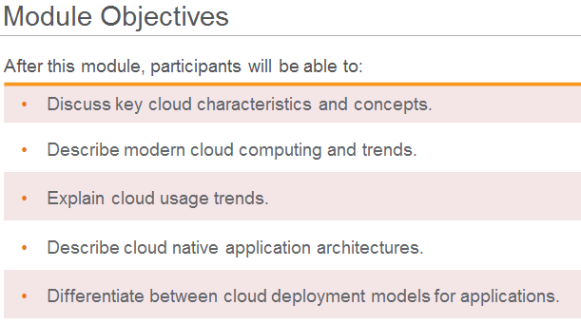 objectives updated
2018-07-17 | Instructional Content | 3, | Missing Participant Notes |  | Open | 2018-07-18 | No Action |  | no notes needed on section header slides
2018-07-17 | Graphic Quality | 15 | Is it possible to make the gray oval a bit larger so it doesn't go through the word "Who" | Adjust the gray oval to enclose the whole statement without cutting through any words. | Open | 2018-07-18 | Resolved | 15 | updated graphics
2018-07-17 | Grammar | 16 | The green text on screen "Ask a third part referee" should read "Ask a third part to referee." | Please update the text on screen to read "Ask a third part to referee." | Open | 2018-07-01 | resolved | 16 | updated graphics
2018-07-17 | Graphic Quality | 16 | Please move the red text to the left so the arrow is not cutting through the text. Or make the arrow a curved arrow to go around the text. | Please adjust the image so the arrow is not going through the text and is visually pleasing. | Open | 2018-07-18 | resolved | 16 | updated graphics
2018-07-17 | Graphic Quality | 15, 16, 17 | Adjust each of the green triangles to be slightly larger so the text within them is not sitting on the edges of the triangles. | For all three slides, adjust the triangles so the text is not sitting on the edges. | Open | 2018-07-18 | resolved |  | updated graphics
2018-07-17 | Spelling | 19 | In the PN down at the bottom where you list sources "ZAB peper: http://" is "peper" supposed to be "paper" | Please adjust if required or advise if "peper" is correct. | Open | 2018-07-18 | resolved |  | fixed typo
2018-07-17 | Instructional Content | 23 | "Masters ensure high availability and efficient allocation of resources. Considered together, they are a single point of failure, but Mesos automatically handles and recovers from individual master failures." is from: //github.com/peterwangpei/mesos-poc/blob/master/doc/README.md | Please source this content / ensure there are no copy right issues. If sourcing make sure to have written permission for use, otherwise remove the content or rewrite in your own words. | Open | 2018-07-18 | resolved |  | the site you quote seems to be a chinese translation for mesos website. So we both using Mesos documentation that is licensed under Apache 2 license (free to use for commercial purpose). Even though there is no copy right violation here, I have updated the text. For future reference, there is no need to flag documentation that is under Apache 2 license. Re-use for commercial purpose is permissible.
2018-07-17 | Instructional Content | 27 | "and executors consume resources while performing their work. The standard resources (and thus the resources that nearly every framework uses) are cpus, mem (memory), disk, and ports" if from: //github.com/peterwangpei/mesos-poc/blob/master/doc/README.md | Please source this content / ensure there are no copy right issues. If sourcing make sure to have written permission for use, otherwise remove the content or rewrite in your own words. | Open | 2018-07-18 | resolved |  | re-worded content content licensed under Apache 2 license is permissable for commercial work. Do not flag in future.
2018-07-17 | Instructional Content | 28 | "When a scheduler wants to do some work, it launches an executor. The executor is simply the scheduler’s worker. The scheduler can decide to send one or more tasks to an executor." is from: //github.com/peterwangpei/mesos-poc/blob/master/doc/README.md | Please source this content / ensure there are no copy right issues. If sourcing make sure to have written permission for use, otherwise remove the content or rewrite in your own words. | Open | 2018-07-18 | resolved |  | re-worded content content licensed under Apache 2 license is permissable for commercial work. Do not flag in future.
 | Instructional Content | 31 | In the PN "A framework will reject the offers that do not satisfy its constraints and accept the ones that do. In particular, we have found that a simple policy called delay scheduling, in which frameworks wait for a limited time to acquire nodes storing the input data, yields nearly optimal data locality. " is from: //mesos.apache.org/documentation/latest/architecture/ | Please source this content / ensure there are no copy right issues. If sourcing make sure to have written permission for use, otherwise remove the content or rewrite in your own words. | Open | 2018-07-18 | Resolved |  | re-worded content content licensed under Apache 2 license is permissable for commercial work. Do not flag in future.
2018-07-17 | Instructional Content | 35 | If this is your Lab slide - please apply the appropriate slide format and complete the required elements: Instructor Notes: Purpose: Instruction Time Estimate: Instructions: Answer: (if applicable) Follow-up/Debrief: Participant Notes: |  | Open | 2018-07-18 | resolved |  | lab details added
2018-07-17 | Grammar | globally | Updated grammar as necessary throughout the document. |  | Closed
2018-07-17 | Instructional Content | 37, 38 | Placeholder Discussion slides have been placed - please create two different discussion (quiz) questions to support the module content |  | Open | 2018-07-18 | No Action |  | there is only one lab for this module
2018-07-17 | Instructional Content | 35, 36 | Placeholder Lab slide has been created - please followup with the appropriate Lab content. |  | Open | 2018-07-18 | No Action |  | there is only one lab for this module

