300 Container Fundamentals
TEKsystems QA |  |  |  |  |  | Author/Instructor
Edit Categories: |  |  |  |  |  | The Author/Instructor must address all edits.
Spelling, Grammar, Punctuation: End/Terminal Punctuation, Broken URL/Media, Missing/Incorrect Page Number, Inconsistent Fonts/Style, Header/Footer Issue, Broken/Missing Graphic, Instructional Content, Graphic Quality, Other Critical Issue

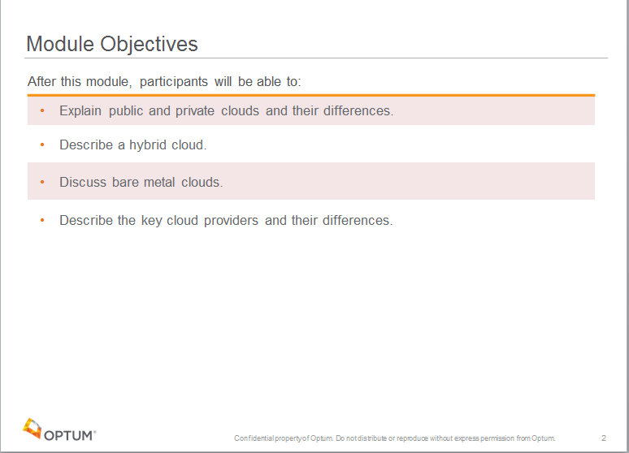
Date | Edit Category | Page/Slide Number or Global Edit | Issue | Recommended Change | TEKsystems Status | Date | Author/Instructor Edit Status | New Page/Slide Number | Author/Instructor Comments
2018-05-31 | Inconsistent Fonts/Style | 1 | On the slide - Missing the Module Number itself - just says "Module Number" Other modules read "Module 1" "Module 2", etc. | Please update to read the actual module number this is. |  | 2018-07-19 | Resolved | 1
2018-05-31 | Inconsistent Fonts/Style | 1 | On the slide - Under the Module Number is a "Month DD, YYYY" We have not been applying a date on the modules. | Please remove "Month DD, YYYY" |  | 2018-07-19 | Resolved | 1
2018-05-31 | Header/Footer Issue | 2 | On the slide - For the title slide you do not need the slide number in the lower right corner or the Confidentiality line. | Please remove the slide number and confidentiality line from the title slide only. |  | 2018-07-19 | Resolved | 2
2018-05-31 | Other Critical Issue | 1 | Instructor Notes - This is the only slide that has any Instrutor Notes - If these are truly Instructor Notes - please apply italic to the notes. If they are Participant Notes please move to be under the Participant Notes section without italic format. | Instructor notes should be included on every slide, even if it is telling the instructor to review the partcipant notes. Add in suggested talking points or examples that relate to the content for Instructors whenever possible. If Optum SMEs end up delivering the training we need to make sure we are giving enough guidance. |  | 2018-07-19 | Resolved
2018-05-31 | Spelling | 1 | In the notes, second sentence "Although we refer to docker a number of times…" the word "docker" is a proper noun and should read "Docker" and "a number of" consider changing to "many" | Change "docker" to "Docker" in the second sentence, and consider changing "a number of " to "many" |  |  | Resolved
2018-05-31 | Other Critical Issue | 2 | Slide 2 should be the Module Objectives slide listing the objectives in this module. | Apply a Module Objectives slide - an example is pictured to the right. |  | 2018-07-19 | Resolved | 2
2018-05-31 | Header/Footer Issue | current slide 2 | This is again a title slide and doesn't need the page number showing or the Confidentiality statement line. |  |  | 2018-07-19 | Resolved | 2
2018-05-31 | Grammar | 5 | In the participant notes - the third sentence is missing a determiner before the word "Code" | The line should read "The code is a small part of an application." |  | 2018-07-19 | Resolved | 5
2018-05-31 | Punctuation: End/Terminal Punctuation | 5 | In the Notes section - under Image Credit: Missing ending period punctuation. | Please apply ending period punctuation to the sentence. |  | 2018-07-19 | Resolved | 5
2018-05-31 | Inconsistent Fonts/Style | 3, 5, 12, 13, 14, 15, | There is an extra line space below the "Participant Notes:" before the notes start. | Please remove the extra line space below "Participant Notes:" |  | 2018-07-19 | Resolved
2018-05-31 | Inconsistent Fonts/Style | 4 | In the Notes section "Instructor Notes:" should be in italic format. Even though there are none the format should be consistent with the slides that have it. |  |  | 2018-07-19 | Resolved
2018-05-31 | Inconsistent Fonts/Style | 6, 10, 16, | In the Notes section there is an extra line space before the header "Instructor Notes:" | Please remove extra line space. |  | 2018-07-19 | Resolved
2018-05-31 | Punctuation: End/Terminal Punctuation | 6 | Missing a period after the first line on the page "We're ready to deplay to the server" | Please apply ending period punctuation to the first line on the slide. |  | 2018-07-19 | Resolved | 6
2018-05-31 | Punctuation: End/Terminal Punctuation | 6 | The last line on the slide should only have one exclamation mark. | Please remove the extra exclamation mark on the last sentence on the slide. |  | 2018-07-19 | Resolved | 6
2018-05-31 | Grammar | 7 | On the slide, the first line "Fix all the problems, now it's finally working!" the comma should be a semicolon. Or it should read "Fixed all the problems, now it's finally working!" | Please adjust as required. |  | 2018-07-19 | Resolved | 7
2018-05-31 | Inconsistent Fonts/Style | 7 | On the slide - there is a mixture of title casing and sentence casing on the page - I understand for emphasis "Oops.. Don't Touch Anything!" is title cased but the bullets below that should not be. Change to "Might break!" "Change environment?" "Install another app?" | Please apply sentence casing to the page. |  | 2018-07-19 | Resolved | 7
2018-05-31 | Punctuation: End/Terminal Punctuation | 7 | Missing ending period punctuation to the two bullets under "Fix Breakage" Additionally I would change to "Fix breakage" | Apply ending period punctuation to the bullets. |  | 2018-07-19 | Resolved | 7
2018-05-31 | Grammar | 8 | In the Participant Notes - last line "…this is the basic problems…" should either read "…this is the basic problem.." or "these are the basic problems" | Please adjust as required. |  | 2018-07-19 | Resolved | 8
2018-05-31 | Punctuation: End/Terminal Punctuation | 8 | On the slide - the lead in to the second set of bullets needs a colon applied to it. And the three bullets below it need ending period punctuation added to each. | Please apply a colon to the lead in line and periods to the last three bullets on the slide. |  | 2018-07-19 | Resolved | 8
2018-05-31 | Inconsistent Fonts/Style | 11 | On the slide the first line "You Install One Application, which has some…." Mixing title casing and sentence casing - also missing ending punctuation. | Change to "You install one application, which has some DLLs such as MSEXAMPLE.DLL." |  | 2018-07-19 | Resolved | 11
2018-05-31 | Grammar | 11 | On the slide - second bullet "So, we register the in COM that MSEXAMPLE -> c:\\Windows\MSEXAMPLE.DLL" the content in red doesn't make sense - should it read "So, we register them in COM at MSEXAMPLE->…." | Please adjust/advise as necessary. |  | 2018-07-19 | Resolved | 11
2018-05-31 | Grammar | 11 | On the slide - mixed casing and missing ending punctuation on bullets. "You Install One Application, which has some DLLs such as MSEXAMPLE.DLL Some of those DLLs are shared between applications So, we register the in COM that MSEXAMPLE -> c:\Windows\MSEXAMPLE.DLL Now Install a new application, which also needs MSEXAMPLE.DLL It now re-registers the same DLL: MSEXAMPLE -> C:\Program Files\MyAPP\MSEXAMPLE.DLL So what’s the problem? What if there are several different versions of the same DLL? Last one Wins! (DLL Stomping) First App no longer works! Uninstall the second app? Nope still doesn’t work Start Over from Scratch!" | Should read: "You install one application, which has some DLLs such as MSEXAMPLE.DLL Some of those DLLs are shared between applications. So, we register the in COM that MSEXAMPLE -> c:\Windows\MSEXAMPLE.DLL Now, install a new application, which also needs MSEXAMPLE.DLL It now re-registers the same DLL: MSEXAMPLE -> C:\Program Files\MyAPP\MSEXAMPLE.DLL So what’s the problem? What if there are several different versions of the same DLL? Last one wins! (DLL Stomping) First app no longer works! Uninstall the second app? Nope, still doesn’t work. Start over from scratch!" [The content in red needs adjusting from the previous edit.] |  | 2018-07-19 | Resolved | 11
2018-05-31 | Grammar | 11 | In the Participant Notes - "DLL Hell is a one of the reasons…" | Remove the word "a" to read "DLL Hell is one of the reasons…" |  | 2018-07-19 | Resolved | 11
2018-05-31 | Grammar | 11 | In the Participant Notes - "…but giving now way" | Should read "..but giving no way…" |  | 2018-07-19 | Resolved | 11
2018-05-31 | Spelling | 11 | In the Participant Notes - "While modern windows is more mature, " | Should read "While modern Windows is more mature, " |  | 2018-07-19 | Resolved | 11
2018-05-31 | Grammar | 11 | In the Participant Notes - "Different Apps, once install, can have…"" | Should read "Different apps, once installed, can have…" |  | 2018-07-19 | Resolved | 11
2018-05-31 | Spelling | 13 | On the slide - last bullet "Applications not Isolated" | Should read "Applications not isolated" |  | 2018-07-19 | Resolved | 13
2018-05-31 | Inconsistent Fonts/Style | 14 | On the slide the last bullet lead in has a colon, the rest do not - | Please be consistent - either add colons to the previous three lead ins or remove the colon from Problem. Additionally, given that you listed three possible problems I would change it to "Problems" |  | 2018-07-19 | Resolved | 14
2018-05-31 | Grammar | 14 | In the Participant Notes - In the third sentence "Since most application code isn't' really all …" the word isn't' has an extra apostrophy after the t | Please remove the second apostrophy in the word isn't' to read isn't |  | 2018-07-19 | Resolved | 14
2018-05-31 | Grammar | 14 | In the Participant Notes -In the last paragraph "Nor are there any isolation between processes. These mean that these solutions aren't the silver bullet that we would like to see." | Should read: "Nor is there any isolation between processes. This means that these solutions aren't the silver bullet that we would like to see." |  | 2018-07-19 | Resolved | 14
2018-05-31 |  | 15 | In the Participant Notes - in the fifth sentence "How do we ensure…." there are two spaces after "How" | Please remove the extra space after "How" |  | 2018-07-19 | Resolved | 15
2018-05-31 | Inconsistent Fonts/Style | 15 | In the slide title and in the PN "Matrix From Hell" should be "Matrix from Hell" | Adjust as necessary. |  | 2018-07-19 | Resolved | 15
2018-05-31 | Inconsistent Fonts/Style | 16 | On the slide the first seven bullets are title cased - and should not be. | Adjust as necessary. |  | 2018-07-19 | Resolved | 16
2018-05-31 | Punctuation: End/Terminal Punctuation | 18 | On the slide- the first line is missing its ending punctuation. | Please apply a period to the first line on the slide. |  | 2018-07-19 | Resolved | 18
2018-05-31 | Grammar | 18 | In the Participant Notes - in the last sentence "…simplifies many of our…" change to read "…simplifying many of our…." | change simplifies to simplifying |  | 2018-07-19 | Resolved | 18
2018-05-31 | Punctuation: End/Terminal Punctuation | 20 | On the slide - Missing ending period punctuation on bullets. Also, mixing title casing with sentence casing. In the third bullet "Mainframe" should be "mainframe" In the fifth bullet on the slide "Deploy App to Application Server" should be "Deploy app to application server." In the seventh bullet "Still "Bare Metal" should be "Still "bare metal". In the eigth bullet "Enables Isolation of VM processes" should be "Enables isolation of VM processes." The last bullet should be "VM security." | Adjust as necessary. |  | 2018-07-19 | Resolved | 20
2018-05-31 |  | 19 | In the Participant Notes - last sentence "Bare Metal" undeniably runs faster. | Should read "Bare metal" undeniably runs faster." |  | 2018-07-19 | Resolved | 19
2018-05-31 | Grammar | 21 | In the Participant Notes - In the second paragraph - "All basically work the same way - they the application team to create a SM Image, .." Doesn't make sense - did you mean "…they are the application team that creates a SM image, .." | Please advise / adjust as necessary. |  | 2018-07-19 | Resolved | 21
2018-05-31 | Punctuation: End/Terminal Punctuation | 22 | On the slide - Apply a colon after "Performance:" first bullet "Hardware" should be "hardware" In the next set of bullets - missing the bullets in front of "Sealed from host OS" and "We can copy VMs between machines without much problem." Unless they are secondary bullets under the singel bullet, in which case a colon is needed after "Our application VMs are sealed from each other:" Or - apply missing bullets and ending period punctuation to each. Additionally, apply ending punctuation to "Our application VMs are sealed from each other." "Sealed from host OS." Virtual instances make better use of hardware." while lowercasing the word instances. | Adjust as necessary. |  | 2018-07-19 | Resolved | 22
2018-05-31 | Spelling | 23 | In the Participant Notes - Within the parenthesis the word "windows" should be "Windows" should read "(to run Windows apps, for instance)." Also, there are four spaces before the sentence "Do we really need to run copies of the OS." And, this sentence is a question and should end in a question mark please. Additionally, there are three spaces in front of the last sentence in the notes. | Please initial cap the word "Windows" and adjust the spacing between sentences, and change the one period to a question mark. |  | 2018-07-19 | Resolved | 23
2018-05-31 | Grammar | 25 | On the slide - "So how is it different from Virtualization?" - apply a comma after the word "So" Apply period punctuation to the three sentences below that line. Change "Kernel is shared with the host" to "The kernel is shared with the host." | Adjust as necessary. |  | 2018-07-19 | Resolved | 25
2018-05-31 | Spelling | 26 | On the slide - within the table there are multiple instances of "File System" and multiple instances of "Filesystem" | Please be consistent and choose one or the other through out the presentation. After viewing the rest of the module - I would change all to Filesystem" on this slide. |  | 2018-07-19 | Resolved | 26
2018-05-31 | Grammar | 26 | In the Participant Notes - in the last line "..in both cases they are on the guest image rather than on the host." 1) apply a comma after the word "cases" and, 2) should the word "image" be "copy"? | Please adjust as necessary. |  | 2018-07-19 | Resolved | 26 | Although the suggestion was copy, I feel that "image" more accurately describes the way things work here than saying copy.
2018-05-31 | Punctuation: End/Terminal Punctuation | 27 | On the slide - in the chart - please apply period punctuation to both instances of "All dependnecies installed to ontainer filesystem." and to "Dependencies installed in user space." |  |  | 2018-07-19 | Resolved | 27
2018-05-31 | Spelling | 28 | On the slide - the slide title "Solving The Matrix From Hell" should read "Solving the Matrix from Hell" In the Participant Notes as well change "From" to "from" |  |  | 2018-07-19 | Resolved | 28
2018-05-31 | Inconsistent Fonts/Style | 29 | On the slide - in the Comments side of the chart for "Tightly Coupled Data" in the first sentence there is an extra space before the word "containers" | Remove the extra space before the word "containers" |  | 2018-07-19 | Resolved | 29
2018-05-31 | Grammar | 29 | On the slide - in the Comments side of the chart for "Security Concerns" "Sharing the kernel means that kernel exploits in container will …" missing the article before the word container. | Should read "Sharing the kernel means that kernel explooits in the container will …" |  | 2018-07-19 | Resolved | 29
2018-05-31 | Grammar | 29 | In the Participant Notes - in 1. second sentence "This can be because, say, Mac users…" replace with "For instance, Mac users.." or "For example, Mac users…" Also, in the last sentence the word "docker" should be "Docker" | Adjust as necessary. |  | 2018-07-19 | Resolved | 29
2018-05-31 | Spelling | 29 | In the Participant Notes - 2. In the last sentence of 2. "IF we want optional kernel…" the word "IF" should be "If" | Adjust as necessary. |  | 2018-07-19 | Resolved | 29
2018-05-31 | Grammar | 29 | In the Participant Notes - 4. In the fifth sentence "Containers can complicated this because the app is generally …" Should read "Containers can complicate this because the app…" Or "Containers can be complicated because the app is …" | Adjust as necessary. |  | 2018-07-19 | Resolved | 29
2018-05-31 | Inconsistent Fonts/Style | 29 | In the Participant Notes - 5. Before the third sentence are four spaces. | Please remove two of the spaces to match the sentence spacing in the module. |  | 2018-07-19 | Resolved | 29
2018-05-31 | Spelling | 31 | On the slide - second bullet (Which will be the third bullet after the previous edit.) "Users, Processes, network.." | Should be "Users, processes, network, …" |  | 2018-07-19 | Resolved | 31
2018-05-31 | Punctuation: End/Terminal Punctuation | 31 | Missing ending period punctuation on five bullets | Please apply period punctuation to the five bullets where they are missing. |  | 2018-07-19 | Resolved | 31
2018-05-31 | Grammar | 31 | In the Participant Notes - second sentence "…containers didn't come specifically out of nowhere and …" the text in red is a double negative - you could say "…containers didn't come out of thin air, and …" or something similar. | Please adjust as necessary. |  | 2018-07-19 | Resolved | 31
2018-05-31 | Spelling | 31 | In the Participant Notes - multiple instances of "git" and "github" Please advise if this is acceptable or if they should be changed to "Git" and "GitHub" respectively in all instances. Likewise, the term "linux" should be "Linux" as they are proper nouns. | Please advise / adjust as necessary. |  | 2018-07-19 | Resolved | 31
2018-05-31 | Grammar | 31 | In the Participant Notes - in the third paragraph "It does **not** give users the ability to combine together different filesystems or parts of filesystem." missing the article "a" before filesystem - Also, the line after that "To do that, you need ww " This sentence doesn't seem complete. Please verify this is alright. | Should read: "It does **not** give users the ability to combine together different filesystems or parts of a filesystem." |  | 2018-07-19 | Resolved | 31
2018-05-31 | Grammar | 32 | In the Participant Notes - in the fifth paragraph, in the second sentence "…PID, names, etc, and " missing the period after "etc" | Should read: "PID, names, etc., and " |  | 2018-07-19 | Resolved | 32
2018-05-31 | Spelling | 32 | In the Particpant Notes - in the fifth paragraph, last line the word "langauges" should be "languages" | Change to "languages" |  | 2018-07-19 | Resolved | 32
2018-05-31 | Spelling | 32 | In the Particpant Notes - in the sixth paragraph, first line the word "steriods" should be "steroids" Later in the same paragraph "hte" should the "the" | Change to "steroids" and later in the same sentence "the" |  | 2018-07-19 | Resolved | 32
2018-05-31 | Spelling | 33 | In the Participant Notes - second paragraph - "Since docker containers.." change to read "Since Docker containers …" | Change the pronoun to "Docker" |  | 2018-07-19 | Resolved | 33
2018-05-31 | Spelling | 33 | In the Participant Notes - last paragraph - second sentence - "…container file sytems on …" the word "file sytems" should be "filesystems" it was missing the second s in systems and the majority of the modules is spelling it as one word. | Change to "filesystems" |  | 2018-07-19 | Resolved | 33
2018-05-31 | Inconsistent Fonts/Style | 34 | On the slide - the term "OverlayFS" is indented one space - please remove the space in front of it. | Remove space. |  | 2018-07-19 | Resolved | 34
2018-05-31 | Grammar | 34 | On the slide "Docker Container format now the standard container format" Should read "Docker container format is now the standard container format." | Change as shown. |  | 2018-07-19 | Resolved | 34
2018-05-31 | Spelling | 34 | In the Participant Notes - first sentence the word "conatiners" should be "containers" | Change to containers. |  | 2018-07-19 | Resolved | 34
2018-05-31 | Spelling | 34 | In the Participant Notes - second paragraph - first line the word "linux" should be "Linux" | Change to Linux. |  | 2018-07-19 | Resolved | 34
2018-05-31 | Header/Footer Issue | 26 | On the slide - the Confidentiality statement is covering the slide number. | Please move the Confidentiality statement to the left to match the other slides.
2018-05-31 | Other Critical Issue | 27 | Should "Tim Fox" be on the slide or should it be a place holder for the Instructors Name? |  |  |  | Resolved
2018-05-31 | Other Critical Issue | 28 | Place holder for Discussion: slide(s)
2018-06-01 | Broken/Missing Graphic | global | There are Image Credit on numerous slides. The images used need to be free of any 3rd party copy rights. Is this the case for all the images used? If no, then you need to make sure the images used follow that standard. | Please remove the Image Credit from the PPTs. |  |  | Resolved
2018-06-01 | Instructional Content | 2 | Missing Objectives slide. See comment above. |  |  | 2018-07-19 | Resolved | 2
2018-06-01 |  | global | Should use only one space between the end of sentence and new sentence. |  |  | 2018-07-19 | Resolved
2018-06-01 | Instructional Content | global | Participant notes should be more detailed than content on screen. On-screen content should highlight areas of the notes in a condensed format (not long sentences).
2018-06-01 | Grammar | global | Avoid using exclamation marks in slide titles.
2018-06-01 | Instructional Content | global | Instructor Notes missing. In most cases should say... Instructor Notes are the same as Participant Notes. Please present the Participant Notes.
2018-06-01 | Instructional Content | 3 | Participant notes paragraph should span the entire width of the PPT notes section.
2018-06-01 | Instructional Content | 4 | Missing participant notes here. |  |  | 2018-07-19 | Resolved
2018-06-01 | Graphic Quality | 4 | Image should be larger. Please move image up next to bulleted text on screen. |  |  | 2018-07-19 | Resolved
2018-06-01 | Graphic Quality | 5 | This horizontal image only works if it can fit below bullets. In this case, there is not enough room so it should instead be cropped (cut in half) so that it fits up next to the bullets.
2018-06-01 | Instructional Content | 6 | If there are steps on screen, use numbers instead of bullets.
2018-06-01 | Graphic Quality | 9 | Use the 3-row icon layout here if you can't find an image.
2018-06-01 | Graphic Quality | 7 | Add an image here.
2018-06-01 | Grammar | 8 through 11 | Please use another word instead of "Hell" on these slides. "Issues", or "problems"..
2018-06-01 | Grammar | 10 | Change last bullet list header to "Problems with these solutions:" |  |  |  |  |  | Which slide is this?
2018-06-01 | Broken/Missing Graphic | 10 | Add an image here.
2018-06-01 | Inconsistent Fonts/Style | 11 | Font size should be size 16 here. |  |  | 2018-07-19 | Resolved
2018-06-01 | Graphic Quality | 11 | Please use the Light Style 1 - Accent 2 table style which turns the gray areas here to the light orange color. |  |  | 2018-07-19 | Resolved
2018-06-01 | Graphic Quality | 12 | Move the image to the right to give more space away from bulleted list.
2018-06-01 | Instructional Content | 12 | Slide title is too vague. Need to give the point of the slide. For example, "Delivering a Comprehensive Applicaton"
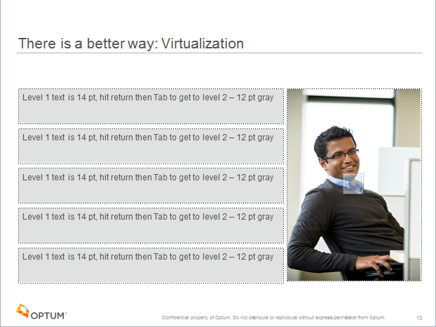
2018-06-01 | Graphic Quality | 13 | Change screen layout to 5 row photo and include photo on screen.
2018-06-01 | Instructional Content | 13 | Sentences on screen are too long. These need to be moved to the notes section and shortened/condensed into on-screen bullets.
2018-06-01 | Graphic Quality | 13 | Add an image here.
2018-06-01 | Grammar | 18 | Slide title change to: "The History of Virtualizaton" |  |  | 2018-07-19 | Resolved | 18
2018-06-01 | Broken/Missing Graphic | 14 | Change slide layout to 4-column table layout.
2018-06-01 | Grammar | 19 | First bullet list header - change "done" to "used". I don't think you can "do" a VM, but you can "use" one, or "host" one, etc. |  |  | 2018-07-19 | Resolved | 19
2018-06-01 | Graphic Quality | 21 | Use a logo for each item. This looks redundant to have the logos with the text. If you can find logos for all, then use just the logos. |  |  | 2018-07-19 | Resolved | 21
2018-06-01 |  | 22 | Slide title is too vague. This should be "The Cost of Virtualization" |  |  | 2018-07-19 | Resolved | 22
2018-06-01 | Broken/Missing Graphic | 16 | Add an image here.
2018-06-01 | Instructional Content | 16 | Long full sentences should be moved to the notes section and shortened for matching bullets on screen.
2018-06-01 | Graphic Quality | 17 | Move diagram to the center of the screen. Recolor diagram to Optum colors.
2018-06-01 | Instructional Content | 17 | Move on screen text to participant notes and make diagram larger on screen.
2018-06-01 | Grammar | 25 | Change on screen text to "How is this different from Virtualization?" |  |  | 2018-07-19 | Resolved | 25
2018-06-01 | Graphic Quality | 26 | Update table to light orange color instead of gray. |  |  | 2018-07-19 | Resolved | 26
2018-06-01 | Inconsistent Fonts/Style | 19 | Font size should be size 16 here. |  |  | 2018-07-19 | Resolved
2018-06-01 | Graphic Quality | 27 | Update table to light orange color instead of gray. |  |  | 2018-07-19 | Resolved | 27
2018-06-01 | Inconsistent Fonts/Style | 20 | Font size should be size 16 here. |  |  | 2018-07-19 | Resolved
2018-06-01 | Graphic Quality | 21 | Update table to light orange color instead of gray. |  |  | 2018-07-19 | Resolved
2018-06-01 | Inconsistent Fonts/Style | 21 | Font size should be size 16 here. |  |  | 2018-07-19 | Resolved
2018-06-01 | Graphic Quality | 22 | Update table to light orange color instead of gray. |  |  | 2018-07-19 | Resolved
2018-06-01 | Inconsistent Fonts/Style | 21 | Font size should be size 16 here.
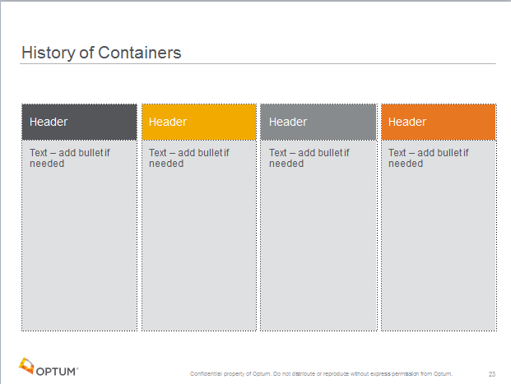
2018-06-01 | Graphic Quality | 23 | Use a 4-column layout here as provided in the template. Right click on slide 23 and select Layout > 4-column. Put each year with bullet list info into the header and then add bullets in the column below.
2018-06-01 | Graphic Quality | 24 | Use a 3-column layout from layout choices. Place each year in the header and the bullets below. Remove logo as it is not needed here.
2018-06-01 | Graphic Quality | 34 | Since this one doesn't fit into a table layout, simply recolor "2013: Docker released" to Orange Accent 1, Bold. See image provided. |  |  | 2018-07-19 | Resolved | 34
2018-06-01 | Graphic Quality | 34 | Make logo larger and move to right side. |  |  | 2018-07-19 | Resolved | 34
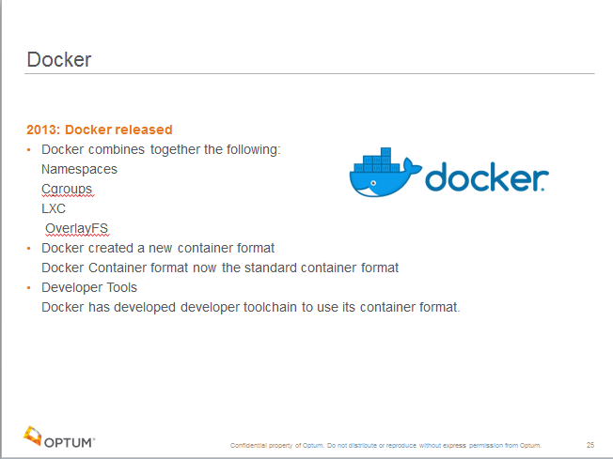
2018-06-01 |  | 26 | Move Activity slide to after Docker slide. This should be renamed, "Discussion: Question Title". Need to create a Knowledge Check question here. Please follow formatting as shown in Elephant Scale Cloud 100 Module 2.

