Capture Story
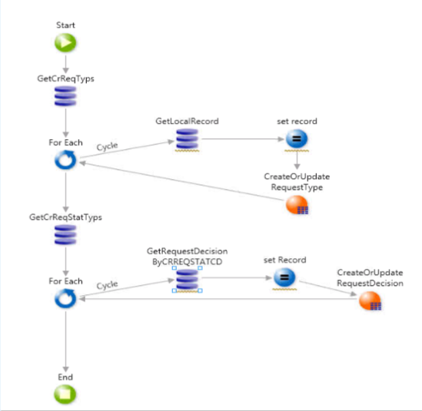
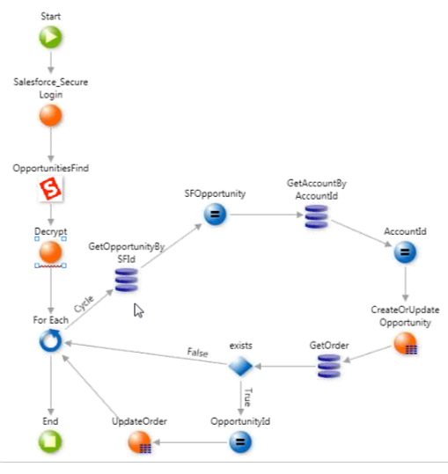
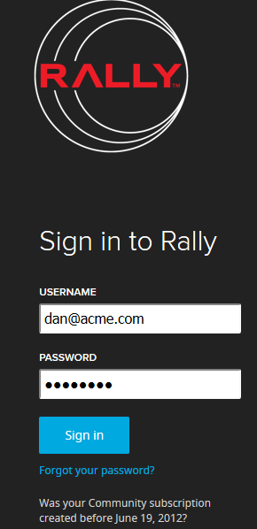
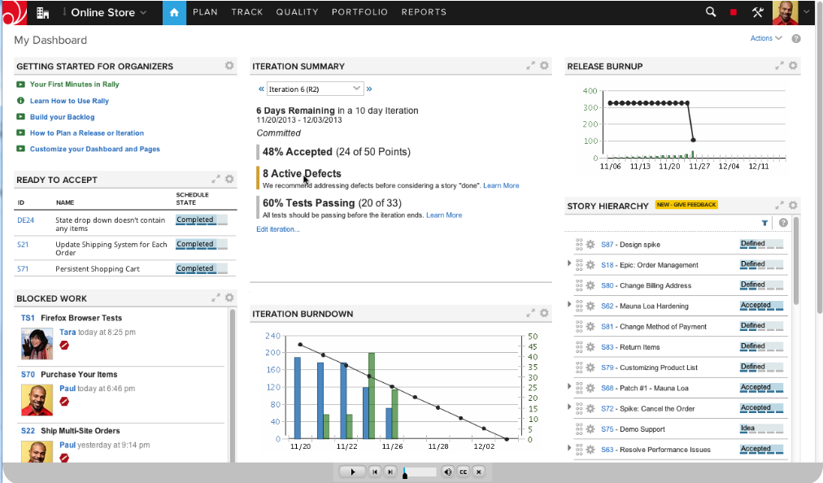
Guidelines | SME link

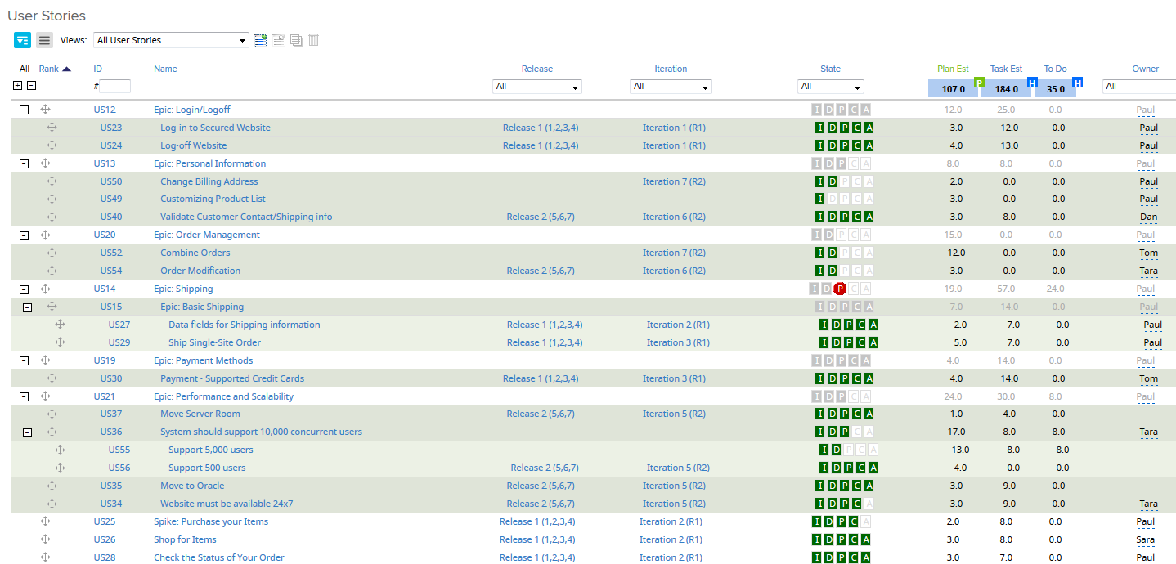

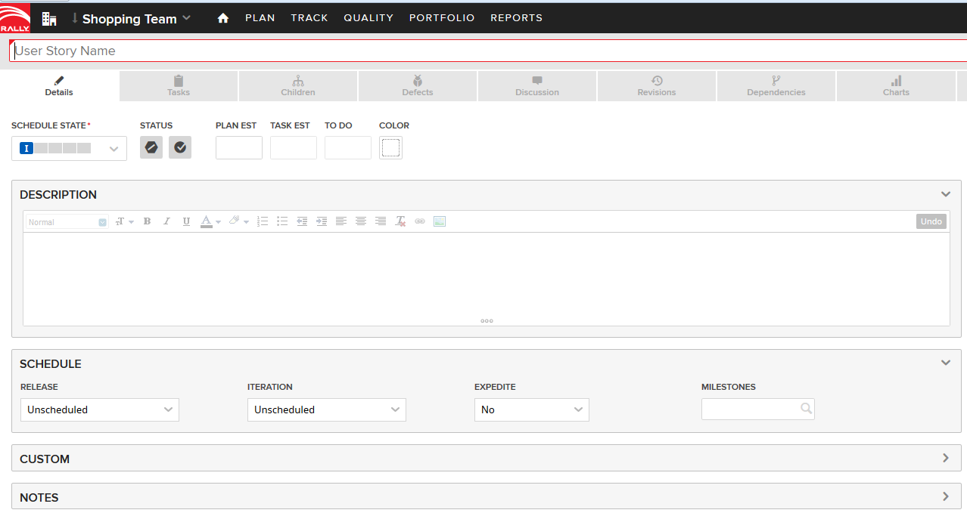

Guidelines
Creating a User Story
The primary Agile artifact used to describe system behavior and user value is the “User Story.” User stories are user and value centric, as they put the user, not the system, as the subject of interest. In support of this, the recommended form of expression is the “user voice form,” and it appears as follows:
As a 〈user role〉 I can 〈activity〉 so that 〈business value〉

By using this form, the teams are constantly guided to understand who is using the system, what they are specifically doing with it, and why they are doing it. Applying it routinely continuously
increases the team’s domain competence as they come to better understand the real business needs of their user. Here is an example:

User stories also follow the XP alliteration of the “3Cs”: Card (short statement of intent), Conversation (discussion with the user/product owner and team), and Confirmation (acceptance criteria which define the conditions of satisfaction for the completed story).

Card represents the physical capture of the statement of intent of the user story. The card metaphor provides a tangible and kinesthetic relationship between the team and “this thing a user wants to do”. By its nature, the card physically limits the length of the story, and thereby, too-early specificity of system behavior. It also helps keep keeps the story lightweight and malleable. Cards also help the team “feel” upcoming scope, as there is something materially different about holding 10 cards in ones hand from looking at 10 lines on a spreadsheet.

Conversation represents a “promise for a conversation” between the team, customer/user, the product owner, and other stakeholders. This is the discussion necessary to determine the more detailed behavior required to implement the intent. The conversation may spawn additional specificity in the form of attachments to the user story (mockup, spreadsheet, algorithm, timing diagram, etc).

Confirmation. While user stories are intentionally written as short and coarse statements, the stories acceptance criteria provides the precision necessary to assure that the story is implemented correctly and covers the relevant functional and non-functional requirements. Agile teams automate acceptance tests wherever possible, oftentimes in a business-readable, domain-specific language, thereby creating the “automatically executable specification and test” of the code. Automation also provides the ability to quickly regression test the system which enhances, continuous integration, refactoring and maintenance. Figure 3 provides an example.

Investing in Good User Stories

Teams often use Bill Wake’s “INVEST” acronym (Independent, Negotiable, Valuable, Estimable, Small, Testable; see References [1] and [2]) to reason about stories.

Device or a System User Story

While the user story is the primary, and most desirable form of story, not every system under development interacts with an end user. Sometimes, the “user” is a device (example: printer) or other system (example: transaction server). In this case, the story takes on the form illustrated in Figure 4.

Technical Stories

Sometimes, the development teams must develop component functionality that is needed to implement a number of different user stories, or support other components of the system. In this case, the story may not directly touch any end user at all, and we can express these stories in technical, rather than user-centric language, as Figure 4 illustrates.
Even then, however, we recommended keeping the “… so that …” portion of the form so that the motivation for the story is understood. And of course, technical stories are demonstrated just like user stories, typically via UI, stub or mock.

Splitting Stories

Smaller stories allow for faster, more reliable implementation (small things go through a system faster, reduce complexity and manage risk). Splitting bigger stories into smaller ones is thus a mandatory survival skill for every Agile team, and is both the art and science of incremental development. In Ref [1], we highlighted ten ways to split user stories. A summary of these techniques is included below.

1. Workflow steps
2. Business rule variations
3. Major effort
4. Simple/complex
5. Variations in data
6. Data entry methods
7. Defer system qualities
8. Operations (Example: Create Read Update Delete (CRUD))
9. Use-case scenarios
10. Break out a spike

Elaborate Story
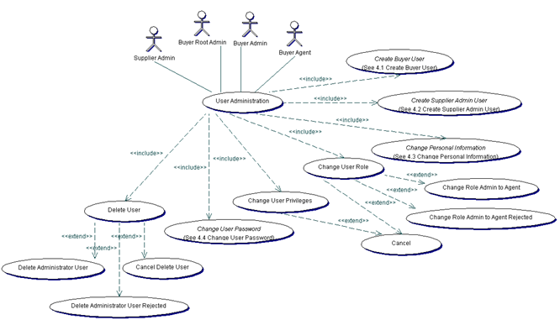
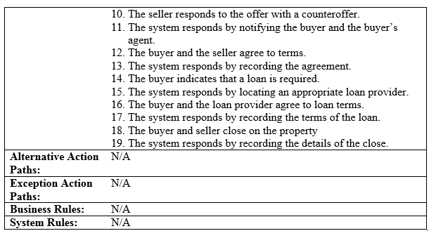
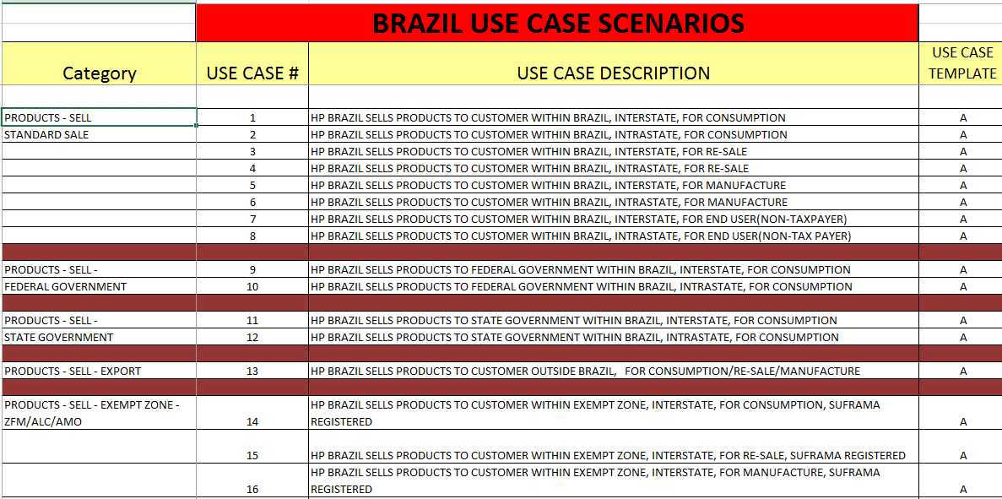
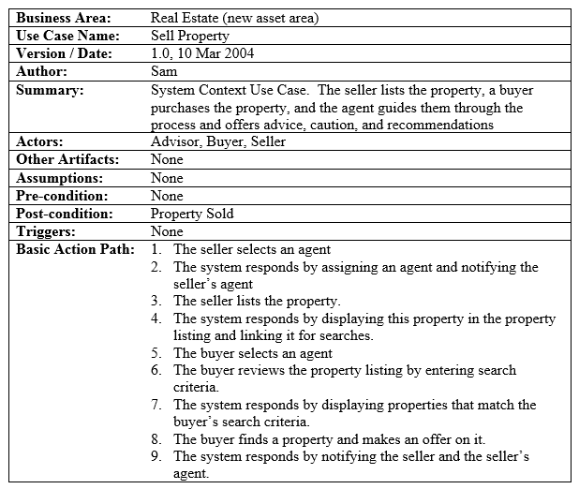
A story is elaborated by a use case when it is complicated and needs formal elaboration.

Use Case Example 2 – formal (bulleted) Comments: This is the preferred style for requirements. Notice that the alternate path references keep the main path clear as does the references to a business rule, which is in another central document (at some point in the future, all business rules should be in a separate storage mechanism and reused implicitly by any given operation). In addition, recognize that this example contains physical system references, which is ok when describing behavior changes to an existing application (of course physical references should be avoided for new application behavior). The “alternate path” references in the “basic path” steps can include a title to provide immediate context [Alt Path B] or only included with the “alternate path” declaration at the bottom of the use case. One last aspect to realize is that each alternate path numbering always starts over so that the alternate path action block can be easily reused if necessary. Application Area: Enrollment Use Case Name: Enroll in Seminar Version: Author: Summary: Enroll an existing student in a seminar for which she is eligible. Actors: Student Other Artifacts: None Pre-Conditions: The Student is registered at the University. Post-Conditions: The Student will be enrolled in the course she wants if she is eligible and room is available. Triggers: Student starts enroll process Basic Action Path: 1. The use case begins when a student wants to enroll in a seminar. 2. The student inputs her name and student number into the system via UI23 Security Login Screen. 3. The system verifies the student is eligible to enroll in seminars at the university according to business rule BR129, “Determine Eligibility to Enroll”. [Alt Path A] 4. The system displays UI32 Seminar Selection Screen, which indicates the list of available seminars. 5. The student indicates the seminar in which she wants to enroll. [Alt Path B: The Student Dec | What is a Use Case?
 | A “use case” is a sequence of actions performed by a solution that helps attain a goal. It is a process description that fulfills one behavioral requirement. It addresses a discrete business function, i.e., “add sales order” or “approve PO” that tells a small story how this logically happens. A use case contains all the paths both successful and unsuccessful, in the attempt to reach a goal. The description can be in different styles, such paragraph, bulleted or table depending on which style is clearer to a user. It is shown graphically as an “oval” in a “use case diagram” when a diagram is drawn.

Declare Rule
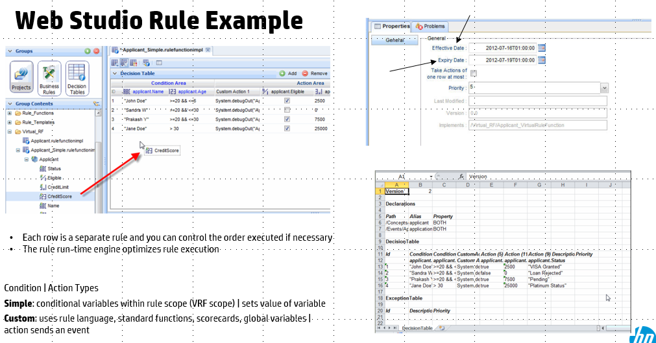
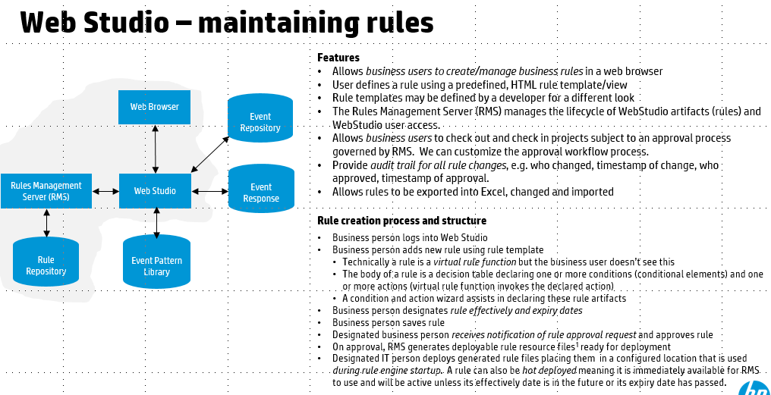
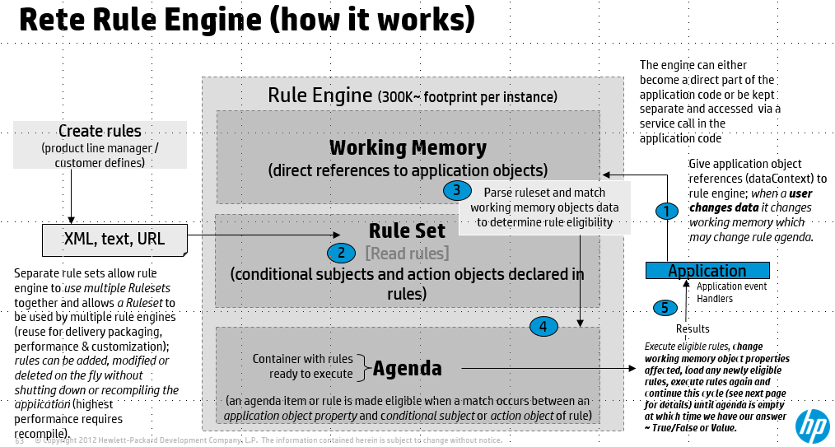
Guidelines
•A business rule is a primary requirement and must be an explicit but separate part of any business requirement; there are no assumptions.
•Rules are a discrete, essential part of both business and technology models
•A business rule is separate from a process and NOT contained in any process
•A business rule represents deliberate knowledge about the business
•A business rule is declarative (does not depend on any other rule sequence) and not procedural
•A business rule is a well-formed expression
•A business rule guides one or more business processes; rule exceptions are handled by exception paths of use cases
•A business rule must be monitored, managed and maintained by the business and not IT; a business rule is a business asset.

Glossary
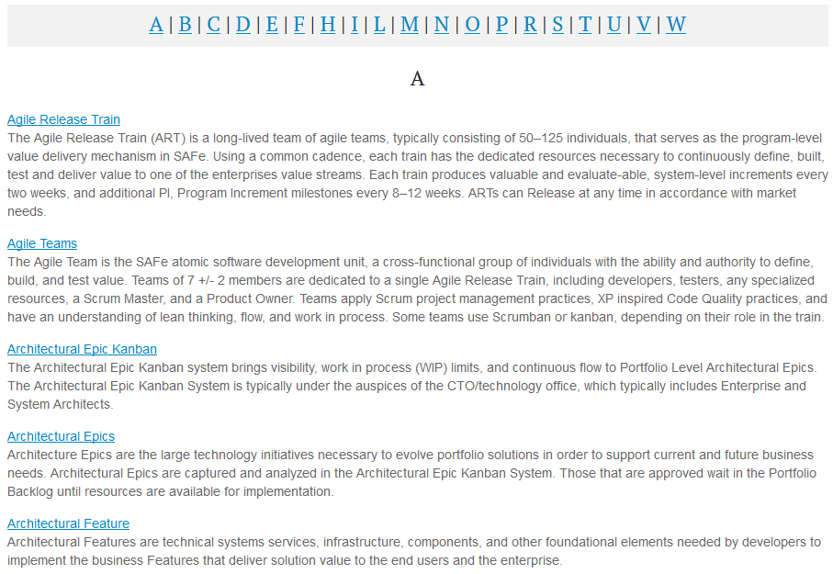

studios
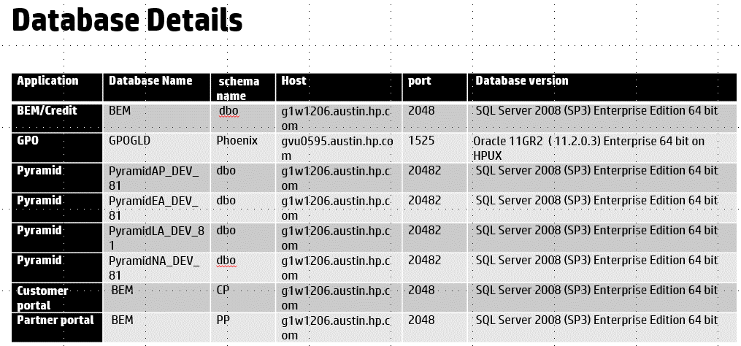
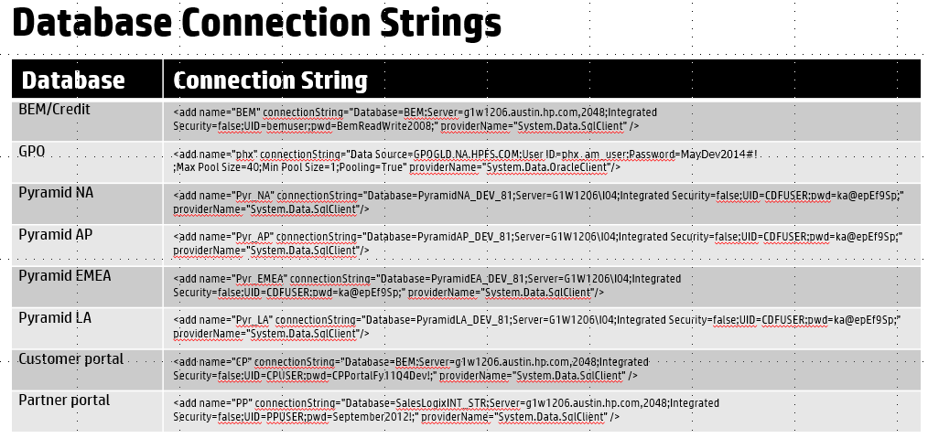
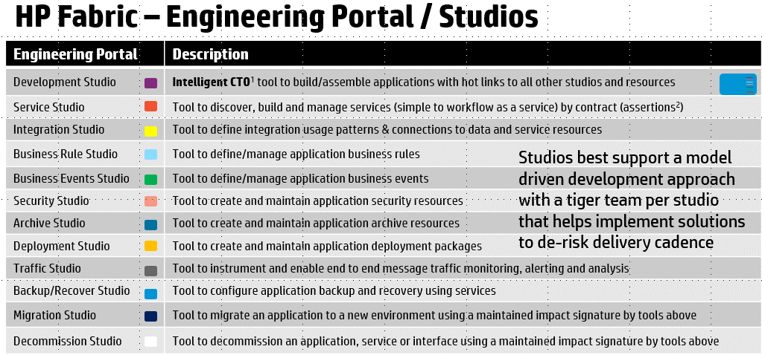

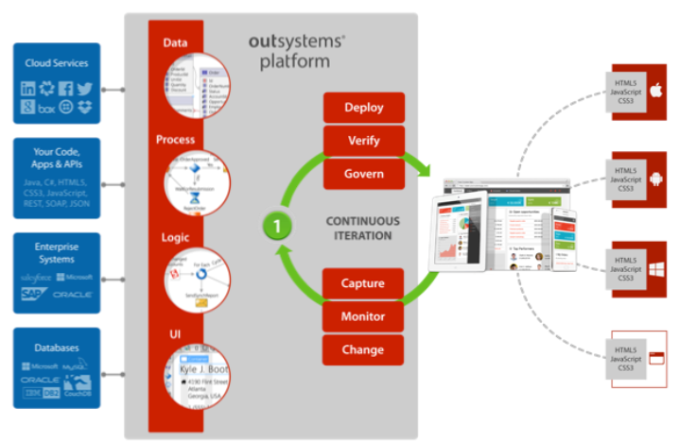

Integration Studio - Database connections

Icons
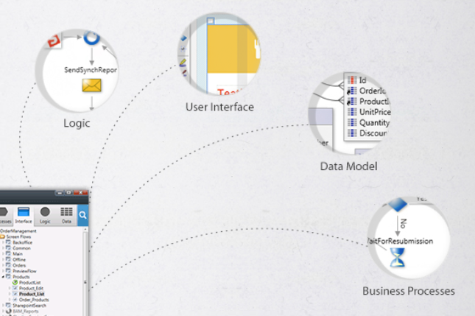
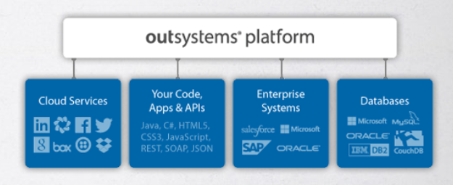

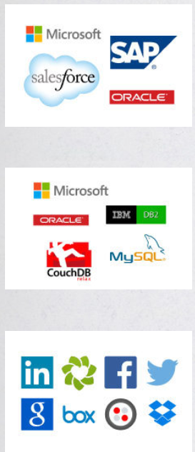
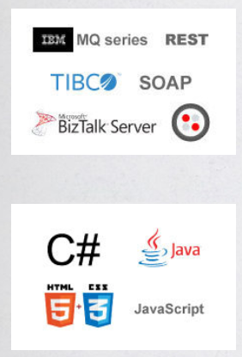
SAAS | SOAP or REST

Database | Code reuse

Connectors

