Rooms
Room | Sqft | Rate Lease | Monthly Rate at $9/sqft Longterm Deal | Monthly Rate at $10/sqft ShortTerm Deal | Canopy Sqft | Room Layout | Notes | Plant Count estimate Sea of Green | Plant Count estimate Craft (2 topping veg cycle)
P101 | 1789 | $10,000.00 | $16,101.00 | $17,890.00 | 1,789 | Single Tier | HPS/CMH Blended | 1200 | 630
P102 | 1808 | $10,000.00 | $16,272.00 | $18,080.00 | 1,808 | Single Tier | HPS/LED Blended | 1210 | 630
P103 | 1393 | $8,000.00 | $12,537.00 | $13,930.00 | 1,393 | Single Tier | HPS/CMH Blended | 930 | 480
P104 | 1378 | $8,000.00 | $12,402.00 | $13,780.00 | 1,378 | Single Tier | HPS/CMH Blended | 930 | 480
P105 | 1509 | $9,000.00 | $13,581.00 | $15,090.00 | 1,509 | Single Tier | HPS/CMH Blended | 1010 | 520
P124 | 1200 | $8,000.00 | $10,800.00 | $12,000.00 | 1,200 | Single Tier | HPS/CMH Blended | 800 | 420
P125 | 1458 | $9,000.00 | $13,122.00 | $14,580.00 | 1,458 | Single Tier | HPS/CMH Blended | 950 | 510
P126 | 1454 | $9,000.00 | $13,086.00 | $14,540.00 | 1,454 | Single Tier | HPS/CMH Blended | 950 | 500

 |  |  | Monthly Rate at $8/sqft Longterm Deal | Monthly Rate at $9/sqft ShortTerm Deal |  |  |  | Plant Count estimate Sea of Green | Plant Count estimate Craft (2 topping veg cycle)
P120 | 1280 | $10,000.00 | $10,240.00 | $11,520.00 | 2,200 | Vertical | ETA - July 15 | 1320 | 660
P131 | 1280 | $10,000.00 | $10,240.00 | $11,520.00 | 2,200 | Vertical | ETA - June 15 | 1320 | 660
P132A | 1280 | $10,000.00 | $10,240.00 | $11,520.00 | 2,200 | Vertical | ETA - June 30 | 1320 | 660
P107 | 1100 | $10,000.00 | $8,800.00 | $9,900.00 | 1,800 | Vertical | ETA - Aug 15 | 1080 | 540
P123 | 800 | $7,000.00 | $6,400.00 | $7,200.00 | 800 | Single Tier | ETA - July 15 | 480 | 240
 |  | $118,000.00 | $153,821.00 | $171,550.00
Drying Rooms
P107A
P107B
P128
P122A
P122B
P132B1
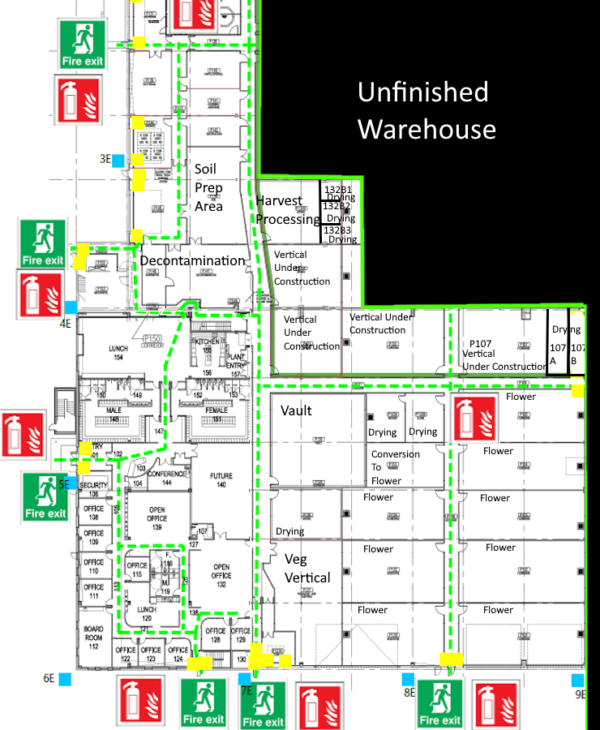
P132B2
P132B3

 |  |  |  |  |  |  |  |  |  | 0

