Sheet2
Address |  |  | Actual Result | Expected Result
Arab American Family Support Center | 350 Jay Street Brooklyn, NY 11201 | 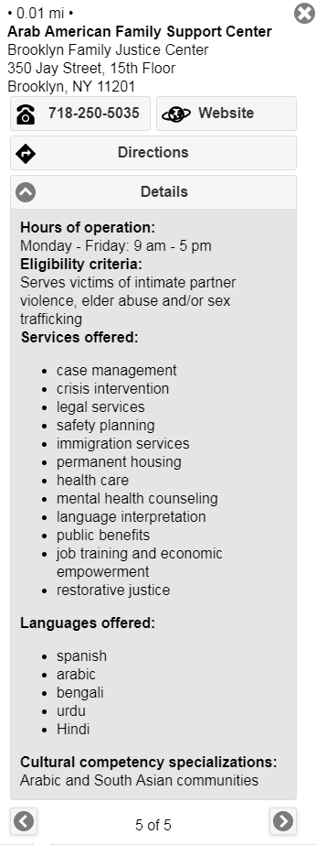 | Service offered: case management crisis intervention legal services safety planning immigration services emergency or transitional shelter permanent housing health care mental health counseling language interpretation public benefits job training and economic empowerment restorative justice Languages in column AH thru AS are all lower case . | Service offered: Case management Crisis intervention Legal services Safety planning Immigration services Emergency or transitional shelter Permanent housing Health care Mental health counseling Language interpretation Public benefits Job training and economic empowerment Restorative justice Languages offered: Spanish Arabic Bengali Urdu Hindi
Safe Horizon | 350 Jay Street, 15th Floor 198 E 161 Street, 2nd Floor 80 Centre Street, 5th Floor 126 Stuyvesant Place 126-02 82nd Avenue | 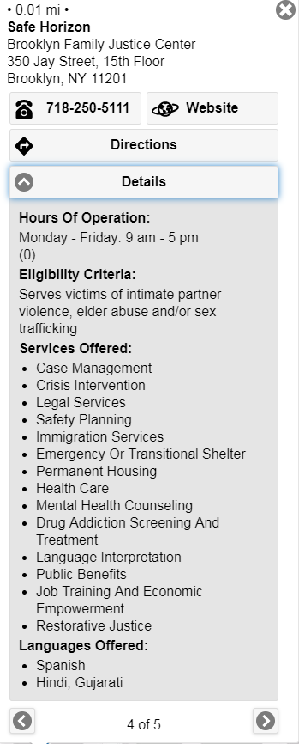 | Hours of Operation is showing (0) field 160,161,162,163,166 column AF | Hours of Operation should be displayed as reported
Kingsbridge Heights Community Center-Changing Futures Program | 3101 Kingsbridge Terrace | 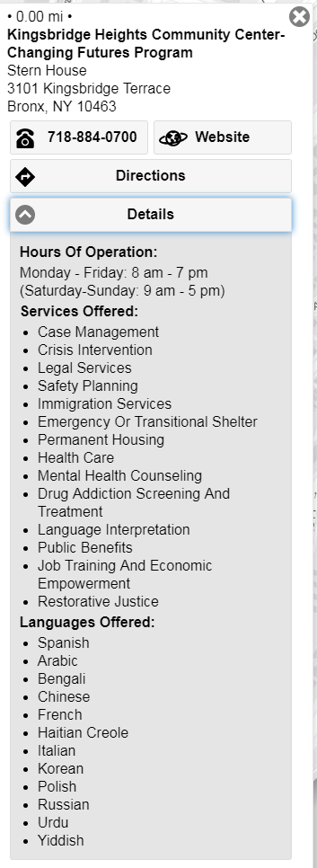 | Showing All 12 languages | Spanish
Safe Horizon | 112-25 Queens Boulevard , 3rd Floor Forest Hills, NY 11375 | 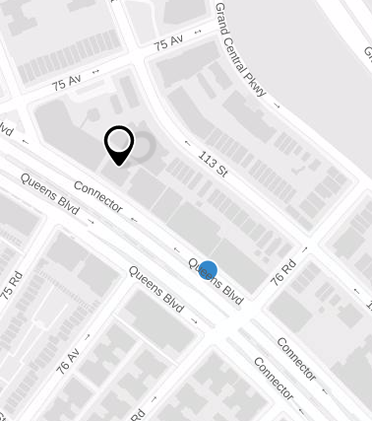 | Searching 112-25 Queens Boulevard in the search field is not showing the exact location | Searching 112-25 Queens Boulevard in the search field should show the exact location
New York City Anti-Violence Project | 116 Nassau Street, 3rd Floor | 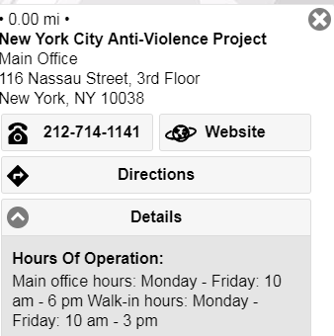 | Hours Of Operation: Main office hours: Monday - Friday: 10 am - 6 pm Walk-in hours: Monday - Friday: 10 am - 3 pm | Hours Of Operation: Main office hours: Monday - Friday: 10 am - 6 pm Walk-in hours: Monday - Friday: 10 am - 3 pm It should be two separate bullet points.
Safe Horizon | 120 E 119th Street New York, NY 10035 | 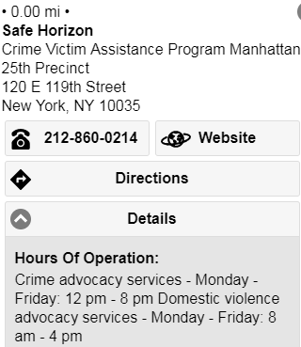 | Hours Of Operation: Crime advocacy services - Monday - Friday: 12 pm - 8 pm Domestic violence advocacy services - Monday - Friday: 8 am - 4 pm | Hours Of Operation: Crime advocacy services - Monday - Friday: 12 pm - 8 pm Domestic violence advocacy services - Monday - Friday: 8 am - 4 pm It should be two separate bullet points.
Safe Horizon | 126-02 82 Avenue Queens, NY 11415 | 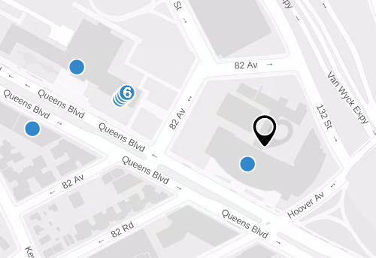 | When entering 126-02 82nd Avenue address its is showing 125-01 Queens Boulevard location on the Map. | By entering 126-02 82nd Avenue address it should be showing 126-02 82nd Avenue location on the Map.
Child Center of New York | 133-25 Guy R Brewer Boulevard, Queens, NY 11434 | 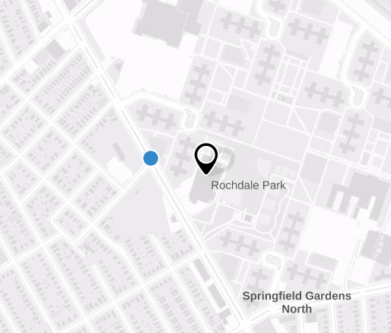 | Searching 133-25 Guy R Brewer Boulevard in the search field is not showing the exact location | Searching 133-25 Guy R Brewer Boulevard in the search field should show the exact location
Safe Horizon | 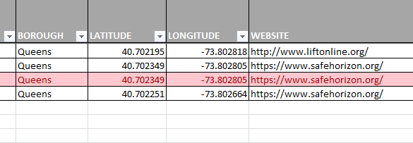 151-20 Jamaica Avenue , 2nd Floor Jackson Heights, NY 11372 151-20 Jamaica Avenue, First Floor Jamaica, NY 11432 | 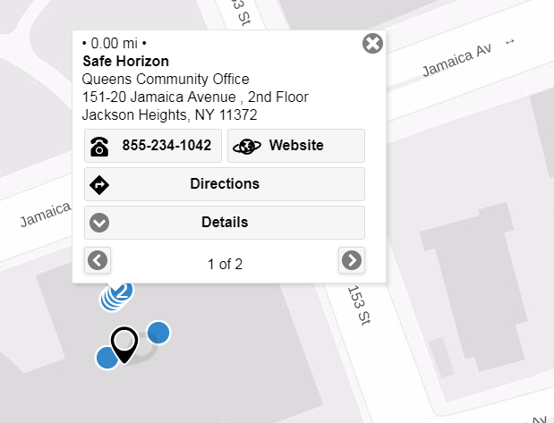 | When entering 151-20 Jamaica Avenue address its is showing multiple locations for same address. | By entering 151-20 Jamaica Avenue address it should be showing addresses as a list
Child Center of New York | 156-10 Baisley Boulevard Jamaica, NY 11434 | 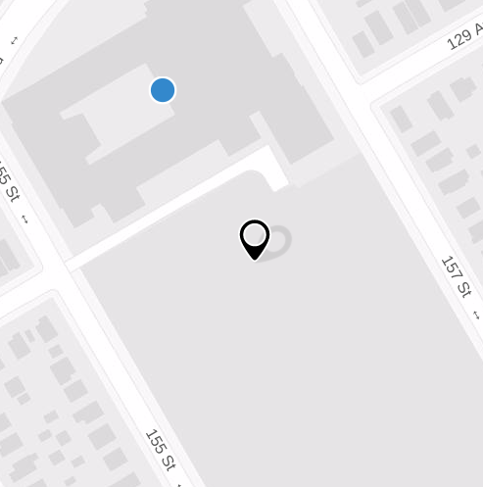 | Searching 156-10 Baisley Boulevard in the search field is not showing the exact location | Searching 156-10 Baisley Boulevard in the search field should show the exact location
Food First Family Project, Inc. | 165 Conover Street Brooklyn, NY 11231 | 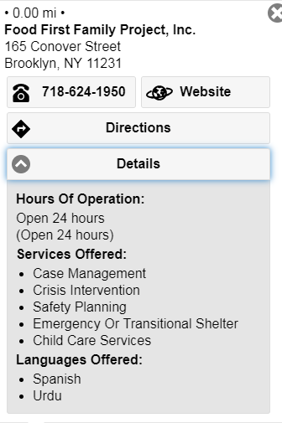 | Open 24 hours repeat | Suggestion: It should be displayed once.
Safe Horizon | 2121 Echester Road Bronx, NY 10461 | 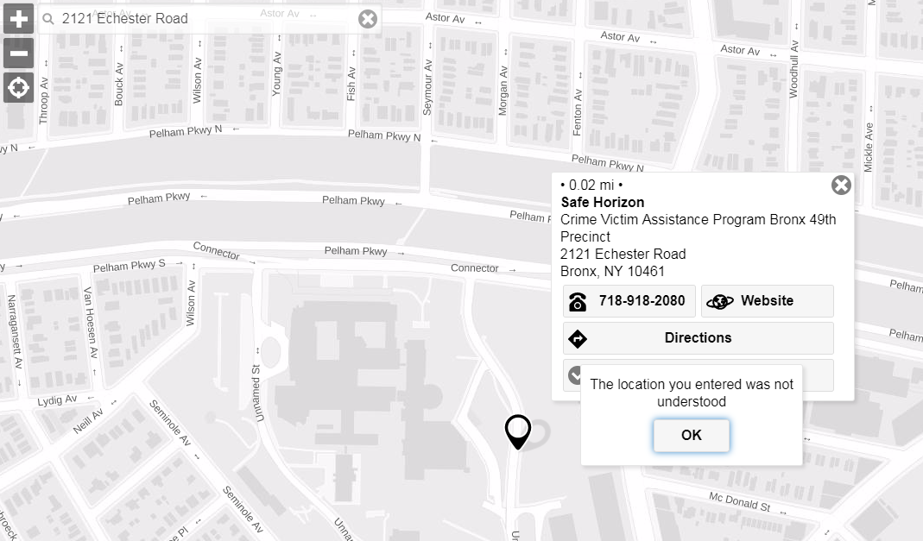 | Searching 2121 Echester Road in the search field is not showing the exact location | Error pops up saying "The location you entered was not understood" It accepts 2121 Eastchester Road, Bronx, NY as an address.
Center Against Domestic Violence | 25 Chapel Street, Suite #904 Brooklyn, NY 11201 | 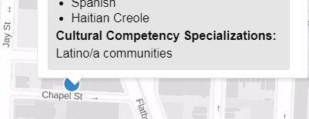 | Latino/a communities | Latino communities
Legal Information for Families Today (LIFT) Safe Horizon |  60 Lafayette Street New York, NY 10013 | 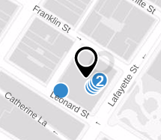 | When entering 60 Lafayette Street New York, NY 10013 address its is showing multiple locations for same address. | By entering 60 Lafayette Street New York, NY 10013 address it should be showing addresses as a list
Child Center of New York | 98-11 44th Avenue Corona, NY 11368 | 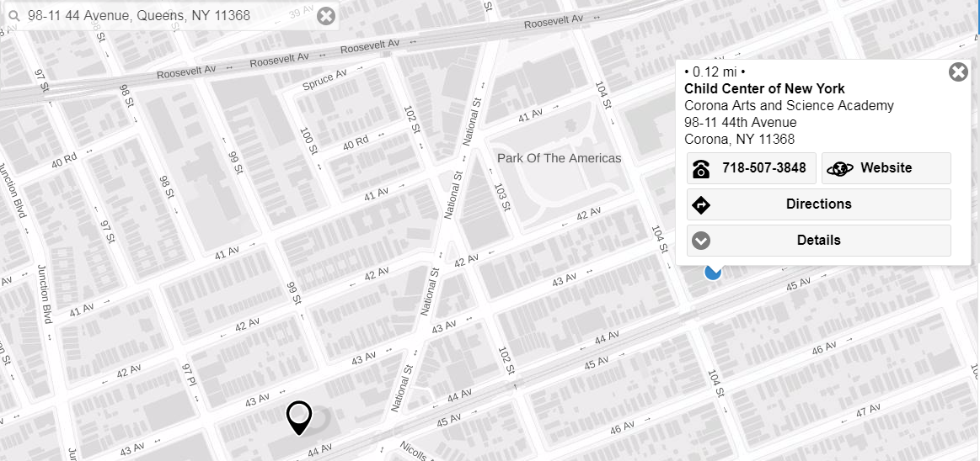 | Searching in the search field is not showing the exact location | Searching 98-11 44th Avenue Corona, NY 11368 in the search field should show the exact location

