Cover
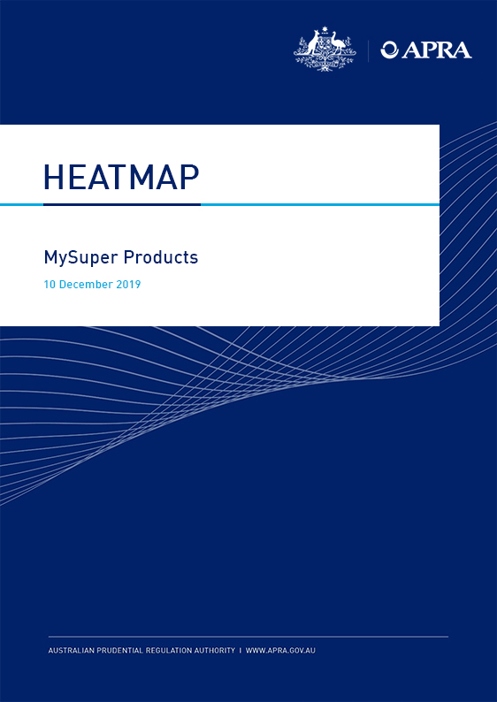

Colour legend
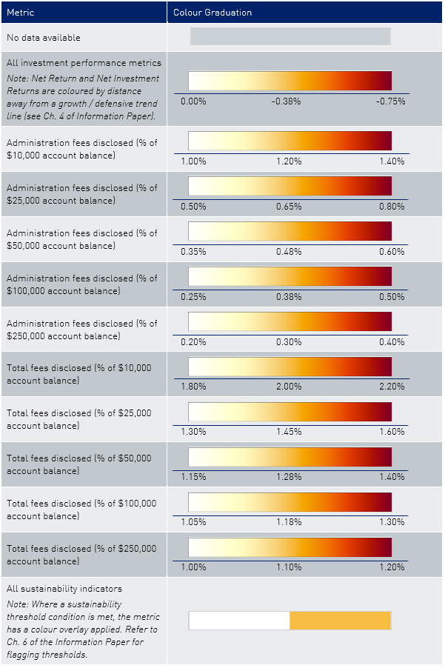
Colour legend

The Heatmap is presented with a colour overlay to provide stakeholders with a visual illustration of the outcomes provided by MySuper products relative to peers and appropriate benchmarks. The colour overlay is a continuous colour gradient that shows the degree of underperformance relative to other products or selected benchmarks. The colour graduation for each metric is listed in the table below. Thresholds are subject to final calibration. Refer to the Information Paper for more information on the colour overlay and thresholds for each metric.

