Technical Charts
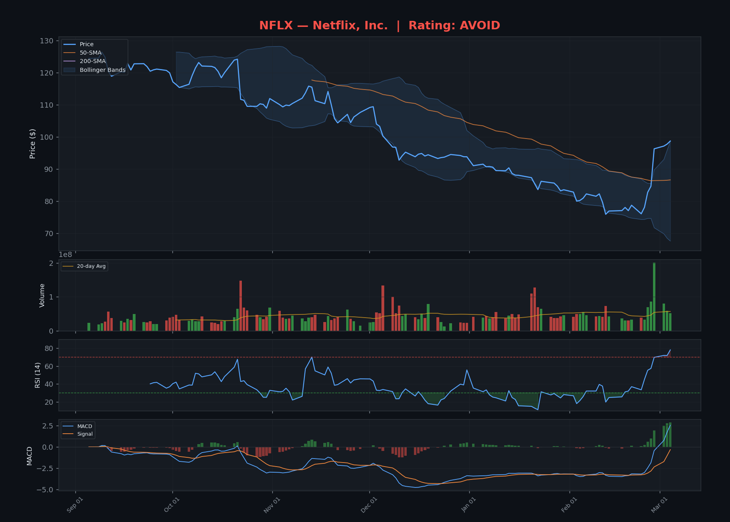
TECHNICAL ANALYSIS CHARTS — 6-Month Price + Indicators
Updated: March 04, 2026 at 04:49 PM CST | Each chart: Price + Bollinger + 50/200 SMA + Volume + RSI + MACD

NVDA — Rating: AVOID
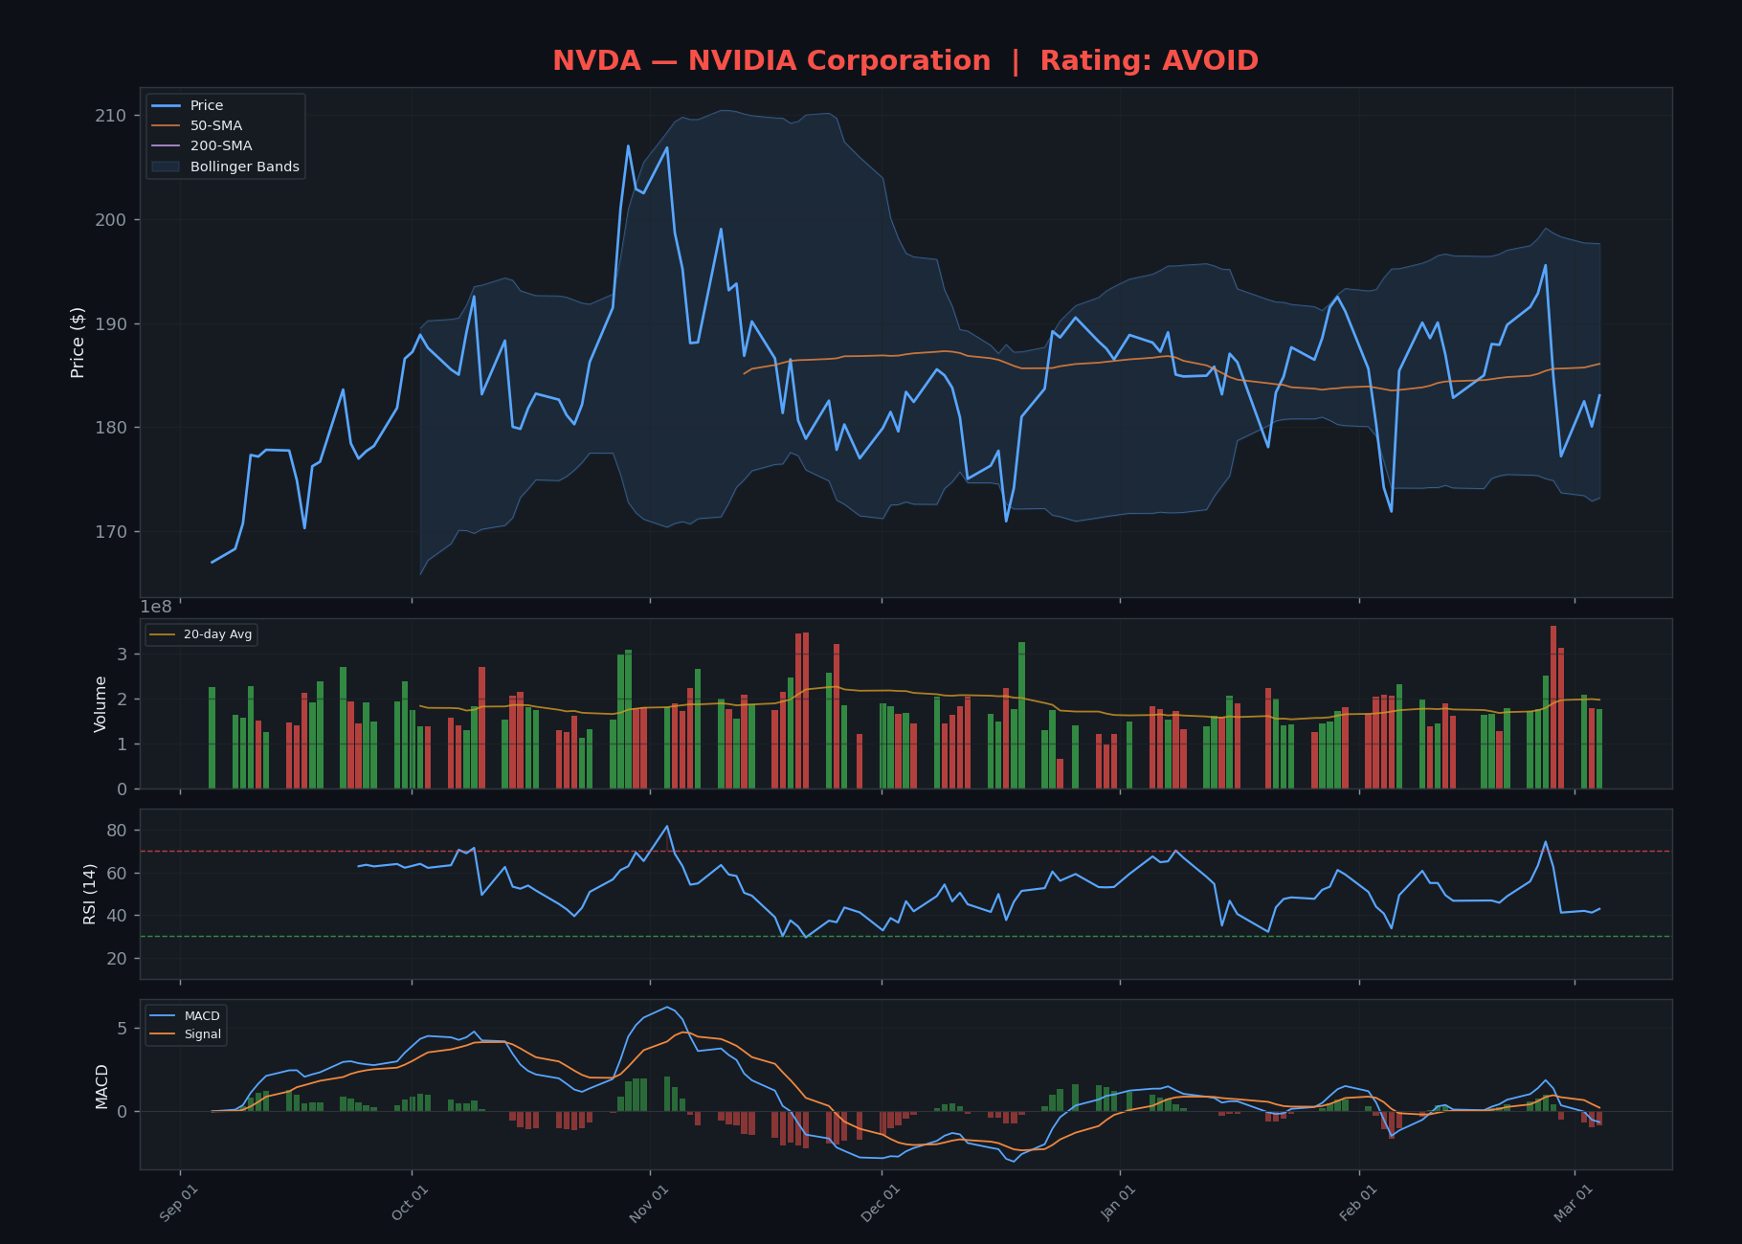

MSTR — Rating: AVOID
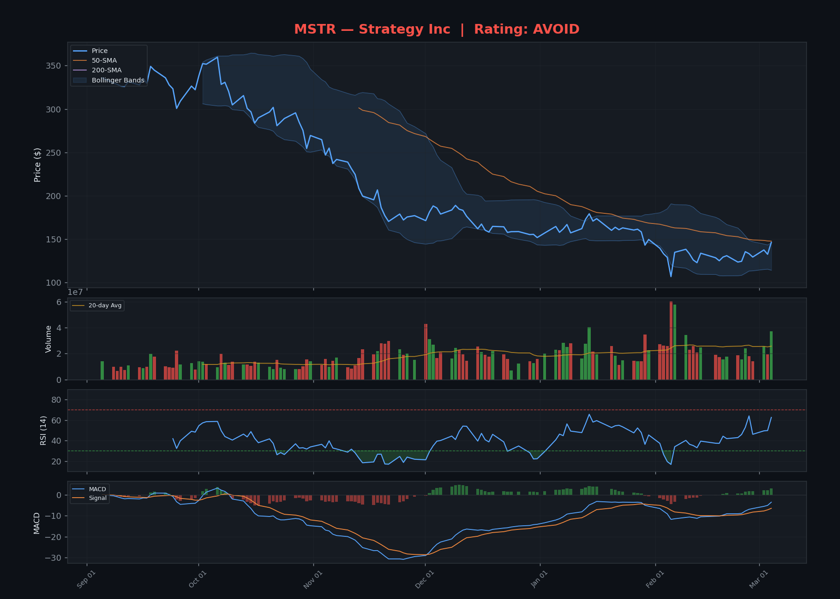

PLTR — Rating: AVOID
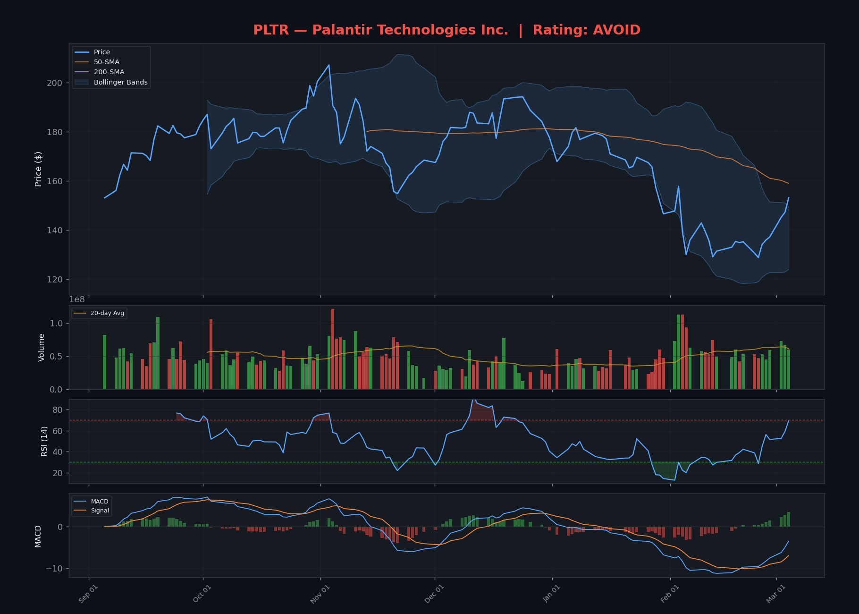

TSLA — Rating: AVOID
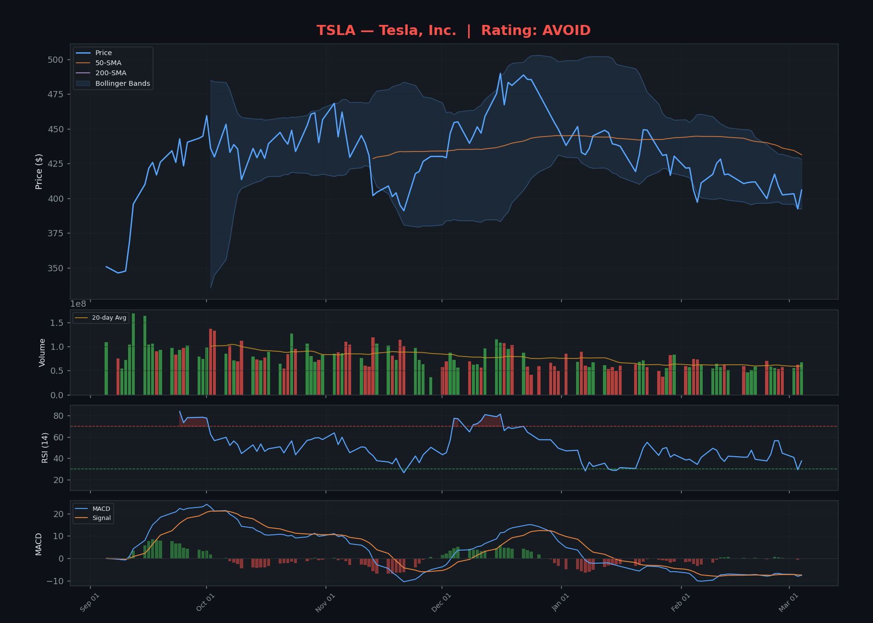

AMD — Rating: AVOID
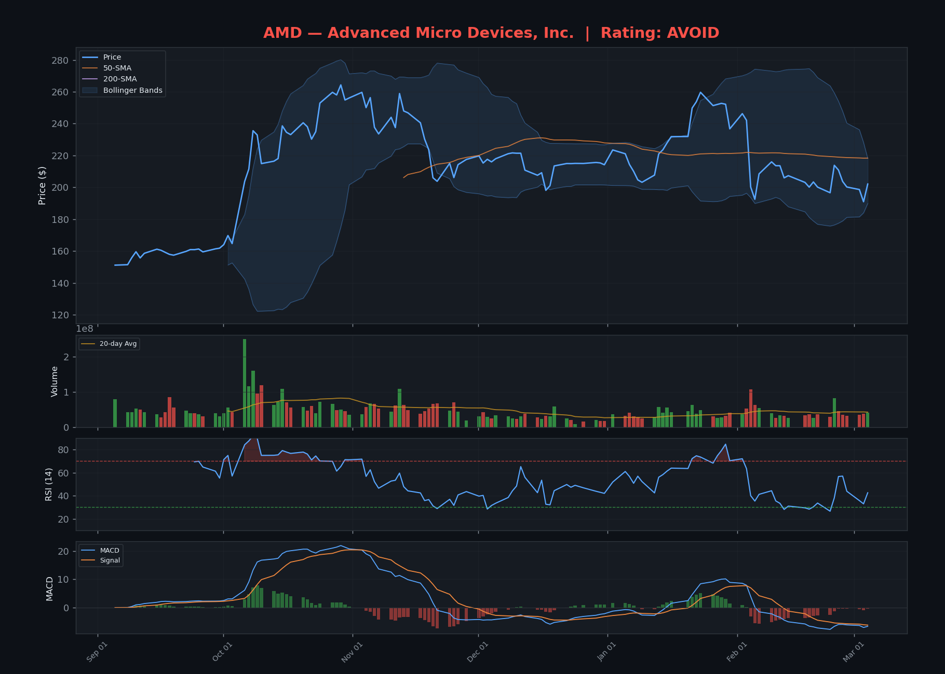

AVGO — Rating: AVOID
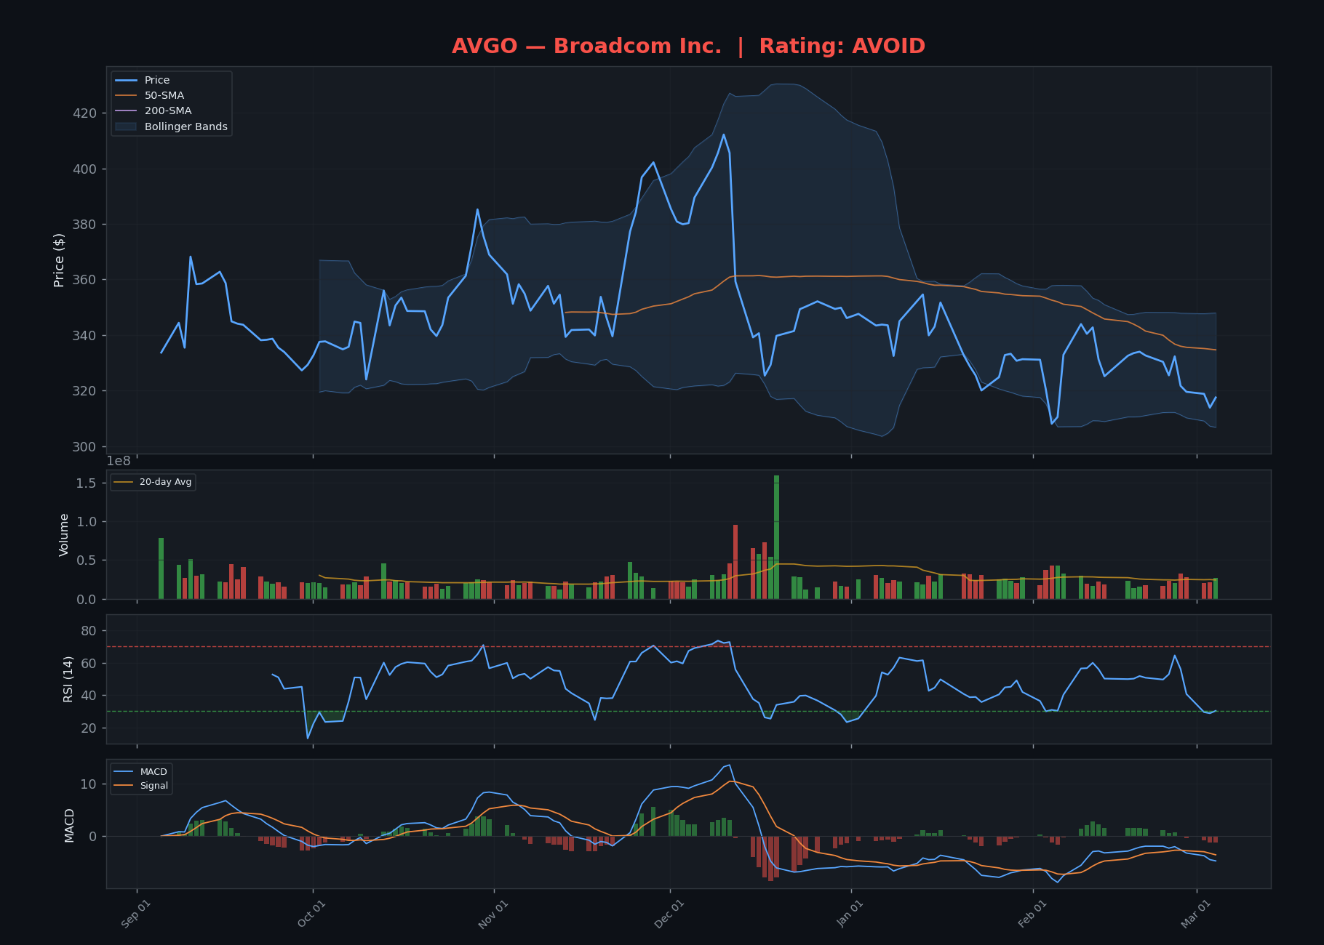

PANW — Rating: AVOID
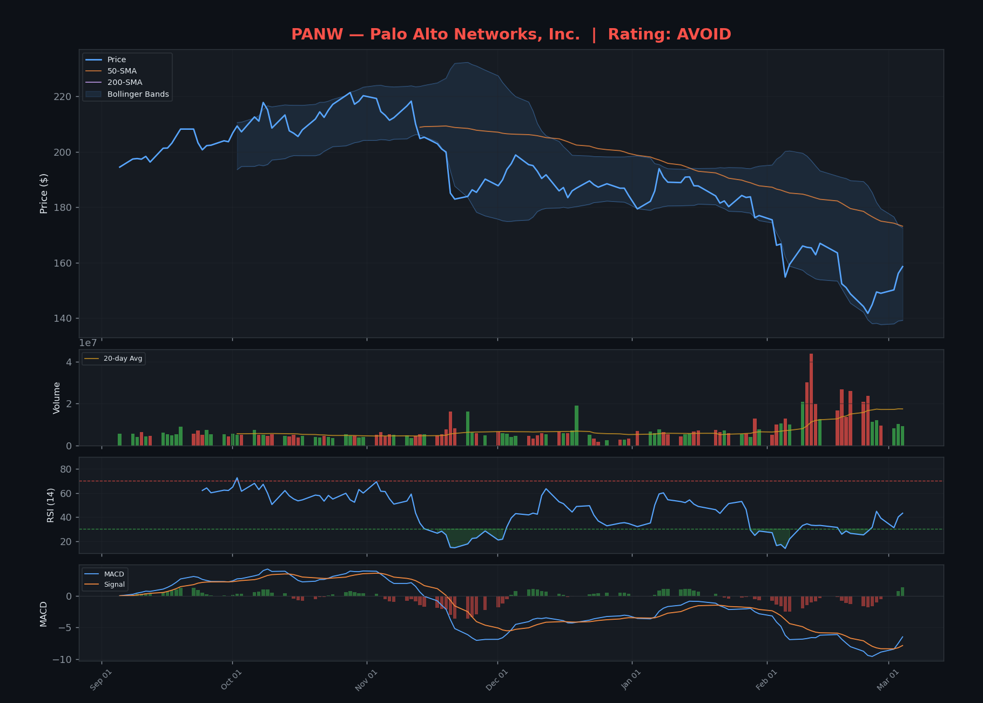

CRWD — Rating: WATCH
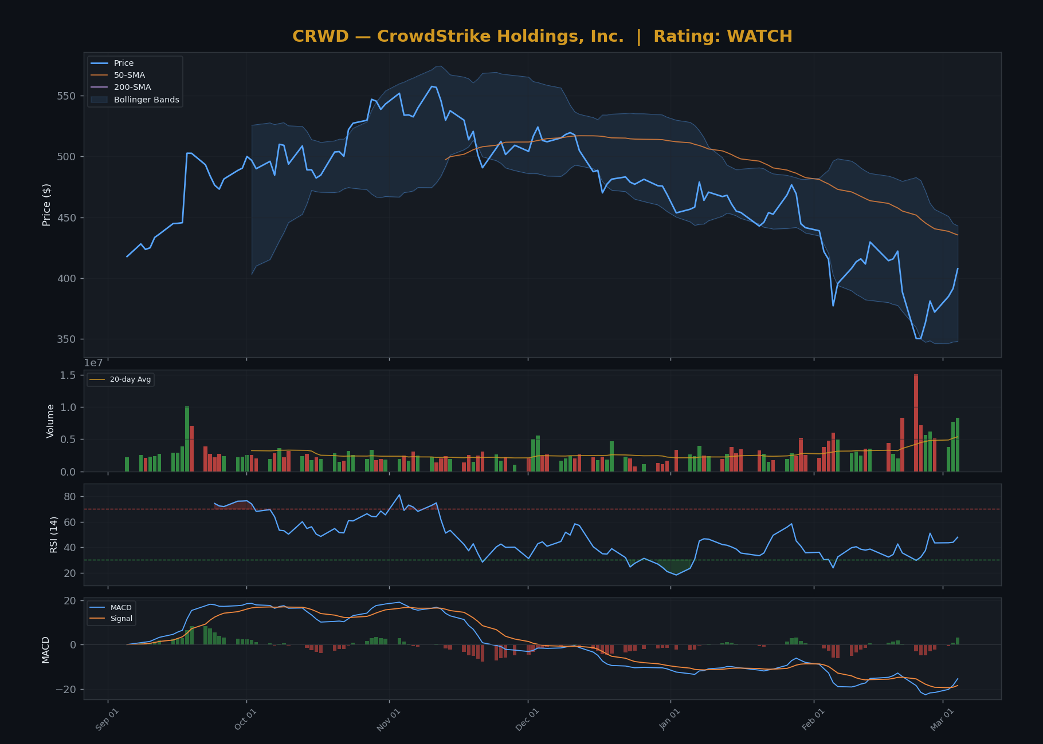

MU — Rating: AVOID
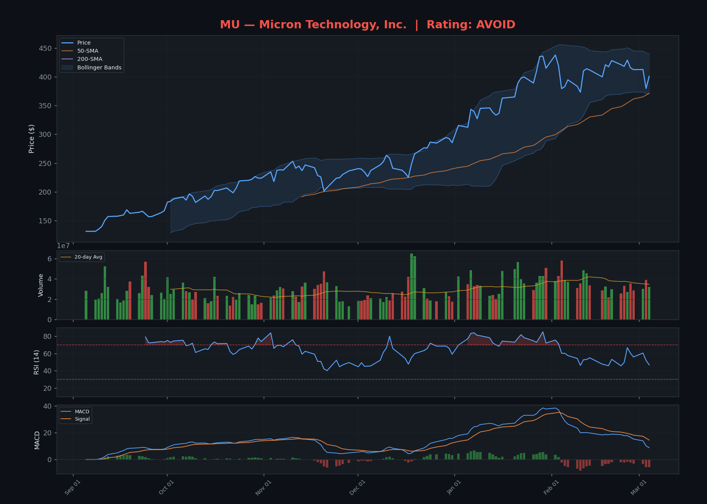

NFLX — Rating: AVOID

