Sheet1
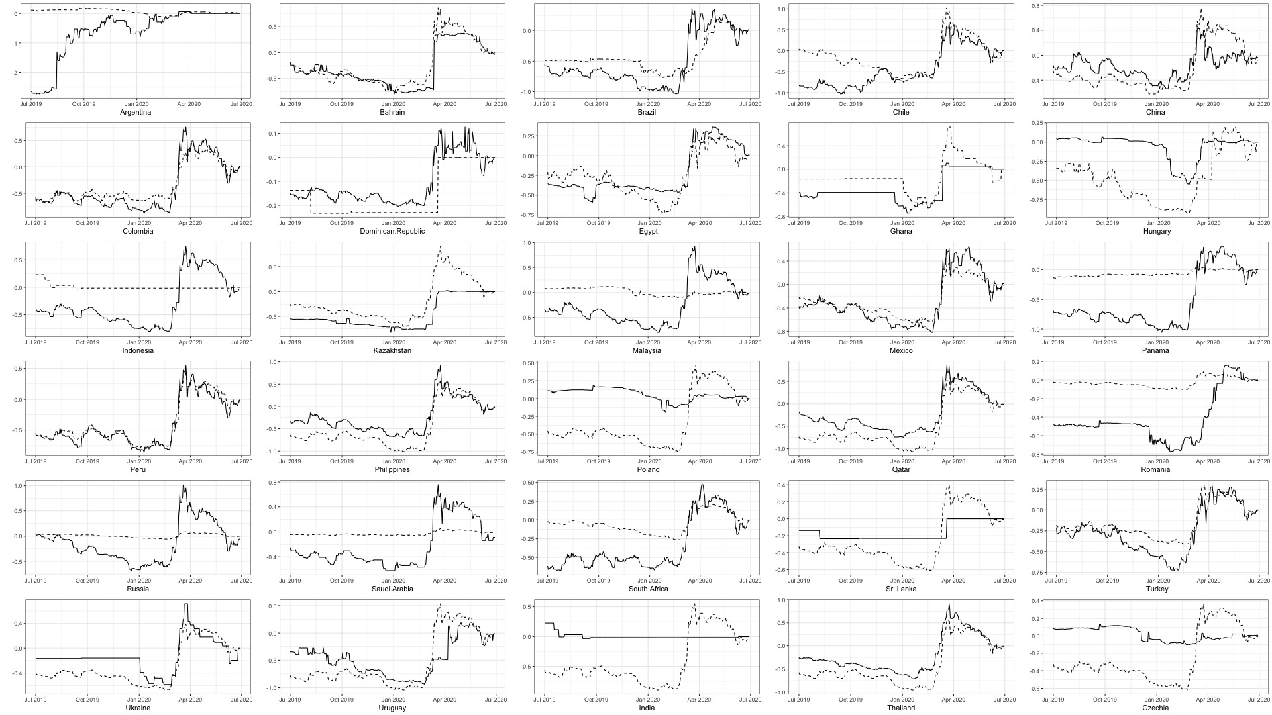
Good Fit | Bad Fit
 | Argentina
Bahrain
Brazil
Chile
China
Colombia
Dominican Republic
Egypt
Ghana
 | Hungary
 | Indonesia
Kazakhstan
 | Malaysia
Mexico
 | Panama
Peru
Philippines
 | Poland
Qatar
 | Romania
 | Russia
 | Saudi.Arabia
South Africa
 | Sri.Lanka
Turkey
Ukraine
Uruguay
 | India
Thailand
 | Czechia

Timo Daehler classified these fits into good and bad based on a visual inspection of the graph above.

