Sheet1
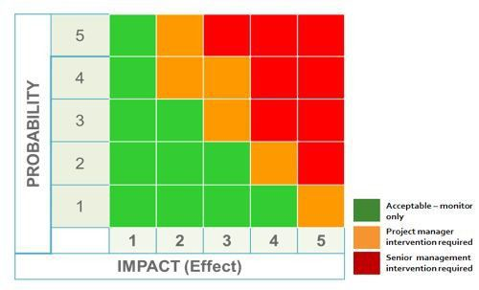
1
2
3
4
5
6
7
8
# | Risk | Risk Description | Impact Description | Probability [1-5] | Impact [1-5] | Resolution/Mitigation
1 | Insufficient funding | Projects requires more than the available 50k Euros | Insufficient funding might slow down or totally stop the development of the new app. Furthermore, insufficient funding might also affect the product's quality and scope | 3 | 2 | Agile
2 | Insufficient time | Projects requires more than the planned 5 months of development | Will delay the release of app. Project costs will probably exceed the budget due to higher workforce expenses | 4 | 1 | Agile
3 | Team motivation | Team's motivation worsens due to failures | Lowers efficiency, longer dev times, higher dev costs | 2 | 4 | Agile, team events, workshops
4 | Project management | No information on intended milestones from other projects in the programme. Difficult to confirm dependencies. Bad communication between projects and their managers, respectively | No/bad information flow between projects Redundancies, douplicity, doing work that has already been done before | 1 | 4 | Agile, weekly project manager meetings
5 | DB development platform | DB dev platform has beeing updated and new to developers. Training is only in around 3 weeks!! | Delays, longer dev times and higher costs | 4 | 2 | Rescheduling training, provide documentation asap
6 | Customer acceptance | Customers do not accept new product due to poor usability | Customers will not use new technology or use competitors apps. No progress in efficieny and productivity of daily business. Wasted effort to develop new app | 2 | 5 | Customer surveys, customer service
7 | Competitors' products | Competitors products simply better than DB's app | Customers likely to use competitor's app | 1 | 4 | Market analysis, analysis of existing products
8 | Data security | Data insecure, might be corrupted | Trust/reputation concerns, fines, customer acceptance | 2 | 5 | Make sure developers are aware of data security standards, security trainings

