Sheet1
# | Risk Name (1 or 2 words) | Risk Description | Impact Description | Probability [1-5] | Impact [1-5] | Resolution/Mitigation
1 | Insufficient funding | Projects requires more than the available 50k Euros | Insufficient funding might slow down or totally stop the development of the new app. Furthermore, insufficient funding might also affect the product's quality
2 | Insufficient time | Projects requires more than the planned 5 months of development | Release of new app delayed. Project costs will probably exceed the budget due to higher workforce expenses
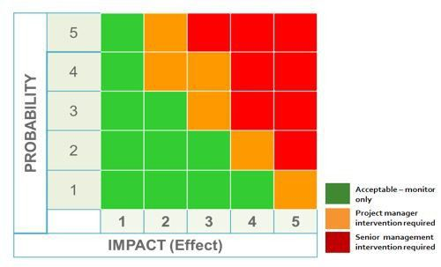
3 | Team motivation | Team's motivation worsens due to failures | Lowers efficieny, longer dev times, higher dev costs
4 | Project management | No information on intended milestones from other projects in the programme. Difficult to confirm dependencies. Bad communication between projects and their managers, respectively | No/bad information flow between projects Redundancies, douplicity, doing work that has already been done before
5 | DB development platform | DB dev platform has beeing updated and new to developers. Training is only in around 3 weeks!! | Delays, longer dev times and higher costs
6 | Customer acceptance
7 | Competitors' products
8 | Data security
9 | Platform compatibility
10 | Client buy in

