SIMPLIFIED VERSION
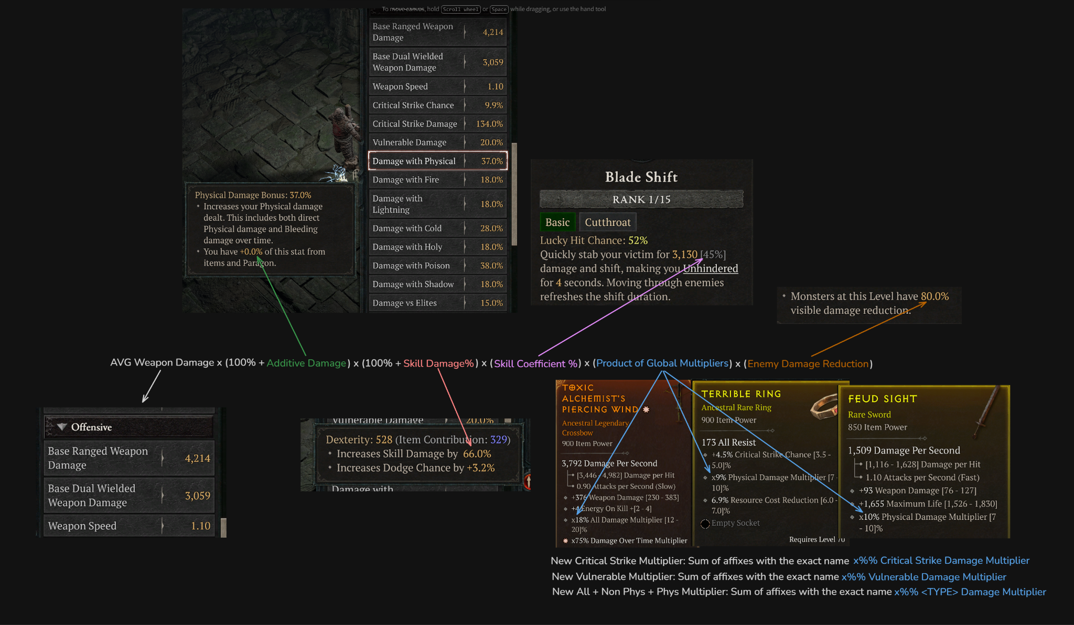
MAKE A COPY TO USE THIS CALCULATOR IN ANY WAY

 |  | Change this
 |  |  |  |  | 900 Ancestral Ring Example: |  |  |  | 900 Ancestral Weapon Example:
 |  | Your Current Stats: | Amount Added: | Relative Gain |  |  | Ring Stat Gain | Relative Gain |  | xVulnerable Damage Multiplier |  | 0.00%
 | xVulnerable Damage Multiplier | 142% | 24% | 9.92% |  | xVulnerable Damage Multiplier | 14% | 5.79% |  | xCritical Strike Damage Multiplier | 25% | 4.58%
 | xCritical Strike Damage Multiplier | 421% | 80% | 14.65% |  | xCritical Strike Damage Multiplier | 25% | 4.58% |  | Critical Strike Chance % |  | 0%
 | Critical Strike Chance % | 80% | 13% | 12.53% |  | Critical Strike Chance % | 5% | 5% |  | xDamage over Time Multiplier | 30% | 7.16%
 | xDamage over Time Multiplier | 319% | 40% | 9.55% |  | xDamage over Time Multiplier | 30% | 7.16% |  | xAll Damage Multiplier | 10% | 2.70%
 | xAll Damage Multiplier | 20% | 5% | 1.35% |  | xAll Damage Multiplier | 10% | 2.70% |  | xElemental Damage Multiplier | 10% | 2.70%
 | xElemental Damage Multiplier | 250% | 10% | 2.70% |  | xElemental Damage Multiplier | 10% | 2.70% |  | Dexterity | 180 | 4.99%
 | Dexterity | 2807 | 132 | 3.66% |  | Dexterity | 121 | 3.35% |  | Weapon Damage Roll | 157 | 3.83%
 | Weapon Damage | 4099 | 160 | 3.27%
 |  | Your Current Stats: | Amount Added: | Relative Gain
 | Poison Imbuement Potency | 0% | 30% | 12.10%
 | Attack Speed (DoK) | 19% | 60% | 50.51%
 |  | Old Value | New Value | Relative Gain |  | Additive Example
 | Skill Damage (On Skill) | 365% | 450% | 23% |  | All Damage | 144%
 | NEW VALUE / OLD VALUE |  |  |  |  | Poison Damage | 153.40%
 |  | Your Current Stats: | Amount Added: | Relative Gain |  | DoT Damage | 577.50%
 | Additive Damage | 1310% | 150% | 10.64% |  | Close Damage | 18%
 | SUM OF ALL |  |  |  |  | Elites | 171.10%
 |  |  |  |  |  | Damage vs CC | 175%
x [Type] Damage Multiplier is SEPARATE from other multipliers like Paragon etc. |  |  |  |  |  | Damage vs Healthy | 24.74%
 |  |  |  |  |  | Vs Poisoned | 45%

 |  |  |  |  |  | Sum | 1309%

