Sheet2
Competencies and Learning paths |  |  |  | All the competencies marked with a yellow cell are those that will be fulfilled by the GLAC process (all of them will be fulfilled by the GLAC process). The classes presented are those related to the IB core (does not include elective classes or concentration classes). Students can petition to the GL program advisor regarding what competency other classes, clubs/activities, volunteer experiences, international experiences and COOP fulfill.

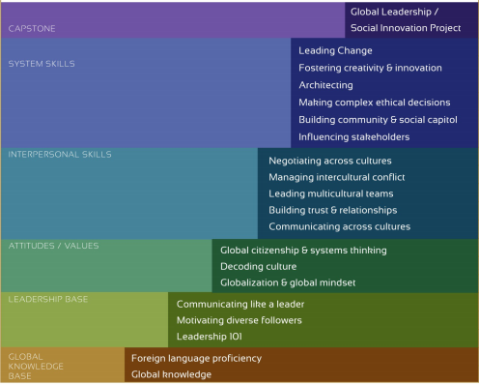

 | Communicating like a Leader | Leadership 101 | Motivating Diverse followers |  | Globalization and Global Mindset | Decoding Culture | Systems Thinking and Global Citizenship | Building Trust and Relationships | Communicating Across Cultures | Leading Multicultural Teams | Negotiating Across Cultures | Managing Intercultural Conflict | Foreign Language Proficiency | Global Knowledge | Influencing Stakeholders | Building Community and Social Capital | Making Complex Ethical Decisions | Architecting | Fostering Creativity & Innovation | Leading Change | Global Leadership Project
 | classes: | classes: | classes: |  | classes: | classes: |  | classes: | classes: | classes: | classes: | classes: | classes: | classes: | classes: | classes:
 | ENGW1111 or 1102: College Writing (fulfills first year writing requirement) | BUSN1102: Personal Skills Development for Business (1 credit) | INTB1202: Becoming a Global Manager |  | BUSN1102: Personal Skills Development for Business (1 credit) | One of 6 language course |  | BUSN1102: Personal Skills Development for Business (1 credit) | One of 6 language course | ACCT1202: Financial Accounting in a Global Context | FINA2202: Financial Management in a Global Context | INTB4202: Executing Global Strategy | One of 6 language course | One of 6 language course | ACCT1202: Financial Accounting in a Global Context | INTB4202: Executing Global Strategy
 | BUSN1102: Personal Skills Development for Business (1 credit) | INTB1202: Becoming a Global Manager | INTB3202: Managing the International Assignment |  | One of 6 language course | INTB1202: Becoming a Global Manager |  | One of 6 language course | INTB4202: Executing Global Strategy | ACCT2302: Managerial Accounting in a Global Context | ORGB3202: Organizational Behavior in a Global Context | INTB2202: Analyzing the Global Business Environment |  | ACCT1202: Financial Accounting in a Global Context | ACCT2302: Managerial Accounting in a Global Context
 | ENGW3301 or 3304: Advanced Writing for the Disciplines | INTB3202: Managing the International Assignment | INTB4202: Executing Global Strategy |  | ACCT1202: Financial Accounting in a Global Context | INTB2202: Analyzing the Global Business Environment |  | MKTG2202: Introduction to Marketing in a Global Context | INTB1202: Becoming a Global Manager | FINA2202: Financial Management in a Global Context | INTB4202: Executing Global Strategy | INTB3202: Managing the International Assignment |  | ACCT2302: Managerial Accounting in a Global Context
 | One of 6 language course | INTB4202: Executing Global Strategy |  |  | ACCT2302: Managerial Accounting in a Global Context | INTB3202: Managing the International Assignment |  | INTB4202: Executing Global Strategy | INTB2202: Analyzing the Global Business Environment | MGSC2301: Business Statistics | INTB2202: Analyzing the Global Business Environment | INTB4202: Executing Global Strategy |  | FINA2202: Financial Management in a Global Context
 | INTB1202: Becoming a Global Manager |  |  |  | FINA2202: Financial Management in a Global Context | INTB4202: Executing Global Strategy |  | INTB1202: Becoming a Global Manager | INTB3202: Managing the International Assignment | MISM2301: Management Information Systems | INTB3202: Managing the International Assignment |  |  | MGSC2301: Business Statistics
 | INTB3202: Managing the International Assignment |  |  |  | MGSC2301: Business Statistics |  |  | GLAC | INTB4202: Executing Global Strategy | MKTG2202: Introduction to Marketing in a Global Context | INTB4202: Executing Global Strategy |  |  | MISM2301: Management Information Systems
 | INTB4202: Executing Global Strategy |  |  |  | MISM2301: Management Information Systems |  |  |  |  | SCHM2301: Supply Chain and Operations Management |  |  |  | MKTG2202: Introduction to Marketing in a Global Context
 |  |  |  |  | MKTG2202: Introduction to Marketing in a Global Context |  |  |  |  | ORGB3202: Organizational Behavior in a Global Context |  |  |  | SCHM2301: Supply Chain and Operations Management
 |  |  |  |  | SCHM2301: Supply Chain and Operations Management |  |  |  |  | INTB4202: Executing Global Strategy |  |  |  | ORGB3202: Organizational Behavior in a Global Context
 |  |  |  |  | ORGB3202: Organizational Behavior in a Global Context |  |  |  |  | INTB3202: Managing the International Assignment |  |  |  | INTB4202: Executing Global Strategy
 |  |  |  |  | INTB4202: Executing Global Strategy |  |  |  |  |  |  |  |  | INTB1202: Becoming a Global Manager
 |  |  |  |  | INTB2202: Analyzing the Global Business Environment |  |  |  |  |  |  |  |  | INTB4202: Executing Global Strategy
 |  |  |  |  | INTB3202: Managing the International Assignment
 |  |  |  |  | INTB4202: Executing Global Strategy

