Contact information
Bioresources physical and contract information |  | Company name: Northumbrian Water Limited

Purpose | This spreadsheet provides information about water and sewerage company sewage sludge production sites (known as wastewater treatment works (WwTWs) and sludge treatment facilities (STCs). Its purpose is to facilitate conversations between companies and third parties to explore market opportunities. It does not include all information that may be defined within a contract. Companies are required to provide data under the columns marked mandatory. Any additional information can be provided on a voluntary basis. | The water and sewerage companies' areas in England and Wales
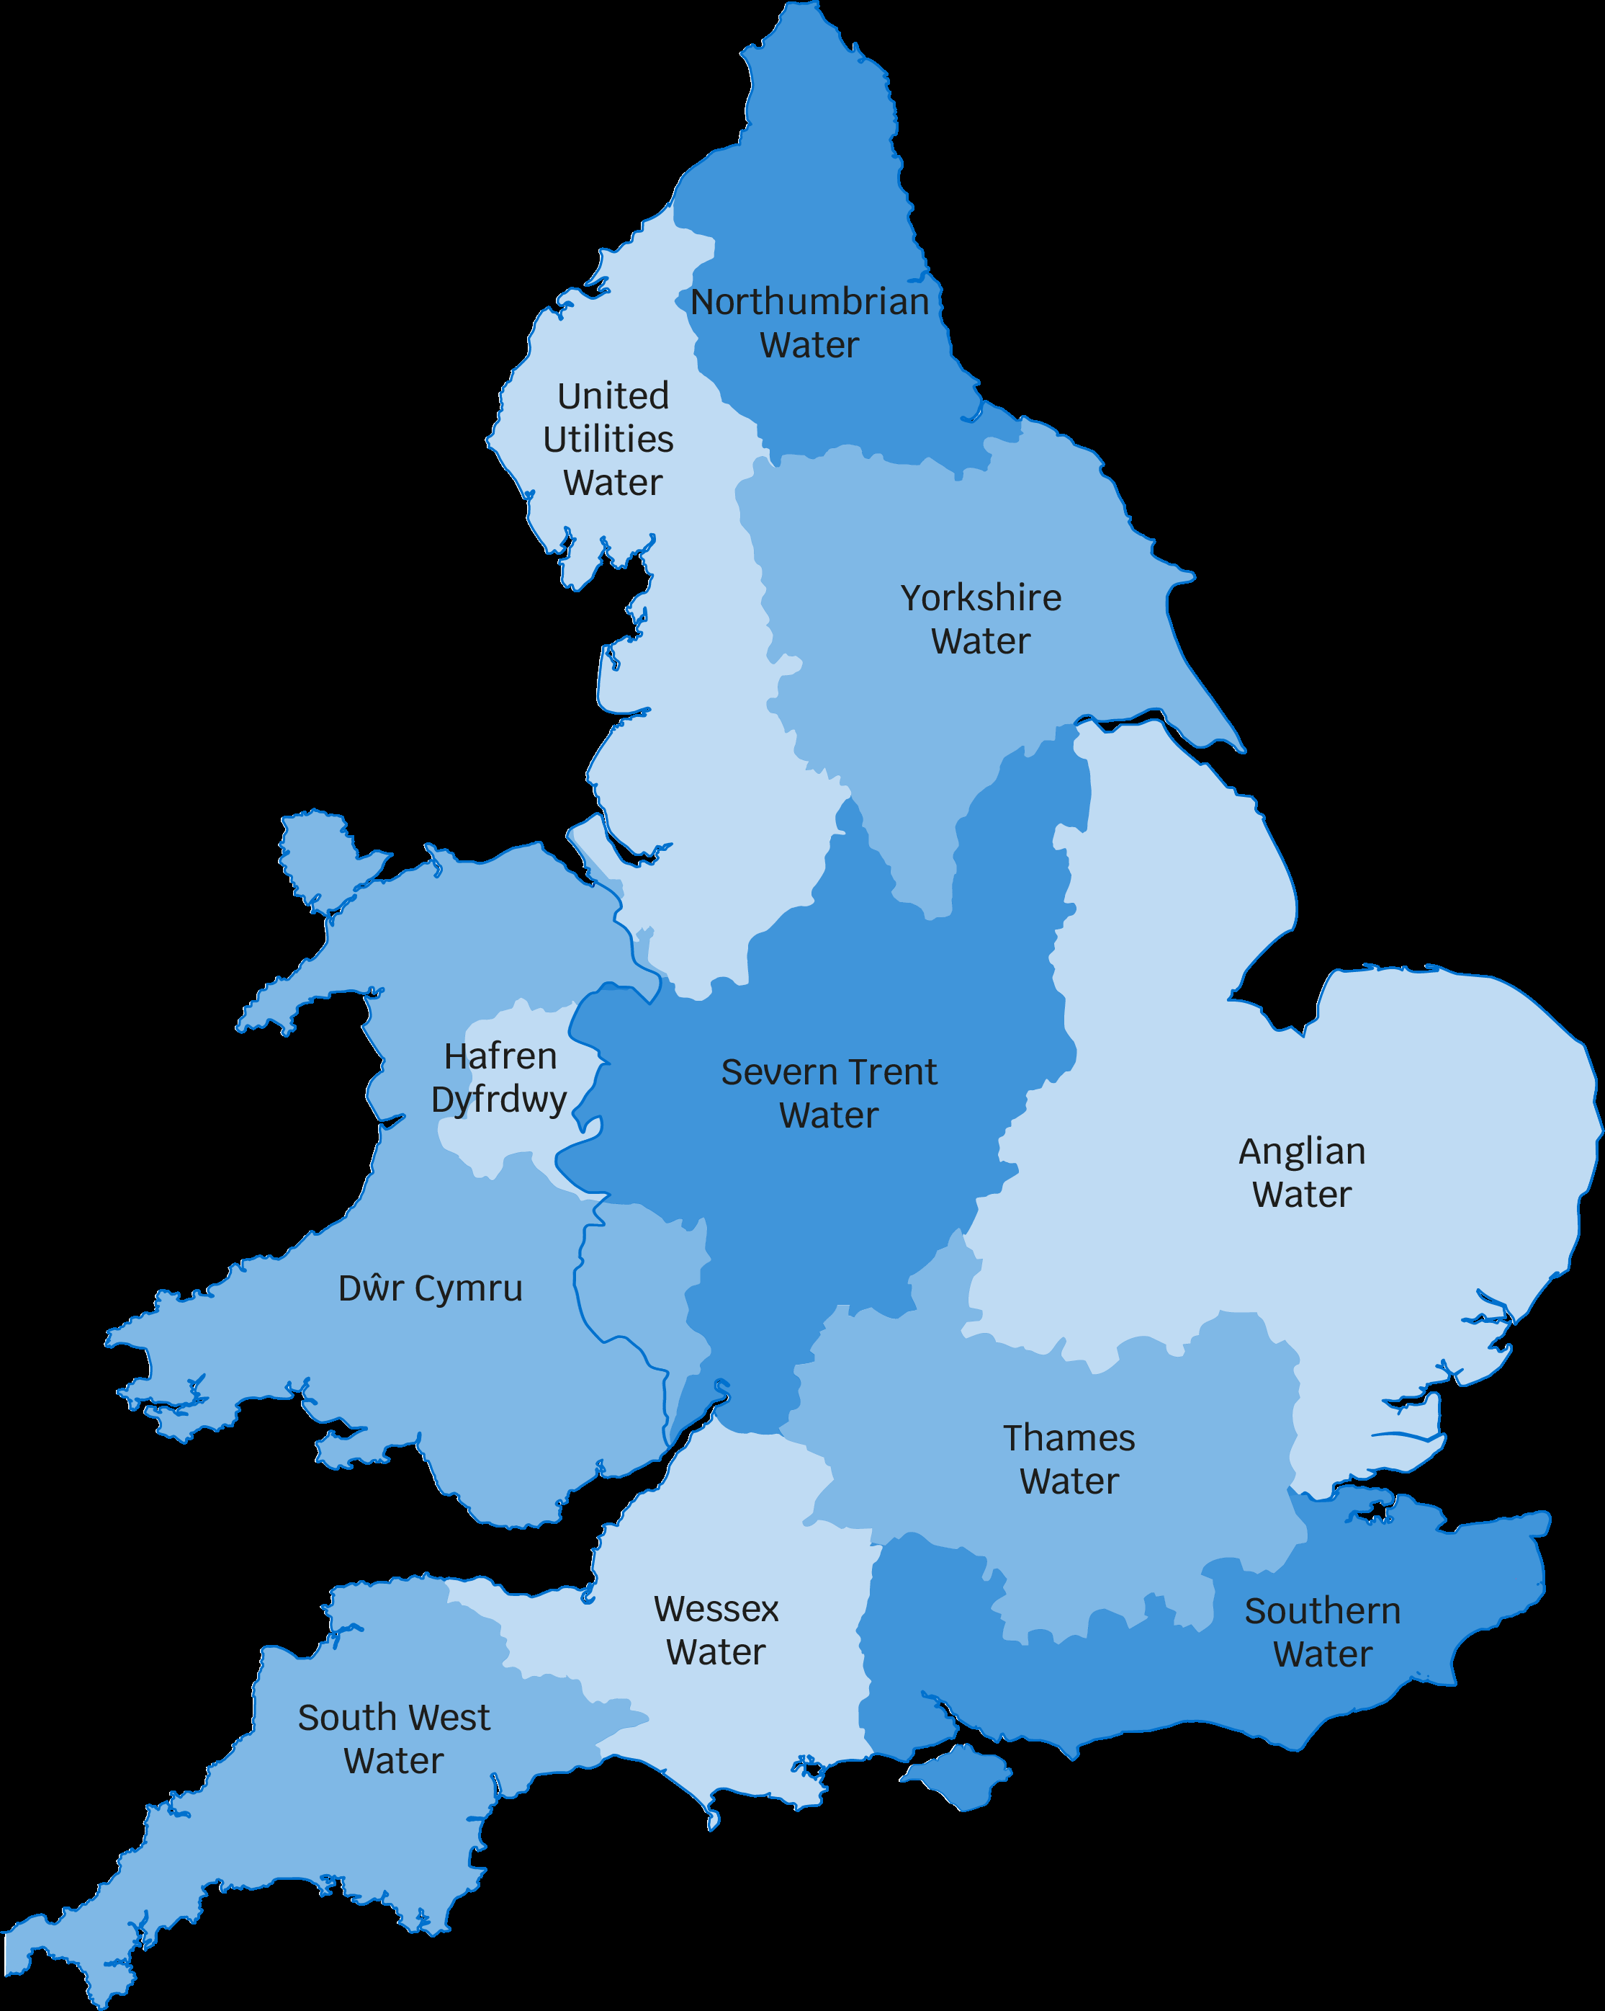
Water and Sewerage Company name | Northumbrian Water Limited
Financial Year the historical data relates to | 2021-22
Date the spreadsheet was published | Jul-22
Contact details for anyone wanting to discuss commercial opportunities arising from this information | Alec Llewellyn, Bioresources Manager, Alec.LLEWELLYN1@nwl.co.uk
Any further details regarding any future procurement
Brief description of geographical boundary of data included here | The North East region includes large sparsely populated areas that are served by a very large number of small or very small sewage treatment works. To the west of the region we have the Pennines, to the south, the North York Moors, and the Scottish borders to the north.

Brief description of level of data assurance | Our approach to independent assurance of our Bioresources Market Information is consistent with that adopted for other regulatory publications, notably the Annual Performance Report (APR) and Cost Assessment publication. Our Internal Audit team have performed a review of the information provided by management for the purpose of providing assurance to the Directors and the Audit Committee Chairman that the data to be published has been produced in accordance with the guidance provided by Ofwat. Based on the results of their review our Internal Audit team have confirmed that no exceptions or issues were noted. The data reported in all of the tables has been reconciled to supporting documentation and to data taken from our corporate systems. The data is also consistent with that used in the preparation of our APR and Cost Assessment submissions, the assurance for which is detailed in our 2021/22 Data Assurance Summary document. Where an estimated approach has been adopted our Internal Audit team have confirmed that the assumptions made are appropriate and in line with the guidance provided by Ofwat.

Summary of significant changes since the most recently previously published version of the information and this version

 | Key: Input cell colour

