Sheet1
OB1203EVZ:
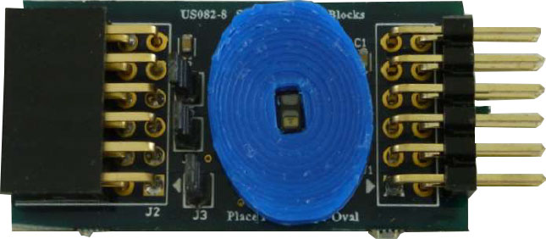
12
6

1
SCL
SDA
INT

1
7

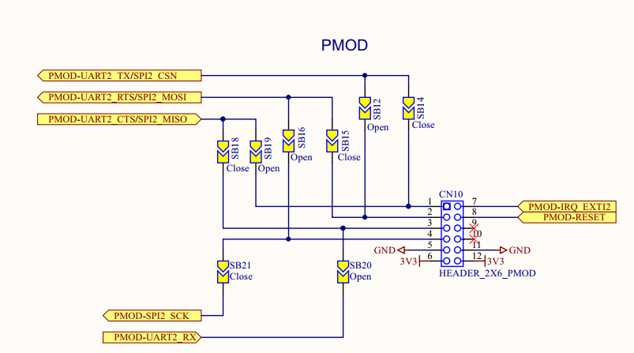
B-L475E-IOT01A
 | PIN１: | PMOD-UART2_TX/SPI2_CSN | ➞ | PD5
 |  | PMOD-UART2_CTS/SPI2_MISO | ➞ | PD3 | ➞ EXTI3

 | PIN３: | PMOD-UART2_CTS/SPI2_MISO | ➞ | PD3
 |  | PMOD-UART2_RX | ➞ | PD6

 | PIN４: | PMOD-SPI2_SCK | ➞ | PD1
 |  | PMOD-UART2_RTS/SPI2_MOSI | ➞ | PD4
Open
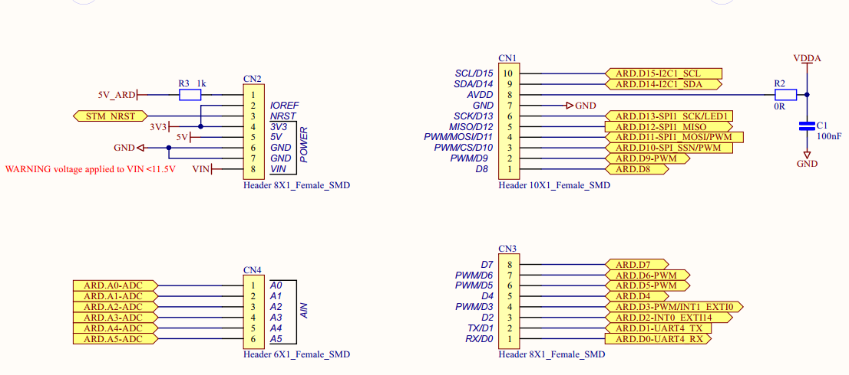

Open

