OperatingPoints
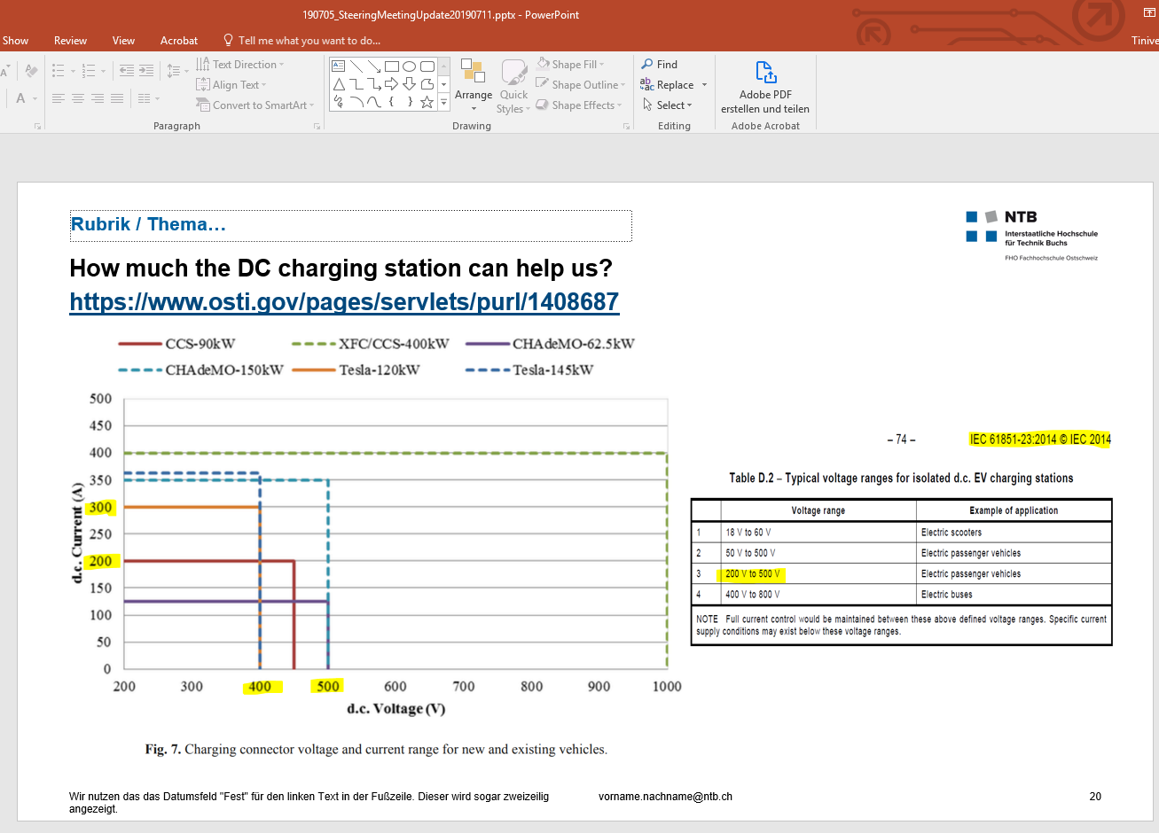
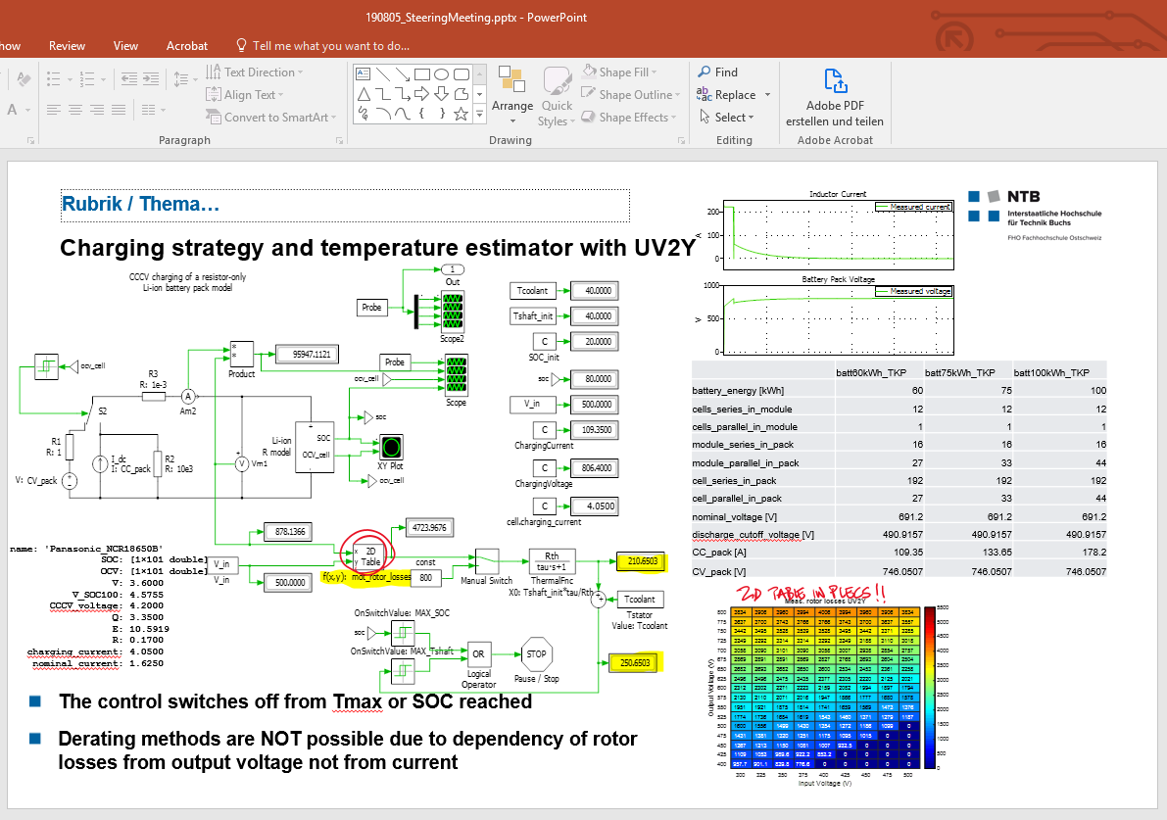
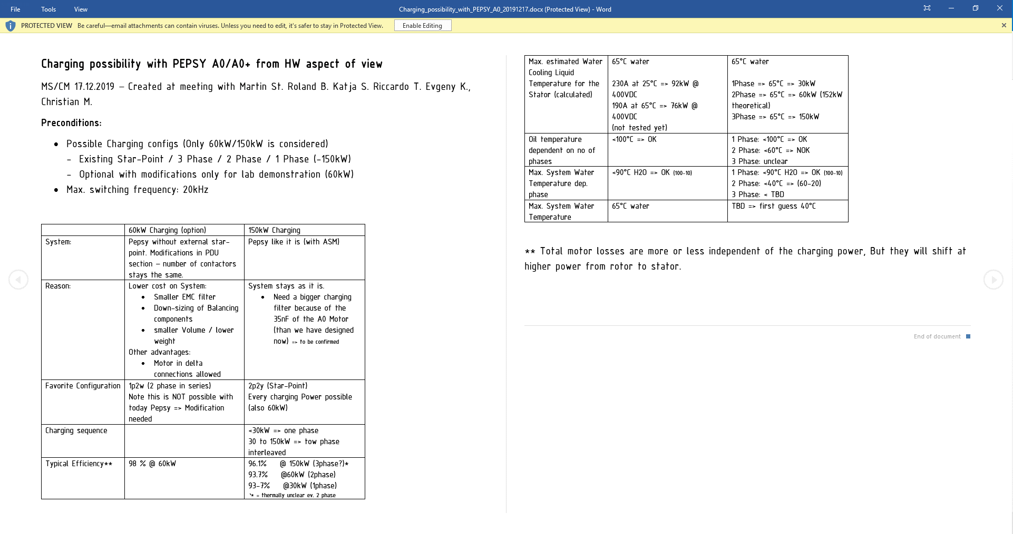
OPN | Vi (V) | Vo (V) | Po_max (W) | Ii (A) | Po (W) | Description | comment
1 | 400 | 490 | 150000 | 350 | 140000 | Vi_min, Vbatt_min, Po=150kW | only possible with Y2UVW
2 | 400 | 690 | 150000 | 350 | 140000 | Vi_min, Vbatt_CCCV, Po=150kW | only possible with Y2UVW
3 | 400 | 750 | 150000 | 350 | 140000 | Vi_min, Vbatt_max, Po=150kW | only possible with Y2UVW | max input current=max input connector=350A
4 | 450 | 490 | 150000 | 333.3333333333 | 150000 | Vi_nom, Vbatt_min, Po=150kW | only possible with Y2UVW, Y2UV | max input current=max phase current=190A
5 | 500 | 690 | 150000 | 300 | 150000 | Vi_max, Vbatt_CCCV, Po=150kW | only possible with Y2UVW, Y2UV
6 | 500 | 750 | 150000 | 300 | 150000 | Vi_max, Vbatt_max, Po=150kW | only possible with Y2UVW, Y2UV
7 | 400 | 490 | 60000 | 150 | 60000 | Vi_min, Vbatt_min, Po=60kW
8 | 400 | 690 | 60000 | 150 | 60000 | Vi_min, Vbatt_CCCV, Po=60kW
9 | 400 | 750 | 60000 | 150 | 60000 | Vi_min, Vbatt_max, Po=60kW
10 | 450 | 490 | 60000 | 133.3333333333 | 60000 | Vi_nom, Vbatt_min, Po=60kW
11 | 500 | 690 | 60000 | 120 | 60000 | Vi_max, Vbatt_CCCV, Po=60kW
12 | 500 | 750 | 60000 | 120 | 60000 | Vi_max, Vbatt_max, Po=60kW

