extruded
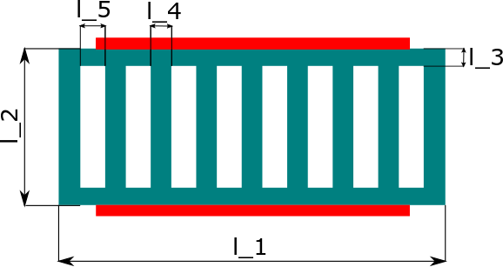
[-] | [-] | [-] | [kg/m^3] | [W/(m*K)] | [J/(kg*K)] | [-] | [m] | [m] | [m] | [m] | [m]
heatsinkRef | type | material | rho | k | c | numChannel | l_1 | l_2 | l_3 | l_4 | l_5
HS_EX_001 | extruded | aluminum | 2698.9 | 180 | 880 | 10 | 2.16E-02 | 1.00E-02 | 1.00E-03 | 1.00E-03 | 1.05E-03

