Sheet1
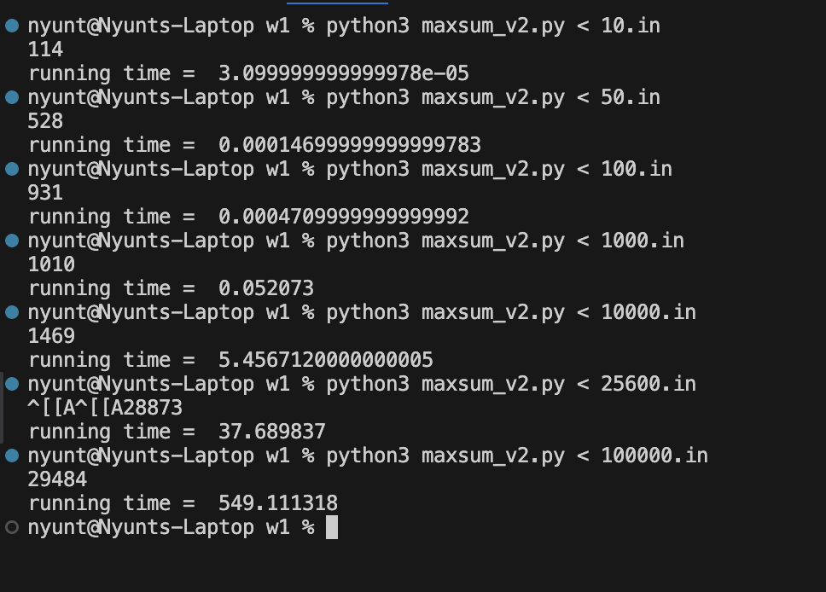
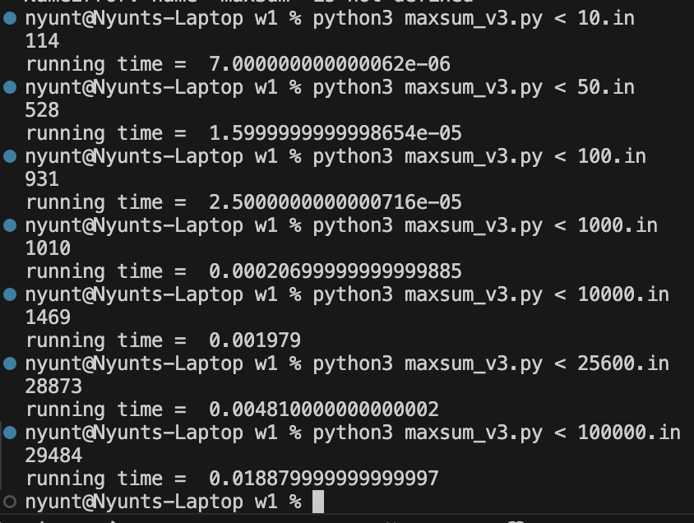
 | maxsum_v1(BruteForce) | maxsum_v2(Accumulation) | maxsum_v3(Kadane)
10.in | 2.10E-05 | 3.10E-05 | 7.00E-06
50.in | 0.000661 | 1.47E-04 | 1.60E-05
100.in | 0.004576 | 4.71E-04 | 2.50E-05
1000.in | 5.209612 | 5.21E-02 | 0.000207
10000.in | infeasible | 5.456712 | 0.001979
25600.in | infeasible | 37.689837 | 4.81E-03
100000.in | infeasible | 549.111318 | 0.01888

Brute Force Approach |  |  | Accumulation Approach | Kadane's Algo
Couldn't process the last 3 tests on this approach because of the time complexity of O(n^3) and my hardware limitations.

