Bug_report
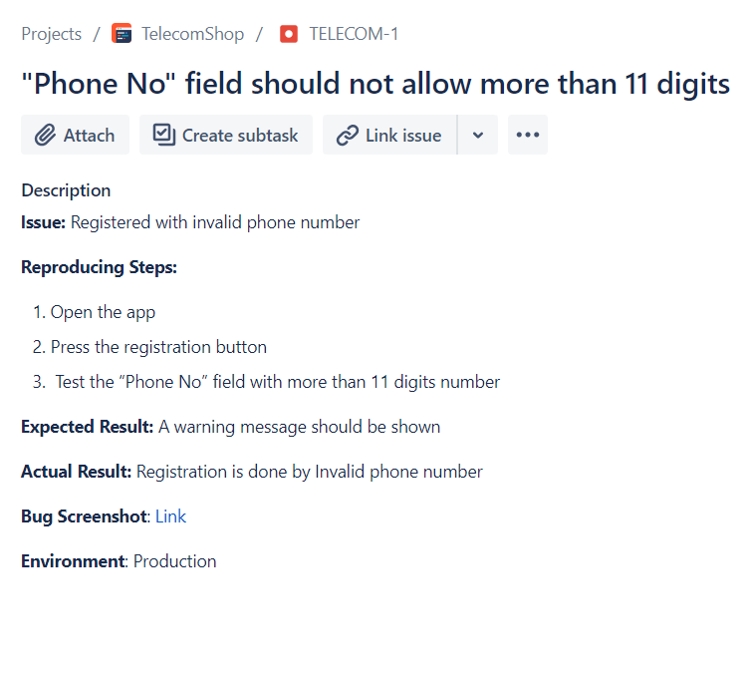
Bug Report Through JIRA

Mind_Map
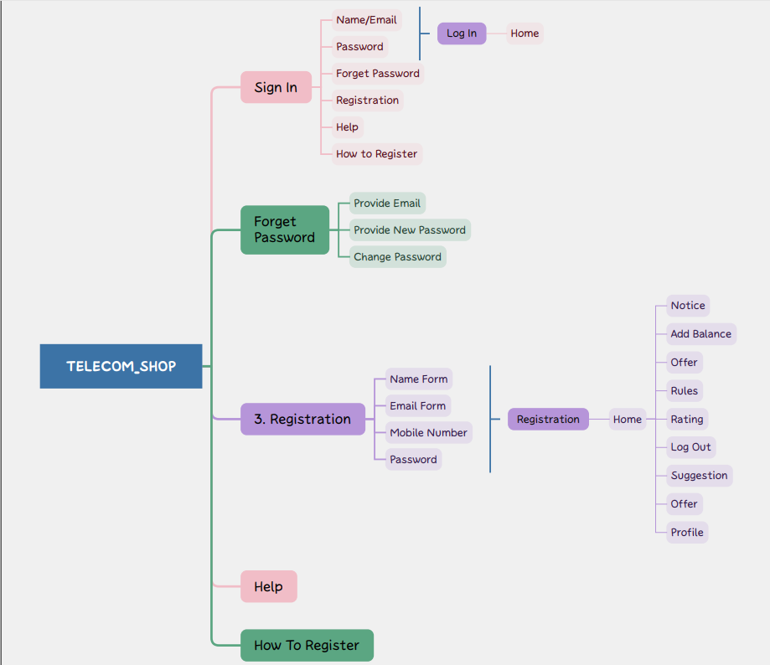
Mind Map for TelecomShop App

