1. Scope and coverage
Total number of assessed PoE and Closed PoE
 | Total assessed locations | Closed locations
20 Mar | 941 | 367
23 Mar | 1135 | 472
24 Mar | 1221 | 493
26 Mar | 1501 | 704
30 Mar | 1931 | 889
31 Mar | 1993 | 940
2 Apr | 2299 | 1085
9 Apr | 2619 | 1078
14 Apr | 2740 | 1093
16 Apr | 2920 | 1113
19 Apr | 3062 | 1262
23 Apr | 3280 | 1411
30 Apr | 3520 | 1468
Percentage of closed PoE
20 Mar | 0.39001062699
23 Mar | 0.41585903084
24 Mar | 0.40376740377
26 Mar | 0.4690206529
30 Mar | 0.46038322113
31 Mar | 0.47165077772
2 Apr | 0.47194432362
9 Apr | 0.41160748377
14 Apr | 0.39890510949
16 Apr | 0.38116438356
19 Apr | 0.41214892227
23 Apr | 0.43018292683
30 Apr | 0.41704545455

Table 1: Number of assessed locations by type and IOM region
Region | Airports | Internal_Transit_Points | Land_Border_Points | Blue_Border_Points | Areas | Sites | No_of_Countries
Asia and the Pacific | 186 | 115 | 214 | 93 | 105 | 97 | 38
Central and North America and the Caribbean | 35 | 0 | 112 | 32 | 18 | 51 | 18
Central and West Africa | 40 | 91 | 268 | 35 | 27 | 63 | 19
East and Horn of Africa | 43 | 14 | 179 | 57 | 8 | 49 | 9
European Economic Area | 150 | 2 | 473 | 141 | 77 | 113 | 29
Middle East and North Africa | 61 | 27 | 112 | 43 | 47 | 84 | 17
South America | 21 | 6 | 49 | 9 | 16 | 34 | 10
South-Eastern Europe, Eastern Europe and Central Asia | 122 | 89 | 405 | 75 | 48 | 60 | 19
Southern Africa | 71 | 0 | 128 | 22 | 10 | 10 | 14
Total | 729 | 344 | 1940 | 507 | 356 | 561 | 173

Table 1.1: Percentage of assessed location by type and IOM region
Region | Airports | Areas | Sites | Internal_Transit_Points | Land_Border_Points | Blue_Border_Points | Total
Asia and the Pacific | 23% | 13% | 12% | 14% | 26% | 11% | 100%
Central and North America and the Caribbean | 14% | 7% | 21% | 0% | 45% | 13% | 100%
Central and West Africa | 8% | 5% | 12% | 17% | 51% | 7% | 100%
East and Horn of Africa | 12% | 2% | 14% | 4% | 51% | 16% | 100%
European Economic Area | 16% | 8% | 12% | 0% | 49% | 15% | 100%
Middle East and North Africa | 16% | 13% | 22% | 7% | 30% | 12% | 100%
South America | 16% | 12% | 25% | 4% | 36% | 7% | 100%
South-Eastern Europe, Eastern Europe and Central Asia | 15% | 6% | 8% | 11% | 51% | 9% | 100%
Southern Africa | 29% | 4% | 4% | 0% | 53% | 9% | 100%
Total | 16% | 8% | 13% | 8% | 44% | 11% | 100%

Table 2: Number of assessed locations by operational status and IOM region
Region | Closed | Closed_for_entry | Closed_for_exit | Partial_closure | Open_for_commercial_traffic_only | Open_ | Other | Unknown | NA | Total
Asia and the Pacific | 299 | 5 | 5 | 167 | 63 | 64 | 2 | 205 | 0 | 810
Central and North America and the Caribbean | 47 | 20 | 0 | 93 | 2 | 14 | 1 | 71 | 0 | 248
Central and West Africa | 183 | 11 | 3 | 72 | 17 | 93 | 0 | 145 | 0 | 524
East and Horn of Africa | 68 | 0 | 7 | 53 | 43 | 80 | 1 | 98 | 0 | 350
European Economic Area | 261 | 24 | 3 | 303 | 9 | 150 | 1 | 205 | 0 | 956
Middle East and North Africa | 167 | 7 | 7 | 34 | 18 | 16 | 2 | 123 | 0 | 374
South America | 54 | 12 | 0 | 17 | 2 | 2 | 2 | 46 | 0 | 135
South-Eastern Europe, Eastern Europe and Central Asia | 399 | 31 | 1 | 248 | 0 | 51 | 0 | 69 | 0 | 799
Southern Africa | 114 | 3 | 1 | 82 | 6 | 12 | 3 | 20 | 0 | 241
Total | 1592 | 113 | 27 | 1069 | 160 | 482 | 12 | 982 | 0 | 4437

Table 2.1: Percentage of locations disaggregated by operational status and IOM region
Region | Closed | Closed_for_entry | Closed_for_exit | Partial_closure | Open_for_commercial_traffic | Open_ | Other | Unknown | NA | Total
Asia and the Pacific | 37% | 1% | 1% | 21% | 8% | 8% | 0% | 25% | 0% | 100%
Central and North America and the Caribbean | 19% | 8% | 0% | 38% | 1% | 6% | 0% | 29% | 0% | 100%
Central and West Africa | 35% | 2% | 1% | 14% | 3% | 18% | 0% | 28% | 0% | 100%
East and Horn of Africa | 19% | 0% | 2% | 15% | 12% | 23% | 0% | 28% | 0% | 100%
European Economic Area | 27% | 3% | 0% | 32% | 1% | 16% | 0% | 21% | 0% | 100%
Middle East and North Africa | 45% | 2% | 2% | 9% | 5% | 4% | 1% | 33% | 0% | 100%
South America | 40% | 9% | 0% | 13% | 1% | 1% | 1% | 34% | 0% | 100%
South-Eastern Europe, Eastern Europe and Central Asia | 50% | 4% | 0% | 31% | 0% | 6% | 0% | 9% | 0% | 100%
Southern Africa | 47% | 1% | 0% | 34% | 2% | 5% | 1% | 8% | 0% | 100%
Total | 36% | 3% | 1% | 24% | 4% | 11% | 0% | 22% | 0% | 100%

2. Sit Overview
Population categories by location type
 | Nationals | Regular Travellers | Irregular Migrants | Returnees | IDPs
Airport | 545 | 642 | 250 | 272 | 111
Sea Border Crossing Point | 302 | 319 | 152 | 137 | 90
Land Border Crossing Point | 1298 | 1528 | 874 | 704 | 322
Internal Transit Point | 255 | 260 | 138 | 109 | 72
Operational status by location type
 | Closed | Closed for entry | Closed for exit | Partially closed | Open for commercial traffic only | Open | Unknown
Internal Transit Point | 0.26822157434 | 0 | 0.002915451895 | 0.44606413994 | 0 | 0.25947521866 | 0.02332361516
Land Border Crossing Point | 0.48220732336 | 0.028365136668 | 0.0097988653945 | 0.25373904074 | 0.059308922125 | 0.10108303249 | 0.065497679216
Sea Border Crossing Point | 0.3057199211 | 0.057199211045 | 0.0019723865878 | 0.31558185404 | 0.043392504931 | 0.15187376726 | 0.12426035503
Airport | 0.39339752407 | 0.039889958735 | 0.0082530949106 | 0.34938101788 | 0.016506189821 | 0.15405777166 | 0.038514442916

Restrictive measures by IOM region
 | Mobility Restriction (to) | Mobility Restriction (from) | Visa Change | Restricted Nationality | Document Change | Medical Requirements | Other Limitation | None
Southern Africa | 148 | 144 | 31 | 40 | 1 | 28 | 3 | 0
South-Eastern Europe, Eastern Europe and Central Asia | 637 | 606 | 8 | 6 | 0 | 367 | 51 | 0
South America | 69 | 67 | 3 | 11 | 2 | 19 | 17 | 1
Middle East and North Africa | 189 | 182 | 5 | 10 | 2 | 56 | 12 | 5
European Economic Area | 567 | 510 | 49 | 150 | 68 | 117 | 282 | 3
East and Horn of Africa | 169 | 169 | 13 | 38 | 20 | 120 | 25 | 26
Central and West Africa | 254 | 250 | 2 | 5 | 3 | 134 | 9 | 3
Central and North America and the Caribbean | 143 | 124 | 0 | 49 | 0 | 50 | 25 | 2
Asia and the Pacific | 400 | 418 | 118 | 47 | 40 | 256 | 65 | 1
Duration of restrictive measures by IOM region
 | Less than 14 days | 14 days to One month | 1 - 3 months | More than 3 months | Unknown
Southern Africa | 0 | 85 | 10 | 1 | 119
South-Eastern Europe, Eastern Europe and Central Asia | 3 | 325 | 87 | 0 | 276
South America | 10 | 38 | 23 | 0 | 14
Middle East and North Africa | 5 | 86 | 3 | 0 | 149
European Economic Area | 47 | 373 | 120 | 6 | 220
East and Horn of Africa | 12 | 55 | 39 | 0 | 187
Central and West Africa | 45 | 55 | 19 | 18 | 297
Central and North America and the Caribbean | 35 | 51 | 43 | 0 | 49
Asia and the Pacific | 73 | 189 | 26 | 0 | 302

Table 3: Number of assessed locations by operational status and type
Location_type | Closed | Closed_for_entry | Closed_for_exit | Partial_closure | Open_for_commercial_traffic_only | Open_ | Other | Unknown | NA | Total
Airport | 286 | 29 | 6 | 254 | 12 | 112 | 2 | 28 | 0 | 729
Area | 124 | 0 | 0 | 10 | 11 | 8 | 8 | 195 | 0 | 356
Area2 | 0 | 0 | 0 | 0 | 0 | 0 | 0 | 561 | 0 | 561
Internal Transit Point | 92 | 0 | 1 | 153 | 0 | 89 | 1 | 8 | 0 | 344
Land Border Crossing Point | 935 | 55 | 19 | 492 | 115 | 196 | 1 | 127 | 0 | 1940
Blue Border Crossing Point | 155 | 29 | 1 | 160 | 22 | 77 | 0 | 63 | 0 | 507
Total | 1592 | 113 | 27 | 1069 | 160 | 482 | 12 | 982 | 0 | 4437

Table 3.1: Percentage of assessed locations disaggregated by operational status and type
Location_type | Closed | Closed_for_entry | Closed_for_exit | Partial_closure | Open_for_commercial_traffic_only | Open_ | Other | Unknown | NA | Total
Airport | 39% | 4% | 1% | 35% | 2% | 15% | 0% | 4% | 0% | 100%
Area | 35% | 0% | 0% | 3% | 3% | 2% | 2% | 55% | 0% | 100%
Area2 | 0% | 0% | 0% | 0% | 0% | 0% | 0% | 100% | 0% | 100%
Internal Transit Point | 27% | 0% | 0% | 44% | 0% | 26% | 0% | 2% | 0% | 100%
Land Border Crossing Point | 48% | 3% | 1% | 25% | 6% | 10% | 0% | 7% | 0% | 100%
Blue Border Crossing Point | 31% | 6% | 0% | 32% | 4% | 15% | 0% | 12% | 0% | 100%
Total | 36% | 3% | 1% | 24% | 4% | 11% | 0% | 22% | 0% | 100%

Table 4: Number of assessed locations by affected population categories
Location_type | Nationals | Regular_travellers | Irregular_migrants | Returnees | IDPs | Total
Airport | 545 | 642 | 250 | 272 | 111 | 729
Internal Transit Point | 255 | 260 | 138 | 109 | 72 | 344
Land Border Crossing Point | 1298 | 1528 | 874 | 704 | 322 | 1940
Blue Border Crossing Point | 302 | 319 | 152 | 137 | 90 | 507
Total | 2400 | 2749 | 1414 | 1222 | 595 | 3520

Table 4.1: Percentage of assessed locations disaggregated by affected population categories
Location_type | Nationals | Regular_travellers | Irregular_migrants | Returnees | IDPs | Total
Airport | 75% | 88% | 34% | 37% | 15% | 100%
Internal Transit Point | 74% | 76% | 40% | 32% | 21% | 100%
Land Border Crossing Point | 67% | 79% | 45% | 36% | 17% | 100%
Blue Border Crossing Point | 60% | 63% | 30% | 27% | 18% | 100%
Total | 68% | 78% | 40% | 35% | 17% | 100%

Table 5: Overview of measures imposed on locations, disaggregated by type of location
Location_type | Restriction_to | Restriction_from | Visa_Change | Restricted_Nationality | Document_change | Medical_Requirements | Other_Limitation | None | Total
Airport | 564 | 487 | 75 | 121 | 17 | 254 | 95 | 2 | 729
Internal Transit Point | 192 | 190 | 3 | 2 | 1 | 171 | 12 | 4 | 344
Land Border Crossing Point | 1516 | 1502 | 130 | 188 | 110 | 569 | 344 | 22 | 1940
Blue Border Crossing Point | 304 | 291 | 21 | 45 | 8 | 153 | 38 | 13 | 507
Total | 2576 | 2470 | 229 | 356 | 136 | 1147 | 489 | 41 | 3520

Table 5.1: Percentage of different measures disaggregated by type of location
Location_type | Restriction_to | Restriction_from | Visa_Change | Restricted_Nationality | Document_change | Medical_Requirements | Other_Limitation | None | Total
Airport | 77% | 67% | 10% | 17% | 2% | 35% | 13% | 0% | 100%
Internal Transit Point | 56% | 55% | 1% | 1% | 0% | 50% | 3% | 1% | 100%
Land Border Crossing Point | 78% | 77% | 7% | 10% | 6% | 29% | 18% | 1% | 100%
Blue Border Crossing Point | 60% | 57% | 4% | 9% | 2% | 30% | 7% | 3% | 100%
Total | 73% | 70% | 7% | 10% | 4% | 33% | 14% | 1% | 100%

3.Airport
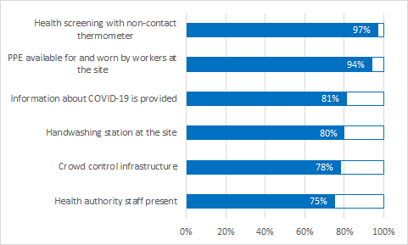
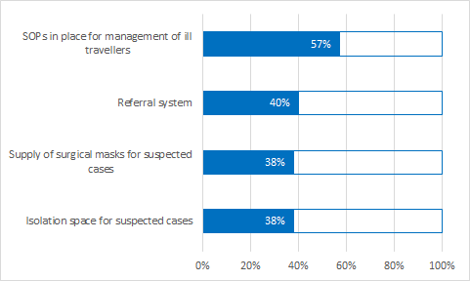
Table 6.1: Public Health Section for Airports
Question | Yes | No | Dont Know | Total
Handwashing station at the site? | 247 | 9 | 52 | 308
Health screening with temperature check using non-contact thermometer? | 167 | 1 | 5 | 173
Information about COVID-19 being provided at site ? | 254 | 9 | 50 | 313
Infrastructure at the site to support crowd control and ensure safety of screeners? | 135 | 10 | 28 | 173
Isolation space exist for evaluation of any suspect case away from crowds? | 117 | 40 | 150 | 307
Ministry of health/local health authority staff present? | 238 | 64 | 17 | 319
PPE available for and worn by workers at the site? | 162 | 4 | 7 | 173
Referral system in place at the site? | 121 | 33 | 151 | 305
SOPs in place at the site for management and referral of ill travellers? | 178 | 30 | 105 | 313
Supply of surgical masks available at the site for suspected cases ? | 66 | 13 | 93 | 172

Operational status
 | Total
Other | 0.002743484225
Closed for exit | 0.0082304526749
Open for commercial traffic only | 0.01646090535
Unknown | 0.03840877915
Closed for entry | 0.039780521262
Open | 0.1536351166
Partially closed | 0.34842249657
Closed | 0.39231824417
Affected population
IDPs | 0.1712962963
Irregular Migrants | 0.37345679012
Returnees | 0.38117283951
Nationals | 0.80092592593
Regular Travellers | 0.90895061728

4.Blue border
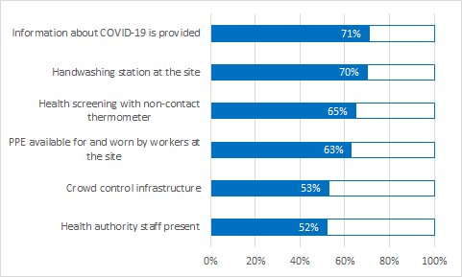
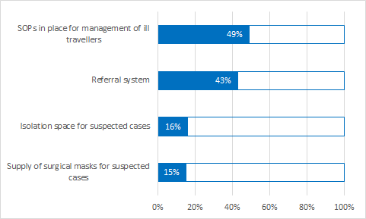
Table 6.2: Public Health Section for Blue Border Crossing Points
Question | Yes | No | Dont Know | Total
Handwashing station at the site? | 137 | 13 | 45 | 195
Health screening with temperature check using non-contact thermometer? | 77 | 4 | 38 | 119
Information about COVID-19 being provided at site ? | 142 | 15 | 42 | 199
Infrastructure at the site to support crowd control and ensure safety of screeners? | 63 | 12 | 44 | 119
Isolation space exist for evaluation of any suspect case away from crowds? | 31 | 27 | 139 | 197
Ministry of health/local health authority staff present? | 104 | 23 | 74 | 201
PPE available for and worn by workers at the site? | 75 | 3 | 41 | 119
Referral system in place at the site? | 84 | 21 | 91 | 196
SOPs in place at the site for management and referral of ill travellers? | 97 | 19 | 83 | 199
Supply of surgical masks available at the site for suspected cases ? | 18 | 9 | 91 | 118

Operational status
 | Total
Closed for exit | 0.0019723865878
Open for commercial traffic only | 0.043392504931
Closed for entry | 0.057199211045
Unknown | 0.12426035503
Open | 0.15187376726
Closed | 0.3057199211
Partially closed | 0.31558185404
Affected population
IDPs | 0.18644067797
Returnees | 0.26271186441
Irregular Migrants | 0.3156779661
Nationals | 0.60805084746
Regular Travellers | 0.63347457627

5.Land border
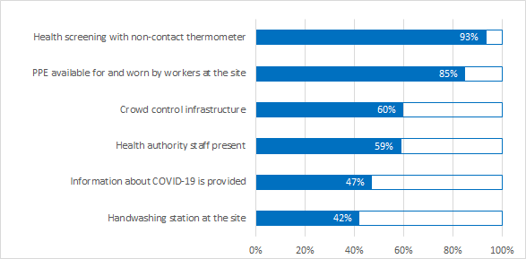
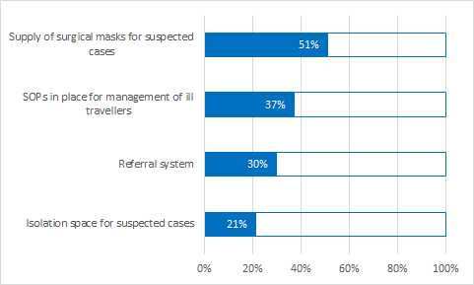
Table 6.3: Public Health Section for Land Border Crossing Points
Question | Yes | No | Dont Know | Total
Handwashing station at the site? | 287 | 122 | 274 | 683
Health screening with temperature check using non-contact thermometer? | 262 | 11 | 8 | 281
Information about COVID-19 being provided at site ? | 323 | 111 | 252 | 686
Infrastructure at the site to support crowd control and ensure safety of screeners? | 166 | 45 | 67 | 278
Isolation space exist for evaluation of any suspect case away from crowds? | 144 | 178 | 360 | 682
Ministry of health/local health authority staff present? | 419 | 176 | 118 | 713
PPE available for and worn by workers at the site? | 237 | 14 | 29 | 280
Referral system in place at the site? | 201 | 142 | 334 | 677
SOPs in place at the site for management and referral of ill travellers? | 259 | 129 | 307 | 695
Supply of surgical masks available at the site for suspected cases ? | 140 | 30 | 105 | 275

Operational status
 | Total
Other | 0.00051546391753
Closed for exit | 0.009793814433
Closed for entry | 0.028350515464
Open for commercial traffic only | 0.059278350515
Unknown | 0.065463917526
Open | 0.10103092784
Partially closed | 0.25360824742
Closed | 0.48195876289
Affected population
IDPs | 0.16120218579
Returnees | 0.3606557377
Irregular Migrants | 0.45573770492
Nationals | 0.68579234973
Regular Travellers | 0.79781420765

6.Internal
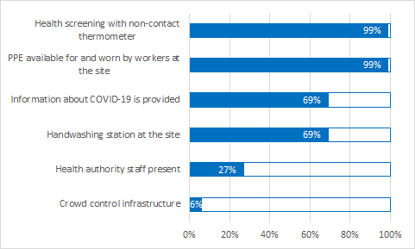
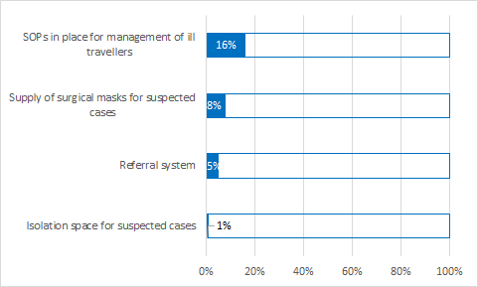
Table 6.4: Public Health Section for Internal Transit Points
Question | Yes | No | Dont Know | Total
Handwashing station at the site? | 92 | 10 | 31 | 133
Health screening with temperature check using non-contact thermometer? | 88 |  | 1 | 89
Information about COVID-19 being provided at site ? | 93 | 11 | 31 | 135
Infrastructure at the site to support crowd control and ensure safety of screeners? | 5 | 2 | 82 | 89
Isolation space exist for evaluation of any suspect case away from crowds? | 1 | 24 | 109 | 134
Ministry of health/local health authority staff present? | 42 | 18 | 93 | 153
PPE available for and worn by workers at the site? | 88 | 1 |  | 89
Referral system in place at the site? | 7 | 15 | 112 | 134
SOPs in place at the site for management and referral of ill travellers? | 24 | 15 | 110 | 149
Supply of surgical masks available at the site for suspected cases ? | 7 | 1 | 81 | 89

Operational status
 | Total
Closed for exit | 0.0029069767442
Other | 0.0029069767442
Unknown | 0.023255813953
Open | 0.25872093023
Closed | 0.26744186047
Partially closed | 0.44476744186
Affected population
IDPs | 0.19393939394
Returnees | 0.30303030303
Irregular Migrants | 0.41515151515
Regular Travellers | 0.74545454545
Nationals | 0.74848484848

7.Areas and sites
Affected population at sites of interest
 | Foreign national stranded in country (Stranded) | Foreign national returning (on the way) to origin (Returnee/Repatriation/Deportation…) | IDPs
Southern Africa | 3 | 6 | 0
South-Eastern Europe, Eastern Europe and Central Asia | 18 | 5 | 0
South America | 22 | 12 | 0
Middle East and North Africa | 24 | 9 | 6
Central and North America and the Caribbean | 24 | 17 | 1
Central and West Africa | 30 | 29 | 2
East and Horn of Africa | 31 | 3 | 6
Asia and the Pacific | 32 | 40 | 0
European Economic Area | 55 | 5 | 0
Restrictive measures at areas of interest by IOM region
 | Public event cancellation | School closures | Restricted operating hours for public establishments | Alternative working arrangements
Southern Africa | 4 | 4 | 0 | 0
South-Eastern Europe, Eastern Europe and Central Asia | 40 | 40 | 37 | 39
South America | 4 | 3 | 2 | 4
Middle East and North Africa | 24 | 24 | 24 | 23
European Economic Area | 6 | 6 | 6 | 6
East and Horn of Africa | 7 | 7 | 6 | 7
Central and West Africa | 11 | 11 | 0 | 0
Central and North America and the Caribbean | 8 | 8 | 8 | 7
Asia and the Pacific | 58 | 57 | 58 | 55

Table 7: Number of areas of interest in each IOM Region
Region | Number_of_Areas | Percentage
Asia and the Pacific | 105 | 29%
Central and North America and the Caribbean | 18 | 5%
Central and West Africa | 27 | 8%
East and Horn of Africa | 8 | 2%
European Economic Area | 77 | 22%
Middle East and North Africa | 47 | 13%
South America | 16 | 4%
South-Eastern Europe, Eastern Europe and Central Asia | 48 | 13%
Southern Africa | 10 | 3%
Total | 356 | 100%

Table 7.1: Number of type of restrictions in areas of interest
Number of Areas | Public Events Cancelled | School Closures | Restricted operations of establishments | Alternative Working Arrangements
Yes | 162 | 160 | 141 | 141
Unknown | 194 | 196 | 215 | 215
Percentage of Areas | 46% | 45% | 40% | 40%

Table 7.2: Duration of restrictive measures at areas of interest
Duration of Restrictions in the Areas of Interest | Number of areas | Percentages
N/A | 27 | 7.58%
1 - 3 months | 21 | 5.90%
14 days to One month | 176 | 49.44%
Less than 14 days | 17 | 4.78%
Unknown | 115 | 32.30%
Total | 356 | 100.00%

Table 7.3: Affected population categories in the sites of interest
Affect population categories | Number of sites | Percentage of sites
Foreign national stranded in country (Stranded) | 239 | 43%
Foreign national returning (on the way) to origin (Returnee/Repatriation/Deportation…) | 126 | 22%
IDPs | 15 | 3%
Other | 159 | 28%
No data | 22 | 4%
Total | 561 | 100%

Table 7.4: Number of sites disaggregated by population categories and by IOM region
Region | Foreign national returning (on the way) to origin (Returnee/Repatriation/Deportation…) | Foreign national stranded in country (Stranded) | IDPs | Other | No data | Total
Asia and the Pacific | 40 | 32 | 0 | 25 |  | 97
Central and North America and the Caribbean | 17 | 24 | 1 | 9 |  | 51
Central and West Africa | 29 | 30 | 2 | 2 |  | 63
East and Horn of Africa | 3 | 31 | 6 | 1 | 8 | 49
European Economic Area | 5 | 55 | 0 | 52 | 1 | 113
Middle East and North Africa | 9 | 24 | 6 | 32 | 13 | 84
South America | 12 | 22 | 0 | 0 |  | 34
South-Eastern Europe, Eastern Europe and Central Asia | 5 | 18 | 0 | 37 |  | 60
Southern Africa | 6 | 3 |  | 1 |  | 10
Total | 126 | 239 | 15 | 159 | 22 | 561

