Network_TRX
TRX Network Analysis

Token: | TRX
總交易數: | 26
總金額: | 1318.0000
唯一地址數: | 11
網路圖表:

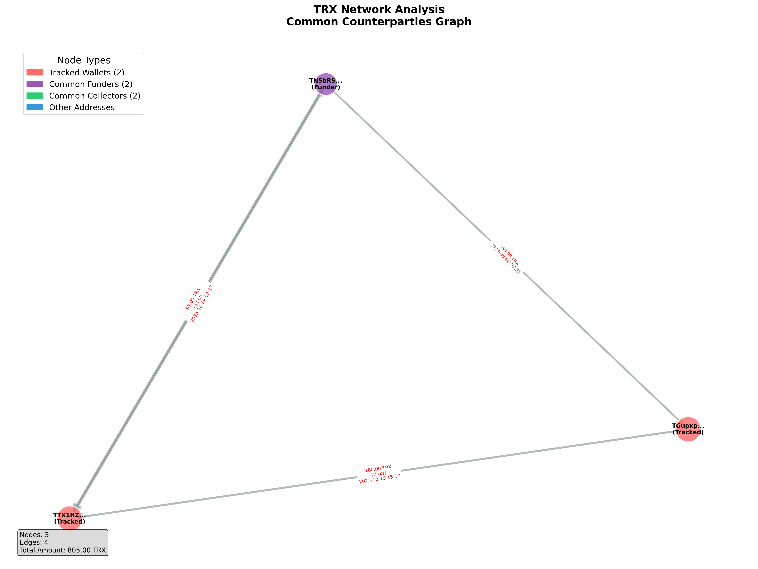

TRX 詳細交易記錄:

From | To | Amount | Time | Role
TN5bRSSSYSVWCaUySWraemzdUEzFGtKpJm | TGupxpZuBb86FpGK8N1ZCBsv7mT9R5J2D7 | 160.000000 | 2023-08-08 07:35:18 | Funder → Tracked
TGupxpZuBb86FpGK8N1ZCBsv7mT9R5J2D7 | TTX1HZoqCzQe5FRV1C59D2BEYYsCuceqDi | 90.000000 | 2023-10-19 15:17:39 | Other
TN5bRSSSYSVWCaUySWraemzdUEzFGtKpJm | TTX1HZoqCzQe5FRV1C59D2BEYYsCuceqDi | 50.000000 | 2023-08-03 03:56:42 | Funder → Tracked
TN5bRSSSYSVWCaUySWraemzdUEzFGtKpJm | TTX1HZoqCzQe5FRV1C59D2BEYYsCuceqDi | 11.000000 | 2023-08-03 07:29:18 | Funder → Tracked
TAzsQ9Gx8eqFNFSKbeXrbi45CuVPHzA8wr | TTX1HZoqCzQe5FRV1C59D2BEYYsCuceqDi | 129.800000 | 2023-08-03 08:05:18 | Other
TTX1HZoqCzQe5FRV1C59D2BEYYsCuceqDi | TN5bRSSSYSVWCaUySWraemzdUEzFGtKpJm | 20.000000 | 2023-08-03 11:00:54 | Tracked → Funder
TTX1HZoqCzQe5FRV1C59D2BEYYsCuceqDi | TN5bRSSSYSVWCaUySWraemzdUEzFGtKpJm | 5.000000 | 2023-08-03 16:14:09 | Tracked → Funder
TN5bRSSSYSVWCaUySWraemzdUEzFGtKpJm | TTX1HZoqCzQe5FRV1C59D2BEYYsCuceqDi | 10.000000 | 2023-08-04 03:01:39 | Funder → Tracked
TN5bRSSSYSVWCaUySWraemzdUEzFGtKpJm | TTX1HZoqCzQe5FRV1C59D2BEYYsCuceqDi | 10.000000 | 2023-08-04 03:13:39 | Funder → Tracked
TN5bRSSSYSVWCaUySWraemzdUEzFGtKpJm | TTX1HZoqCzQe5FRV1C59D2BEYYsCuceqDi | 18.000000 | 2023-08-04 05:35:24 | Funder → Tracked
TN5bRSSSYSVWCaUySWraemzdUEzFGtKpJm | TTX1HZoqCzQe5FRV1C59D2BEYYsCuceqDi | 4.000000 | 2023-08-04 05:37:24 | Funder → Tracked
TN5bRSSSYSVWCaUySWraemzdUEzFGtKpJm | TTX1HZoqCzQe5FRV1C59D2BEYYsCuceqDi | 30.000000 | 2023-08-04 07:10:36 | Funder → Tracked
TN5bRSSSYSVWCaUySWraemzdUEzFGtKpJm | TTX1HZoqCzQe5FRV1C59D2BEYYsCuceqDi | 100.000000 | 2023-08-07 05:02:18 | Funder → Tracked
TN5bRSSSYSVWCaUySWraemzdUEzFGtKpJm | TTX1HZoqCzQe5FRV1C59D2BEYYsCuceqDi | 100.000000 | 2023-08-08 08:07:51 | Funder → Tracked
TTX1HZoqCzQe5FRV1C59D2BEYYsCuceqDi | TN5bRSSSYSVWCaUySWraemzdUEzFGtKpJm | 67.000000 | 2023-08-14 03:17:12 | Tracked → Funder
TN5bRSSSYSVWCaUySWraemzdUEzFGtKpJm | TTX1HZoqCzQe5FRV1C59D2BEYYsCuceqDi | 40.000000 | 2023-08-14 07:57:03 | Funder → Tracked
TGupxpZuBb86FpGK8N1ZCBsv7mT9R5J2D7 | TTX1HZoqCzQe5FRV1C59D2BEYYsCuceqDi | 90.000000 | 2023-10-19 15:17:39 | Other
TYA7NfxoWikj1Wb2aUSnT24PCxpmAU5x2D | TTX1HZoqCzQe5FRV1C59D2BEYYsCuceqDi | 100.000000 | 2023-11-20 09:47:00 | Other
TAniukFti5SU9xLQUb3BEtZXj1MzBpNyqV | TTX1HZoqCzQe5FRV1C59D2BEYYsCuceqDi | 50.000000 | 2024-02-05 14:17:09 | Other
TRKznrhaHdTXNZY1CSdGuQ3YycnMKknp6F | TTX1HZoqCzQe5FRV1C59D2BEYYsCuceqDi | 50.000000 | 2024-02-07 05:04:45 | Other
TM1zzNDZD2DPASbKcgdVoTYhfmYgtfwx9R | TTX1HZoqCzQe5FRV1C59D2BEYYsCuceqDi | 20.200000 | 2024-02-29 17:59:51 | Other
TAniukFti5SU9xLQUb3BEtZXj1MzBpNyqV | TTX1HZoqCzQe5FRV1C59D2BEYYsCuceqDi | 10.000000 | 2024-03-01 12:10:09 | Other
TAniukFti5SU9xLQUb3BEtZXj1MzBpNyqV | TTX1HZoqCzQe5FRV1C59D2BEYYsCuceqDi | 50.000000 | 2024-03-06 11:05:18 | Other
TGwYGg5GBaSQsLCAZCvtokLAGdpsbMyYiz | TTX1HZoqCzQe5FRV1C59D2BEYYsCuceqDi | 20.000000 | 2024-03-12 09:28:03 | Other
TBfzd9WmKYhWZwJBBTcJZmzr79Lk9eX5Vo | TTX1HZoqCzQe5FRV1C59D2BEYYsCuceqDi | 50.000000 | 2024-05-29 15:04:27 | Other
TTX1HZoqCzQe5FRV1C59D2BEYYsCuceqDi | TTDkWQEXKAoopYtyx5QZtJ1ZEzFXTQoqCG | 33.000000 | 2024-06-06 12:38:54 | Other

Network_USDT
USDT Network Analysis

Token: | USDT
總交易數: | 88
總金額: | 1285468.2991
唯一地址數: | 46
網路圖表:

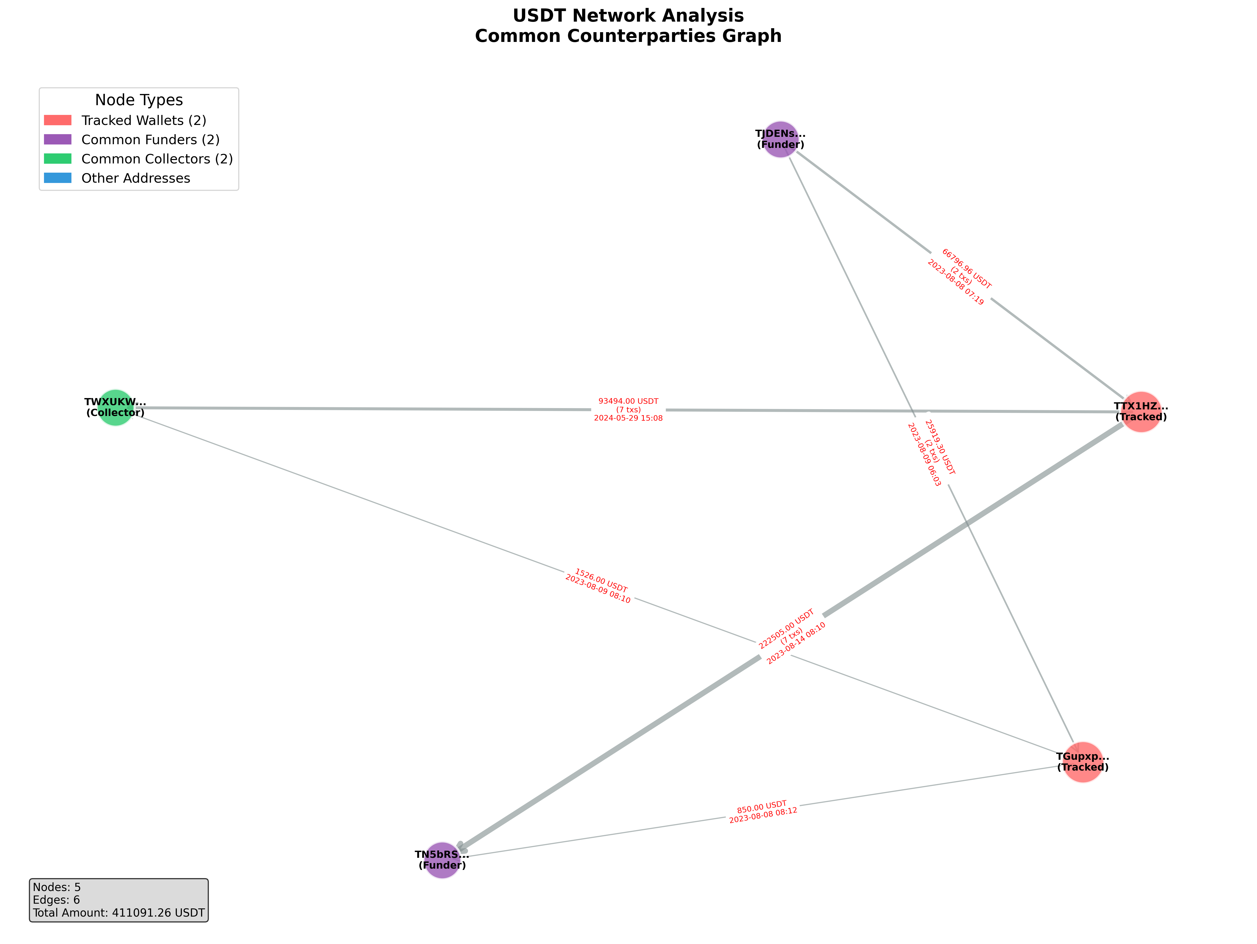

USDT 詳細交易記錄:

From | To | Amount | Time | Role
TJDENsfBJs4RFETt1X1W8wMDc8M5XnJhCe | TGupxpZuBb86FpGK8N1ZCBsv7mT9R5J2D7 | 10305.060000 | 2023-08-08 07:45:09 | Funder → Tracked
TGupxpZuBb86FpGK8N1ZCBsv7mT9R5J2D7 | TFDVoMWMPo3stNxk88v9jomTw3dDBZyks8 | 9455.000000 | 2023-08-08 07:58:51 | Other
TGupxpZuBb86FpGK8N1ZCBsv7mT9R5J2D7 | TN5bRSSSYSVWCaUySWraemzdUEzFGtKpJm | 850.000000 | 2023-08-08 08:12:27 | Tracked → Funder
TJDENsfBJs4RFETt1X1W8wMDc8M5XnJhCe | TGupxpZuBb86FpGK8N1ZCBsv7mT9R5J2D7 | 15614.240000 | 2023-08-09 06:03:57 | Funder → Tracked
TGupxpZuBb86FpGK8N1ZCBsv7mT9R5J2D7 | TWXUKWArcLYMvQ8LgFn93ZXt6T8umz4Dy6 | 1526.000000 | 2023-08-09 08:10:09 | Tracked → Collector
TGupxpZuBb86FpGK8N1ZCBsv7mT9R5J2D7 | TFDVoMWMPo3stNxk88v9jomTw3dDBZyks8 | 14088.000000 | 2023-08-09 08:11:03 | Other
TJDENsfBJs4RFETt1X1W8wMDc8M5XnJhCe | TTX1HZoqCzQe5FRV1C59D2BEYYsCuceqDi | 45405.080000 | 2023-08-03 04:21:09 | Funder → Tracked
TTX1HZoqCzQe5FRV1C59D2BEYYsCuceqDi | TWXUKWArcLYMvQ8LgFn93ZXt6T8umz4Dy6 | 3690.000000 | 2023-08-03 04:26:30 | Tracked → Collector
TTX1HZoqCzQe5FRV1C59D2BEYYsCuceqDi | TNVDuBoJM1kZbdKDvstxPK8YimGdyXMxN7 | 630.000000 | 2023-08-03 08:13:48 | Other
TTX1HZoqCzQe5FRV1C59D2BEYYsCuceqDi | TTjmH9J5o8ZhiSbMFEnZGvY95y5a7dD2Hc | 10.000000 | 2023-08-03 08:16:21 | Other
TTjmHjRfjadiz5W16CDi62eJqxHh3dD2Hc | TTX1HZoqCzQe5FRV1C59D2BEYYsCuceqDi | 1.000000 | 2023-08-03 08:18:30 | Other
TNaRAoLUyYEV2uF7GUrzSjRQTU8v5ZJ5VR | TTX1HZoqCzQe5FRV1C59D2BEYYsCuceqDi | 39669.878636 | 2023-08-03 08:45:48 | Other
TTX1HZoqCzQe5FRV1C59D2BEYYsCuceqDi | TWzBuGs92R1ofNYFubm3JiXFgEdjRtEeJ5 | 23286.000000 | 2023-08-03 08:47:57 | Other
TTX1HZoqCzQe5FRV1C59D2BEYYsCuceqDi | TWK5WwZN3CxnQViqeYFLbSvUt4Yf56Vzyw | 3716.000000 | 2023-08-03 08:57:12 | Other
TTX1HZoqCzQe5FRV1C59D2BEYYsCuceqDi | TAK1etbpGt8sFM4STxfXNYzfj991BKwHha | 50000.000000 | 2023-08-03 08:59:30 | Other
TTX1HZoqCzQe5FRV1C59D2BEYYsCuceqDi | TQL6oLPGGkQAuUfsCw7XD5w2MiqPjoRrbJ | 678.630000 | 2023-08-03 09:05:54 | Other
TNaRAoLUyYEV2uF7GUrzSjRQTU8v5ZJ5VR | TTX1HZoqCzQe5FRV1C59D2BEYYsCuceqDi | 26446.252424 | 2023-08-03 09:26:36 | Other
TTX1HZoqCzQe5FRV1C59D2BEYYsCuceqDi | TAK1etbpGt8sFM4STxfXNYzfj991BKwHha | 24761.000000 | 2023-08-03 09:36:00 | Other
TTX1HZoqCzQe5FRV1C59D2BEYYsCuceqDi | TN5bRSSSYSVWCaUySWraemzdUEzFGtKpJm | 4750.000000 | 2023-08-03 10:59:54 | Tracked → Funder
TV6MuMXfmLbBqPZvBHdwFsDnQeVfnmiuSi | TTX1HZoqCzQe5FRV1C59D2BEYYsCuceqDi | 90566.220000 | 2023-08-04 02:58:42 | Other
TTX1HZoqCzQe5FRV1C59D2BEYYsCuceqDi | TN5bRSSSYSVWCaUySWraemzdUEzFGtKpJm | 90570.000000 | 2023-08-04 03:15:15 | Tracked → Funder
TYASr5UV6HEcXatwdFQfmLVUqQQQMUxHLS | TTX1HZoqCzQe5FRV1C59D2BEYYsCuceqDi | 69547.870000 | 2023-08-04 05:30:00 | Other
TTX1HZoqCzQe5FRV1C59D2BEYYsCuceqDi | TWXUKWArcLYMvQ8LgFn93ZXt6T8umz4Dy6 | 69549.000000 | 2023-08-04 05:39:21 | Tracked → Collector
TV6MuMXfmLbBqPZvBHdwFsDnQeVfnmiuSi | TTX1HZoqCzQe5FRV1C59D2BEYYsCuceqDi | 22148.120000 | 2023-08-04 06:39:36 | Other
TTX1HZoqCzQe5FRV1C59D2BEYYsCuceqDi | TN5bRSSSYSVWCaUySWraemzdUEzFGtKpJm | 22148.000000 | 2023-08-04 07:14:03 | Tracked → Funder
TV6MuMXfmLbBqPZvBHdwFsDnQeVfnmiuSi | TTX1HZoqCzQe5FRV1C59D2BEYYsCuceqDi | 42658.970000 | 2023-08-07 04:32:21 | Other
TTX1HZoqCzQe5FRV1C59D2BEYYsCuceqDi | TWXUKWArcLYMvQ8LgFn93ZXt6T8umz4Dy6 | 3523.000000 | 2023-08-07 05:04:51 | Tracked → Collector
TNXoiAJ3dct8Fjg4M9fkLFh9S2v9TXc32G | TTX1HZoqCzQe5FRV1C59D2BEYYsCuceqDi | 51613.930000 | 2023-08-07 07:09:21 | Other
TTX1HZoqCzQe5FRV1C59D2BEYYsCuceqDi | TYA7NfxoWikj1Wb2aUSnT24PCxpmAU5x2D | 68377.000000 | 2023-08-07 07:18:48 | Other
TTX1HZoqCzQe5FRV1C59D2BEYYsCuceqDi | TWXUKWArcLYMvQ8LgFn93ZXt6T8umz4Dy6 | 4261.000000 | 2023-08-07 07:23:48 | Tracked → Collector
TTX1HZoqCzQe5FRV1C59D2BEYYsCuceqDi | TAK1etbpGt8sFM4STxfXNYzfj991BKwHha | 9411.000000 | 2023-08-07 07:51:30 | Other
TTX1HZoqCzQe5FRV1C59D2BEYYsCuceqDi | TAggLG6mHTBU555BEYsapZdUPd4ARAqtPY | 1583.780000 | 2023-08-07 08:19:39 | Other
TTX1HZoqCzQe5FRV1C59D2BEYYsCuceqDi | TN5bRSSSYSVWCaUySWraemzdUEzFGtKpJm | 7119.000000 | 2023-08-07 08:24:12 | Tracked → Funder
TAzsQ9Gx8eqFNFSKbeXrbi45CuVPHzA8wr | TTX1HZoqCzQe5FRV1C59D2BEYYsCuceqDi | 67270.590000 | 2023-08-08 03:48:42 | Other
TJDENsfBJs4RFETt1X1W8wMDc8M5XnJhCe | TTX1HZoqCzQe5FRV1C59D2BEYYsCuceqDi | 21391.880000 | 2023-08-08 07:19:03 | Funder → Tracked
TTX1HZoqCzQe5FRV1C59D2BEYYsCuceqDi | TWXUKWArcLYMvQ8LgFn93ZXt6T8umz4Dy6 | 8176.000000 | 2023-08-08 08:02:42 | Tracked → Collector
TTX1HZoqCzQe5FRV1C59D2BEYYsCuceqDi | TYA7NfxoWikj1Wb2aUSnT24PCxpmAU5x2D | 45150.000000 | 2023-08-08 08:09:18 | Other
TTX1HZoqCzQe5FRV1C59D2BEYYsCuceqDi | TN5bRSSSYSVWCaUySWraemzdUEzFGtKpJm | 35338.000000 | 2023-08-08 08:13:54 | Tracked → Funder
TNXoiAJ3dct8Fjg4M9fkLFh9S2v9TXc32G | TTX1HZoqCzQe5FRV1C59D2BEYYsCuceqDi | 31844.150000 | 2023-08-11 02:45:51 | Other
TTX1HZoqCzQe5FRV1C59D2BEYYsCuceqDi | TN5bRSSSYSVWCaUySWraemzdUEzFGtKpJm | 31845.000000 | 2023-08-11 08:48:03 | Tracked → Funder
TAzsQ9Gx8eqFNFSKbeXrbi45CuVPHzA8wr | TTX1HZoqCzQe5FRV1C59D2BEYYsCuceqDi | 31735.150000 | 2023-08-14 07:18:33 | Other
TTX1HZoqCzQe5FRV1C59D2BEYYsCuceqDi | TR5M5UjbnPSJaWwCfQ6bmkUCFDqeveNum7 | 1000.000000 | 2023-08-14 07:59:39 | Other
TTX1HZoqCzQe5FRV1C59D2BEYYsCuceqDi | TN5bRSSSYSVWCaUySWraemzdUEzFGtKpJm | 30735.000000 | 2023-08-14 08:10:15 | Tracked → Funder
TM1zzNDZD2DPASbKcgdVoTYhfmYgtfwx9R | TTX1HZoqCzQe5FRV1C59D2BEYYsCuceqDi | 310.000000 | 2023-10-22 08:29:27 | Other
TM1zzNDZD2DPASbKcgdVoTYhfmYgtfwx9R | TTX1HZoqCzQe5FRV1C59D2BEYYsCuceqDi | 4.000000 | 2023-10-22 08:34:15 | Other
TTX1HZoqCzQe5FRV1C59D2BEYYsCuceqDi | TKSFSNUaczqD7DMwePNNKfU8JoYJJ5Dzfz | 311.330000 | 2023-10-22 08:35:15 | Other
TWGZbjofbTLY3UCjCV4yiLkRg89zLqwRgi | TTX1HZoqCzQe5FRV1C59D2BEYYsCuceqDi | 402.719000 | 2023-10-23 17:57:12 | Other
TTX1HZoqCzQe5FRV1C59D2BEYYsCuceqDi | TPNwukx1Sj6Ta2ZSxDvwvMv1796VDsa4K3 | 405.408000 | 2023-10-23 17:59:00 | Other
TM1zzNDZD2DPASbKcgdVoTYhfmYgtfwx9R | TTX1HZoqCzQe5FRV1C59D2BEYYsCuceqDi | 403.850000 | 2023-10-31 16:03:24 | Other
TTX1HZoqCzQe5FRV1C59D2BEYYsCuceqDi | TLUTBtTxBYtyqWNdKzRYQEkSr9s1sJdoiw | 163.043000 | 2023-10-31 16:04:21 | Other
TTX1HZoqCzQe5FRV1C59D2BEYYsCuceqDi | TG5THcL42DauAyRfzNksdTfC192aNwDMFd | 237.771000 | 2023-10-31 16:19:36 | Other
TR4zaqcTfj2cMFv4pk3uezfuQmG4yVcs8g | TTX1HZoqCzQe5FRV1C59D2BEYYsCuceqDi | 1050.000000 | 2023-11-04 10:20:15 | Other
TTX1HZoqCzQe5FRV1C59D2BEYYsCuceqDi | TLU5H8EdLSJZse8rAvFEp7oeeGw671apfw | 934.000000 | 2023-11-04 10:47:36 | Other
TTX1HZoqCzQe5FRV1C59D2BEYYsCuceqDi | THQMk4GcN5yMJpy5sJzVkEePKrtem2CH3G | 108.843000 | 2023-11-04 10:50:24 | Other
TSaRZDiBPD8Rd5vrvX8a4zgunHczM9mj8S | TTX1HZoqCzQe5FRV1C59D2BEYYsCuceqDi | 60492.000000 | 2023-11-20 09:43:27 | Other
TTX1HZoqCzQe5FRV1C59D2BEYYsCuceqDi | TYA7NfxoWikj1Wb2aUSnT24PCxpmAU5x2D | 60500.000000 | 2023-11-20 09:49:45 | Other
TSaRZDiBPD8Rd5vrvX8a4zgunHczM9mj8S | TTX1HZoqCzQe5FRV1C59D2BEYYsCuceqDi | 203.350000 | 2023-11-26 20:08:18 | Other
TTX1HZoqCzQe5FRV1C59D2BEYYsCuceqDi | TAJWBDchaYmnjZq8JBxipyXJopd1jb8cdL | 200.553000 | 2023-11-26 20:09:30 | Other
TYA7NfxoWikj1Wb2aUSnT24PCxpmAU5x2D | TTX1HZoqCzQe5FRV1C59D2BEYYsCuceqDi | 1288.000000 | 2023-11-29 07:40:45 | Other
TTX1HZoqCzQe5FRV1C59D2BEYYsCuceqDi | TWesKfTHcvZQqHEC98HVYFNwVoDL5QLiVx | 443.828000 | 2023-11-29 07:42:27 | Other
TTX1HZoqCzQe5FRV1C59D2BEYYsCuceqDi | TTTzJVP5yBRyW3TQ6FD3Z5kJ11115miowx | 485.436000 | 2023-11-29 08:08:57 | Other
TTX1HZoqCzQe5FRV1C59D2BEYYsCuceqDi | TL2rgQvc6s6vv5yC3MpTfT4zu2RebpzsZf | 347.222000 | 2023-11-29 08:42:18 | Other
TYA7NfxoWikj1Wb2aUSnT24PCxpmAU5x2D | TTX1HZoqCzQe5FRV1C59D2BEYYsCuceqDi | 150.000000 | 2023-12-14 14:29:57 | Other
TTX1HZoqCzQe5FRV1C59D2BEYYsCuceqDi | TTXEJHzwx7u2Xg7cviKCKUziUEVpJ4dTmm | 160.000000 | 2023-12-14 14:36:18 | Other
TAniukFti5SU9xLQUb3BEtZXj1MzBpNyqV | TTX1HZoqCzQe5FRV1C59D2BEYYsCuceqDi | 274.000000 | 2024-01-19 13:42:00 | Other
TTX1HZoqCzQe5FRV1C59D2BEYYsCuceqDi | TTXEJHzwx7u2Xg7cviKCKUziUEVpJ4dTmm | 280.000000 | 2024-01-19 13:45:57 | Other
TAniukFti5SU9xLQUb3BEtZXj1MzBpNyqV | TTX1HZoqCzQe5FRV1C59D2BEYYsCuceqDi | 1095.000000 | 2024-02-05 14:06:45 | Other
TTX1HZoqCzQe5FRV1C59D2BEYYsCuceqDi | TFGzZk6uEa9CLKdY1NLZmPTKBiTTTTTTTT | 495.000000 | 2024-02-05 14:19:09 | Other
TTX1HZoqCzQe5FRV1C59D2BEYYsCuceqDi | TWXUKWArcLYMvQ8LgFn93ZXt6T8umz4Dy6 | 600.000000 | 2024-02-05 18:03:36 | Tracked → Collector
TAniukFti5SU9xLQUb3BEtZXj1MzBpNyqV | TTX1HZoqCzQe5FRV1C59D2BEYYsCuceqDi | 2133.000000 | 2024-02-07 03:24:39 | Other
TTX1HZoqCzQe5FRV1C59D2BEYYsCuceqDi | TQL6oLPGGkQAuUfsCw7XD5w2MiqPjoRrbJ | 1093.370000 | 2024-02-07 03:27:15 | Other
TTX1HZoqCzQe5FRV1C59D2BEYYsCuceqDi | TUKtrCEfyJkywbamM8cFNzKpGRYYS8SJfB | 492.464000 | 2024-02-07 05:06:51 | Other
TTX1HZoqCzQe5FRV1C59D2BEYYsCuceqDi | TUKtrCEfyJkywbamM8cFNzKpGRYYS8SJfB | 533.509000 | 2024-02-07 05:17:09 | Other
TRKznrhaHdTXNZY1CSdGuQ3YycnMKknp6F | TTX1HZoqCzQe5FRV1C59D2BEYYsCuceqDi | 700.000000 | 2024-02-23 16:01:48 | Other
TTX1HZoqCzQe5FRV1C59D2BEYYsCuceqDi | TJVRDyPsBssjzdSUU3PVpVcqN5UBY6AVQC | 634.520000 | 2024-02-23 16:04:57 | Other
TTX1HZoqCzQe5FRV1C59D2BEYYsCuceqDi | TUKtrCEfyJkywbamM8cFNzKpGRYYS8SJfB | 78.259000 | 2024-02-23 16:17:30 | Other
TWGZbjofbTLY3UCjCV4yiLkRg89zLqwRgi | TTX1HZoqCzQe5FRV1C59D2BEYYsCuceqDi | 1000.000000 | 2024-02-29 17:51:12 | Other
TTX1HZoqCzQe5FRV1C59D2BEYYsCuceqDi | TVuvCamn618iEn82fn66mH6HDVUsysitCc | 948.770000 | 2024-02-29 18:02:21 | Other
TTX1HZoqCzQe5FRV1C59D2BEYYsCuceqDi | TUKtrCEfyJkywbamM8cFNzKpGRYYS8SJfB | 47.903000 | 2024-03-01 12:12:18 | Other
TAniukFti5SU9xLQUb3BEtZXj1MzBpNyqV | TTX1HZoqCzQe5FRV1C59D2BEYYsCuceqDi | 1820.000000 | 2024-03-06 11:13:39 | Other
TAniukFti5SU9xLQUb3BEtZXj1MzBpNyqV | TTX1HZoqCzQe5FRV1C59D2BEYYsCuceqDi | 594.000000 | 2024-03-06 15:20:15 | Other
TTX1HZoqCzQe5FRV1C59D2BEYYsCuceqDi | TTXEJHzwx7u2Xg7cviKCKUziUEVpJ4dTmm | 300.000000 | 2024-03-06 15:36:00 | Other
TTX1HZoqCzQe5FRV1C59D2BEYYsCuceqDi | TTsDDSu2RHkg2xycx4kU4fV8fdTXryH3gS | 2093.000000 | 2024-03-06 15:45:21 | Other
TGwYGg5GBaSQsLCAZCvtokLAGdpsbMyYiz | TTX1HZoqCzQe5FRV1C59D2BEYYsCuceqDi | 450.000000 | 2024-03-12 08:44:24 | Other
TGwYGg5GBaSQsLCAZCvtokLAGdpsbMyYiz | TTX1HZoqCzQe5FRV1C59D2BEYYsCuceqDi | 450.000000 | 2024-03-12 09:15:39 | Other
TTX1HZoqCzQe5FRV1C59D2BEYYsCuceqDi | TPX8i1QdMnvHcqiEQnDPn9vGbbbLYw388u | 922.350000 | 2024-03-12 09:31:06 | Other
TXsAUneZAnhxULHjvrGBH267fRQWgn152U | TTX1HZoqCzQe5FRV1C59D2BEYYsCuceqDi | 3692.000000 | 2024-05-29 14:58:18 | Other
TTX1HZoqCzQe5FRV1C59D2BEYYsCuceqDi | TWXUKWArcLYMvQ8LgFn93ZXt6T8umz4Dy6 | 3695.000000 | 2024-05-29 15:08:21 | Tracked → Collector

