HTS Consume
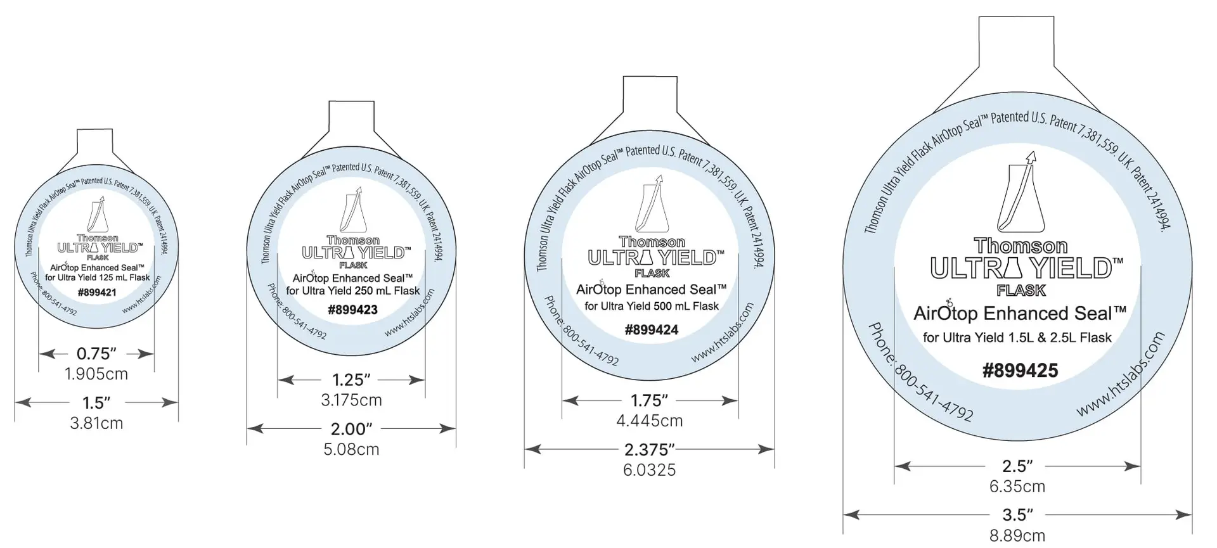
 | Consume | Brand | Cat # | Web
Cell culture | 24 Deep Well, CS20, 10.4 mL | Thomson | 931568 | https://htslabs.com/fp
 | 96 Deep Well | Thomson | 931130 | https://htslabs.com/fp
 | Airporous Plate Seal | Thomson | 899461 | https://htslabs.com/seals
 | AirOtop® Enhanced Seals | Thomson |  | https://htslabs.com/uyf/airotop

 | 50 mL Mini Bioreactor | Corning | 431720 | https://ecatalog.corning.com/life-sciences/b2c/US/en/Bioprocess-and-Scale-up/Erlenmeyer-Flasks/Erlenmeyer-Flasks-Plastic/Corning%C2%AE-50-mL-Mini-Bioreactor/p/431720
 | 50mL Bio-Reaction Tube | Celltreat | 229475 | https://www.celltreat.com/product/229475/

Cell Culture | 384-well Low Flange White Flat Bottom Polystyrene TC-treated Microplate | Corning | 3570 | https://ecatalog.corning.com/life-sciences/b2c/US/en/Microplates/Assay-Microplates/384-Well-Microplates/Corning%C2%AE-384-well-Solid-Black-and-White-Polystyrene-Microplates/p/3570
 | 96-well Solid White Flat Bottom Polystyrene TC-treated Microplates | Corning | 3917 | https://ecatalog.corning.com/life-sciences/b2b/us/en/Microplates/Assay-Microplates/96-Well-Microplates/Corning%C2%AE-96-well-Solid-Black-and-White-Polystyrene-Microplates/p/3917
 | Bio-Glo™ Luciferase Assay System | Promega | G7940
 | Bio-Glo-NL™ Luciferase Assay System | Promega | J3082
 | CellTiter-Glo® Luminescent Cell Viability Assay | Promega | G7571

Protein Science | HiTrap MabSelect PrismA protein A column, 1 mL | Cytiva | 17549853 | https://www.cytivalifesciences.com/en/us/shop/chromatography/prepacked-columns/affinity-antibody/hitrap-mabselect-prisma-protein-a-column-p-09656
 | HiTrap MabSelect PrismA protein A column, 5 mL | Cytiva | 17549854 | https://www.cytivalifesciences.com/en/us/shop/chromatography/prepacked-columns/affinity-antibody/hitrap-mabselect-prisma-protein-a-column-p-09656
 | HiTrap Fibro PrismA protein A chromatography | Cytiva | 17549856 | https://www.cytivalifesciences.com/en/us/shop/chromatography/fiber-chromatography/affinity-antibody/hitrap-hiscreen-fibro-prisma-units-for-research-and-process-development-p-23550

