ActivityLog
Sprint1
 |  | Kayen (Developer -> Developer) | Lincoln (Software Architect -> UI Designer) | Takuya (Developer -> Scrum Master) | Vick (Scrum Master -> UI Designer)
01/09/2016 | Thu | Developer Reviewing of lecture notes on JSON and XML coding format | Software Architecht Reviewing of lecture notes on JSON and XML coding format | Developer Not successful retrieving real time taxi availability data from https://data.gov.sg even after creating account. Switching to https://www.mytransport.sg to get taxi availability. Managed to get data from website but not successful to do it in GAE. | Scrum Master Reviewing of lecture notes on JSON and XML coding format
02/09/2016 | Fri | Share examples of JSON and XML formats found online with team. | Reviewing of lecture notes on JSON and XML coding format | Practicing Git. Linking local files to Github https://github.com/tiwagaki/rad_assignment2 | Reviewing of lecture notes on JSON and XML coding format
03/09/2016 | Sat | No Activity | No Activity | Successfully getting and displaying JSON file (taxi locations) from http://datamall2.mytransport.sg/. | Follow up with Team Members on progress,problems faced and ways to facilitate the progress of the project
04/09/2016 | Sun | Review of Google App Engine Code on Showing Taxi Location | Contribute to repository via Git | JINJA2 template implemented. Current location is successfully displayed via Geolocation api. | Learn Google App Engine code
05/09/2016 | Mon | Scrum meeting to share progress and to decide what to be done to complete Sprint 1. | Reviewing of lecture notes on JSON and XML coding format | Scrum meeting to share progress and to decide what to be done to complete Sprint 1. | Reviewing of lecture notes on JSON and XML coding format
06/09/2016 | Tue | Scrum meeting to share progress and to decide what to be done to complete Sprint 1. | Researching on possible implementation ideas (Eg. Weather or Haze PSI) | Scrum meeting to share progress and to decide what to be done to complete Sprint 1. | Learn Google App Engine code
07/09/2016 | Wed | No Activity | Send request to NEA for APIs and Access https://www.nea.gov.sg/api/ | No Activity | No Activity
08/09/2016 | Thu | Scrum meeting to share progress and to decide what to be done to complete Sprint 1. Research on displaying location on Google Map based on longitude and latitude. | Reviewing of requested APIs and understanding provided Developer's Guide | Scrum meeting to share progress and to decide what to be done to complete Sprint 1. Research on displaying location on Google Map based on longitude and latitude. | Review the scrum meeting and shared my views and confirmed decision of team of the completion of Sprint 1 and also to follow up on progress and future scope on the current progress
09/09/2016 | Fri | Created Git Account to access and share progress. | Create Git account and requested access to https://github.com/tiwagaki/rad_assignment2 | No Activity | No Activity
10/09/2016 | Sat | Managed to implement showing taxi location on a Second map by looping through the taxi location from the JSON file | No Activity | Development to display taxi locations on google map. | No Activity
11/09/2016 | Sun | No Activity | No Activity | Development to display taxi locations on google map. Facing difficulty to show current location and taxis on the same map, thus changed plan and trying to display current location and taxi locations on different maps. | Follow up with Team Members on progress and difficulties showing current location and taxi on the same map( technical difficulties) offered suggestion and had discussion with team on helping developers
12/09/2016 | Mon | Remote session with Team to discuss about Git's features and usage. | Learn to use Git platform, contributed in pushing and pulling updated codes to share | Development to display user's current location and taxi locations. Managed to display those on different map. | No Activity
13/09/2016 | Tue | No Activity | Assist in documenting all workflow process into scrum logbook (Product & Sprint Backlog) | Development to display taxi locations on google map. | Made suggestions and test examples which could help the team and contribute to the current ideas to overcome problems currently facing with the displaying of map
14/09/2016 | Wed | No Activity | Assist in documenting all workflow process into scrum logbook (Product & Sprint Backlog) | Development to display taxi locations on google map. Facing difficulty to show current location and taxis on the same map, thus changed plan and trying to display current location and taxi locations on different maps. | Review current documentation, logbook and application progress and discussion with team on how we can progress on our current solutions
Sprint2
15/09/2016 | Thu | Developer Reviewing of lecture notes on JSON and XML coding format | Assist in documenting all workflow process into scrum logbook (Product & Sprint Backlog) | Development to display user's current location and taxi locations. Managed to display those on different map. | Confirmed current progress and send email to lecturer with our current roles and progress and also made decisions for sprint 2 and handover current duties to next Scrum Master.
16/09/2016 | Fri | Developer | UI Designer | Scrum Master No Activity | UI Designer
17/09/2016 | Sat | Working on code to present both Taxi Locations and Current User location to a single map. | No Activity | No Activity | Did research on Dreamweaver to integrate our application to a web platform
18/09/2016 | Sun | Successfully integrated both Taxi Locations and Current User location to a single map. Uploaded code to Git for sharing among team members. | No Activity | Update Scrum_Log_Book. Planning scrum meeting agenda | Did test sites, and youtube search on modifying CSS and DIV for integration
19/09/2016 | Mon | Scrum meeting for progress reporting and to agree with product backlog and sprint backlog for sprint2. | Scrum meeting for progress reporting and to agree with product backlog and sprint backlog for sprint2. | Scrum meeting for progress reporting and to agree with product backlog and sprint backlog for sprint2. Document updated and agreed on demonstration of progress on 22nd. | Scrum meeting for progress reporting and to agree with product backlog and sprint backlog for sprint2.
20/09/2016 | Tue | No Activity | Plot and discuss on what and how the interface will be like, providing shortcut links to all resources. | No Activity | No Activity
21/09/2016 | Wed | No Activity | No Activity | No Activity | No Activity
22/09/2016 | Thu | Scrum meeting for progress reporting and show latest UI design. Due to technical difficulty, postponed UI design demo date. Agreed with finishing up all the tasks by end of this week. | Scrum meeting for progress reporting and show latest UI design. Due to technical difficulty, postponed UI design demo date. Agreed with finishing up all the tasks by end of this week. | Scrum meeting for progress reporting and show latest UI design. UI design was demonstrated but not integrated. Agreed with finishing up all the tasks by end of this week. Sprint backlog updated. | Scrum meeting for progress reporting and show latest UI design. Due to technical difficulty, postponed UI design demo date. Agreed with finishing up all the tasks by end of this week.
23/09/2016 | Fri | New requirement to change icon of taxi. Research and review of code for implementation. | Plot and discuss on what and how the interface will be like, providing shortcut links to all resources. | No Activity | Came up with final UI Web Design template and was able to show HTML only, problems with integrating into google app engine.
24/09/2016 | Sat | Managed to changed icon of all taxi location by retreiving image from web in PNG format to differentiate between current user's and taxi's. | Plot and discuss on what and how the interface will be like, providing shortcut links to all resources. | No Activity | Integration with Google App Engine and prototype was created for team to review
25/09/2016 | Sun | Review UI design and submitted updated code to Git. | Plot and discuss on what and how the interface will be like, providing shortcut links to all resources. | Review UI design. | Showed team during discussion final design output
26/09/2016 | Mon | Tried to add a distance calculator API from google map to calculate distance between user and all taxis but was not successful. | Work with Vick to create interfaces with basic HTML code and learn to merge codes together with current application. | Scrum meeting to wrap up this project within the current week. Adjust and finalise UI design format. Try to add computation logic between current location and taxi locations but not successful. | Shared with team on how my integration and use of dreamweaver was contributing to my web designs and explained limitations of my design
27/09/2016 | Tue | No Activity | Study HTML codes provided by Vick and integrate into Google App Engine, adjusting variables and template folders. Finalizing UI Design and small touch up on certain areas, including of Legend signs for easier understanding for the user. | Applying for API key to make it available online. Updating final code into Github. | Found more information on web hosting and legal implications and discussed with team on few final UI Touch ups and Legend Signs
28/09/2016 | Wed | Updated SCRUM master on the project progress. | Sending of the final project to Scrum Master, Takuya, for an update and acknowledgement. | Finalising application and deployed to production environment. | Sending of the final project to Scrum Master, Takuya, for an update and acknowledgement.
29/09/2016 | Thu
30/09/2016 | Fri

ProductBacklog
John overslept and is late for his work. He decided to take a cab there but due to the peak hour and bad weather condition, there are no available cabs on the road.

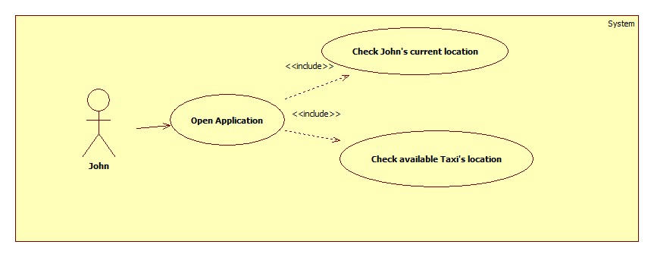
PB_ID | ProuctBacklog | User Story | Delivery Date
1.1 | Current Location | I want to see my current location on google map. | 2016-09-09
1.2 | Taxi Location | I want to see nearby available taxis on google map | 2016-09-16
2.1 | UI Design - Format | I want the application to be reasonably formatted | 2016-09-30
2.2 | UI Design - Colour | I want the application to be reasonably coloured | 2016-09-30
2.3 | Map Unification | I want to see the application to display only one map | 2016-09-30
2.4 | Distance Computation | I want to know the distance between current location and Taxi Location | 2016-09-30

