05_Карта
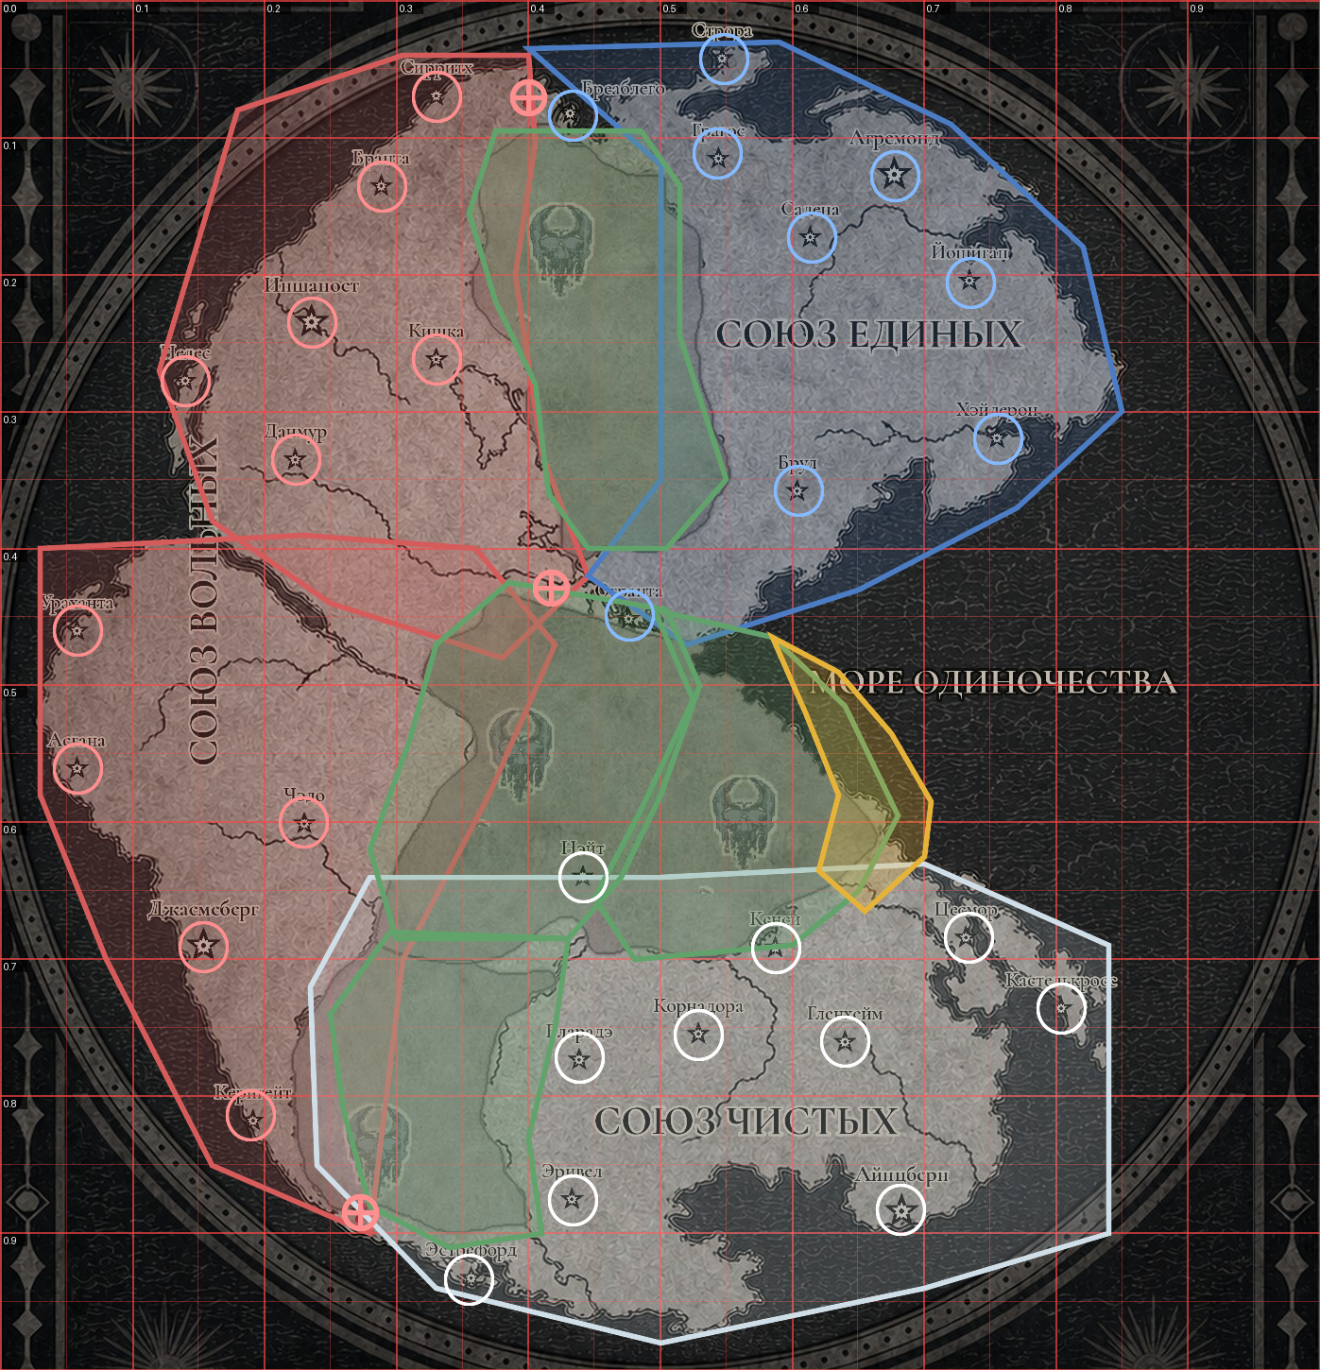
05 — Normalized map coordinates
Red grid labels show normalized U/V. Translucent polygons and settlement rings visualize the implementation baseline; the image is not a runtime asset.

Coordinate origin | Top-left of playable crop | Overlay legend: Free = red, United = blue, Pure = white, No-Man's Lands = green, coastal No-Man's overlay = gold. Debug requirement: render the same polygons and location radii over the map. A release candidate passes when every city star lies inside its ring, all three red marks lie inside Free garrison rings, and no boundary deviation exceeds 0.01 UV.
U formula | u = (sourcePixelX - 20) / 1397
V formula | v = (sourcePixelY - 170) / 1450
Reverse X | sourcePixelX = 20 + u × 1397
Reverse Y | sourcePixelY = 170 + v × 1450
Settlement hit test | distance((u,v), centre) <= Radius_UV
Polygon hit test | point-in-polygon; boundary is inside
Evaluation | Location circle → Sea/land → NML overlays → faction zone

