Read me
Measuring Environmental Policy Stringency in OECD Countries - A Composite Index Approach

version: 06/11/2014
The aggregate indicator is a quantitative country-specific measure of environmental policy stringency (EPS), which is comparable across countries.The current version of the indicator covers 24 OECD countries (Australia, Austria, Belgium, Canada, Denmark, Finland, France, Germany, Greece, Hungary, Ireland, Italy, Japan, Korea, the Netherlands, Norway, Poland, the Slovak Republic, Spain, Sweden, Switzerland, the United Kingdom and the United States) for the period 1990-2012. The indicator is based on scoring stringency of 15 policy instruments: 12 applying to the energy sector (though often also beyond, to industry), 2 to transport and 1 in waste. (Figure below).

Economy-Wide EPS indicator

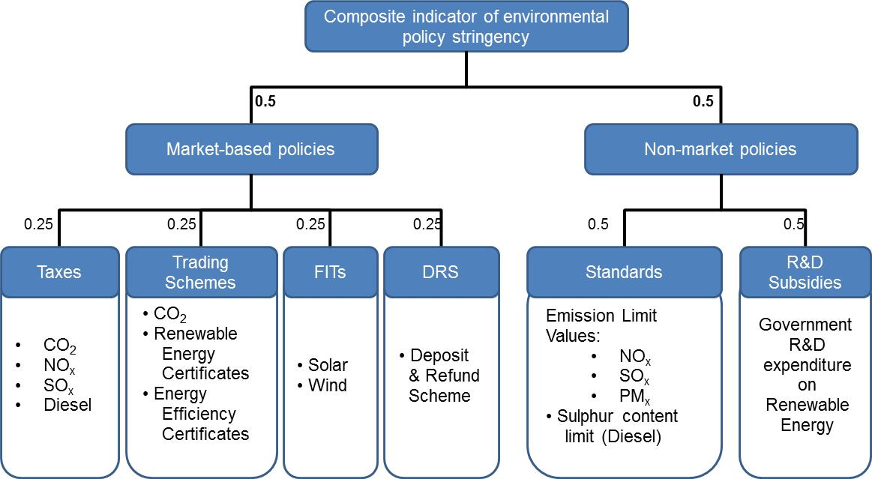

Source: Botta and Kozluk (2014)

This file includes separate sheets with the descriptions of the instruments, the score thresholds, the raw data, the scores for each of the 15 instruments and the aggregate scores for the market-based indicator, non-market based indicator and the final composite indicator.

For futher details, see Botta and Kozluk (2014), "Measuring Environmental Policy Stringency in OECD Countries - A Composite Index Approach", OECD ECO Working Paper, forthcoming (include link to reference once available)

Contact person: Tomasz Kozluk (tomasz.kozluk@oecd.org)

