Sheet1
Picture | Item no. | Description | Colors
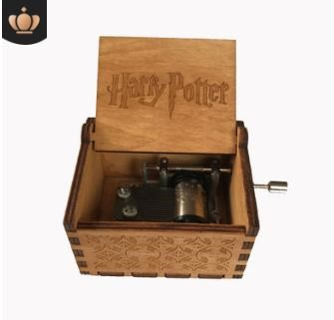 | SKU 1 | Harry Potter, In Stock | Tan
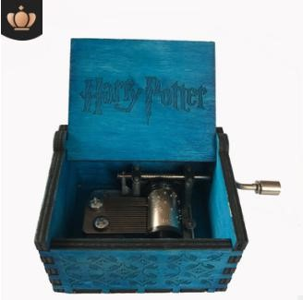 | 6 | Harry Potter , In Stock | Blue
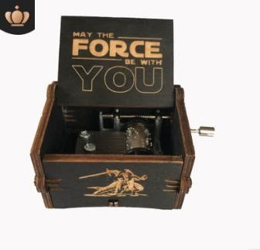 | 8 | Star Wars , In Stock | Black
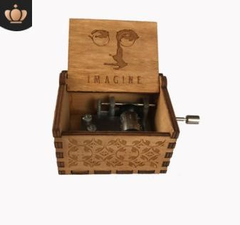 | 9 | Imagine , In Stock | Tan
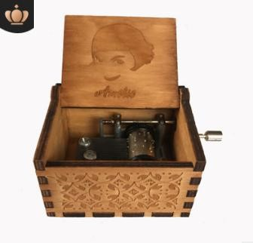 | 10 | Amelie , In Stock | Tan
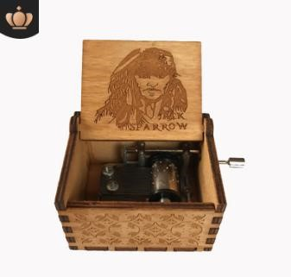 | 13 | Jack Sparrow , In Stock | Tan
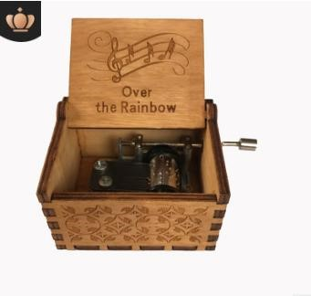 | 15 | Over The Rainbow , In Stock | Tan
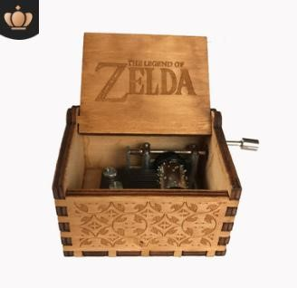 | 17 | Zelda , In Stock | Tan
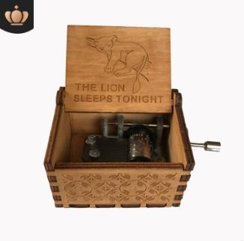 | 19 | Lion Sleeps Tonight, In Stock | Tan
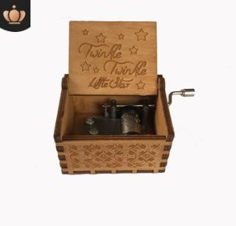 | 20 | Little Star , In Stock | Tan
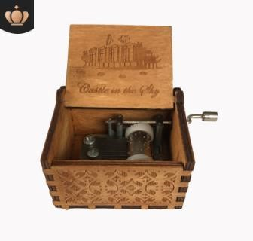 | 21 | Castle in the Sky , In Stock | Tan
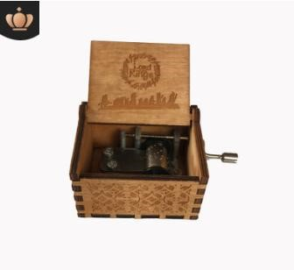 | 23 | Lord Of The Rings, In Stock | Tan
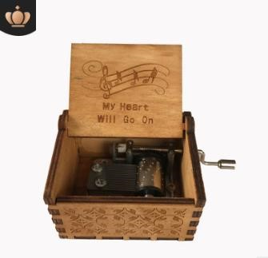 | 27 | My heart will go on , In Stock | Tan
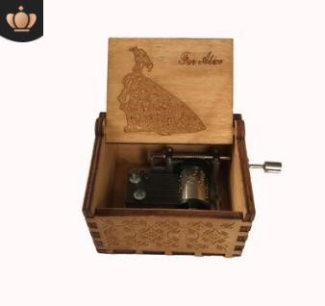 | 30 | For Alice, In Stock | Tan
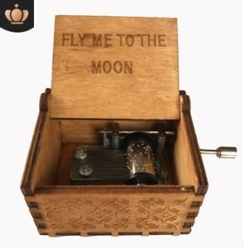 | 32 | Fly me to the moon , In Stock | Tan
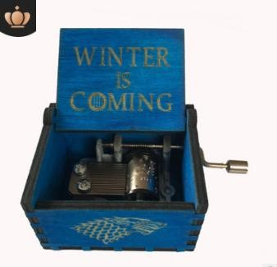 | 34 | Game of Thrones, In Stock | Blue
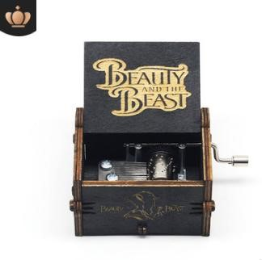 | 39 | Beauty Beast , In Stock | Black
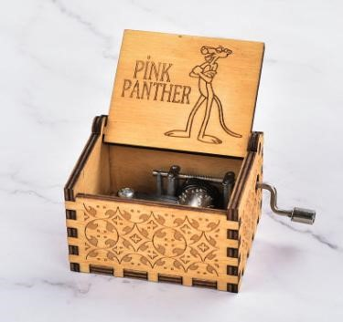 | 44 | Pink Panther , In Stock | Tan
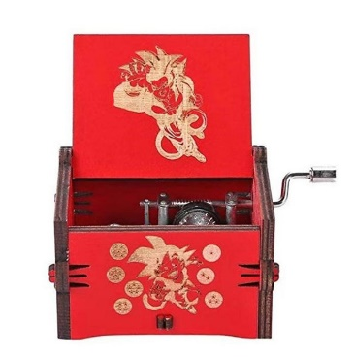 | 45 | Dragon Ball , In Stock | Red
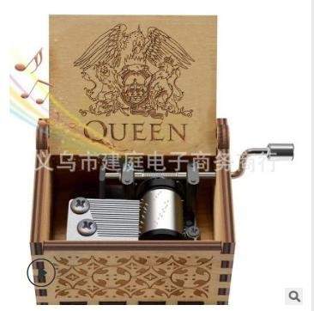 | 46 | Queen, In Stock | Tan
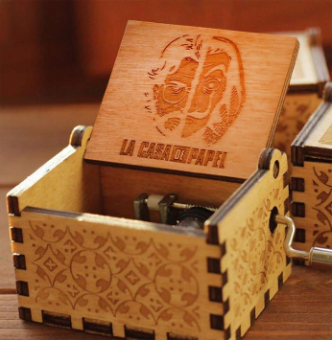 | 52 | bella ciao--6, In Stock | Tan
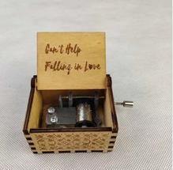 | 57 | can't help falling in love. In stock | Tan
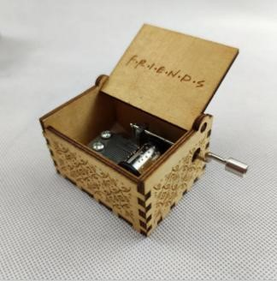 | 62 | Friends , In Stock | Tan
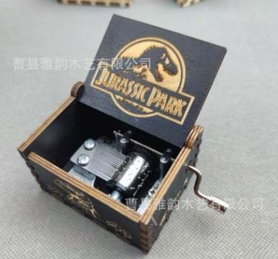 | 63 | Jurassic , In Stock | Black
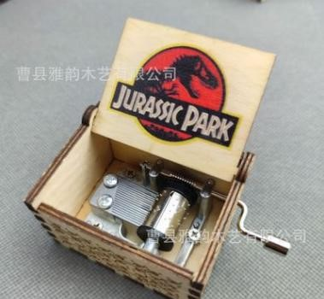 | 65 | Jurassic , In Stock | Tan
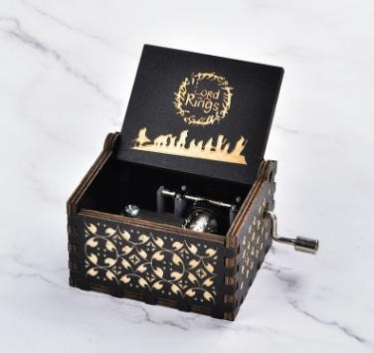 | 66 | Lord Of Rings , In Stock | Black
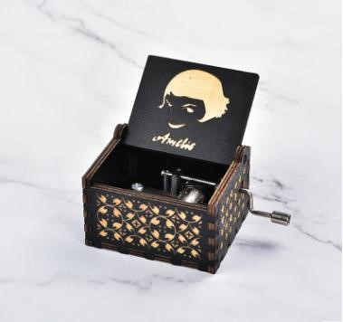 | 67 | Amelie, In Stock | Black
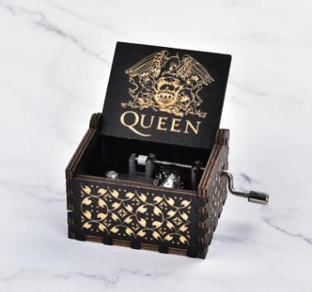 | 68 | Queen , In Stock | Black
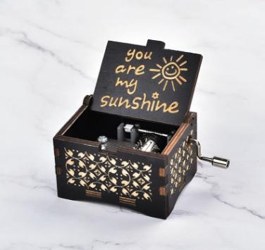 | 69 | Sunshine, In Stock | Black
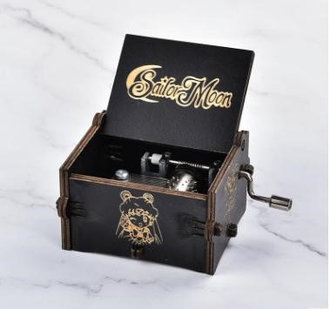 | 70 | Sailor moon , In Stock | Black
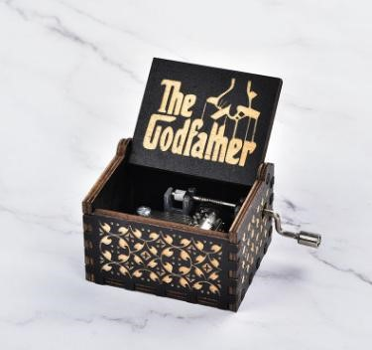 | 71 | Godfather , In Stock | Black
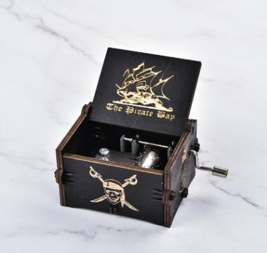 | 72 | Pirates Caribbean , In Stock | Black
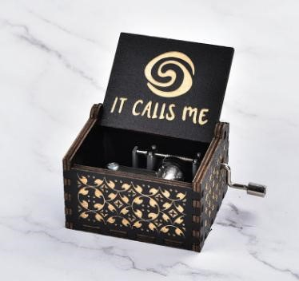 | 73 | Muana It Calls Me , In Stock | Black
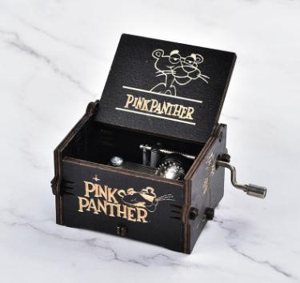 | 74 | Pink Panther, In Stock | Black
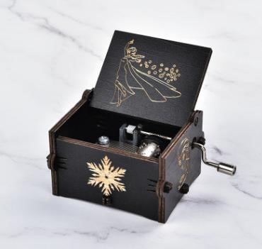 | 75 | Let it go , In Stock | Black
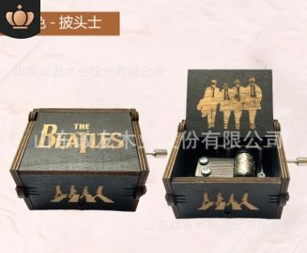 | 77 | Beatles , In Stock | Black
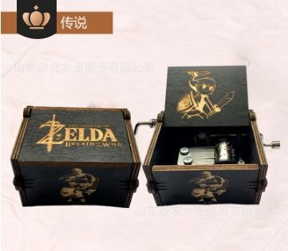 | 78 | Zelda , In Stock | Black
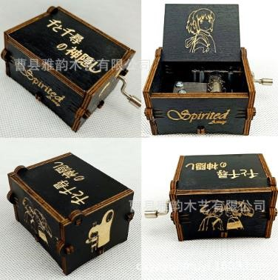 | 79 | Spirited Away , In Stock | Black
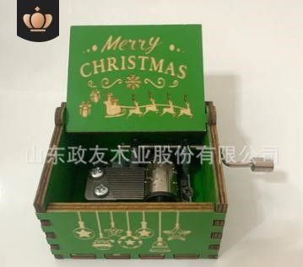 | 83 | Christmas , In Stock | Green
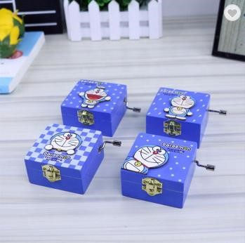 | 85 | Doraemon,In Stock | Blue
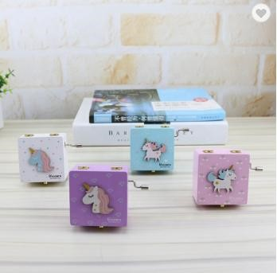 | 87 | Unicorn , In Stock | Multi-Color
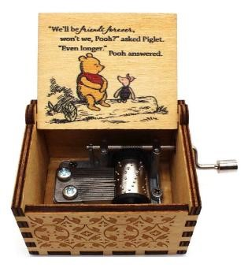 | 88 | Winnie Sunshine Tune , In Stock | Tan
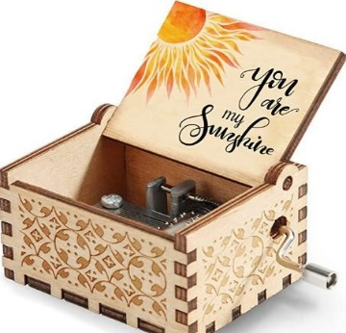 | 89 | Sunshine , In Stock | Tan
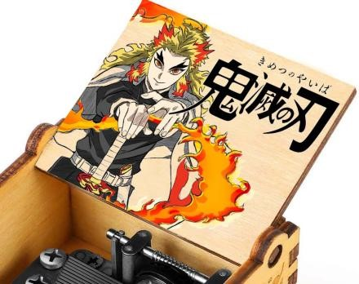 | 96 | Demon Slayer , In Stock | Tan
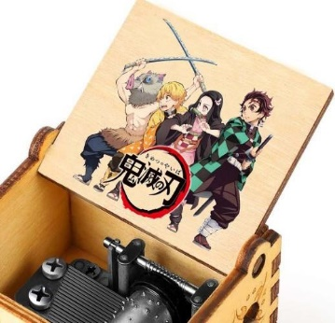 | 105 | Demon Slayer , In Stock | Tan
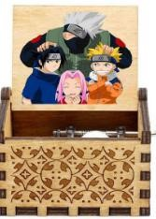 | 108 | Naruto , In Stock | Tan
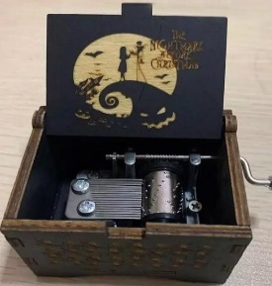 | 113 | Nightmare , In Stock | Black
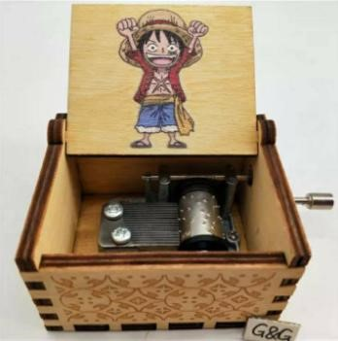 | 114 | One Piece, In Stock | Tan
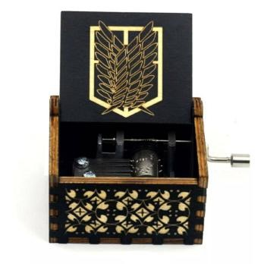 | 115 | Attack on Titan , In Stock | Black
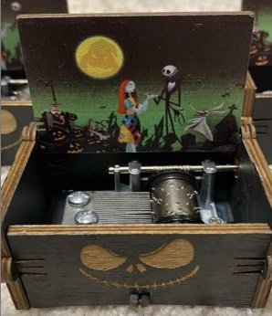 | 117 | Nightmare , In Stock | Black
 | 121 | Nightmare , In Stock | Black
 | 130 | Harry Potter Automatic, In Stock | Black
 | 131 | Sunshine Automatic, In Stock | Tan
 | 135 | Moon River , In Stock | Tan
 | 136 | Little Star , In Stock | Tan
 | 150 | Sunshine , In Stock | Tan
 | 156 | Falling in love , In Stock | Tan
 | 157 | Happy Birthday, In Stock | Tan

